Sheet1
Precondition: The application is installed and running |  |  | Environment: Windows 10 версия 21Н2
Id | Summary | Description | Steps to reproduce | Reproducibility | Severity | Priority | Symptom | Wokraround | Additional inf | Attachments | Requirements ID | Expected Result | Actual Result
C_t_01 | The number 9 on the calculator's number panel is not clickable | The number 9 is not pressed on the number panel | 1. Push the number 2. Push the number 9 | Always | Major | High | Missing Feature | Yes Can be entered from the PC keyboard |  | 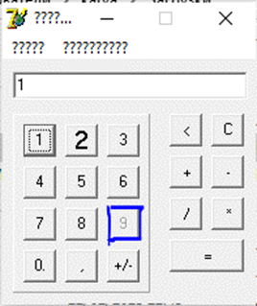 | С_1.3 | 1. A number is displayed in the input field 2. The digit number with the digit 9 is displayed in the input field | 1. The number 1 is displayed in the input field 2. The first number is displayed in the input field, the number 9 is not displayed
C_t_02 | The text above the input field is displayed with "question mark" characters | The text above the input field is displayed not in letters, but in "question mark" characters | Look at the digital panel | Always | Critical | ASAP |  | no |  | 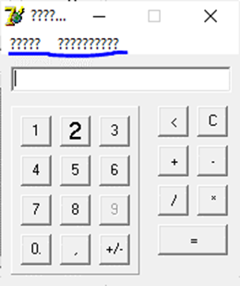 | С_1.3 | A calculator with a Cyrillic interface is displayed | A calculator is displayed with an interface where question marks are displayed instead of words
C_t_03 | Incorrect calculation result when performing more than one action | The calculator shows an incorrect calculation result when performing more than one action, namely, it calculates only the last action | 1. Press the number 2. Press action (+,-,*,/) 3. Press the number 4. Press action (+,-,*,/) 5. Press the number 6. Press equal to "=" | Always | Critical | ASAP |  | no |  |  | С_1.4 | 1. A number is displayed 2. Empty field 3. A number is displayed 4. Empty field 5. A number is displayed 6. The result is displayed | 1. A number is displayed 2. Empty field 3. A number is displayed 4. Empty field 5. A number is displayed 6. The result of the last action is displayed
C_t_04 | Mismatch of the font of the number 2 on the digital panel with the layout | The font of the number 2 does not match the layout , the number is larger and highlighted in bold | Look at the digital panel | Always | Minor | Low |  | no |  | 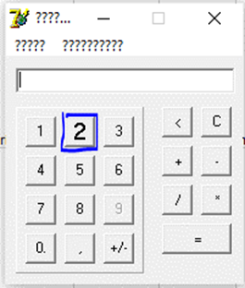 | С_1.3 | The number 2 is displayed in font according to the requirement C_1.3 | The number 2 is displayed in large bold font
C_t_05 | Mismatch of the 0 button on the digital panel with the layout | The number 0 does not correspond to the layout, it is displayed with a dot | Look at the digital panel | Always | Minor | Low |  | no |  | 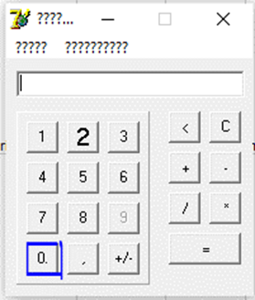 | С_1.3 | The digit 0 is displayed | The digit 0 with a dot is displayed
C_t_06 | Error "Is not a valid floating point value" when calculating decimal numbers | When calculating decimal numbers, a window pops up with the error "Is not a valid floating point value" | 1. Press the number 2.Click on the comma "," 3. Click the number 4. Click on the action (+,-,*,/) | Always | Critical | ASAP |  | no |  | 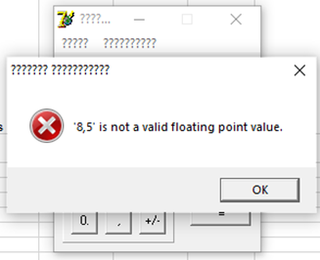 | С_1.4 | 1. The number is displayed 2. The number with a comma "," is displayed 3. The decimal number is displayed 4. A window appeared with the error "Is not a valid floating point value" | 1. The number is displayed 2. The number with a comma "," is displayed 3. The decimal number is displayed 4. A field for entering numbers is displayed
C_t_07 | The error "exception occurred" appears after clicking on an empty space of the calculator | The error window "exception occurred" appears when clicking on any empty area of the calculator | 1. Click on an empty area | Always | Medium | normal |  | no |  | 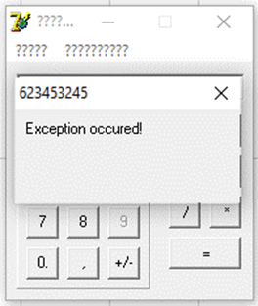 | С_1.3 | 1. Interface remained the same | 1. A window with the error "exception occurred" appeared
C_t_08 | Throws it out of the application after the error "exception occurred" | When clicking on an empty field, an error "an exception occurred" appears, after the error it throws it out of the application | 1. Click on an empty area 2. Close the error window | Always | Major | High |  | no |  |  | С_1.3 | 1. Interface remained the same | 1. A window with the error "exception occurred" popped up 2. Thrown out of the calculator

