Question 1
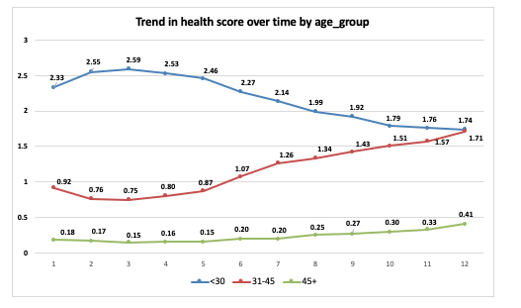
 | Question 1

 | Understanding the Data
 | a) Are all the values in the data reasonable? Are there missing values?
 | b) What are the characteristics of employees at Company A? Do these demographics change over time?
 | Use tables and charts to understand the data and demographic characteristics of employees at Company A.

Part a)
No, all the values in the data are not reasonable.
Various issues with the values in the data are:
1) The minimum age in the data provided is 7 years and the maximum age is 172 years. (Table 1) These values of the age of the employees in the given data is not reasonable.
2) According to the prompt, the company calculates a health score between 0 and 6 for each employee on a quarterly basis where 0 denotes a very healthy person, and 6 denotes a very sick person.
3)The minimum value for health score age in the data provided is 0.62 and maximum is 10 (See Table 1) , which is outside the range of the health score. A total of 1238 values of health score in the data are > 6 i.e., outside the range

Table 1 Showing the minimum and maximum values for each variable:
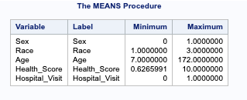

Yes, there are missing values in the data. (See Table 2)

1)The variable sex has a total of 71 missing values. 7 employees have missing data for sex.

2)Race has 2123 missing values. 220 employees have missing data for race.

Table 2: Showing the total number of missing values:
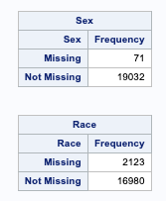

Part b) Characteristics of employees

I have catergorised age into 3 categories i.e., < 30 years, 31-45 years, and > 45 years in order to analyse the data.

Firstly, I have seen the total number of employees in each age group for each quarter. As it can be seen from the graph below, the total number of employees have increased over the time i.e., from 1st quarter to 12th quarter.

The total number of employees in the age group of <30 years has shown a decline over time after the fifth quarter. However, the number has gradually increased for the employees who are >30 years of age.
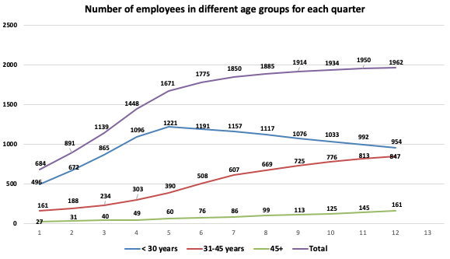

Next, I have calculated the distribution of employees (percentages) by gender, and race.

As it can be seen from the graph below, in the first three quarters, the precentage of female employees was slightly greater than the percentage of male employees in the company.

No apparent trend is seen in the race distribution.

I also determined the trend in hospital visits over time by calculating the percentage of employees who visited hospital in each quarter.

The percentage of employes who visited hospital moderately increased in the 9th quarter followed by a decline and then sharply increased in the last quarter.
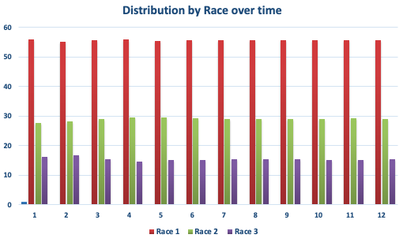
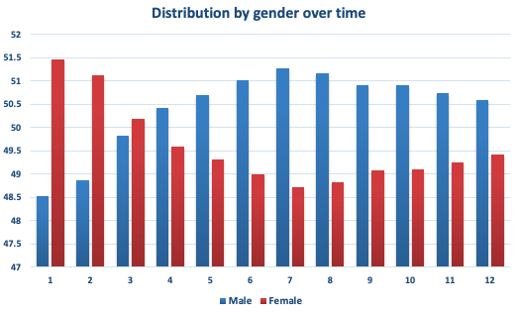
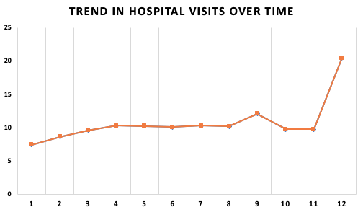

The next characteristic that is important is salary. Shown below is the average salary overall and by age group over time. We can see thet the average salary shows an upward trend overall.

If we see the average salary by age group, we can see a decline in the average salary for employees < 30 years of age whereas the employees of age group >30 years shows an incraese in the average salary over time.

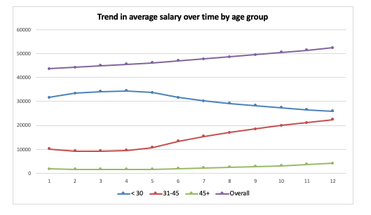

Next, I want to determine the average health score of the employees for each quarter. The graph below shows the average health score of the employees for each quarter and it depicts that the average health score has increased

over time.
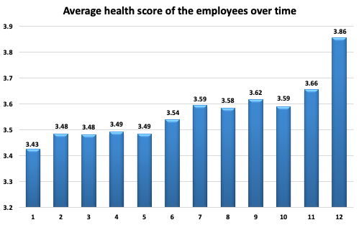

To analyse further, I want to see if there is a trend in health score over time by age_group. As it can be seen from the graph below, the average health score has increased for employees > 30 years of age

i.e., their health has gotten poor, whereas the average health score for employees < 30 years of age has decreased i.e., their health has gotten better over time.

I also checked if there is a trend in health score over time by sex, race and did not fine any trend.

Question 2
 | Question 2

 | Evaluating the Claim
 | a) Which characteristics are associated with the health score?
 | Use tables and charts (suggestion: scatter plots for continuous variables) to determine which characteristics are associated with the health score.

Before moving further, I corrected the data issues i.e., removed observations where health score was > 6, have taken a reasonable age range for employees (14-60 years) and removed unreasonable values
like 170. I also removed the observations with missing data on sex and race.

1) Checking the association between Health Score and Sex. Since the independent variable i.e., sex is binary and the dependant variable is continuous, a two sample t-test would be appropriate here.

Null hypothesis: The true mean value of Health Score is same among males and females

Alternative hypothesis: The true mean value of Health Score is not the same among males and females
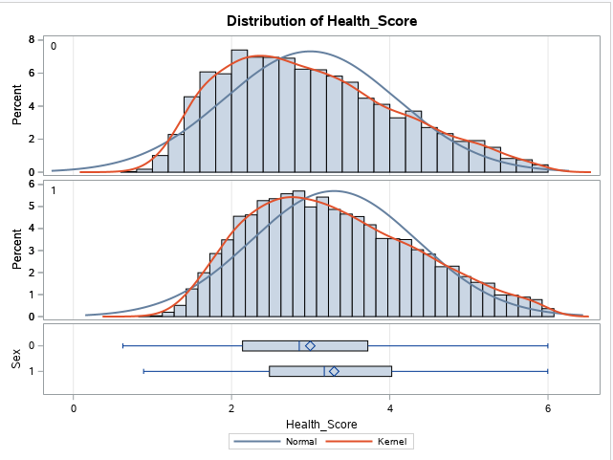
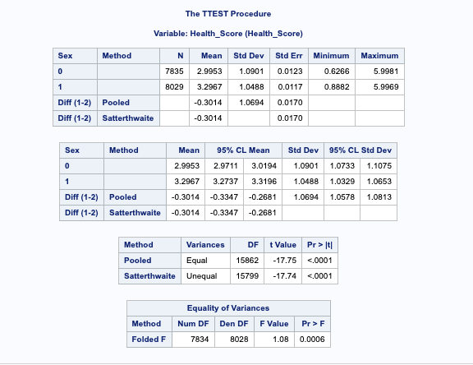

SAS provides a statistical test for equality of variances(F test).If the p-value is greater than or equal to 0.05, it is likely that our sample came from a population with equal variance.In this case it is 0.006, which means that our sample came from a population with unequal variance

So, we would use the "Unequal variance t-test".The value of test statistic is: |t|= 17.74 and p-value= <0.0001
As our p-value is <0.05, we reject the null hypothesis. At 5 % level of significance, we have sufficient evidence to conclude that there is a statistically significant association between Health score and gender */

2) Checking the association between Health Score and Hospital Visit. Since the independent variable i.e., hospital visit is binary and the dependant variable is continuous, a two sample t-test would be appropriate here.

Null hypothesis: The true mean value of Health Score is same for people with or without hospital visits.

Alternative hypothesis: The true mean value of Health Score is not the same for people with or without hospital visits.

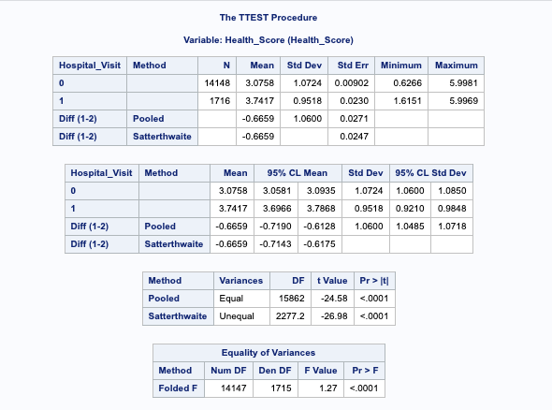
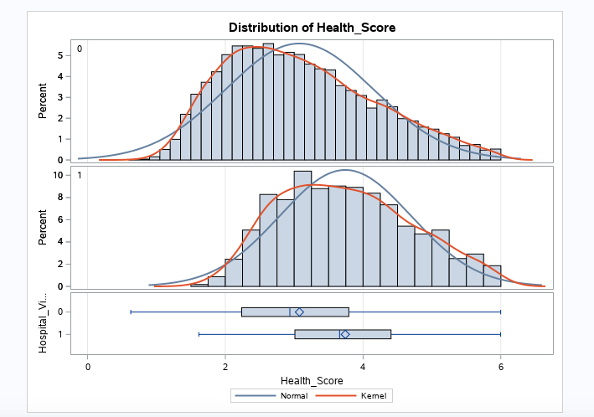

SAS provides a statistical test for equality of variances(F test).If the p-value is greater than or equal to 0.05, it is likely that our sample came from a population with equal variance. In this case it is <0.001, which means that our sample came from a population with unequal variance

So, we would use the "Unequal variance t-test".The value of test statistic is: |t|= 26.98 and p-value= <0.0001
As our p-value is <0.05, we reject the null hypothesis.At 5 % level of significance, we have sufficient evidence to conclude that there is a statistically significant association between Health score and hospital visits.

3) Checking the association between Health Score and Race. Since the independent variable i.e., race is categorical with 3 categories and the dependant variable is continuous, ANOVA would be appropriate here.

Null hypothesis: The true mean value of Health Score is same for all the racial groups.

Alternative hypothesis: The true mean value of Health Score is different for atleast one racial group.
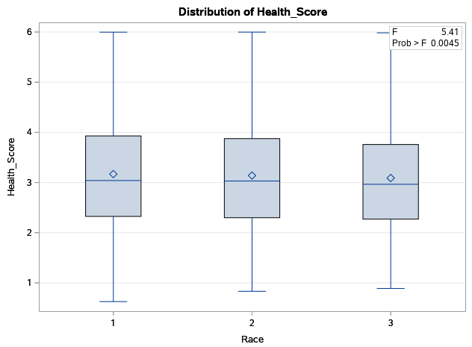
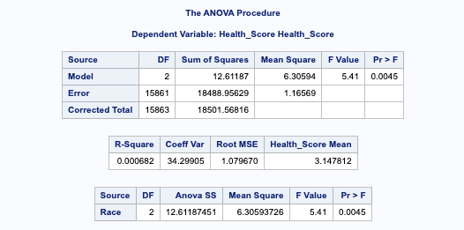

F value = 5.41, p-value = 0.0045. As our p-value is <0.05, we reject the null hypothesis.

At 5 % level of significance, we have sufficient evidence to conclude that the true mean value of Health Score is different for atleast one racial group i.e.,race and health score are statistically significantly associated

4) Checking the association between Health Score and Salary. Since both the independent variable and dependant variable are continuous, scatter plot and correlation would be appropriate here.

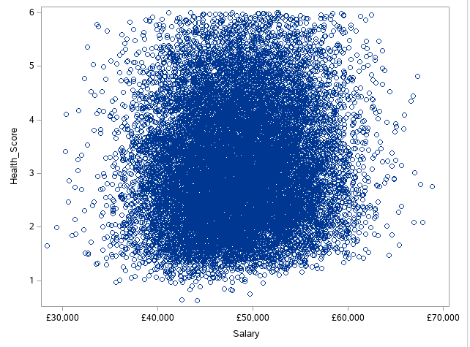
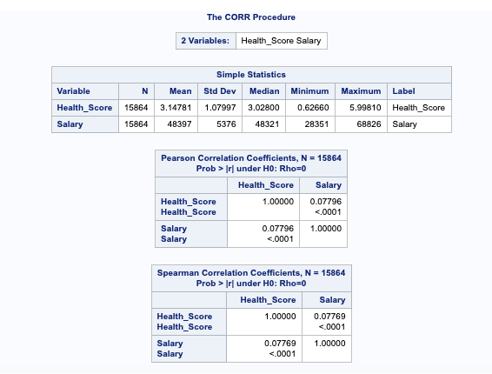

Looking at the scatter plot between health score and salary, we can say that there is no significant association between the two variables.

The correlation coefficient is 0.07 which is very less. Although the correlation is significant (p value <0.0001), this is because when the n is large, even meaningless relationship can be statistically significant.

Statistical significance is not sufficient to say that we have meaningful association. We should always look at the scatter plots.

5) Checking the association between Health Score and Age. Since both the independent variable and dependant variable are continuous, scatter plot and correlation would be appropriate here.

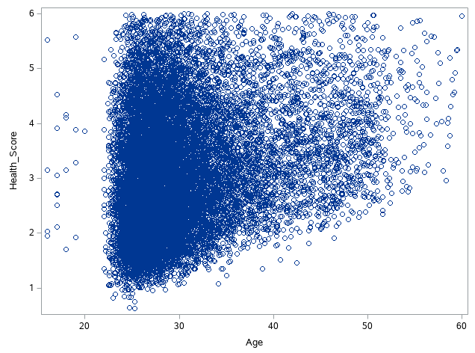
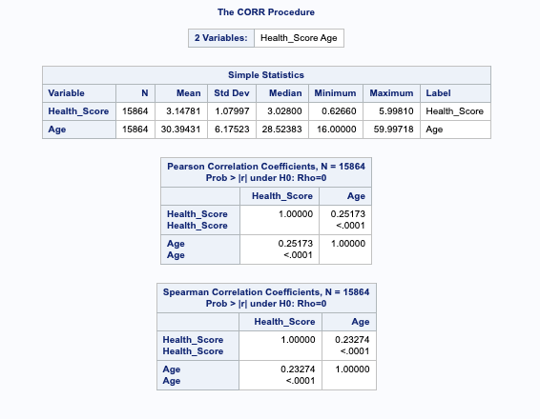

For Age, the correlation coefficient is 0.25 which shows a weak associatiob, but there is an association between the two variables. (p value <0.0001) .

The scatter plot shows some association between the health score and age.

Conclusion:

Health score is associated with age, sex, race, and hospital visits but not with salary.

Question 3
 | Question 3

 | Exploring Relationships
 | a) Using the information from Questions 1 and 2, describe how you would evaluate InsurAHealth's claim that employees are getting sicker.
 | First list how you would evaluate the claim. Then, time-permitting, implement the steps you suggested.

I evaluated the claim by calculating the average health score of the employees for each quarter and plotting a graph for the same.
Before doing that I corrected the data issues i.e., removed observations where health score was > 6,
have taken a reasonable age range for employees (14-60) years and removed unreasonable values like 170. After correcting the data issues, I calculated the average health score using the corrected data.
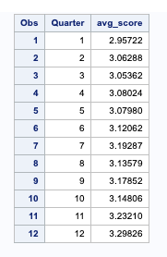
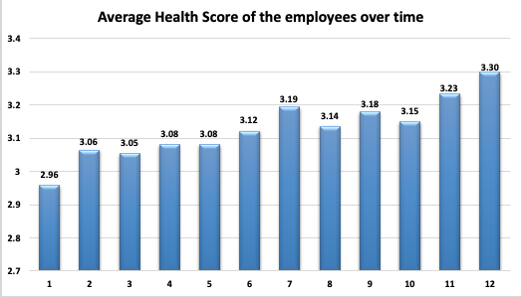

It can be seen from the graph and table above that overall the health score has increased with an average health score of 2.96 in the first quarter to 3.30 in the last quarter.

The values of mean healh score provided by the company are incorrect. According to the company, the mean Health Score in Quarter 1 was 3.4, in Quarter 6 it was 3.5, and Quarter 12 it was 3.9.

These figures are incorrect since the data had health scores of 10 i.e., outside the range of 0-6. Those outliers might had increased the mean values and therefor the mean scores provided by the company is not correct.

The mean health score in Quarter 1 is 2.96, Quarter 6 is 1.12, and Quarter 12 is 3.30.

I decided to explore a little further and determine the average health score of the employees by age group for each quarter. The graph below shows the results from that analysis.

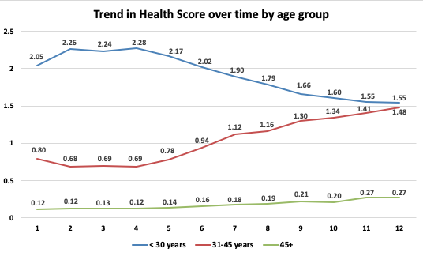

Reflecting on the insurance company's claim that people are getting sicker, I would say that it’s not true for everyone. They have given a statement from a broad analysis.

The employees who are > 30 years of age are getting sicker since their average health score is increasing. Whereas the employees < 30 years of age are getting healthier since their average health score is decreasing over time.

