IO
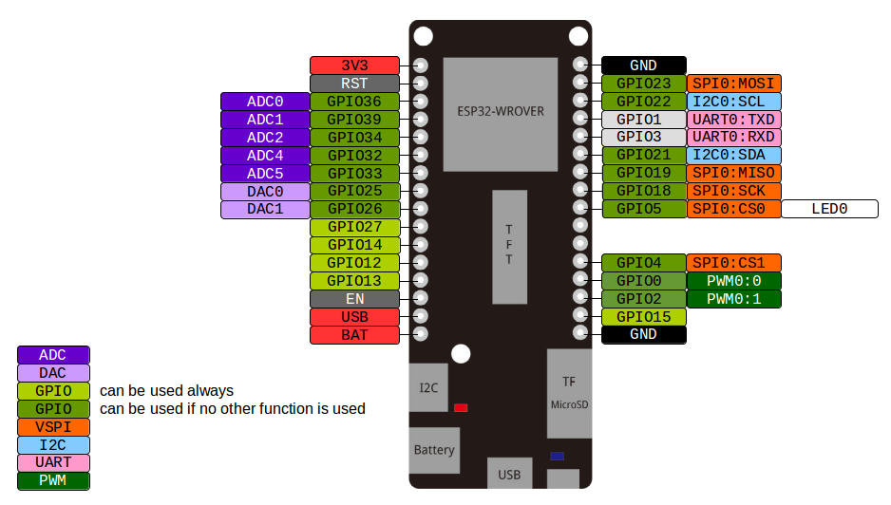
PLCheap V0 | LOLIN D32 PRO | Index | LOLIN D32 PRO | PLCheap V0
 | 3V3 | 1 | GND
 | RST | 2 | GPIO23
ANALOG IN 1 | GPIO36 (ADC1 CH0) | 3 | GPIO22 | I2C expansion
INPUT 1 | GPIO39 (ADC1 CH3) | 4 | GPIO1
INPUT 2 | GPIO34 (ADC1 CH6) | 5 | GPIO3
 | GPIO32 (LED Display) | 6 | GPIO21 | I2C expansion
 | GPIO33 | 7 | GPIO19
ANALOG OUT 1 | GPIO25 (I/O) | 8 | GPIO18
INPUT 3 | GPIO26 (I/O) | 9 | GPIO5 (LED) (I/O) | OUT 1
 | GPIO27 | 10 | nc
 | GPIO14 | 11 | nc
 | GPIO12 | 12 | GPIO4 (SD CS) (I/O) | Reserved for SD card
INPUT 4 | GPIO13 (I/O) | 13 | GPIO0 (I/O) | OUT 2
 | EN | 14 | GPIO2 (I/O) | OUT 3
 | USB | 15 | GPIO15 (I/O) | OUT 4
 | BAT | 16 | GND

 |  | Display Connector / SPI
 |  | USB / TX-RX
 |  | IO available
 |  | Flash Control
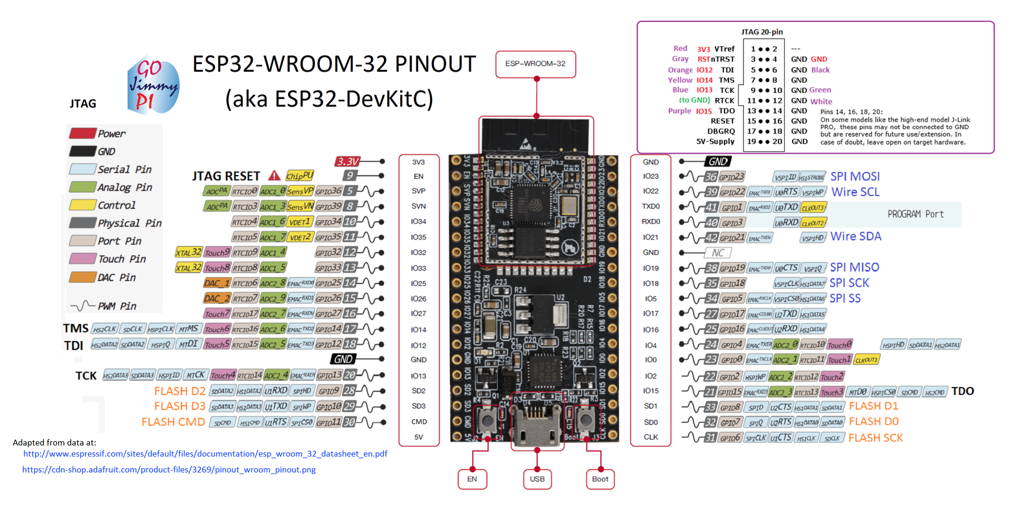
 |  | IO Expansion
 |  | SD card CS

PLCheap V0 | WROOM32 DevKitC | Index | WROOM32 DevKitC | PLCheap V0
 | 3V3 | 1 | GND
 | EN | 2 | GPIO23 (Display)
In7 / analog in 1 | GPIO36 (ADC1 CH0) | 3 | GPIO22 | I2C SCL
In6 / analog in 0 | GPIO39 | 4 | GPIO1 TX
in0 | GPIO34 | 5 | GPIO3 RX
in1 | GPIO35 | 6 | GPIO21 | I2C SDA
in2 | GPIO32 | 7 | GND
 | GPIO33 (Display) | 8 | GPIO19 (Display)
out5 / analog out 1 | GPIO25 | 9 | GPIO18 (Display)
out4 / analog out 0 | GPIO26 | 10 | GPIO5 (SD CS) | SD_CS
 | GPIO27 (Display) | 11 | GPIO17 | out0
 | GPIO14 (Display) | 12 | GPIO16 | out1
 | GPIO12 (Display) | 13 | GPIO4 | in4
 | GND | 14 | GPIO0 | in5
in3 | GPIO13 | 15 | GPIO2 | out2
 | SD2 | 16 | GPIO15 | out3
 | SD3 | 17 | SD1
 | CMD | 18 | SD0
 | 5V | 19 | CLK

 |  | LOLIN D32 WROVER |  | WROOM32 DevKitC | option b | https://i.stack.imgur.com/5lZaH.png
 | dig in | 4 |  | 7 | 7
 | analog in | 1 |  | 1 | 2 | https://i.stack.imgur.com/nXLwz.png
 | dig out | 1 |  | 6 | 5
 | analog out | 4
 |  | 10 |  | 14 | 14

scratch
 | result-oriented actions, individual talent and effective team work

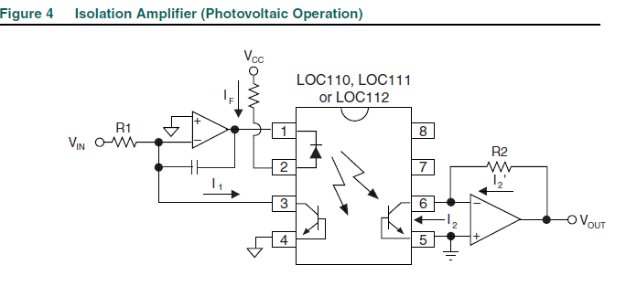
 | int val = byte(random(10020));

 | char* name = "1 - Puto del culo - Teo Swee Ann";
 | uint32_t age = 11173;

 | Flash10.put(4092, age9);
 | Settings.put(0, name10);

 | ---------------------------------------------------------------------------
 | Core where the task is running
 | Serial.print("setup() running on core ");
 | Serial.println(xPortGetCoreID());

 | ---------------------------------------------------------------------------
 | WD problem

 | // RTOS Watchdog reset
 | #include "soc/timer_group_struct.h"
 | #include "soc/timer_group_reg.h"
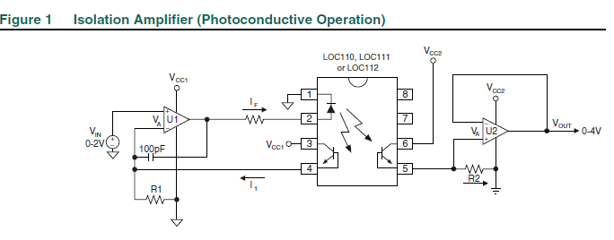
 | #if CONFIG_AUTOSTART_ARDUINO
 | //enable/disable WDT for Arduino's setup and loop functions
 | void enableLoopWDT();
 | void disableLoopWDT();
 | //feed WDT for the loop task
 | void feedLoopWDT();
 | #endif

 | //enable/disable WDT for the IDLE task on Core 0 (SYSTEM)
 | void enableCore0WDT();
 | void disableCore0WDT();
 | #ifndef CONFIG_FREERTOS_UNICORE
 | //enable/disable WDT for the IDLE task on Core 1 (Arduino)
 | void enableCore1WDT();
 | void disableCore1WDT();
 | #endif
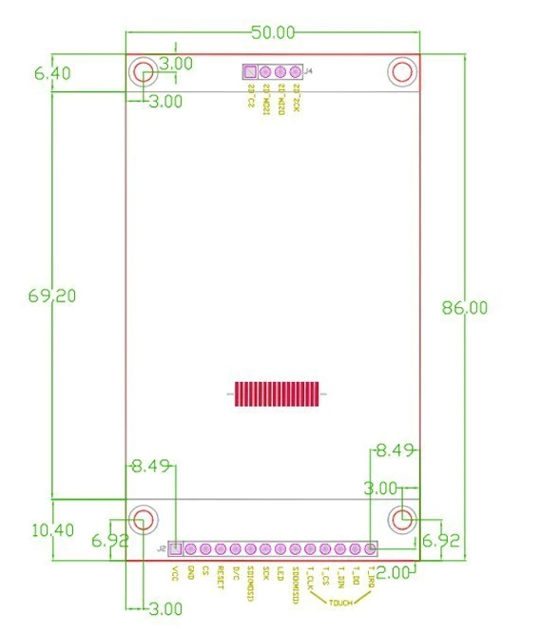
 | ---------------------------------------------------------------------------
 | Doesnt seems to work
 | in Setup
 | //disableCore0WDT();
 | //disableCore1WDT();
 | //disableLoopWDT();
 | in Tasks Core 1
 | //feedLoopWDT();
 | //TIMERG1.wdt_wprotect=TIMG_WDT_WKEY_VALUE;
 | //TIMERG1.wdt_feed=1;
 | //TIMERG1.wdt_wprotect=0;
 | in Tasks Core 0
 | //feedLoopWDT();
 | //TIMERG0.wdt_wprotect=TIMG_WDT_WKEY_VALUE;
 | //TIMERG0.wdt_feed=1;
 | //TIMERG0.wdt_wprotect=0;

 | ---------------------------------------------------------------------------
 | Size of an Structure
 | Serial.println(sizeof(Networks));
 | Serial.println(sizeof(Networks));

 | ---------------------------------------------------------------------------
 | Measure time in uS for a given function
 | unsigned long StartTime = micros();
 | ClearProgram();
 | unsigned long CurrentTime = micros();
 | Serial.print("Time taken to erase 200 Networks - Clear all program: ");
 | Serial.println(CurrentTime - StartTime);

 | ---------------------------------------------------------------------------
 | //Test NO draw
 | // for (int a=0; a<5 ; a++){
 | // for (int b=0; b<6 ; b++){
 | // drawNO (a,b,WHITE);
 | // }
 | // }
 | // for (int a=0; a<4 ; a++){
 | // for (int b=0; b<5 ; b++){
 | // drawBar(a,b,GREEN);
 | // }
 | // }

 | drawNO (4,0,GREEN);
 | drawTag (4,0,WHITE);
 | drawNeg (0,1,GREEN);
 | drawFE (1,1,GREEN);
 | drawTag (1,1,WHITE);
 | drawCoil (4,2,GREEN);
 | drawTag (4,2,WHITE);
 | drawNeg (0,3,GREEN);
 | drawNC (0,4,GREEN);
 | drawTag (0,4,WHITE);
 | drawRE (1,4,GREEN);
 | drawTag (1,4,WHITE);
 | drawFE (3,4,GREEN);
 | drawTag (3,4,WHITE);
 | drawNC (4,4,GREEN);
 | drawTag (4,4,WHITE);
 | drawBar(0,0,GREEN);
 | drawBar(1,0,GREEN);
 | drawBar(2,0,GREEN);
 | drawBar(3,0,GREEN);
 | drawBar(0,1,GREEN);
 | drawBar(1,1,GREEN);
 | drawBar(2,1,GREEN);
 | drawBar(0,2,GREEN);
 | drawBar(1,2,GREEN);
 | drawBar(2,2,GREEN);
 | drawBar(0,3,GREEN);
 | drawBar(1,3,GREEN);
 | drawBar(2,3,GREEN);
 | drawBar(3,3,GREEN);
 | drawBar(0,4,GREEN);
 | drawBar(3,4,GREEN);
 | drawCoil(0,5,GREEN);
 | drawCoil(3,5,GREEN);
 | drawCoilL(1,5,GREEN);
 | drawConn (3,2,GREEN);
 | drawCoilU(2,5,GREEN);
 | drawConn(4,1,GREEN);

 | ---------------------------------------------------------------------------
 | tft.fillScreen(ILI9341_BLACK);
 | tft.setCursor(0, 170);
 | tft.setTextColor(color);
 | tft.setTextColor(BLUE, BLACK);
 | tft.print("Pressure = ");
 | tft.print(p.z);
 | tft.print(" X = ");
 | tft.print(p.x);
 | tft.print(" Y = ");
 | tft.println(p.y);
 | ---------------------------------------------------------------------------
 | ---------------------------------------------------------------------------
 | ---------------------------------------------------------------------------
 | ---------------------------------------------------------------------------
 | ---------------------------------------------------------------------------
 | ---------------------------------------------------------------------------
 | ---------------------------------------------------------------------------
 | ---------------------------------------------------------------------------
 | ---------------------------------------------------------------------------

 | unsigned long TiempoA = 4294962295; //4,294,967,295
 | unsigned long TiempoB = 4294962295; //4,294,967,295
 | Serial.println(sizeof(TiempoA));
 | Serial.println(sizeof(TiempoB));

 | delay (500);
 | TiempoA += 100;

 | Serial.print("Value A: ");
 | Serial.println(TiempoA);
 | Serial.print("Value B: ");
 | Serial.println(TiempoB);
 | Serial.print("A - B: ");
 | Serial.println(TiempoA - TiempoB);
 | Serial.print("Millis: ");
 | Serial.println(millis());

 | // I2C
 | #include <Arduino.h>
 | #include <Wire.h>

 | Adafruit_PWMServoDriver pwm1 = Adafruit_PWMServoDriver(&Wire, 0x40);

setup | pwm1.begin(); |  |  |  |  |  | uint16_t Val1 = 0;
 | pwm1.setPWMFreq(1600); // This is the maximum PWM frequency |  |  |  |  |  | uint16_t Val2 = 0;

loop | Val1 += 10;
 | if(Val1 > 4095){Val1=0;}
 | Val2 = 4096 - Val1;

 | pwm1.setPWM(0, Val1, Val2);
 | pwm1.setPWM(15, Val2, Val1);

 | #ifdef ESP8266
 | yield(); // take a breather, required for ESP8266
 | #endif

 | String stringOne = "Hello String"; // using a constant String
 | String stringOne = String('a'); // converting a constant char into a String
 | String stringTwo = String("This is a string"); // converting a constant string into a String object
 | String stringOne = String(stringTwo + " with more"); // concatenating two strings
 | String stringOne = String(13); // using a constant integer
 | String stringOne = String(analogRead(0), DEC); // using an int and a base
 | String stringOne = String(45, HEX); // using an int and a base (hexadecimal)
 | String stringOne = String(255, BIN); // using an int and a base (binary)
 | String stringOne = String(millis(), DEC); // using a long and a base
 | String stringOne = String(5.698, 3); // using a float and the decimal places

 |  |  | Open | Data | Close | Open | Data | Close
 |  |  | Write | Write | Write | Read | Read | Read
 |  | Networks
 |  | 1
 |  | 100 | 160000 | 500000 | 100000 | 1202 | 18000 | 115
 |  | 200
 |  | 300
 |  | 400
 |  | 500 | 320000 | 730000 | 1834 | 320 | 130 | 100
 |  | more common | 1300 | 1066000 |  | 724 | 139000 | 121
 |  |  | 462000 | 1000000 | 117000

