01 - NI
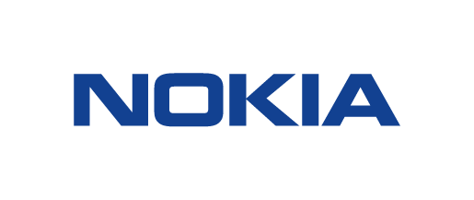 NUAGE CE-LAT (CUSTOMER ENGINEERING LATIN AMERICA) 03 - NI (NETWORK INTEGRATION) PROJECTS
PROJECT |  |  |  |  | DETAILS
NO. | PRIORITY | CUSTOMER | PROJECT | PHASE | COUNTRY | LOCATIONS
1 | 1 | Claro | SDWAN | 1 | REGIONAL | CO, BR, AR, US
2 | 1 | Claro | ODIN | 1 | REGIONAL | CO, BR, AR, US
3 | 1 | Claro | SDWAN | 1 | Colombia | Bogota
4 | 1 | Claro | SDWAN | 1 | Usa | Miami
5 | 1 | Claro | SDWAN | 1 | Brazil | Sao Paulo
6 | 1 | Claro | MPLS, QOS & LAB | 2 | Argentina | Buenos Aires
7 | 1 | Claro | TELCO CLOUD | 1 | Argentina | 4 Datacenters
8 | 2 | Claro | TELCO CLOUD | 1 | Colombia | 9 Datacenters
...

