building_class_global
Wind velocity (kph) | W1l | URML | RM1L | C1L
0 | 0.000 | 0.000 | 0.000 | 0.000 | Building classes and general characteristics (obtained from table 2)
10 | 0.000 | 0.000 | 0.000 | 0.000 |  |  | Height |  |  |  | Structural period Te (s) | Design level
20 | 0.000 | 0.000 | 0.000 | 0.000 |  |  | Range |  | Typical
30 | 0.000 | 0.000 | 0.000 | 0.000 |  | Description | Name | Stories | Stories | Height (m) |  | H | M | L | P
40 | 0.000 | 0.000 | 0.000 | 0.000 | W1l | Wood, light frame (<=450 m2) | // | 1-2 | 1 | 4.3 | 0.35 | x | x | x | x
50 | 0.000 | 0.000 | 0.000 | 0.000 | URML | Unreinforced masonry | low-rise | 1-2 | 1 | 4.6 | 0.35 | / | x | x | x
60 | 0.000 | 0.000 | 0.000 | 0.000 | RM1L | Reinforced masonry | low-rise | 1-3 | 2 | 6.1 | 0.35 | x | x | x | x
70 | 0.000 | 0.000 | 0.000 | 0.000 | C1L | Concrete moment | low-rise | 1-3 | 2 | 6.1 | 0.4 | x | x | x | x
80 | 0.000 | 0.000 | 0.000 | 0.000
90 | 0.000 | 0.000 | 0.000 | 0.000 | Note: H=high, M=medium, L=low, P=poor; “X” refers to the design levels which were considered in each case to generate a particular vulnerability function
100 | 0.000 | 0.000 | 0.000 | 0.000
110 | 0.001 | 0.000 | 0.000 | 0.000
120 | 0.002 | 0.001 | 0.000 | 0.000 | Source
130 | 0.003 | 0.001 | 0.001 | 0.000 | Yamin et al. (2014), see link:
140 | 0.005 | 0.002 | 0.001 | 0.001 | Seismic and wind vulnerability assessment for the GAR-13 global risk assessment (gestiondelriesgo.gov.co)
150 | 0.008 | 0.003 | 0.002 | 0.001
160 | 0.014 | 0.005 | 0.004 | 0.002
170 | 0.021 | 0.008 | 0.006 | 0.003
180 | 0.033 | 0.012 | 0.009 | 0.004
190 | 0.048 | 0.017 | 0.013 | 0.006
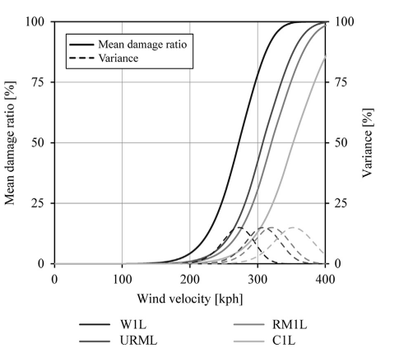
200 | 0.070 | 0.026 | 0.019 | 0.010
210 | 0.100 | 0.037 | 0.028 | 0.014
220 | 0.139 | 0.052 | 0.039 | 0.019
230 | 0.188 | 0.071 | 0.054 | 0.027
240 | 0.249 | 0.097 | 0.074 | 0.037
250 | 0.322 | 0.129 | 0.099 | 0.050
260 | 0.407 | 0.169 | 0.130 | 0.066
270 | 0.500 | 0.218 | 0.169 | 0.087
280 | 0.598 | 0.276 | 0.216 | 0.113
290 | 0.694 | 0.343 | 0.271 | 0.144
300 | 0.783 | 0.418 | 0.335 | 0.182
310 | 0.858 | 0.500 | 0.406 | 0.226
320 | 0.916 | 0.585 | 0.484 | 0.277
330 | 0.956 | 0.670 | 0.565 | 0.336
340 | 0.980 | 0.750 | 0.647 | 0.401
350 | 0.992 | 0.821 | 0.726 | 0.471
360 | 0.998 | 0.881 | 0.798 | 0.544
370 | 0.999 | 0.927 | 0.860 | 0.619
380 | 1.000 | 0.959 | 0.909 | 0.693
390 | 1.000 | 0.979 | 0.946 | 0.761
400 | 1.000 | 0.991 | 0.971 | 0.823

building_damage_bands
 | 1-3 story buildings |  | 4-10 story buildings
Sustained 1-minute windspeed (m/s) | Upper | Lower | Upper | Lower
0 | 0.000 | 0.000 | 0.000 | 0.000 | Building classes and general characteristics
5 | 0.000 | 0.000 | 0.000 | 0.000
10 | 0.000 | 0.000 | 0.002 | 0.000 |  | Description
15 | 0.001 | 0.000 | 0.004 | 0.000 | 1-3 story buildings | Includes residential, commercial/industrial and institutional buildings
20 | 0.005 | 0.000 | 0.006 | 0.000 | 4-10 story buildings | mid-rise buildings
25 | 0.015 | 0.000 | 0.008 | 0.000
30 | 0.034 | 0.000 | 0.010 | 0.000
35 | 0.068 | 0.000 | 0.015 | 0.000 | Source
40 | 0.122 | 0.000 | 0.020 | 0.000 | Unanwa et al. (2000), pp. 141-142, see link:
45 | 0.201 | 0.010 | 0.025 | 0.000 | https://www.cs.rice.edu/~devika/evac/papers/Building%20safety.pdf
50 | 0.310 | 0.080 | 0.080 | 0.000
55 | 0.440 | 0.220 | 0.145 | 0.020
60 | 0.550 | 0.390 | 0.250 | 0.090
65 | 0.660 | 0.550 | 0.360 | 0.180
70 | 0.730 | 0.660 | 0.450 | 0.270
75 | 0.770 | 0.700 | 0.510 | 0.340
80 | 0.780 | 0.710 | 0.550 | 0.360

outside_europe_building_types
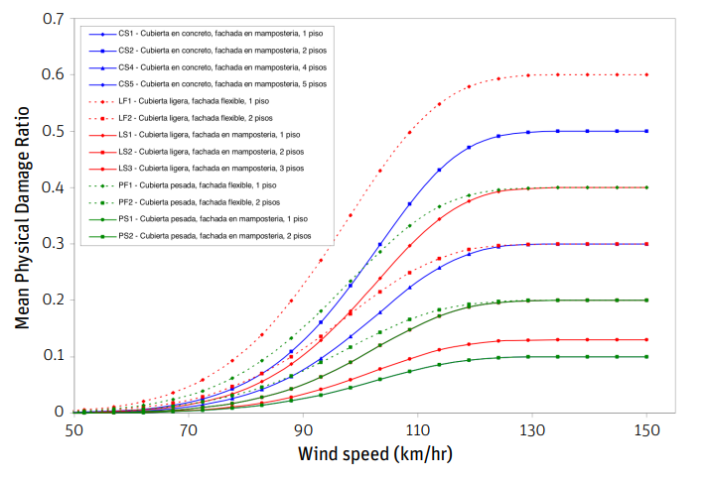
Wind speed (km/h) | CS2 | CS4 | PS1 | PS2
0 | 0.000 | 0.000 | 0.000 | 0.000 | Building classes and general characteristics
10 | 0.000 | 0.000 | 0.000 | 0.000
20 | 0.000 | 0.000 | 0.000 | 0.000 |  | Roof type | Façade | Number of stories
30 | 0.000 | 0.000 | 0.000 | 0.000 | CS2 | Concrete | Masonry | 2
40 | 0.000 | 0.000 | 0.000 | 0.000 | CS4 | Concrete | Masonry | 4
50 | 0.000 | 0.000 | 0.000 | 0.000 | PS1 | Heavy | Masonry | 1
60 | 0.010 | 0.005 | 0.003 | 0.002 | PS2 | Heavy | Masonry | 2
70 | 0.028 | 0.015 | 0.010 | 0.008
80 | 0.055 | 0.030 | 0.020 | 0.010 | Note: curves feature buildings that are characteristics of Caribbean and Central America traditional construction
90 | 0.125 | 0.075 | 0.050 | 0.025
100 | 0.250 | 0.150 | 0.100 | 0.050
110 | 0.390 | 0.235 | 0.155 | 0.075 | Source
120 | 0.475 | 0.280 | 0.190 | 0.095 | WB (2016), pp. 8, see link:
130 | 0.495 | 0.300 | 0.200 | 0.100 | https://reliefweb.int/sites/reliefweb.int/files/resources/CAPRA%20-%20Technical%20Review%20of%20CAPRA%20Hurricane%20Vulnerability%20Estimation%20Process.pdf
140 | 0.500 | 0.300 | 0.200 | 0.100
150 | 0.500 | 0.300 | 0.200 | 0.100

