Bug1
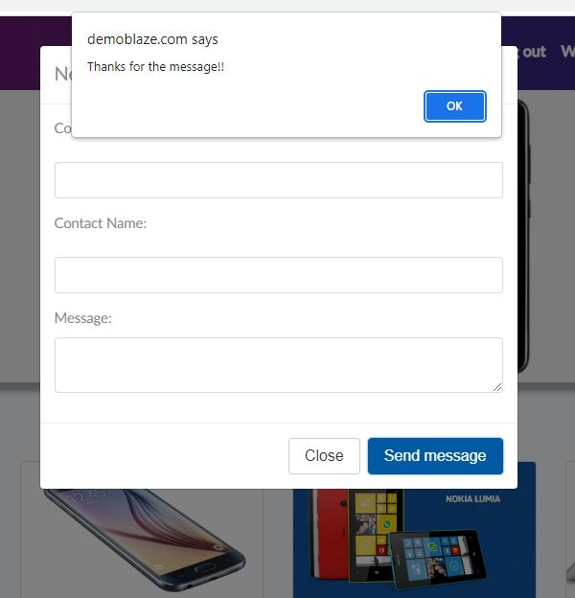
Sumary: The "Contact field" send message button accepts empty messages and messages without email and name
Priority: High
Severity: High
Steps to reproduce: 1. go to https://demoblaze.com/index.html#
2. Navigate to Contact
3. Leave all fields empty
4. Press send message
Expected result: "Send message button" should not be working if "mesage" and "email" fields are not fullfielded
Actual result: Send message button is working when all fields are empty, and it shows notification "Thanks for the message"

Bug3
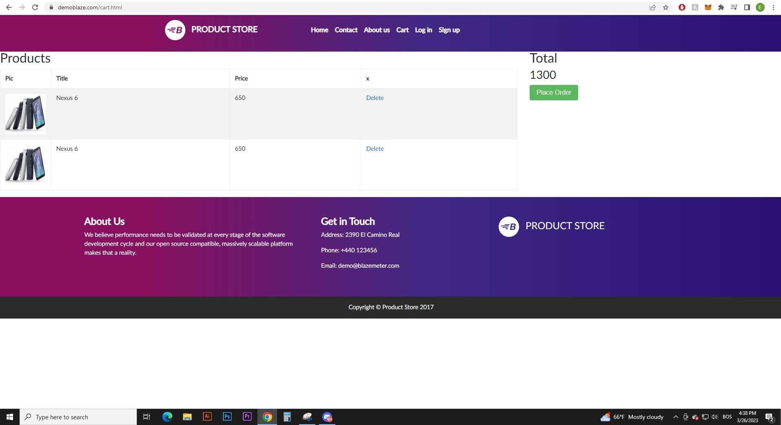
Sumary: On the cart page footer is not at the bottom of the page
Priority: High
Severity: Medium
Steps to reproduce: 1. go to https://demoblaze.com/cart.html
2. Navigate to Footer

Expected result: Footer should always be at the bootom of the page
Actual result: Footer is right below items in chart
Screenshots/See:

Bug5
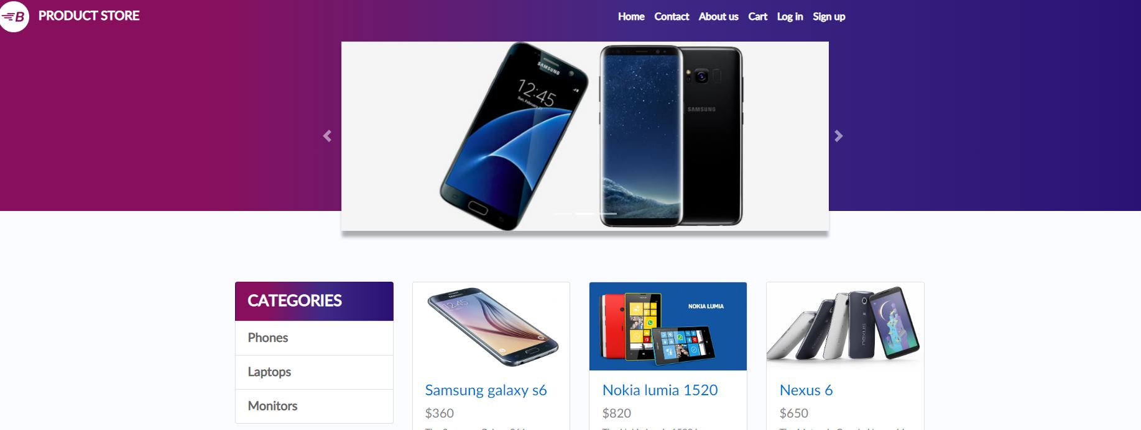
Sumary: Animation slider is not redirecting when clicked on it
Priority: High
Severity: Medium
Steps to reproduce: 1. https://demoblaze.com/index.html
2. Navigate to Image on Animation slider
3. Click on the image

Expected result: Product page that is shown on the slider should be opended
Actual result: Slider is not working
Screenshots/See:

Bug6
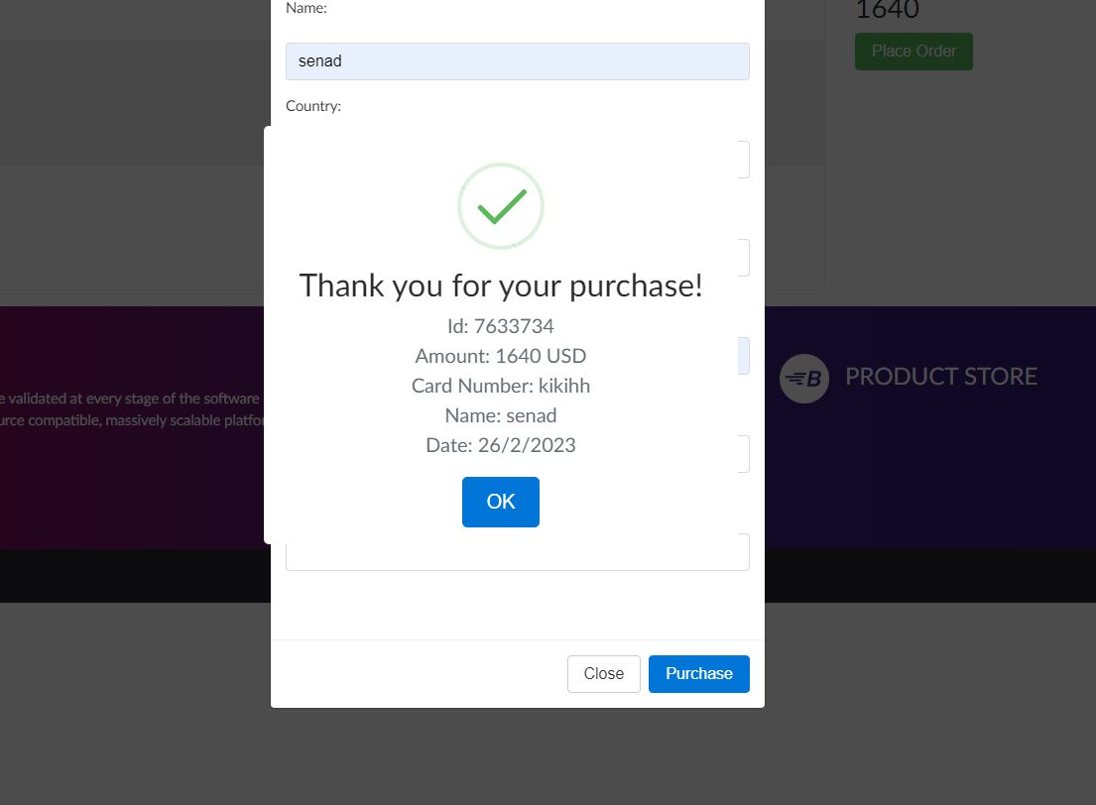
Sumary: "Credit card" field accepts invalit input
Priority: High
Severity: High
Steps to reproduce: 1.go to https://demoblaze.com/cart.html
2. Navigate to Place order button
3. In "Credit Card" field write "kikids"
4. Click purchase
Expected result: "Purchase" button should not be working if Credit card is in invalid format
Actual result: "Credit card" field accepts invalid input
Screenshots/See:

Bug7
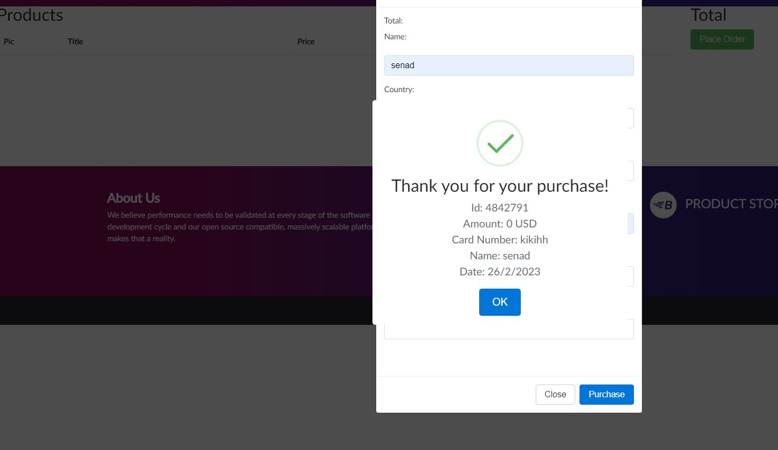
Sumary: Costumer can place order even if the cart is empty
Priority: High
Severity: High
Steps to reproduce: 1.go to https://demoblaze.com/cart.html
2. Navigate to Place order button
3. Fullfil the fields
4. Click purchase
Expected result: "Place order" should not be working if Cart is empty
Actual result: Site accepts purchase wihout items in cart
Screenshots/See:

