Bug 1
Sumary: Price is shown incorrectly
Priority: High
Severity: High
Steps to reproduce: 1. go to https://olx.ba/
2. Navigate to category "Mobilni uređaji"
3. go to "sort by" and choose "Hight to Low"
4. Click on the Product "Samsung galaxy S22 8 128gb"
Expected result: Price should be the same in the category and on the Product page
Actual result: Price on the category page is 155.000 KM and on the product page price is 1.550 KM
Screenshots/See:
Category page:
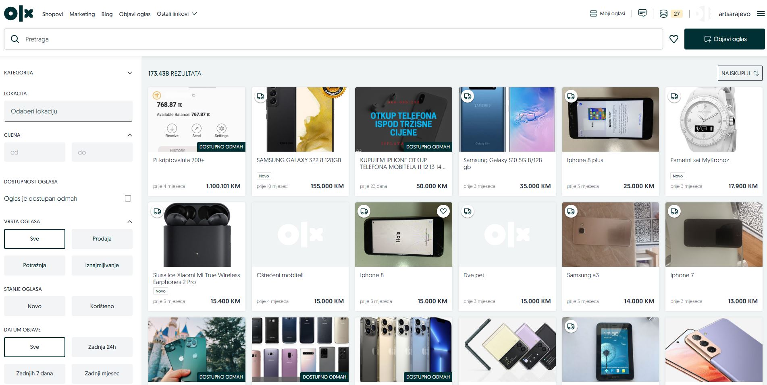

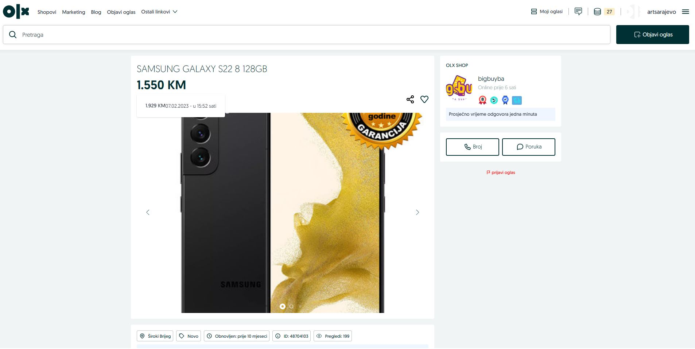
Product Page:

Bug 2
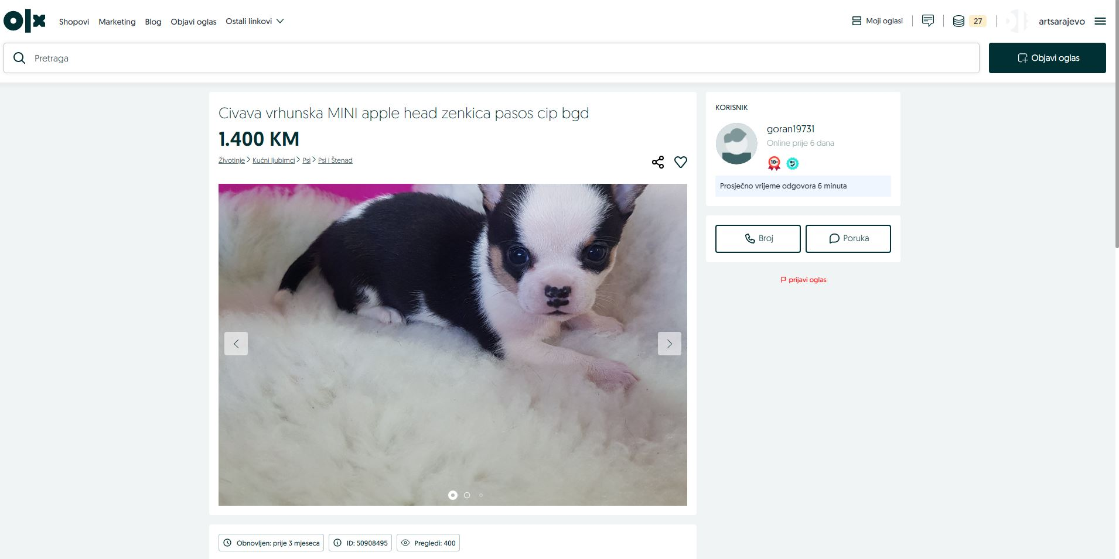
Sumary: Price is shown incorrectly
Priority: High
Severity: High
Steps to reproduce: 1. go to https://olx.ba/
2. Navigate to category "Životinje"
3. go to "sort by" and choose "Hight to Low"
4. Click on the product "Civava vrhunska"
Expected result: Price should be the same in the category and on the roduct page
Actual result: Price on the category page is 140.000 KM and on the product page price is 1.400 KM
Screenshots/See:
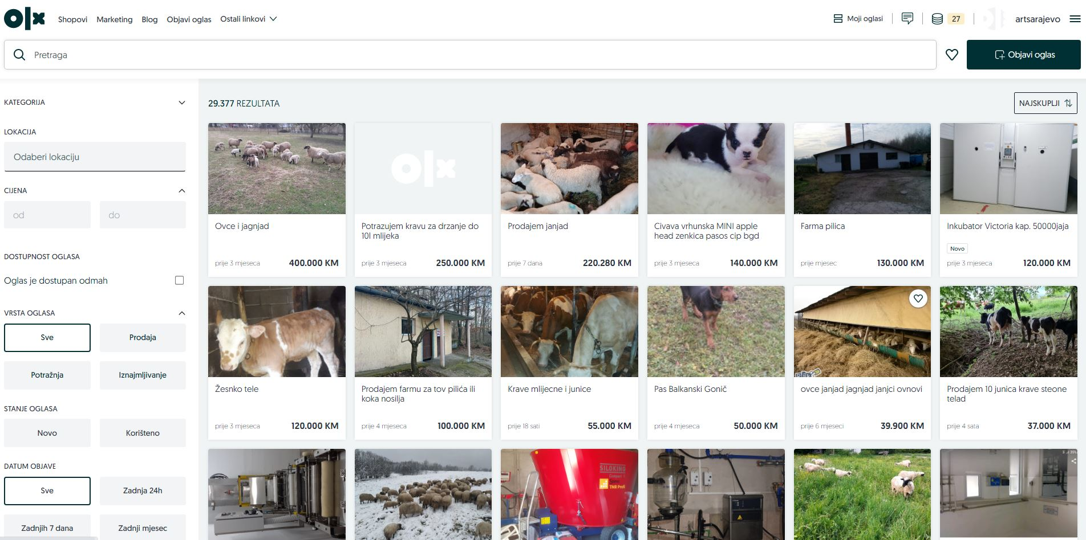
Category page:

Product page:

Bug 3
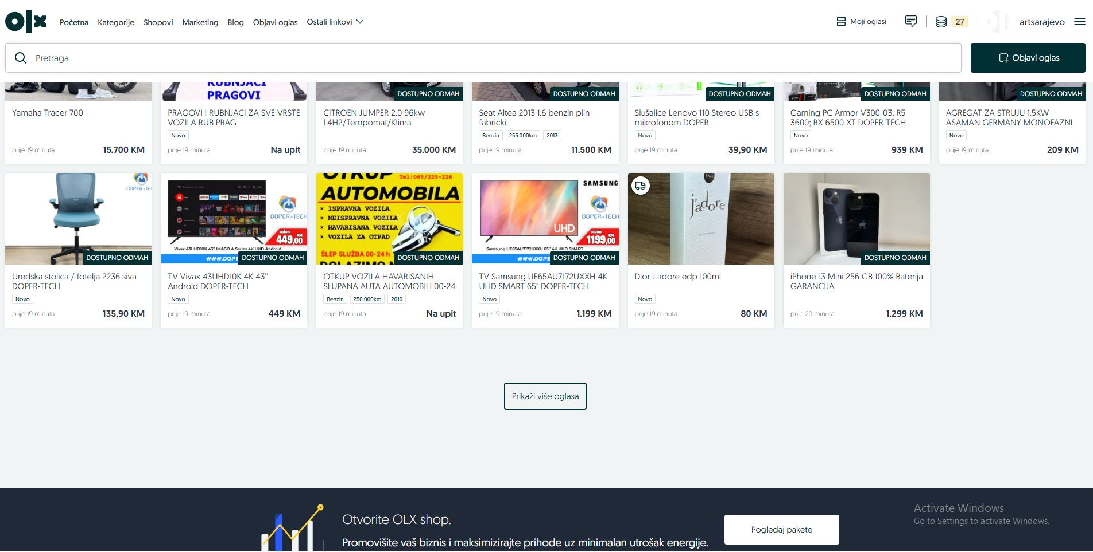
Sumary: Incomplete product galery
Priority: Medium
Severity: Medium
Steps to reproduce: 1. go to https://olx.ba/
2. scroll down to the end of the page
3. navigate to end of the galery

Expected result: Product Galery is complete and there are no missing boxes
Actual result: Last box is missing at the end of the product galery
Screenshots/See:

Bug 4
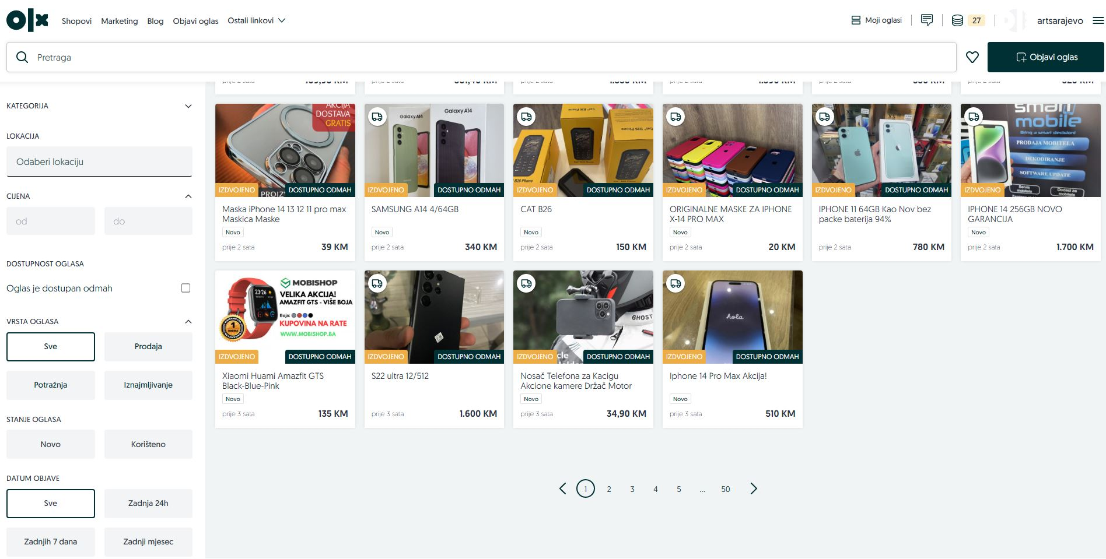
Sumary: Incomplete product galery on the category page
Priority: Medium
Severity: Medium
Steps to reproduce: 1. go to https://olx.ba/
2. navigate to category "Mobilni uređaji"
3. scroll down to the end of the page
4. navigate to end of the galery
Expected result: Product Galery is complete and there are no missing boxes
Actual result: Two boxes are missing at the end of the product galery
Screenshots/See:

