Sheet1
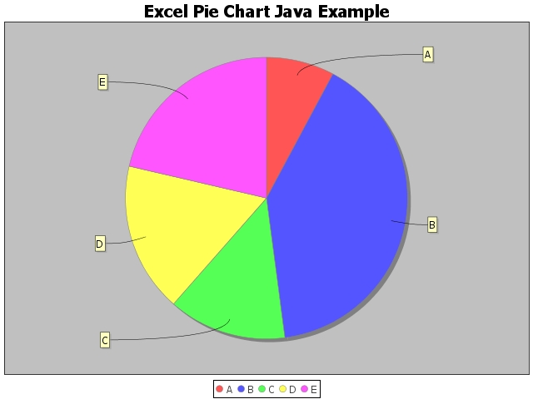
A | 15
B | 77
C | 26
D | 33
E | 41

