Raw Data and T Test
 | Kernel Used
Samples | RBF | Custom | Differences | Two-Sample t-Test Assuming Unequal Variance
1 | 50 | 50 | 0 | Alpha | 0.05
2 | 54 | 54 | 0 | Hypothesized Mean Difference | 0
3 | 50 | 58 | -8 |  | RBF | Custom
4 | 54 | 54 | 0 | average (mean) | 51.2 | 55.16
5 | 50 | 58 | -8 | standard deviation | 1.8516401995 | 7.3216480803
6 | 50 | 54 | -4 | variance | 3.4285714286 | 53.606530612
7 | 50 | 62 | -12 | Observations | 50 | 50
8 | 50 | 54 | -4 | Observed Mean Difference | -3.96
9 | 54 | 62 | -8 | Variance of the Differences | 54.977959184
10 | 50 | 54 | -4 | df | 98
11 | 50 | 54 | -4 | t Stat | -3.7077383301
12 | 50 | 38 | 12 | t Critical one-tail | 1.6611
13 | 50 | 67 | -17 | P (T<=t) one-tail | 0.00024310941927
14 | 50 | 50 | 0
15 | 50 | 54 | -4
16 | 50 | 54 | -4 | standard error | 0.26186146828 | 1.0354374014
17 | 50 | 50 | 0
Mean Accuracies of SVMs Utilizing Different Kernels With Std. Error Bars
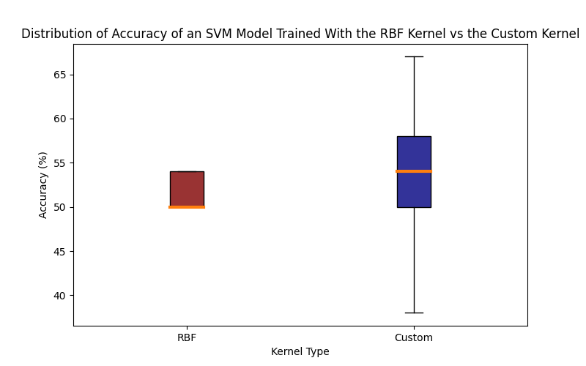
18 | 50 | 58 | -8
19 | 50 | 54 | -4
20 | 54 | 62 | -8
21 | 50 | 50 | 0
22 | 54 | 46 | 8
23 | 50 | 62 | -12
24 | 54 | 62 | -8
25 | 50 | 67 | -17
26 | 50 | 42 | 8
27 | 50 | 50 | 0
28 | 50 | 58 | -8
29 | 50 | 62 | -12
30 | 50 | 54 | -4
31 | 50 | 58 | -8
32 | 50 | 67 | -17
33 | 54 | 67 | -13
34 | 54 | 54 | 0
35 | 50 | 58 | -8
36 | 50 | 58 | -8
37 | 54 | 38 | 16
38 | 54 | 58 | -4
39 | 54 | 58 | -4
40 | 50 | 67 | -17
41 | 54 | 50 | 4
42 | 50 | 46 | 4
43 | 50 | 42 | 8
44 | 50 | 54 | -4
45 | 50 | 50 | 0
46 | 54 | 50 | 4
47 | 54 | 58 | -4
48 | 50 | 46 | 4
49 | 54 | 67 | -13
50 | 50 | 58 | -8

Frequencies
Distribution of Accuracy of an SVM Model Trained With the RBF Kernel vs the Custom Kernel
 | Frequency
Bins(crude ik) | RBF | Custom
1 | 0 | 0
2 | 0 | 0
3 | 0 | 0
4 | 0 | 0
5 | 0 | 0
6 | 0 | 0
7 | 0 | 0
8 | 0 | 0
9 | 0 | 0
10 | 0 | 0
11 | 0 | 0
12 | 0 | 0
13 | 0 | 0
14 | 0 | 0
15 | 0 | 0
16 | 0 | 0
17 | 0 | 0
18 | 0 | 0
19 | 0 | 0
20 | 0 | 0
21 | 0 | 0
22 | 0 | 0
23 | 0 | 0
24 | 0 | 0
25 | 0 | 0
26 | 0 | 0
27 | 0 | 0
28 | 0 | 0
29 | 0 | 0
30 | 0 | 0
31 | 0 | 0
32 | 0 | 0
33 | 0 | 0
34 | 0 | 0
35 | 0 | 0
36 | 0 | 0
37 | 0 | 0
38 | 0 | 2
39 | 0 | 0
40 | 0 | 0
41 | 0 | 0
42 | 0 | 2
43 | 0 | 0
44 | 0 | 0
45 | 0 | 0
46 | 0 | 3
47 | 0 | 0
48 | 0 | 0
49 | 0 | 0
50 | 35 | 8
51 | 0 | 0
52 | 0 | 0
53 | 0 | 0
54 | 15 | 12
55 | 0 | 0
56 | 0 | 0
57 | 0 | 0
58 | 0 | 11
59 | 0 | 0
60 | 0 | 0
61 | 0 | 0
62 | 0 | 6
63 | 0 | 0
64 | 0 | 0
65 | 0 | 0
66 | 0 | 0
67 | 0 | 6
68 | 0 | 0
69 | 0 | 0
70 | 0 | 0
71 | 0 | 0
72 | 0 | 0
73 | 0 | 0
74 | 0 | 0
75 | 0 | 0
76 | 0 | 0
77 | 0 | 0
78 | 0 | 0
79 | 0 | 0
80 | 0 | 0
81 | 0 | 0
82 | 0 | 0
83 | 0 | 0
84 | 0 | 0
85 | 0 | 0
86 | 0 | 0
87 | 0 | 0
88 | 0 | 0
89 | 0 | 0
90 | 0 | 0
91 | 0 | 0
92 | 0 | 0
93 | 0 | 0
94 | 0 | 0
95 | 0 | 0
96 | 0 | 0
97 | 0 | 0
98 | 0 | 0
99 | 0 | 0
100 | 0 | 0

