main
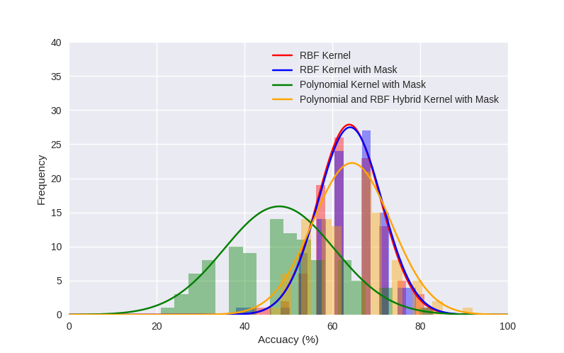
Samples | Kernels |  |  |  | Alpha | 0.05
 | Control | Custom Kernels |  |  | Hypothesized Mean Difference | 0
 | RBF | RBF with Mask | Polynomial Kernel | RBF and Polynomial Hybrid Kernel |  | RBF | RBF with Mask
1 | 67 | 62 | 50 | 62 | average (mean) | 63.85 | 64.06
2 | 62 | 67 | 58 | 58 | standard deviation | 7.1567937633 | 7.2597131034
3 | 67 | 67 | 33 | 75 | variance | 51.21969697 | 52.703434343
4 | 58 | 54 | 42 | 62 | standard error | 0.71567937633 | 0.72597131034
5 | 62 | 62 | 62 | 58 | Observations | 100 | 100
6 | 62 | 58 | 42 | 67 | Observed Mean Difference | -0.21
7 | 62 | 71 | 54 | 54 | Variance of the Differences | 31.379697
8 | 71 | 71 | 50 | 58 | df | 198
9 | 67 | 62 | 71 | 83 | t Stat | -1.7240139539
10 | 62 | 62 | 38 | 75 | t Critical one-tail | 1.6526
11 | 62 | 62 | 38 | 58 | P (T<=t) one-tail | 0.41850203102
12 | 62 | 75 | 29 | 75
13 | 50 | 38 | 58 | 54 | Alpha | 0.05
14 | 62 | 62 | 50 | 54 | Hypothesized Mean Difference | 0
15 | 58 | 54 | 50 | 58 |  | RBF | Polynomial Kernel with Mask
16 | 71 | 71 | 25 | 79 | average (mean) | 63.85 | 47.92
17 | 58 | 58 | 33 | 62 | standard deviation | 7.1567937633 | 12.560705121
18 | 62 | 62 | 33 | 67 | variance | 51.21969697 | 157.77131313
19 | 58 | 58 | 62 | 50 | standard error | 0.71567937633 | 1.2560705121
20 | 71 | 67 | 50 | 62 | Observations | 100 | 100
21 | 62 | 67 | 33 | 79 | Observed Mean Difference | 15.93
22 | 71 | 67 | 42 | 54 | Variance of the Differences | 223.641515
23 | 67 | 62 | 62 | 67 | df | 198
24 | 54 | 54 | 58 | 50 | t Stat | 15.432481147
25 | 62 | 67 | 29 | 79 | t Critical one-tail | 1.6526
26 | 54 | 58 | 71 | 62 | P (T<=t) one-tail | 1.3902872528E-21
27 | 67 | 71 | 58 | 71
28 | 67 | 62 | 58 | 54 | Alpha | 0.05
29 | 71 | 71 | 46 | 67 | Hypothesized Mean Difference | 0
30 | 75 | 79 | 38 | 79 |  | RBF | RBF and Polynomial Hybrid Kernel with Mask
31 | 62 | 54 | 62 | 62 | average (mean) | 63.85 | 64.45
32 | 79 | 79 | 21 | 92 | standard deviation | 7.1567937633 | 8.9661259271
33 | 42 | 42 | 42 | 58 | variance | 51.21969697 | 80.391414141
34 | 58 | 62 | 46 | 46 | standard error | 0.71567937633 | 0.89661259271
35 | 75 | 71 | 38 | 54 | Observations | 100 | 100
36 | 58 | 58 | 46 | 67 | Observed Mean Difference | -0.6
37 | 71 | 67 | 54 | 54 | Variance of the Differences | 93.959596
38 | 58 | 58 | 46 | 50 | df | 198
39 | 58 | 58 | 50 | 54 | t Stat | -1.1108879431
40 | 54 | 67 | 67 | 67 | t Critical one-tail | 1.6526
41 | 58 | 67 | 29 | 62 | P (T<=t) one-tail | 0.30079248812
42 | 62 | 67 | 38 | 58
43 | 62 | 58 | 67 | 62
44 | 58 | 54 | 50 | 50
45 | 62 | 71 | 83 | 67
46 | 79 | 67 | 54 | 62
47 | 62 | 62 | 50 | 54
48 | 50 | 58 | 38 | 71
49 | 67 | 67 | 42 | 58
50 | 62 | 62 | 58 | 71
51 | 58 | 54 | 25 | 54
52 | 71 | 67 | 46 | 54
53 | 62 | 58 | 33 | 54
54 | 67 | 71 | 62 | 58
55 | 58 | 67 | 62 | 67
56 | 58 | 67 | 46 | 67
57 | 58 | 58 | 38 | 54
58 | 67 | 67 | 38 | 67
59 | 67 | 67 | 46 | 75
60 | 58 | 62 | 54 | 67
61 | 67 | 67 | 33 | 79
62 | 71 | 67 | 50 | 71
63 | 67 | 62 | 46 | 67
64 | 67 | 62 | 42 | 71
65 | 75 | 67 | 50 | 71
66 | 67 | 58 | 54 | 67
67 | 71 | 67 | 71 | 75
68 | 67 | 67 | 54 | 54
69 | 62 | 67 | 46 | 71
70 | 46 | 54 | 67 | 71
71 | 71 | 67 | 25 | 71
72 | 62 | 62 | 50 | 58
73 | 67 | 71 | 33 | 67
74 | 67 | 62 | 29 | 71
75 | 67 | 62 | 33 | 50
76 | 58 | 62 | 62 | 67
77 | 71 | 62 | 58 | 71
78 | 58 | 58 | 46 | 58
79 | 75 | 71 | 58 | 75
80 | 67 | 71 | 46 | 58
81 | 54 | 50 | 46 | 62
82 | 67 | 62 | 46 | 62
83 | 62 | 71 | 38 | 67
84 | 75 | 75 | 54 | 50
85 | 54 | 62 | 42 | 67
86 | 62 | 67 | 38 | 58
87 | 62 | 67 | 50 | 71
88 | 67 | 54 | 29 | 58
89 | 54 | 58 | 29 | 67
90 | 58 | 67 | 46 | 62
91 | 62 | 71 | 54 | 67
92 | 67 | 75 | 71 | 75
93 | 62 | 62 | 67 | 67
94 | 79 | 75 | 42 | 71
95 | 67 | 71 | 54 | 71
96 | 58 | 54 | 54 | 62
97 | 71 | 62 | 62 | 83
98 | 71 | 79 | 42 | 75
99 | 62 | 71 | 67 | 67
100 | 83 | 79 | 54 | 71
Means | 63.85 | 64.06 | 47.92 | 64.45

