Bag report
Severity |  |  | Assigned to |  | Alena Zikeeva |  | Environment | OS Windows 10 Pro
ID | 1.3-calc |  | Severity | Major | Priority | Hight | Status | Open
Summary | Project | Component |  | Playback steps |  |  | Expected result |  | Actual result
The app closed by selecting the sub-item “Exit” in the drop-down menu dialed by clicking the button “Menu” | Calculator for us | 1. General Checks |  | 1. Press the button “Menu” in the upper left corner of the app’s 2. Click "File" 3. Click "Exit" |  |  | 1. Menu opened 2. User sees the button "Exit" 3. The app closed |  | 1. Menu is absent 2. The user doesn't see the button "Exit" 3. The app didn't close
Attachment
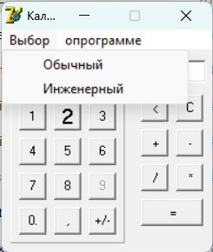
Severity |  |  | Assigned to |  | Alena Zikeeva |  | Environment | OS Windows 10 Pro
ID | 1.4-calc |  | Severity | Major | Priority | Low | Status | Open
Summary | Project | Component |  | Playback steps |  |  | Expected result |  | Actual result
A copy of the app can be opened two times | Calculator for us | 1. General Checks |  | 1. Open the app two times |  |  | 1. One copy of the app can be launched at the same time (Item 11 Functional requirements) |  | 1. The app opened two times
Attachment

Severity |  |  | Assigned to |  | Alena Zikeeva |  | Environment | OS Windows 10 Pro
ID | 1.6-calc |  | Severity | Blocker | Priority | Hight | Status | Open
Summary | Project | Component |  | Playback steps |  |  | Expected result |  | Actual result
Mode "Scientific" is absent in Menu | Calculator for us | 1. General Checks |  | 1.Press the "Menu" button 2. Click "Mode" 3. Choose "Scientific" |  |  | 1. Menu opened 2. User see two Mode 3. The mode scientific is chosen |  | 1. Menu is absent 2. The user can not see two Mode 3.Mode "Scientific" is absent
Attachment

Severity |  |  | Assigned to |  | Alena Zikeeva |  | Environment | OS Windows 10 Pro
ID | 2.2-calc |  | Severity | Major | Priority | Hight | Status | Open
Summary | Project | Component |  | Playback steps |  |  | Expected result |  | Actual result
Special symbols can be input by the exchange buffer in the input/output field | Calculator for us | 2. Input/output field |  | 1.Copy “+” by exchange buffer in notepad 2. Place the cursor in the input field 3. Right-click mouse operation 4.Select the item “Paste” |  |  | 1. The cursor is plased 2. Context menu opened 3. Data is not inputed |  | 1. The cursor is plased 2. Context menu opened 3. Data is inputed
Attachment
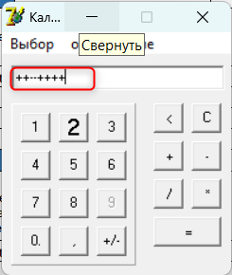
Severity |  |  | Assigned to |  | Alena Zikeeva |  | Environment | OS Windows 10 Pro
ID | 2.4-calc |  | Severity | Major | Priority | Low | Status | Open
Summary | Project | Component |  | Playback steps |  |  | Expected result |  | Actual result
The input field is not empty after resetting the data clicked by the button “Delete” on the PC’s keyboard | Calculator for us | 2. Input/output field |  | 1. Place the cursor in the input field 2. Input valid data 3. Press the button “Delete” on the PC’s keyboard |  |  | 1. The cursor is placed 2. Data is inputted 3. The input field is empty |  | 1. The cursor is placed 2. Data is inputted 3. The input field is not empty
Attachment

Severity |  |  | Assigned to |  | Alena Zikeeva |  | Environment | OS Windows 10 Pro
ID | 2.5-calc |  | Severity | Critical | Priority | Hight | Status | Open
Summary | Project | Component |  | Playback steps |  |  | Expected result |  | Actual result
The button "Menu" is absent in the UI of the app | Calculator for us | 2. Input/output field |  | 1. Press the button “Menu” 2. Press the button “Help” 3. Place the cursor in the input field 4. Input valid data |  |  | 1. User can see a drop-down list consisting of three menu items: “File”, “Mode”, “Help” 2. User can see the message “Calc.exe – is calculator, which can work in 2 modes – simple (can add, subtract, multiply and divide) and scientific (can perform squaring and square root extraction).” 3. The cursor is placed 4. Data is inputted |  | 1. The button "Menu" is absent
Attachment
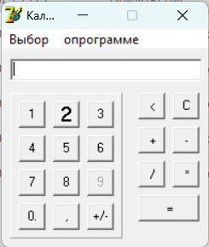
Severity |  |  | Assigned to |  | Alena Zikeeva |  | Environment | OS Windows 10 Pro
ID | 2.6-calc |  | Severity | Major | Priority | Hight | Status | Open
Summary | Project | Component |  | Playback steps |  |  | Expected result |  | Actual result
User can't imput 21 simbol in the input/output field | Calculator for us | 2. Input/output field |  | 1. Place the cursor in the input field 2. Input 21simbols valid data |  |  | 1. The cursor is plased 2. Data is not inputted. |  | 1. The cursor is plased 2. Data is inputted.
Attachment

Severity |  |  | Assigned to |  | Alena Zikeeva |  | Environment | OS Windows 10 Pro
ID | 3.4-calc |  | Severity | Critical | Priority | Hight | Status | Open
Summary | Project | Component |  | Playback steps |  |  | Expected result |  | Actual result
The user sees an error message when dividing by zero | Calculator for us | 3. Mathematics functions |  | 1. Place the cursor in the input field 2. Input number 3. Press the button "/" in the app 4. Input zero 5. Press the button "=" in the app |  |  | 1. The cursor is placed 2. Data is inputted 3. The button "/" is pressed 4. Data is inputted 5. The result displayed zero |  | 1. The cursor is placed 2. Data is inputted 3. The button "/" is pressed 4. Data is inputted 5. The user sees an error message "Нельзя делить на ноль!"
Attachment
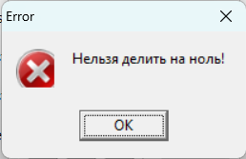
Severity |  |  | Assigned to |  | Alena Zikeeva |  | Environment | OS Windows 10 Pro
ID | 3.5-calc |  | Severity | Critical | Priority | Hight | Status | Open
Summary | Project | Component |  | Playback steps |  |  | Expected result |  | Actual result
The button for the squaring function is absent in the UI of the app | Calculator for us | 3. Mathematics functions |  | 1. Place the cursor in the input field 2. Input a positive number 3. Press the button "x2" in the app 4. Press the button "=" in the app |  |  | 1. The cursor is placed 2. Data is inputted 3. The button "x2" is pressed 4. The result is correct |  | 1. The cursor is placed 2. Data is inputted 3. The button "x2" is absent 4. The result is absent
Attachment
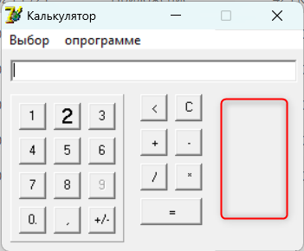
Severity |  |  | Assigned to |  | Alena Zikeeva |  | Environment | OS Windows 10 Pro
ID | 3.6-calc |  | Severity | Critical | Priority | Hight | Status | Open
Summary | Project | Component |  | Playback steps |  |  | Expected result |  | Actual result
The button for the square root extraction is absent in the UI of the app | Calculator for us | 3. Mathematics functions |  | 1. Place the cursor in the input field 2. Input a positive number 3. Press the button "√x" in the app 4. Press the button "=" in the app |  |  | 1. The cursor is placed 2. Data is inputted 3. The button "√x" is pressed 4. The result is correct |  | 1. The cursor is placed 2. Data is inputted 3. The button "√x" is absent 4. The result is absent
Attachment

Severity |  |  | Assigned to |  | Alena Zikeeva |  | Environment | OS Windows 10 Pro
ID | 4.10-calc |  | Severity | Critical | Priority | Hight | Status | Open
Summary | Project | Component |  | Playback steps |  |  | Expected result |  | Actual result
The button “9” is not clickable in the UI os the app | Calculator for us | 4. Functional buttons |  | 1. Place the cursor in the input field 2. Input 9 in the app |  |  | 1. The cursor is placed 2. The user can see 9 in the input field |  | 1. The cursor is placed 2. The user can see 9 in the input field 3. The button “9” is not clickable in the UI os the app
Attachment
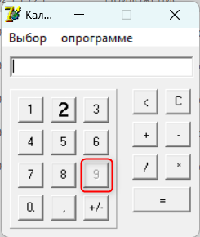
Severity |  |  | Assigned to |  | Alena Zikeeva |  | Environment | OS Windows 10 Pro
ID | 4.11-calc |  | Severity | Critical | Priority | Hight | Status | Open
Summary | Project | Component |  | Playback steps |  |  | Expected result |  | Actual result
When pressing the button "=" on the keyboard, the result of the action is not displayed | Calculator for us | 4. Functional buttons |  | 1. Place the cursor in the input field 2. Input a valid number 3. Press the button "+" on the PC’s keyboard 4. Input a valid number 5. Press the button "=" |  |  | 1. The cursor is placed 2. Data is inputted 3. The button "+" is pressed 4. Data is inputted 5. The button "=" is pressed 6. The result is correct |  | 1. The cursor is placed 2. Data is inputted 3. The button "+" is pressed 4. Data is inputted 5. The button "=" is pressed 6. The result is not displayed
Attachment

Severity |  |  | Assigned to |  | Alena Zikeeva |  | Environment | OS Windows 10 Pro
ID | 4.15-calc |  | Severity | Critical | Priority | Hight | Status | Open
Summary | Project | Component |  | Playback steps |  |  | Expected result |  | Actual result
The user can see the error at double click the sign “=” in the UI of the app | Calculator for us | 4. Functional buttons |  | 1. Place the cursor in the input field 2. Input a valid number 3. Press the button "+" in the UI of the app 4. Input a valid number 5. Double-click the button "=" in the UI of the app |  |  | 1. The cursor is placed 2. Data is inputted 3. The button "+" is pressed 4. Data is inputted 5. The result is zero |  | 1. The cursor is placed 2. Data is inputted 3. The button "+" is pressed 4. Data is inputted 5. User see error
Attachment

Severity |  |  | Assigned to |  | Alena Zikeeva |  | Environment | OS Windows 10 Pro
ID | 4.15-calc |  | Severity | Critical | Priority | Hight | Status | Open
Summary | Project | Component |  | Playback steps |  |  | Expected result |  | Actual result
The user can see the error at click the sign “=”after the digit in the UI of the app | Calculator for us | 4. Functional buttons |  | 1. Place the cursor in the input field 2. Input a valid number 3. Press button "=" in the UI of the app |  |  | 1. The cursor is placed 2. Data is inputted 3. The result is zero |  | 1. The cursor is placed 2. Data is inputted 3. User see error
Attachment
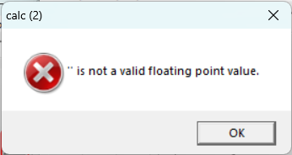
Severity |  |  | Assigned to |  | Alena Zikeeva |  | Environment | OS Windows 10 Pro
ID | 6.1-calc |  | Severity | Minor | Priority | Low | Status | Open
Summary | Project | Component |  | Playback steps |  |  | Expected result |  | Actual result
The text of message in “Help-window” is not correct in the UI of the app | Calculator for us | 6. GUI |  | 1. Press the button “Menu” 2. Press the button “Help” 3. Look at the text message |  |  | 1. User can see a drop-down list consisting of three menu items: “File”, “Mode”, “Help” 2. User can see the message “Calc.exe – is calculator, which can work in 2 modes – simple (can add, subtract, multiply and divide) and scientific (can perform squaring and square root extraction).” 3. The text message is correct |  | 1. The button “Menu” is absent 2. The button “Help” is absent 3. The text message is not correct
Attachment
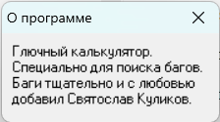
Severity |  |  | Assigned to |  | Alena Zikeeva |  | Environment | OS Windows 10 Pro
ID | 6.2-calc |  | Severity | Minor | Priority | Hight | Status | Open
Summary | Project | Component |  | Playback steps |  |  | Expected result |  | Actual result
Language of the UI in the app is Russian | Calculator for us | 6. GUI |  | 1. Look at the UI of the app |  |  | 1. The app have the UI in English. |  | 1. The app have the UI in Russian
Attachment
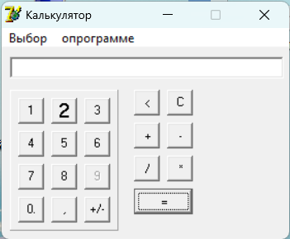
Severity |  |  | Assigned to |  | Alena Zikeeva |  | Environment | OS Windows 10 Pro
ID | 6.3-calc |  | Severity | Minor | Priority | Low | Status | Open
Summary | Project | Component |  | Playback steps |  |  | Expected result |  | Actual result
The desktop icon does not look like a small calculator | Calculator for us | 6. GUI |  | 1. Look at the desktop icon |  |  | 1. The app have the desktop icon look like a small calculator |  | 1. The desktop icon does not look like a small calculator
Attachment

Severity |  |  | Assigned to |  | Alena Zikeeva |  | Environment | OS Windows 10 Pro
ID | 6.6-calc |  | Severity | Minor | Priority | Low | Status | Open
Summary | Project | Component |  | Playback steps |  |  | Expected result |  | Actual result
The font does not meet the requirements item 46 | Calculator for us | 6. GUI |  | 1. Look at the UI of the app |  |  | 1. The font is “Times New Roman”, the color of the font – is black or the font color of the Windows theme, and the size of the font – is 14 or smaller |  | 1. The font is not “Times New Roman”
Attachment

Severity |  |  | Assigned to |  | Alena Zikeeva |  | Environment | OS Windows 10 Pro
ID | 6.9-calc |  | Severity | Minor | Priority | Low | Status | Open
Summary | Project | Component |  | Playback steps |  |  | Expected result |  | Actual result
The disign of the buttons is not complies with requirements items 40-48 | Calculator for us | 6. GUI |  | 1. Look at the UI of the app |  |  | 1. The design of the buttons complies with requirements |  | 1. The design of the buttons doesn't comply with requirements
Attachment

Severity |  |  | Assigned to |  | Alena Zikeeva |  | Environment | OS Windows 10 Pro
ID | 6.12-calc |  | Severity | Minor | Priority | Low | Status | Open
Summary | Project | Component |  | Playback steps |  |  | Expected result |  | Actual result
The position of the buttons is not to comply with requirements items 53-55 | Calculator for us | 6. GUI |  | 1. Look at the UI of the app |  |  | 1. The position of the buttons complies with items 53-55 of the requirements |  | 1. The position of the buttons is not to comply with items 53-55 of the requirements
Attachment

