Sources and notes
Global Renewables Outlook: Energy Transformation 2050 (2020 edition) - Dataset file for updating online REmap data portal
Last updated: 8 June 2020
Focal persons: Gayathri prakash and Luca Lorenzoni (REmap team)
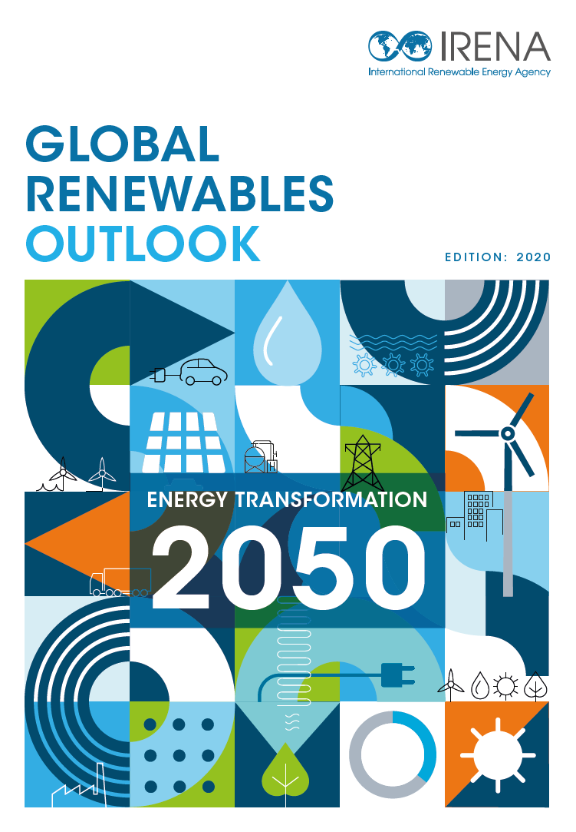

Copyright © IRENA 2020
Unless otherwise indicated, figures and data in this file may be used freely, shared or reprinted, so long as IRENA is acknowledged as the source.

The data in this file is based on the report: IRENA (2020), Global Renewables Outlook: Energy transformation 2050 (Edition: 2020), International Renewable Energy Agency, Abu Dhabi.
This report is available for download from:
https://www.irena.org/publications/2020/Apr/Global-Renewables-Outlook-2020

For further information, to request to use this data externally, or to provide feedback, please contact the REmap team at remap@irena.org
Notes: TPES - Total Primary Energy Supply, TFEC - Total Final Energy Consumption
“Energy efficiency” includes efficiency measures deployed in end-use sectors (industry, buildings and transport) and investments needed for buildings renovations and structural changes (excluding modal shift in transport).
"Renewables" include investments needed for deployment of renewable technologies for power generation as well as direct end-use applications (eg. solar thermal, geothermal).
"Electrification of heat and transport" include investments made in in charging infrastructure for electric vehicles and for the electrification of railways and to deploy heat pumps units in buildings, and industry sectors.
"Power grids and energy flexibility" include investments made for transmission and distribution grid extensions and refurbishments, smart meters, pumped hydro capacity, decentralised and utility-scale stationary battery storage (coupled mainly with decentralised PV systems), and retrofitted & new power generation capacity to ensure generation adequacy.
"Supply side" include investments made in fossil fuel supply (upstream), biofuels production and hydrogen electrolysers for the World. While for G20 and regions, the supply side excludes fossil fuel supply investments but just include investments made in biofuels production and hydrogen electrolysers.
USD indicates the value in 2015.
CCS refers to carbon capture and storage

