Nodes
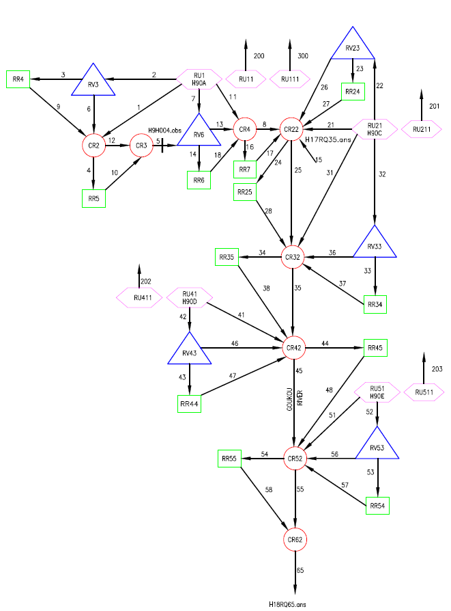
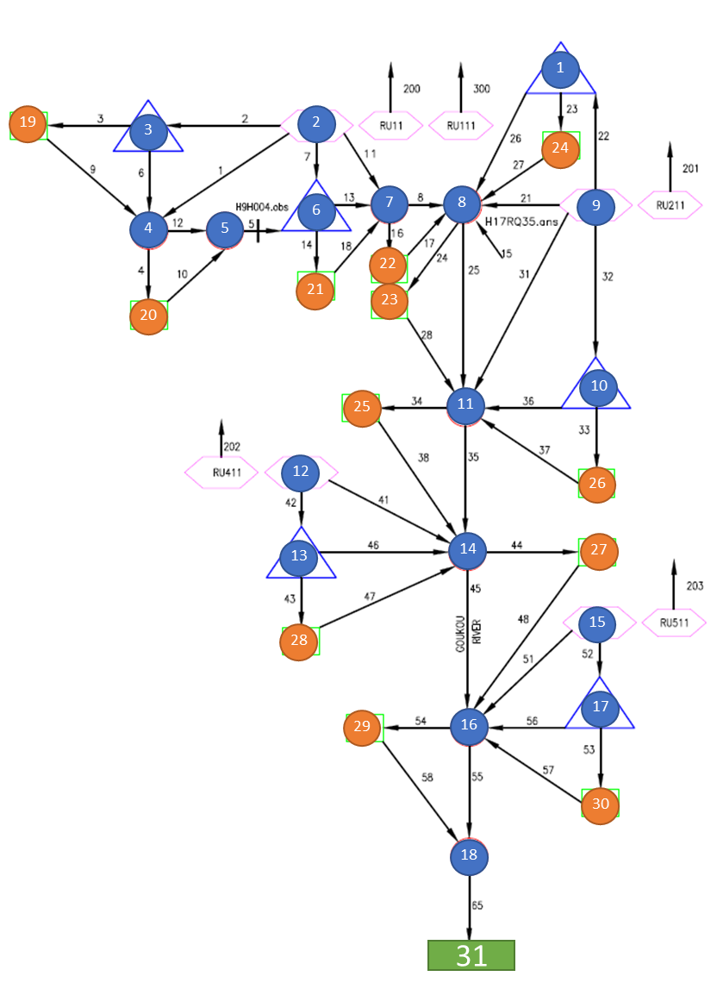
Nodes |  | mm/yr | see Rainfall | % | km2
ID | Area (km2) | MAP | Rainfall | Retention | Area
1 | 0.06 | 467 | A | 0.000 | 0.06
2 | 179 | 645 | B | 0.000 | 179
3 | 0.2 | 645 | A | 0.000 | 0.2
4 | 0 | 645 | A | 0.000 | 0
5 | 0 | 645 | A | 0.000 | 0
6 | 0.2 | 645 | A | 0.000 | 0.2
7 | 0 | 645 | A | 0.000 | 0
8 | 0 | 467 | A | 0.000 | 0
9 | 218 | 467 | A | 0.000 | 218
10 | 0 | 467 | A | 0.000 | 0
11 | 0 | 467 | B | 0.000 | 0
12 | 373 | 425 | B | 0.000 | 373
13 | 0.56 | 425 | B | 0.000 | 0.56
14 | 0 | 425 | B | 0.000 | 0
15 | 241 | 490 | B | 0.000 | 241
16 | 0 | 490 | B | 0.000 | 0
17 | 0.06 | 490 | B | 0.000 | 0.06
18 | 0 | 645 | A | 0.000 | 0
19 | 0 | 645 | A | 0.000 | 0
20 | 2.91 | 645 | A | 0.000 | 2.91
21 | 0 | 645 | A | 0.000 | 0
22 | 6 | 645 | A | 0.000 | 6
23 | 2 | 467 | A | 0.000 | 2
24 | 10 | 467 | A | 0.000 | 10
25 | 5 | 467 | A | 0.000 | 5
26 | 0 | 467 | A | 0.000 | 0
27 | 24.1 | 425 | B | 0.000 | 24.1
28 | 0 | 425 | B | 0.000 | 0
29 | 0 | 490 | B | 0.000 | 0
30 | 0 | 490 | B | 0.000 | 0
31 | 0 | 0 | B | 0.000 | 0

Network
Network
From node | To node | Share
1 | 24 | 0.5
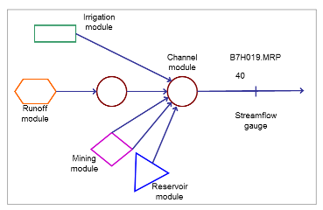
1 | 8 | 0.5
2 | 7 | 0.36
2 | 6 | 0.36
2 | 4 | 0.28
3 | 19 | 0.5
3 | 4 | 0.5
4 | 5 | 0.8
4 | 20 | 0.2
5 | 6 | 1
6 | 7 | 0.5
6 | 21 | 0.5
7 | 8 | 0.8
7 | 22 | 0.2
8 | 11 | 0.8
8 | 23 | 0.2
9 | 10 | 0
9 | 11 | 0.56
9 | 8 | 0.09
9 | 1 | 0.35
10 | 11 | 0.5
10 | 26 | 0.5
11 | 14 | 0.8
11 | 25 | 0.2
12 | 13 | 0.25
12 | 14 | 0.75
13 | 14 | 0.5
13 | 28 | 0.5
14 | 16 | 0.8
14 | 27 | 0.2
15 | 16 | 0.95
15 | 17 | 0.05
16 | 18 | 0.8
16 | 29 | 0.2
17 | 16 | 0.5
17 | 30 | 0.5
18 | 31 | 1
19 | 4 | 1
20 | 5 | 1
21 | 7 | 1
22 | 8 | 1
23 | 11 | 1
24 | 8 | 1
25 | 14 | 1
26 | 11 | 1
27 | 16 | 1
28 | 14 | 1
29 | 18 | 1
30 | 16 | 1

