Sheet1
Cub Scouts Fall 2024 Recruitment Social Posts

Week | Post | Topic | Post Language | Hashtags | Suggested Image from Brand Center (or Similar Pack Image) | Sitelink (BeAScout or Pack Website)
1 | 1 | Fun, Family & Friends | From taking your first hike…to roasting your first marshmallow around the campfire...Cub Scouts is about fun, family and friends! It's about finding adventure in the world around you. Don't let adventure pass you by! Check out our Pack today! For info, contact (insert pack contact info). | #AdventureOn #BeAScout #CubScouts | 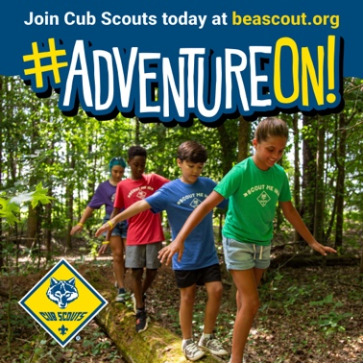 | www.beascout.org
1 | 2 | Best Future Self | What does their future hold? Are they destined for greatness? Will they impact the world around them? The best way to find out is through Cub Scouts! Scouting's character and leadership programs help young people become the best future version of themselves. Oh yeah... and...it's fun! Join today! For info, contact (insert pack contact info). | #AdventureOn #BeAScout #CubScouts |  | www.beascout.org
2 | 2 | Doing Your Best | To learn, grow and try new things. It's the Cub Scout way! With hundreds of advancements to earn, there's something cool and exciting for everyone! You'll have fun trying new things and, as our motto says, doing your best! Get started today! For info, contact (insert pack contact info.) | #AdventureOn #BeAScout #CubScouts | 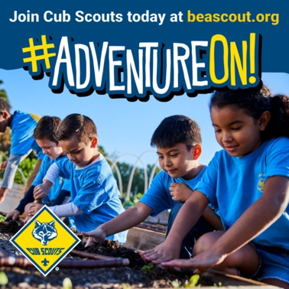 | www.beascout.org
2 | 1 | STEM in Scouting | If you dream of 3D printers and robotics kits...well put down your periodic table of elements and join us! Scouting is the place for you! With Cub Scout adventures focused on STEM learning, you'll get ahead in school and in life! For info, contact (insert pack contact info.) | #AdventureOn #BeAScout #CubScouts | 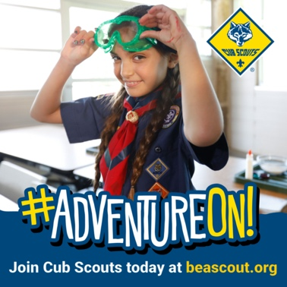 | www.beascout.org
3 | 2 | Outdoor Fun | Whether it's casting a line for the first time or setting up your family's brand new tent, Cub Scouting is all about fun in the outdoors. Family camping, archery, learning and exploring…in Scouting, we do it all! Every skill level welcome! If you've never been outside…what are you waiting for? It's great out here! Join us today! For info, contact (insert pack contact info.) | #AdventureOn #BeAScout #CubScouts | 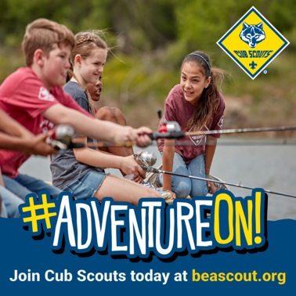 | www.beascout.org
3 | 1 | Adventure Comes in Many Ways | Adventure comes in many ways. From camping in the backyard to exploring a city park, Scouting will take you places you never thought possible. Join us today and discover your own family adventure! For info, contact (insert pack contact info.) | #AdventureOn #BeAScout #CubScouts | 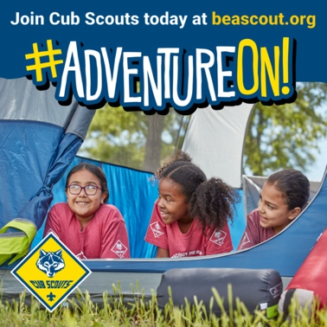 | www.beascout.org
4 | 2 | Life Skills | We’re all ready to put down our screens (even if just for a few moments) to experience “real”. Real nature, real friendships, real excitement! In Scouting, we learn life skills…skills that matter. We make friendships that mean something. We value each other and the communities around us. Don't miss out on what's real. Join us today! For info, contact (insert pack contact info.) | #AdventureOn #BeAScout #CubScouts | 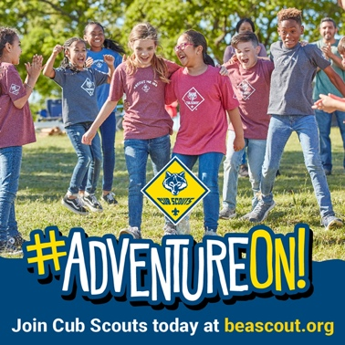 | www.beascout.org
4 | 3 | Fun Things our Pack Does | Ever go bowling or camping? Ever race a Pinewood derby car you made yourself? Ever have so much fun with friends that you can't wait to get together again? Well...we do! All. The. Time. Join us to begin YOUR amazing experience today! For info, contact (insert pack contact info.) | #AdventureOn #BeAScout #CubScouts | 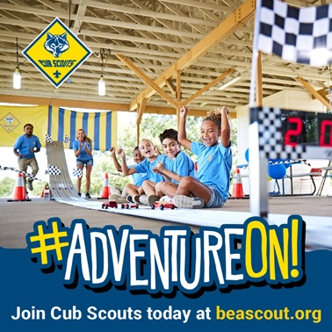 | www.beascout.org
5 | 1 | Family Adventure | Cub Scouting is fun for the whole family! We like to explore the world around us and try new things…and that's always more fun with family and friends! So…gather up the kiddos and stop by for a meeting. We'd love to see you! For info, contact (insert pack contact info.) | #AdventureOn #BeAScout #CubScouts | 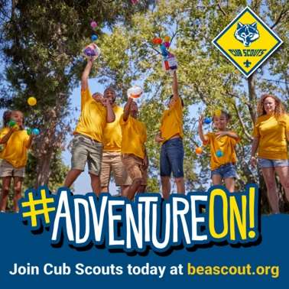 | www.beascout.org
5 | 2 | Day Camp | What sounds like more fun…a boring week of summer chores at home…or archery, crafts, hiking, biking and more? I know which one I'd choose! Visit our pack today and we'll tell you about this year's summer daycamp plans. It's not too late to join! For info, contact (insert pack contact info.) | #AdventureOn #BeAScout #CubScouts | 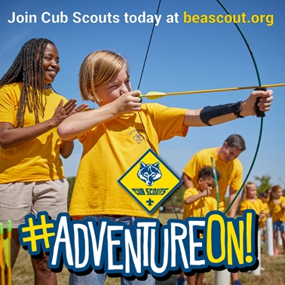 | www.beascout.org
6 | 1 | Join Us As We… | Join us (day/time) as we (activity)! All friends and family are welcome! No need to be a Scout! We're gathering people to have fun. We'll be (list activities.) RSVP by contacting (insert pack contact info.) | #AdventureOn #BeAScout #CubScouts |  | www.beascout.org
6 | 2 | Stop By Any Time | If you're interested in learning more about Cub Scouts and the fun things we do as a pack, please stop by at any time! We meet regularly at (place/day/time). We'd love to have you stop by and say hello. If you'd like more info, contact (insert pack contact info.) | #AdventureOn #BeAScout #CubScouts |  | www.beascout.org
6 | 3 | Recruitment Event Info | Interested in becoming a Cub Scout? Here's a great opportunity! (Day/time/place.) We'll be there to answer questions and talk with you about the fun plans we have lined up for the year. No prior knowledge or skills required. We'll help you easily get started. Stop by (day/time/place.) If you can't make it...no worries! We meet regularly. Come at any time! For info, contact (insert pack contact info.) | #AdventureOn #BeAScout #CubScouts |  | www.beascout.org

