STH Live Project Test Cases
 | Project Name | Scroller
 | Reference Document | Version 1
 | Created by | Scroller Squad
 | Date of creation | 13-Dec-18
 | Date of review | 14-Dec-18

Test case ID | Test Objective | Precondition | Steps: | Expected result
Test_1 | Successful connection between different classes/ screens | 1. A valid Compiler | Start/Run the program | The program is running successfully.
Test_2 | The changes after clicking the buttons in the settings menu, and if they keep their value after changing the screen | 1. A valid Compiler | 1. Run the game 2. Go in the Settings 3. Click "Mute Sound" button 4. Go back to Main Menu 5.Come back to Settings 6.Check if it is changed | Successfull
Test_3 | The coins and enemies are drawn on the sent positions from the state machine | 1. A valid Compiler | 1. Run the game 2. Click Play 2.Choose the levels either 1 or 2 or 3 | Successfull
Test_4 | Losing and winning screen work on collision | 1. A valid Compiler | 1. Run the game 2. Click on Play button 3.Choose a level 4.Play the game 5.If collision with enemy, check Lose screen, and if finishing the game, check Win screen | Successfull
Test_5 | 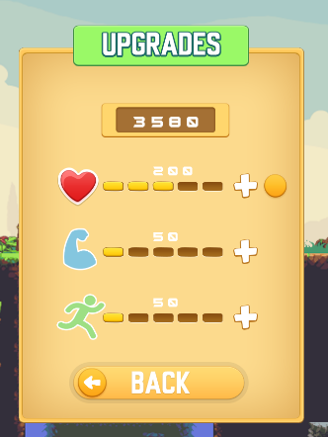 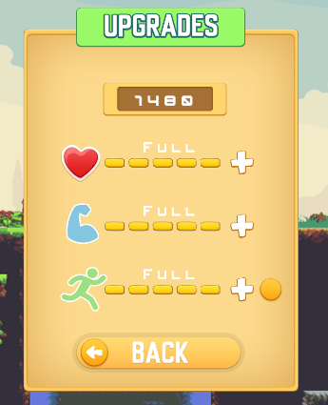 The amount of money changes permenantly when buying upgrades | 1. A valid Compiler | 1. Run the game 2.Click on Upgrades button 3.Choose a stat to Upgrade 4.Upgrade by clicking Enter 5.Stop the Game 6.Start the game again 7.Check if the upgrade is the same | Successfull
Test_6 | The upgrades gets saved and when changing screens, the upgrades level would stay the same. REF test 5. | 1. A valid Compiler | 1. Run the game 2.Click on Upgrades button 3.Choose a stat to Upgrade 4.Upgrade by clicking Enter 5.Stop the Game 6.Start the game again 7.Check if the upgrade is the same | Successfull
Test_7 | 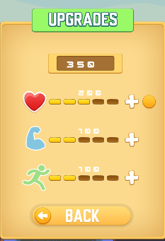 The amount of money collected in a level will be added to the money file. | 1. A valid Compilor | 1. Run the game 2.Click on Upgrades button 3.Check the total money 4.Upgrade by clicking Enter 5.Stop the Game 6.Start the game again 7.Check if the upgrade is the same | Successfull
Test_8 | Collision of the main character with the ForeGround layer. | 1. A valid Compilor | 1. Run the game 2.Click on Upgrades button 3.Check the total score 4.Upgrade by clicking Enter 5.Stop the Game 6.Start the game again 7.Check if the upgrade is same | Successfull
Test_9 | Check if the coins dissappear after the MC collides with them | 1. A valid Compilor | 1. Run the game 2.Click on Upgrades button 3.Check the total score 4.Upgrade by clicking Enter 5.Stop the Game 6.Start the game again 7.Check if the upgrade is same | Successfull
Test_10 | Do the game successfully without memory leak | 1. A valid Compilor | 1. Run the game via a compilor program that can check memory leak of the runing programs (used Dr.Memory) 2.Go to different windows and options 3.checkh Dr.Memory report | Successfull FINAL SUMMARY: DUPLICATE ERROR COUNTS: SUPPRESSIONS USED: ERRORS FOUND: 0 unique, 0 total unaddressable access(es) 0 unique, 0 total invalid heap argument(s) 0 unique, 0 total GDI usage error(s) 0 unique, 0 total handle leak(s) 0 unique, 0 total warning(s) 1 unique, 1 total, 136 byte(s) of leak(s) 0 unique, 0 total, 0 byte(s) of possible leak(s)
Test_11 | Do the MainCharacter MC moves correctly without glitch | 1. A valid Compilor | 1. Run the game 2.Click on Play button 3.Choose a level 4.Play the game 5.Check collision with ground, and map tails over all | Colision with tail maps is not very presist, it does not colidate with the ground, and it can go through the tail somtimes.
Test_12 | Do Character and Enemies animates smoothly | 1. A valid Compilor | 1. Run the game 2.Click on Play button 3.Choose a level 4.Play the game 5.Check collision with ground, and map tails over all | Enemies animate correctly, the Maincharacter can face some glitches while animating after jumping.

