teste
Edit
tab
CLICK BELOW | ID | Pos. | Location | Type of Measurement | REQ Item Number | REQ | Description | Measurement ( - ) | Color code markers
 |  |  |  |  |  |  |  |  | Grounding | Bonding | Isolation

SICA
Edit
tab
CLICK BELOW | ID | Pos. | Location | Type of Measurement | REQ Item Number | REQ | Description | Measurement ( - ) | Color code markers
 |  |  |  |  |  |  |  |  | Grounding | Bonding | Isolation

SICU
Edit
tab
CLICK BELOW | ID | Pos. | Location | Type of Measurement | REQ Item Number | REQ | Description | Measurement ( - ) | Color code markers
 |  |  |  |  |  |  |  |  | Grounding | Bonding | Isolation

ICCS
Edit
tab
CLICK BELOW | ID | Pos. | Location | Type of Measurement | REQ Item Number | REQ | Description | Measurement ( - ) | Color code markers
 |  |  |  |  |  |  |  |  | Grounding | Bonding | Isolation

ICCR
Edit
tab
CLICK BELOW | ID | Pos. | Location | Type of Measurement | REQ Item Number | REQ | Description | Measurement ( - ) | Color code markers
 |  |  |  |  |  |  |  |  | Grounding | Bonding | Isolation

ICCT
Edit
tab
CLICK BELOW | ID | Pos. | Location | Type of Measurement | REQ Item Number | REQ | Description | Measurement ( - ) | Color code markers
 |  |  |  |  |  |  |  |  | Grounding | Bonding | Isolation

RxTP
Edit tab
CLICK BELOW | ID | Pos. | Location | Type of Measurement | REQ Item Number | REQ | Description | Measurement ( - ) | Color code markers
 |  |  |  |  |  |  |  |  | Grounding | Bonding | Isolation

TxBP
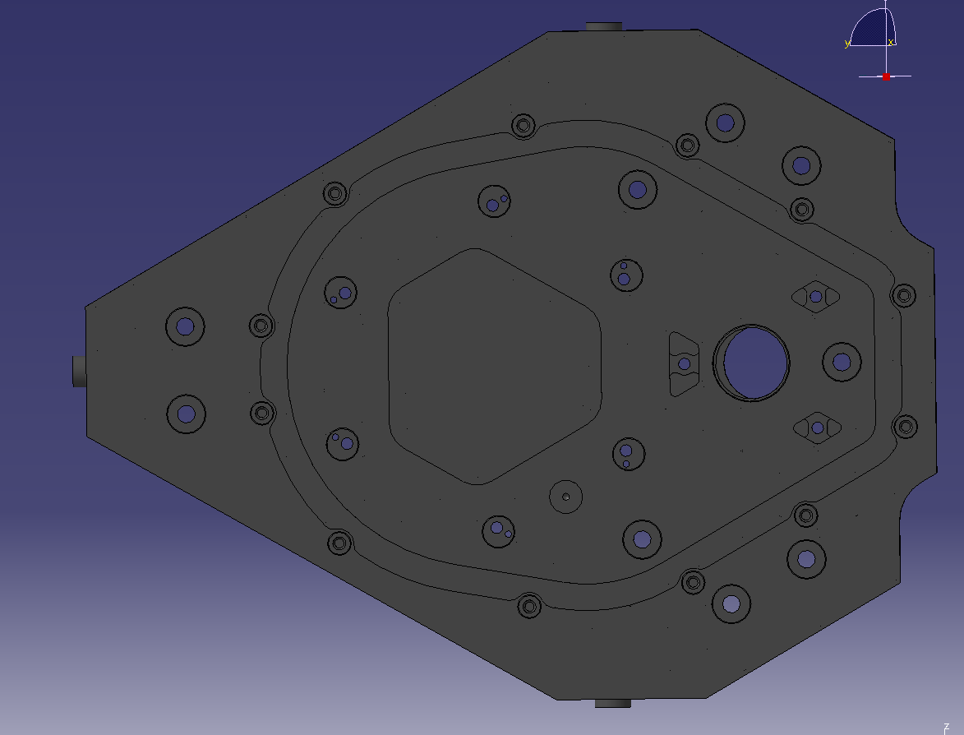
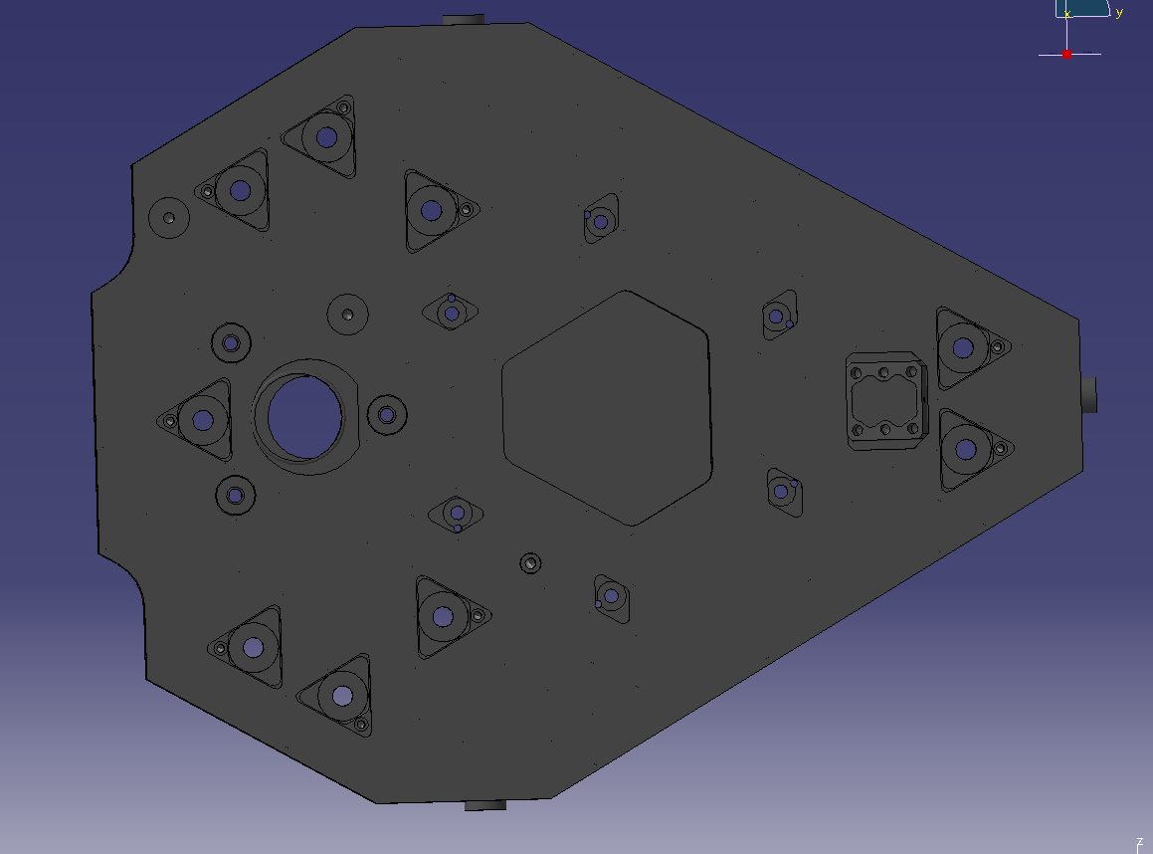
ID | Pos. | Location | Type of Measurement | REQ Item Number | REQ | Description | Measurement (Ohms)

RxOB
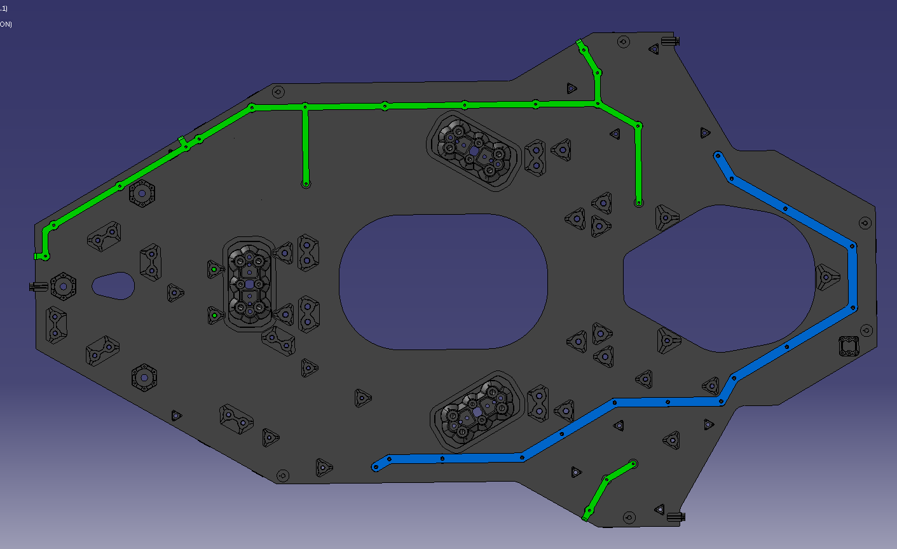
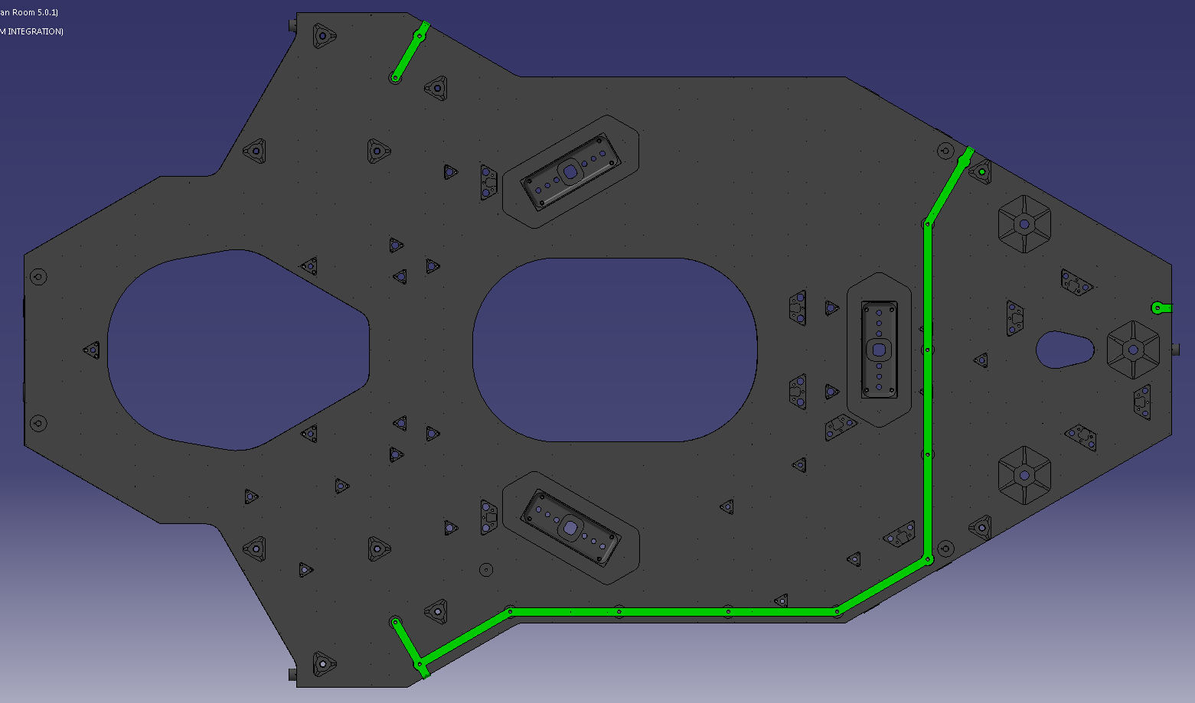
CLICK BELOW | ID | Pos. | Location | Type of Measurement | REQ Item Number | REQ | Description | Measurement (Ohms)

master
Edit
tab
CLICK BELOW | ID | Pos. | Location | Type of Measurement | REQ Item Number | REQ | Description | Measurement ( - ) | Color code markers
 |  |  |  |  |  |  |  |  | Grounding | Bonding | Isolation

