Sheet1
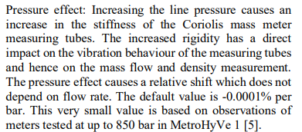
 | Todo kode: | Implementer: | Seinere arbeid og tanker
1 | Finn en ny løsning for g/s, kg/min? | Zero-point-stability : default value 0.002kg/min, imeko | kan koden ta inn en variabel flowrate?
2 | Sjekke enheter inn og ut. | Long term drift imeko | Write.
3 | Få kontroll på enheter. F.eks. correction. | pressure effect | Vurder: Mesteparten av datainputt til kode, henta direkte fra excel. | Tillata for future work, og enkel tilgang til å endre programmet
4 | Bare en skikkelig gjennomgang av alle metoder som er tatt i bruk | Use dual flowmeter.
 | Se på inn value, out values. | Standard volumetrisk flowrate.

hrs_config
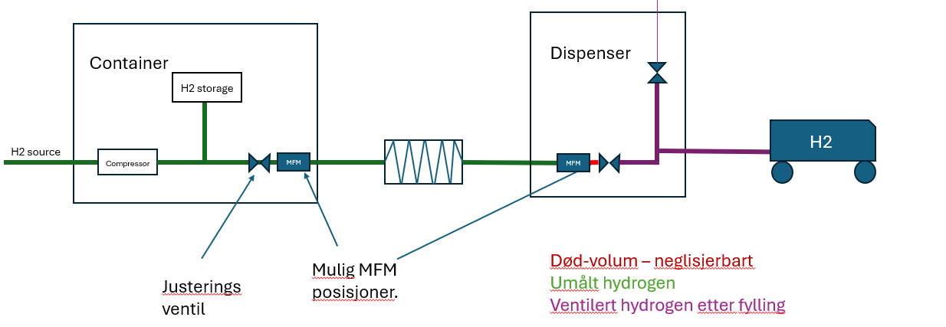
Table 1: HRS configuration | YES / NO
Correction:
Correct for dead volume | YES
Correct for vented hydrogen | YES
Uncertainty varying with flowrate: |  | if NO - set uncertainty: [u*std(x)] | Table 2: Volume of piping | Value |  | Relative standard uncertainty
Calibration correction factor | YES | 0.30% | Dead volume | 0.00250 | m3 | 2.00% | #TODO: Regn om til absolutt inni programmet.
Calibration reference | YES | 0.20% | Vent+dispenser Hose | 0.00250 | m3 | 2.00%
Calibration repeatability | YES | 0.10%
Field repeatability | YES | 0.45%
Field condition | YES | 0.50% | Table 3: Sensor accuracy | Uncertainty [u*std(x)]
Misc |  |  | Temperature sensor | 2.00%
Parallell correlated flowmeter | NO |  | Pressure sensor | 2.00%

