hrs_config
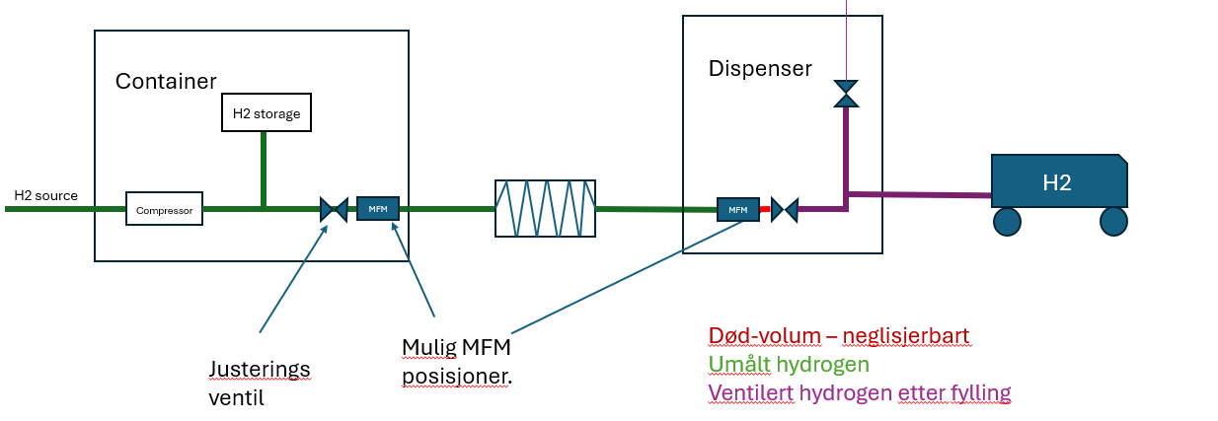
Table 1: HRS configuration | YES / NO
Correction:
Correct for dead volume | YES
Correct for vented hydrogen | YES
Uncertainty varying with flowrate: |  | if NO - set uncertainty: [u*std(x)] | Unit | Table 2: Volume of piping | Value | Unit | Uncertainty
Calibration correction factor | YES | 0.30% | % | Dead volume | 0.00250 | m3 | 0.20 | %
Calibration reference | YES | 0.22% | % | Vent+dispenser Hose | 0.00250 | m3 | 0.20 | %
Calibration repeatability | YES | 0.10% | %
Field repeatability | YES | 0.45% | %
Field condition | YES | 0.50% | % | Table 3: Sensor accuracy | Uncertainty
Misc |  |  |  | Temperature sensor | 0% | %
Parallell correlated flowmeter | NO | Not implemented yet |  | Pressure sensor | 0% | %
Write and store previous density for DV use | YES | Not implemented yet

1. All uncertainty values given as relative uncertainty, for k = 1.
2. Do not change cell order, unit, or placement.
3. See Thesis for more information.

Todo
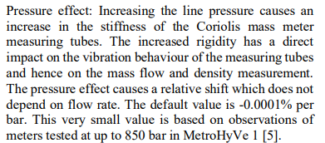
Implementer:
Zero-point-stability : default value 0.002kg/min, imeko | kan koden ta inn en variabel flowrate?
Long term drift imeko
pressure effect | Vurder: Mesteparten av datainputt til kode, henta direkte fra excel.
Use dual flowmeter. | Tillata for future work, og enkel tilgang til å endre programmet
Standard volumetrisk flowrate.

