Todo
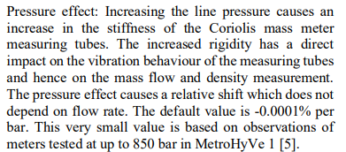
Implementer:
Zero-point-stability : default value 0.002kg/min, imeko | kan koden ta inn en variabel flowrate?
Long term drift imeko
pressure effect | Vurder: Mesteparten av datainputt til kode, henta direkte fra excel.
Use dual flowmeter. | Tillata for future work, og enkel tilgang til å endre programmet
Standard volumetrisk flowrate.

