Mapping Data Flow measures 1M
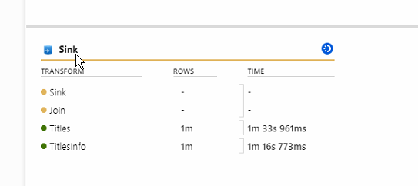
Records | Storage | Storage cost (estimate) | Compute type | processing | Cost +- | Cluster startup time | Sink processing time | Duration
1m | 10 dtu's, 5 gb | 12.65/ month (1.27 * 10 dtu's) | General purpose (€0.227 per vCore-hour) | 4 ( +4 Driver Cores) | 0.60533333333 | 5m 49s 84ms | 13m 42s 53ms | 19m 18s
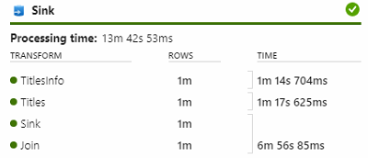

1m | 10 dtu's, 5 gb | 12.65/ month (1.27 * 10 dtu's) | Compute Optimized (€0.168 per vCore-hour) | 4 ( +4 Driver Cores) | 0.448 | 4m 55s 268ms | 13m 54s 660ms | 19m 07s
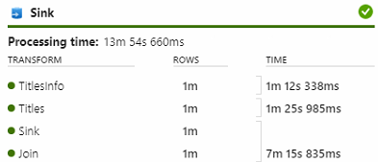

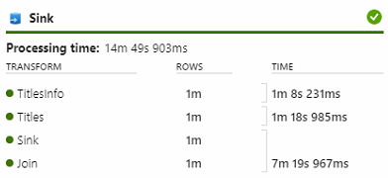
1m | 10 dtu's, 5gb | 12.65/ month (1.27 * 10 dtu's) | Memory Optimized (€0.291 per vCore-hour) | 4 ( +4 Driver Cores) | 0.8148 | 5m 15s 237ms | 14m 49s 903ms | 20m 43s

1m | 10 dtu's, 5 gb | 12.65/ month (1.27 * 10 dtu's) | General purpose (€0.227 per vCore-hour) | 16 ( +16 Driver Cores) | 2.3002666667 | 4m 18s 128 ms | 13m 36s 57ms | 18m 24s
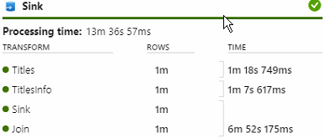

1m | 10 dtu's, 5 gb | 12.65/ month (1.27 * 10 dtu's) | Memory Optimized (€0.291 per vCore-hour) | 16 ( +16 Driver Cores) | 3.104 | 4m 54s 787ms | 14m 18s 306ms | 19m 34s
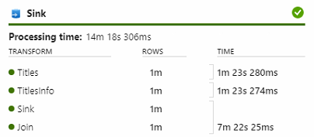

1m | 10 dtu's, 5 gb | 12.65/ month (1.27 * 10 dtu's) | General purpose (€0.227 per vCore-hour) | 32 ( +16 Driver Cores) | 3.632 | 5m 8s 232ms | 13m 52s 703ms | 19m 16s

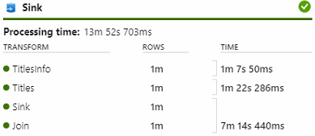

1m | 100 dtu's, 5gb | 126,49 / month (1.26 * 100 dtu's) | General purpose (€0.227 per vCore-hour) | 4 ( +4 Driver Cores) | 0.30266666667 | 5m 34s 525ms | 3m 24s 915ms | 9m 48s
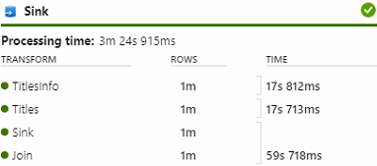

1m | 100 dtu's, 5gb | 126,49 / month (1.26 * 100 dtu's) | General purpose (€0.227 per vCore-hour) | 16 ( +16 Driver Cores) | 1.0896 | 4m 51s 164ms | 3m 5s 22ms | 8m 43s
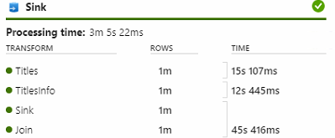

1m | 100 dtu's, 5gb | 126,49 / month (1.26 * 100 dtu's) | Memory Optimized (€0.291 per vCore-hour) | 16 ( +16 Driver Cores) | 2.0176 | 8m 34s 9ms | 3m 4s 859ms | 12m 14s
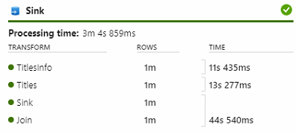

1m | 100 dtu's, 5gb | 126,49 / month (1.26 * 100 dtu's) | Memory Optimized (€0.291 per vCore-hour) | 16 ( +16 Driver Cores) | 1.2416 | 3m 53s 775ms | 3m 4s 978ms | 7m 16s
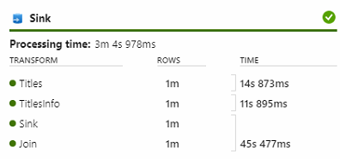

1m | 100 dtu's, 5gb | 126,49 / month (1.26 * 100 dtu's) | Compute Optimized (€0.168 per vCore-hour) | 16 ( +16 Driver Cores) | 0.896 | 5m 34s 437ms | 3m 2s 722ms | 9m 13s
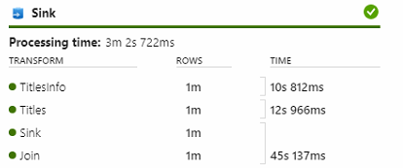

1m | 100 dtu's, 5gb | 126,49 / month (1.26 * 100 dtu's) | General purpose (€0.227 per vCore-hour) | 64 ( +16 Driver Cores) | 3.0266666667 | 6m 17s 151ms | 3m 2s 383ms | 9m 52s
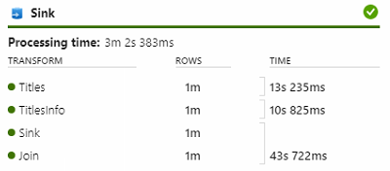

1m | 100 dtu's, 5gb | 126,49 / month (1.26 * 100 dtu's) | General purpose (€0.227 per vCore-hour) | 128 ( +16 Driver Cores) | 5.448 | 5m 44s 892ms | 3m 2s 375ms | 9m 26s
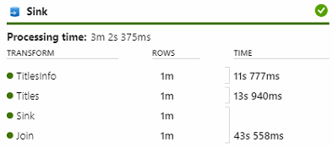

1m | 800 dtu's, 5gb | 1012.02 / month (1.27 * 800 dtu's) | General purpose (€0.227 per vCore-hour) | 4 ( +4 Driver Cores) | 0.21186666667 | 4m 44s 70ms | 1m 45s 733ms | 6m 48s
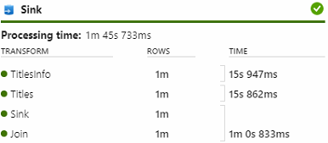

1m | 1600 dtu's, 5gb | 2024.04 / month (1.27 * 1600 dtu's) | General purpose (€0.227 per vCore-hour) | 4 ( +4 Driver Cores) | 0.21186666667 | 4m 19s 216ms | 1m 37s 786ms | 6m 25s
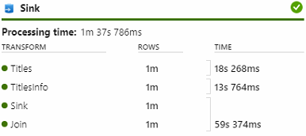

1m | 10 dtu's, 5 gb | 12.65/ month (1.27 * 10 dtu's) | General purpose (€0.227 per vCore-hour) | 64 ( +16 Driver Cores) | 5.7506666667 | 4m 15s 822ms | Error | Operation on target dataflow1 failed: {"StatusCode":"DFExecutorUserError","Message":"The connection is closed.","Details":"The connection is closed."}
1m | 10 dtu's, 5 gb | 12.65/ month (1.27 * 10 dtu's) | General purpose (€0.227 per vCore-hour) | 64 ( +16 Driver Cores) | 5.7506666667 | 6m 46s 467ms | Error | Operation on target dataflow1 failed: {"StatusCode":"DFExecutorUserError","Message":"The connection is closed.","Details":"The connection is closed."}
1m | 10 dtu's, 5 gb | 12.65/ month (1.27 * 10 dtu's) | General purpose (€0.227 per vCore-hour) | 64 ( +16 Driver Cores) | 5.7506666667 | 5m 49s 747ms | Error | Operation on target dataflow1 failed: {"StatusCode":"DFExecutorUserError","Message":"The connection is closed.","Details":"The connection is closed."}

Mapping Data Flow measures 4M
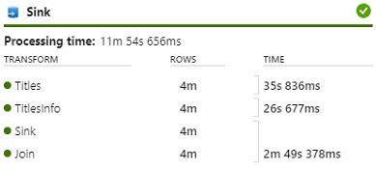
Records | Storage | Storage cost (estimate) | Compute type | processing | vCore cost | Cluster startup time | Sink processing time | Duration
4m | 100 dtu's, 5 gb | 126,49 / month (1.26 * 100 dtu's) | General purpose (€0.227 per vCore-hour) | 4 ( +4 Driver Cores) | 0.57506666667 | 5m 13s 348ms | 13m 6s 317ms | 18m 48 s
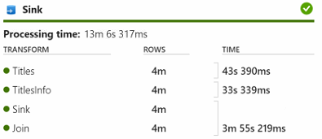

4m | 100 dtu's, 5 gb | 126,49 / month (1.26 * 100 dtu's) | General purpose (€0.227 per vCore-hour) | 16 ( +16 Driver Cores) | 2.0581333333 | 4m 13s 794ms | 11m 43s 880ms | 16m 50 s
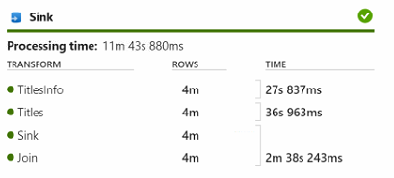

4m | 100 dtu's, 5 gb | 126,49 / month (1.26 * 100 dtu's) | General purpose (€0.227 per vCore-hour) | 64 ( +16 Driver Cores) | 5.1453333333 | 4m 23s 849ms | 12m 17s 566ms | 16m 53s
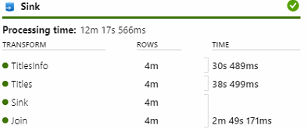

4m | 100 dtu's, 5 gb | 126,49 / month (1.26 * 100 dtu's) | Memory Optimized (€0.291 per vCore-hour) | 16 ( +16 Driver Cores) | 2.6384 | 3m 36s 105ms | 11m 55s 48ms | 16m 14s
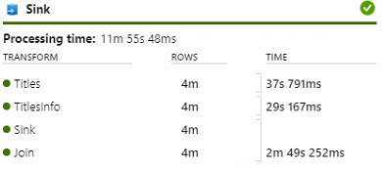

4m | 100 dtu's, 5 gb | 126,49 / month (1.26 * 100 dtu's) | Compute Optimized (€0.168 per vCore-hour) | 16 ( +16 Driver Cores) | 1.5232 | 4m 27s 298ms | 11m 54s 656ms | 16m 53s

Qlik Sense measure
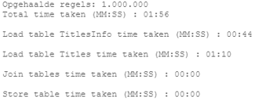
Records | Storage | Storage cost (estimate) | time proc + storage | Cluster startup time | Sink processing time
1M | 10 dtu's, 5 gb | 12.65/ month (1.27 * 10 dtu's)

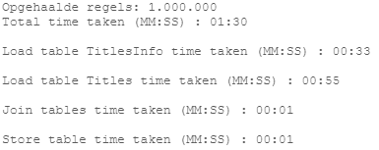
1M | 10 dtu's, 5 gb | 12.65/ month (1.27 * 10 dtu's)

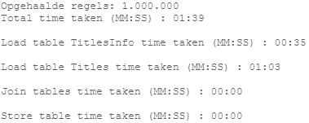
1M | 10 dtu's, 5 gb | 12.65/ month (1.27 * 10 dtu's)

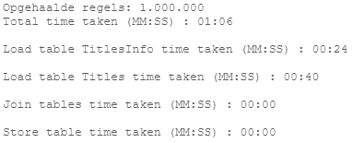
1m | 100 dtu's, 5gb | 126,49 / month (1.26 * 100 dtu's)


1m | 800 dtu's, 5gb | 1012.02 / month (1.27 * 800 dtu's)

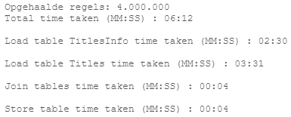
4m | 10 dtu's, 5 gb | 12.65/ month (1.27 * 10 dtu's)

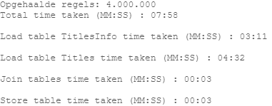
4m | 100 dtu's, 5gb | 126,49 / month (1.26 * 100 dtu's)

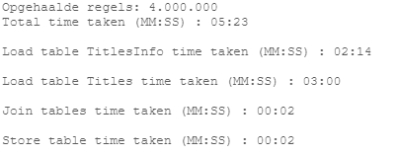
4m | 100 dtu's, 5gb | 126,49 / month (1.26 * 100 dtu's)

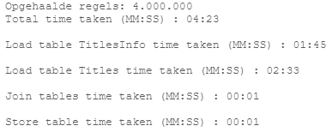
4m | 800 dtu's, 5gb | 1012.02 / month (1.27 * 800 dtu's)

