Upcoming
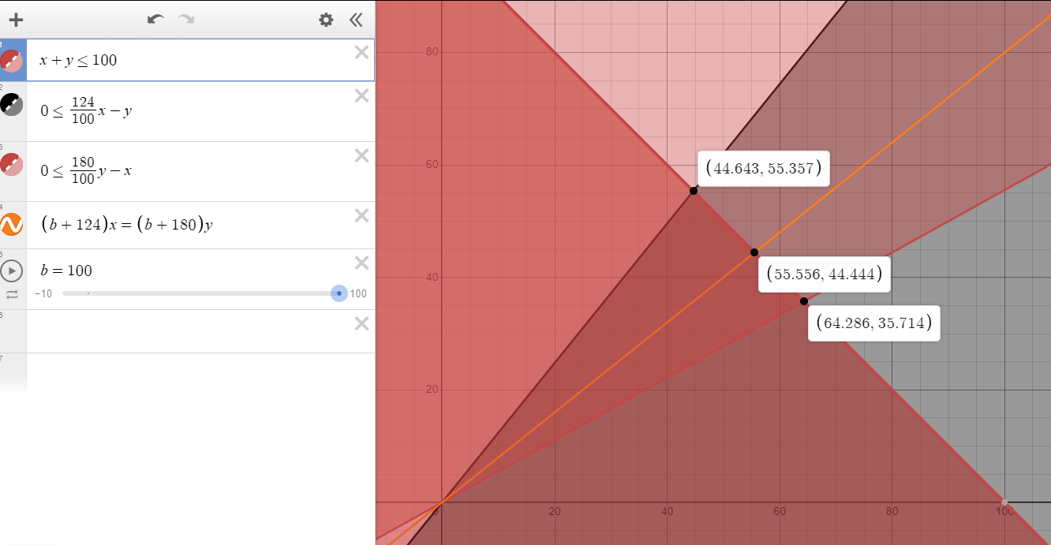
ID | Sport Key | Expected Earnings | Bookmaker #1 | Name #1 | Odds #1 | Amount to Buy #1 | Bookmaker #2 | Name #2 | Odds #2 | Amount to Buy #2
d0a2bbf7c26026c4008203a62b2cb077 | basketball_nba | $15.30 | MyBookie.ag | Dallas Mavericks | -454.55 | $94.51 | DraftKings | Los Angeles Clippers | 2000 | $5.49
9d1d55cf36653e4d09b3fe42906e496e | icehockey_nhl | $24.44 | DraftKings | Edmonton Oilers | 124 | $55.56 | MyBookie.ag | Los Angeles Kings | 180 | $44.44

 |  |  |  |  |  | 55.5600% |  |  |  | 44.4400%
 |  |  |  |  |  | $68.8944 |  |  |  | $79.9920

 |  |  |  |  |  | $124.4544 |  |  |  | $124.4320

 |  |  |  |  |  | 13.89 |  |  |  | 86.11
 |  |  |  |  | 124 | $44.643 | MyBookie.ag | Los Angeles Kings | 180 | $55.357 | $100.00

 |  |  |  |  | Return | $55.3573 |  | $77.5000 |  | $99.6426

 |  |  |  |  | Profit | $0.0003 |  | $27.5000 |  | $54.9996

 |  |  |  |  |  | x |  |  | 100-x
 |  |  | x+y=100
 |  |  | p1=(124/100*x)-y
 |  |  | p2=(180/100*y)-x |  |  |  | x+y=100
 |  |  |  |  |  |  | y=100-x
 |  |  | y=(p1+p2)/2
 |  |  | y=(124/100*x + 180/100*(100 - x))/2

 |  |  | p=(p1+p2)/2
 |  |  | p=(((124/100*x)-(100-x))+((180/100*y)-x))/2

