Readme
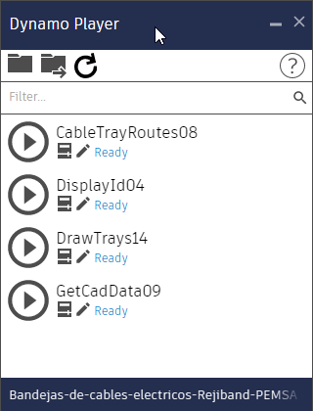
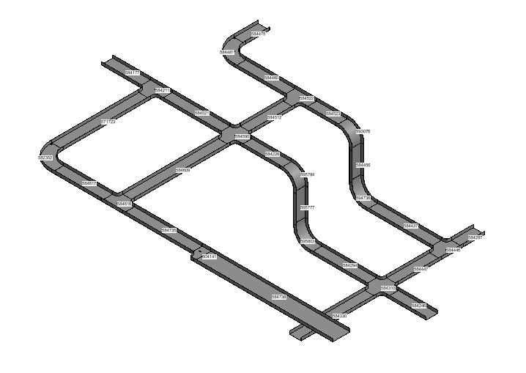

Shortcut ALT-G/VP/VP

# Revit-CableTrays-with-Excel
Design Revit CableTrays from Excel Data Tables
The KIT is composed of en Excel Workbook with the following Sheets
Readme: Instructions page.
LineDataIn: Sheet to fill with CableTray parameters to be used by DrawTrays Dynamo.
LineDataOut: Position Data generated by DrawTrays Dynamo.
TypeData: Type information from the Document that is generated by GetCadData Dynamo.
Levels: Displays information about avalable levels also generated by GetCadData Dynamo.

