Faults
BEFORE
AFTER

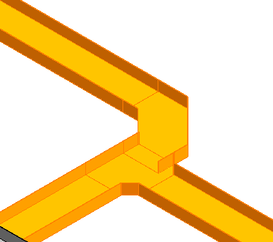
Id
1291117
1292006 | Reducir radio de curvatura a 100mm

1598105
1603839 | Enviar para atrás E y reacer fittings

1604241
 | Reducir radio de curvatura

