Sheet2
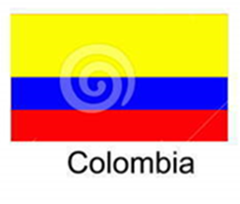
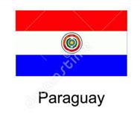
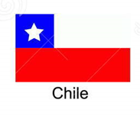
Argentina | Asado
Bolivia | Saltenas
Brazil | Feijoada
Chile | Pastel de Choclo | Pastel
Colombia | Sancocho
Peru | Ceviche
Uruguay | Chivito
Venezuela | Pabellon Criollo | Pabellon
Ecuador | Encebollado
Paraguay | Sopa Paraguaya

