Overview Data
 |  |  |  | Percentages incl variable aspects
Fixed values (1 GW turbine park) - GJ | Onshore wind | Offshore wind |  | Onshore wind | Offshore wind |  | Calculations GJ for 1 GW Wind Turbine Park |  |  |  |  |  |  |  |  |  | Scaling factor
Embodied energy in materials turbines | 4,377,757 | 3,442,580 |  | 21.65% | 28.20% |  |  |  |  |  |  |  |  |  |  |  | Water depth | Scaling factor
Embodied energy substations and cable materials | 366,858 | 241,686 |  | 1.81% | 2.04% |  | Output example (lifetime) | Net Energy Ratio | ENERGY INPUTS (GJ) | Fixed | A) (Foundation Depth) | B) | C) | D) | O) | SUM | 0-15 | 1
Manufaturing energy turbines | 7,869,000 | 8,523,000 |  | 38.92% | 32.89% |  | 309,647,549 | 11.95 | Offshore fixed (0 - 15 meters) | 18,185,974 | 3,865,754 | 287,160 | 1,014,240 | 396,900 | 2,167,533 | 25,917,561 | 20 | 1.08
Manufacturing energy substations and cables | 68,760 | 82,662 |  | 0.34% | 0.32% |  |  |  |  |  |  |  |  |  |  |  | 25 | 1.34
Transport for materials | 38,285 | 64,150 |  | 0.19% | 0.25% |  | Output example (lifetime) | Net Energy Ratio | ENERGY INPUTS (GJ) | Fixed | E) | F) | O) |  |  |  | 30 | 1.57
Transport from factory to park | 473,222 | 938,343 |  | 2.34% | 3.62% |  | 179,562,042 | 8.88 | Onshore | 13,744,075 | 181,722 | 6,390 | 6,284,671 |  |  | 20,216,858 | 35 | 1.95
Installation energy cost wind park (total) | 153,422 | 1,778,159 |  | 0.76% | 10.77% |  |  |  |  |  |  |  |  |  |  |  | 40 | 2.19
Maintenance energy costs (25 years) | 41,400 | 1,639,675 |  | 0.20% | 7.86% |  | Output example (GJ lifetime) | Net Energy Ratio | ENERGY INPUTS (GJ) | Fixed | A) (Foundation Depth) | B) | C) | D) | O) | SUM
Transport for decommissioning | 348,921 | 192,719 |  | 1.73% | 0.74% |  | 309,647,549 | 10.14 | Offshore floating | 26,670,974 | 0 | 287,160 | 1,014,240 | 396,900 | 2,167,533 | 30,536,807 | Distance to shore - offshore | 60 | km
Decommisionning | 6,450 | 1,283,000 |  |  |  |  |  |  |  |  |  |  |  |  |  |  | Distance to shore - onshore | 300 | km
Operation (variable depending on output) | 6,284,671 | 2,167,533 |  | 31.09% | 8.36%

Total Fixed | 13,744,075 | 18,185,974 |  | 99% | 95%

Variable values (1 GW turbine park) - GJ | Onshore | Offshore |  |  | Note |  |  | Transport
Operation energy costs | 0.03500 | 0.00700 | GJ/GJ |  |  |  | Truck | 1.25 | MJ/tkm
Installation energy cost transport distance effect | 606 | 16,904 | GJ/km |  | (Starting at 17 km) |  | Ship | 0.29 | MJ/tkm
Cables to shore embodied energy | n/a | 4,681 | GJ/km
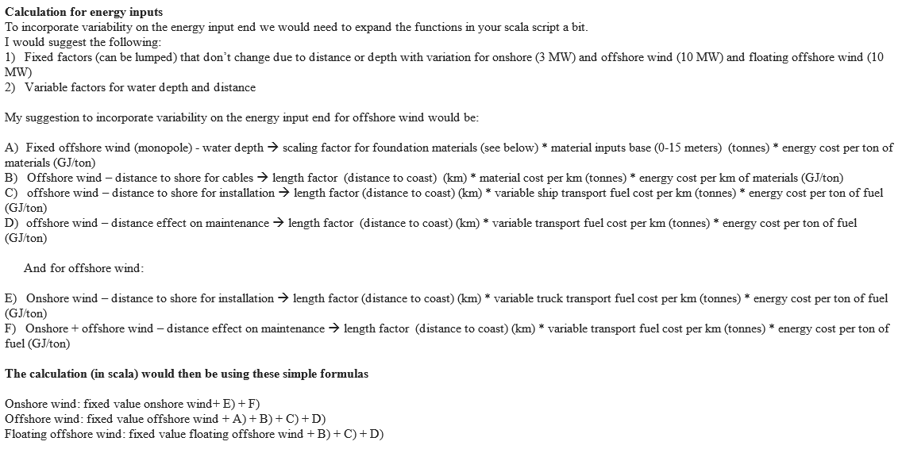
Cables to shore installation cost | n/a | 105 | GJ/km
Operation & Maintenance transport distance effect (lifetime) | 21 | 6,615 | GJ/km
Decommissioning transport effect | n/a | 12,678 | GJ/km

Embodied energy in materials for 1 GW turbine generators
Component | Material
 | Weight | [tonnes] | Electricity[GJ] |  | Diesel[GJ]
Tower | on | off | on | off | on | off
Steel | 52,920 | 27,500 | 123,282 | 64,064 | 1,184,350 | 615,450
Coating | 420 | 331 | 18,783 | 14,791 | 9,074 | 7,146
Nacelle
Steel | 19,993 | 46,502 | 46,576 | 108,331 | 447,451 | 1,040,718
Copper | 1,250 | 1,754 | 95,358 | 125,726 | 14,634 | 19,294
Aluminum | 770 | 484 | 96,113 | 19,294 | 17,764 | 60,373
Coating | 17 | 7 | 810 | 323 | 361 | 144
Hub and Blades
Steel | 6,643 | 13,562 | 15,476 | 31,595 | 148,678 | 303,525
Fibre Glass | 4,013 | 7,217 | 143,838 | 258,639 | 64,213 | 115,464
Epoxy Resin | 2,810 | 5,054 | 251,776 | 452,847 | 112,400 | 202,164
Coating | 21 | 38 | 1,035 | 1,861 | 462 | 831
Foundation
Concrete | 380,000 | 7,813 | 502,208 | 16,173 | 786,600 | 10,326
Steel | 12,000 | 155,375 | 27,955 | 361,962 | 268,560 | 3,477,293
 |  |  | 1,323,210 | 1,455,606 | 3,054,547 | 5,852,728
Foundation floating wind
Concrete |  | 375,000 |  | 540,000 |  | 1,125,000
Steel |  | 275,000 |  | 660,000 |  | 6,160,000

Embodied energy in materials for substations and cables
Component | Weight | [tonnes] | Electricity[GJ] |  | Diesel[GJ]
Park cabling (183 km) | on | off | on | off | on | off
Steel | 0 | 1502 | 0 | 3,604 | 0 | 33,633
Copper | 266 | 846 | 20,419 | 64,974 | 2,925 | 9,306
Aluminium | 1358 | 0 | 181,420 | 0 | 31,349 | 0
Other | 1471 | 1463 | 70,648 | 70,242 | 29,437 | 29,267
Substation (one)
Steel | 337 | 337 | 808 | 808 | 7,540 | 7,540
Copper | 88 | 88 | 6,758 | 6,758 | 968 | 968
Other | 214.5 | 214.5 | 10,296 | 10,296 | 4,290 | 4,290
Cables to shore ( 1 km)
Steel | n/a | 25.3 | n/a | 61 | n/a | 567
Copper | n/a | 19.8 | n/a | 1,517 | n/a | 217
Other | n/a | 34.1 | n/a | 1,637 | n/a | 682
 |  |  | 290349 | 159,897 | 76509 | 85004
Manufacturing energy for 1 GW turbine generators
 | Onshore (Primary Energy GJ) | Offshore (Primary Energy GJ)
Wind turbine | 7,869,000 | 8,523,000
Park cabling (183 km) | 52,128 | 66,030
Substation | 16,632 | 16,632
Cables to shore ( 1 km) | 583 | 1,282

Transport Energy
Transport | Material+Mode | Weight | [tonnes] | Distance | [km] | Diesel | [GJ]
 |  | on | off | on | off | on | off
Raw materials | Cement+Truck | 380,000 | 7,813 | 20 | 20 | 9,500 | 195
Raw materials | Steel+Truck | 91,557 | 242,939 | 150 | 150 | 17,167 | 45,551
Raw materials | Copper+Truck | 1,330 | 1,754 | 430 | 430 | 715 | 943
Raw materials | Al+Truck | 770 | 484 | 60 | 60 | 58 | 36
Raw materials | Other+Truck | 7,282 | 12,647 | 20 | 20 | 182 | 316
Raw materials | Copper+Ship | 1,330 | 1,754 | 4,200 | 4,200 | 1,609 | 2,122
Raw materials | Al+Ship | 455 | 484 | 3,000 | 3,000 | 665 | 418
Raw materials | Other+Ship | 7,282 | 12,647 | 4,000 | 4,000 | 8,389 | 14,569
Factory to site | Cement+Truck | 380,000 | 7,813 | 250 | 250 | 118,750 | 2,442
Factory to site | Steel+Truck | 91,557 | 242,939 | 600 | 600 | 57,223 | 182,204
Factory to site | Copper+Truck | 1,330 | 1,754 | 600 | 600 | 416 | 1,316
Factory to site | Al+Truck | 770 | 484 | 600 | 600 | 667 | 363
Factory to site | Other+Truck | 7,282 | 12,647 | 600 | 600 | 5,462 | 9,485
Factory to site | Steel+Ship | 91,557 | 242,939 | 10,000 | 10,000 | 263,684 | 699,664
Factory to site | Copper+Ship | 1,330 | 1,754 | 10,000 | 10,000 | 3,830 | 5,052
Factory to site | Al+Ship | 770 | 484 | 10,000 | 10,000 | 2,218 | 1,394
Factory to site | Other+Ship | 7,282 | 12,647 | 10,000 | 10,000 | 20,972 | 36,423
Decommissioning | All+Truck | 480,939 | 265,637 | 350 | 350 | 210,411 | 116,216
Decommissioning | All+Ship | 96,188 | 53,127 | 5,000 | 5,000 | 138,510 | 76,503
 |  |  |  |  |  | 860,428 | 1,195,212

Installation Energy Cost | Primary Energy (GJ)
Component | onshore | offshore
Wind turbine | 129,660 | 1,709,830
Wind park cabling (168 km) | 13,159 | 33,338
Substation | 10,603 | 34,991
Cabling to shore ( 1 km) | n/a | 37

Operation and maintenance
Process | Electricity (GJ/GJ) |  | Diesel (GJ/GW/year)
 | on | off | on | off
Operations | 0.035 | 0.007 | n/a | n/a
Maintenance | n/a | n/a | 1656 | 65,587

Decommissioning | Primary Energy (GJ)
 | Onshore | Offshore
Total | 6,450 | 1,283,000

