From Fusion 360
SubAssy | Category | Item | Thumbnail | Part Name | Part Description | Print/Buy | QTY | Comment | Vendor | Vendor URL
 |  |  |  | SFU1204-400 With Nut | For the Vcore-3-300 | Buy | 3 | BK10 and BF10 machined end required. BK10 required. and BF10 blocks is not. LOOK For C7-G7 Grade |  | https://www.ebay.fr/itm/353302159798?_trkparms=ispr%3D1&hash=item52427321b6:g:GzsAAOSwi3Bfx1mo&amdata=enc%3AAQAGAAACkPYe5NmHp%252B2JMhMi7yxGiTJkPrKr5t53CooMSQt2orsSd0ReTLyM7cxPnI6zs468EK%252F4lWSe3cG3y9PxPjihUgucxC6fCIqW4jx5wb3UG3l5YYdo%252Faw8kyD8JStG%252BtXuMfUWIkHM8sA7Lyrtl0K0ufIYct3iwU7Uw2R7kcm6bGVw956OzGT0zJ1d3EACjDuER6PK2iaZsqvV0T5p7NvqprQ2LYgcoEVTvRKVdrwD%252FInu09R5cLNQk3gWYTeh6jj%252Bi6q5hOSQwVUOGbIqYmCBwsqBGhfV6PTPTa7r5Y%252BUitKuxsC5S5BwpYBVR1cdWml3kMiFA9%252FnlFlpEQmvixH3dhnprPBchgMRx7gvFClSwuqWFZ0NcN8bz1kiuPyzph%252F3RrDuLL940mGKl7do7j7Bq1%252BLlPKgR%252F%252BMX0jMdZdmUnt2YlS82tktRs4mTWswiTMWDtfPPd%252BuCnVWCM5tlAqy%252FaRQp7IOaIVlfVfaoTtqICfj05u5g0O0DLM%252FsPqPdZysVwK%252BkTOx875rMUIq9xIzfDSMK1vwxXRz1GXxbWJVAEQ2%252F%252F5H3z7mLmjq965CEPounydJcFKTHl3Ty4m%252BLeIoQ7o%252Ft2XGq3Ol1PKMqnnDVry9axBPZ9BH5%252B0WhnxBrlAOq0o8%252BWWWh9mKmBcSqvo4efmslyJ8oP3zovl3J6pD3scdDKB73aLWTVNdcMn2G6kMmmRvILkN43Mp96cranc9b0qvE1IZMQF8QRCVXqUmnYwu%252FPhizSGCr6zZsya9GuARyDmICRsDS8dxSIavBQWTfD%252B%252B0G9JoAgewu19sTkUkgcSbmdjolYYJUis%252BwXpSb0yaVmW18GhQpxGKnaKzspvUk4chcYjfVOmoMA3U1ZSM%252FUo%7Cclp%3A2334524%7Ctkp%3ABFBM8qHeypdf
 |  |  |  | SFU1204-500 With Nut | For the Vcore-3-400 | Buy | 3 | BK10 and BF10 machined end required. BK10 required. and BF10 blocks is not. LOOK For C7-G7 Grade |  | https://www.ebay.fr/itm/273908878058?hash=item3fc63dcaea:g:3SQAAOSw2gJfPhH-
ZR_V2.5 | Buy | 3 |  | SFU1204-600 With Nut | For the Vcore-3-500 | Buy | 3 | BK10 and BF10 machined end required. BK10 required. and BF10 blocks is not. LOOK For C7-G7 Grade |  | https://www.ebay.fr/itm/353302159798?_trkparms=ispr%3D1&hash=item52427321b6:g:GzsAAOSwi3Bfx1mo&amdata=enc%3AAQAGAAACkPYe5NmHp%252B2JMhMi7yxGiTJkPrKr5t53CooMSQt2orsSd0ReTLyM7cxPnI6zs468EK%252F4lWSe3cG3y9PxPjihUgucxC6fCIqW4jx5wb3UG3l5YYdo%252Faw8kyD8JStG%252BtXuMfUWIkHM8sA7Lyrtl0K0ufIYct3iwU7Uw2R7kcm6bGVw956OzGT0zJ1d3EACjDuER6PK2iaZsqvV0T5p7NvqprQ2LYgcoEVTvRKVdrwD%252FInu09R5cLNQk3gWYTeh6jj%252Bi6q5hOSQwVUOGbIqYmCBwsqBGhfV6PTPTa7r5Y%252BUitKuxsC5S5BwpYBVR1cdWml3kMiFA9%252FnlFlpEQmvixH3dhnprPBchgMRx7gvFClSwuqWFZ0NcN8bz1kiuPyzph%252F3RrDuLL940mGKl7do7j7Bq1%252BLlPKgR%252F%252BMX0jMdZdmUnt2YlS82tktRs4mTWswiTMWDtfPPd%252BuCnVWCM5tlAqy%252FaRQp7IOaIVlfVfaoTtqICfj05u5g0O0DLM%252FsPqPdZysVwK%252BkTOx875rMUIq9xIzfDSMK1vwxXRz1GXxbWJVAEQ2%252F%252F5H3z7mLmjq965CEPounydJcFKTHl3Ty4m%252BLeIoQ7o%252Ft2XGq3Ol1PKMqnnDVry9axBPZ9BH5%252B0WhnxBrlAOq0o8%252BWWWh9mKmBcSqvo4efmslyJ8oP3zovl3J6pD3scdDKB73aLWTVNdcMn2G6kMmmRvILkN43Mp96cranc9b0qvE1IZMQF8QRCVXqUmnYwu%252FPhizSGCr6zZsya9GuARyDmICRsDS8dxSIavBQWTfD%252B%252B0G9JoAgewu19sTkUkgcSbmdjolYYJUis%252BwXpSb0yaVmW18GhQpxGKnaKzspvUk4chcYjfVOmoMA3U1ZSM%252FUo%7Cclp%3A2334524%7Ctkp%3ABFBM8qHeypdf
ZR_V2.5 | Buy | 4 |  | Ball Bearing 608ZZ | Bearing 608ZZ if not in the BF10 | Buy | 3
 |  |  | 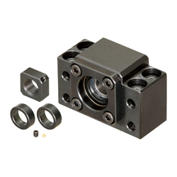 | BK10 + Nut (Angular bearing included) |  | Buy | 3
 |  |  | 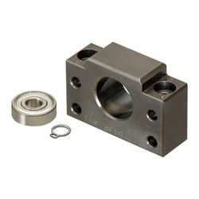 | BF10 + circlip + 608ZZ |  | Buy | 2 | NOT Required: the 608ZZ is mandatory
 |  |  | 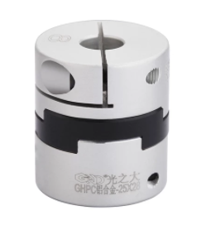 | Oldham Coupler 5,0-8,0 | (Prefered, but spider coupler type works too) | Buy | 3 | Either Spider or Oldham
ZR_V2.5 | Buy | 7 |  | Coupler D20L25-5.0-8.0 | Coupler, Spider - 8 to 5mm | Buy | 3 | Included with the RR kit |  | https://s.click.aliexpress.com/e/_AVhQZK
ZR_V2.5 | Buy | 9 |  | MGN12H_Rail Assy | MGN12H Rail from the RR kit | Buy | 3 | No need to cut it |  | RR
ZR_V2.5 | Buy | 12 |  | NEMA17 1.8/0.9 degree Stepper Motors 48 mm | Stepper Motor - NEMA17X48mm | Buy | 3 | Even with 500 bed plate, motors should not let the bed falling down due to backdriving |  | E3D / Trianglelab / LDO
ZR_V2.5 | Hardware | 13 |  | Ball_Bearing_6mm | Bearing, Ball - 6mm | Buy | 9 | Ball Bearing dont need to be magnetized, Chrome Steal preffered. 7mm or 8mm can be tested to decouple the system and tune it |  | https://www.amazon.fr/gp/product/B00J8JR03O/ref=ppx_yo_dt_b_asin_title_o07_s00?ie=UTF8&psc=1
ZR_V2.5 | Hardware | 14 |  | Magnet_8X3mm | Magnet, Disc - 8X3mm | Buy | 30 | Neodymium (these magnets are sold as 3mm thick but the ones received are 2.75mm. True 3mm thick will not create any issue.) | Amazon | https://www.amazon.fr/gp/product/B074C79DJS/ref=ppx_yo_dt_b_asin_title_o03_s00?ie=UTF8&psc=1
ZR_V2.5 | Hardware | 18 |  | M4_Nut_94150A335 | Nut, Hex - M4 | Buy | 9 |  |  | Any shop near your location ;)
ZR_V2.5 | Hardware | 24 |  | M3x35_ButtonHeadScrew_91239A326 | Screw, Button Head - M3x35 | Buy | 11
ZR_V2.5 | Hardware | 25 |  | M6x12_ButtonHeadScrew_97763A820 | Screw, ButtonHead - M6x12mm | Buy | 14
ZR_V2.5 | Hardware | 26 |  | M6x20_ButtonHeadScrew_91239A228 | Screw, ButtonHead - M6x20mm | Buy | 15
 |  |  | 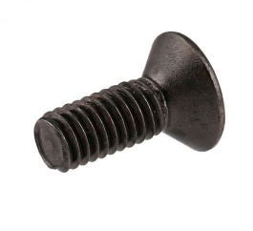 | M3x4(5) Countersink screw |  | Buy | 3
ZR_V2.5 | Hardware | 27 |  | M6X14_ButtonHeadScrew_92095A227 | Screw, ButtonHead - M6X14mm | Buy | 16
ZR_V2.5 | Hardware | 28 |  | M3X10_CapScrew_92290A115 | Screw, Cap - M3X10mm | Buy | 8
ZR_V2.5 | Hardware | 29 |  | M3X12_CapScrew_92290A117 | Screw, Cap - M3X12mm | Buy | 18
ZR_V2.5 | Hardware | 30 |  | M5x40_CapScrew_92290A118 | Screw, Cap - M5X40 | Buy | 4
ZR_V2.5 | Hardware | 33 |  | M4X20_CapScrew_92290A150 | Screw, Cap - M4X20mm | Buy | 9
 |  |  |  | M6x60 CapScrew | Screw, Cap - M6X60 |  | 2
ZR_V2.5 | Hardware | 34 |  | M5X30_CapScrew_90605A257 | Screw, Cap - M5X30 | Buy | 12
ZR_V2.5 | Hardware | 35 |  | M2x8_CapScrew_91290A434 | Screw, CapScrew - M2x8 | Buy | 4
 |  |  | 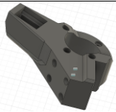 | Arm R |  | Print | 1
 |  |  | 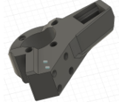 | Arm L |  | Print | 1
 |  |  |  | Arm B |  | Print | 1
 |  |  |  | Retainer R |  | Print | 1
 |  |  |  | Retainter L |  | Print | 1
 |  |  | 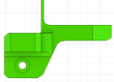 | Retainer B |  | Print | 1
 |  |  | 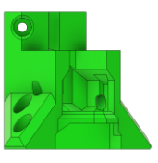 | Bracket R |  | Print | 1
 |  |  | 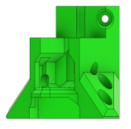 | Bracket L |  | Print | 1
 |  |  |  | Bracket B |  | Print | 1
 |  |  |  | Wing low |  | Print | 3
 |  |  |  | Wing top |  | Print | 2
 |  |  |  | Wing top mirrored |  | Print | 1
 |  |  | 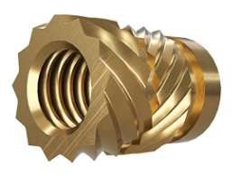 | Ruthex Insert M5 |  | buy | 12
 |  |  |  | Ruthex Insert M3 |  | buy | 16(4)
 |  |  |  | Ruthex Insert M2 |  | buy | 4

