Pivot_channels
1b. Marketing Channel Performance
🎯 22% of users came from Zalo Ads

Marketing Channel Performance
Row Labels | Count of User_ID
Email Campaign | 17.50%
Facebook Ads | 20.50%
Google Search | 17.00%
Referral Program | 23.00%
Zalo Ads | 22.00%
Grand Total | 100.00%

Pivot retention
1a. Retention rate by channel
🎯Referral Program had 23% higher 7-day retention
Retention rate by channel
Count of User_ID | Column Labels
Row Labels | 1 | Grand Total
Email Campaign | 16.36% | 16.36%
Facebook Ads | 22.73% | 22.73%
Google Search | 15.45% | 15.45%
Referral Program | 22.73% | 22.73%
Zalo Ads | 22.73% | 22.73%
Grand Total | 100.00% | 100.00%

Pivot_Engagement
2. User Engagement by Age Group and Gender
- Older user (especially age 45+) are the most engaged in term time spent. - In this group, males had a higher share than females, with 18.8% and 15.2% respectively.

Sum of Duration_by User | Column Labels
Row Labels | F | M | Grand Total
18-24 | 11.09% | 7.92% | 19.01%
25-44 | 17.43% | 6.14% | 23.57%
35-44 | 11.24% | 12.16% | 23.41%
Từ 45 trở lên | 15.21% | 18.80% | 34.02%
Grand Total | 54.97% | 45.03% | 100.00%

Pivot_Action Types
3. Most Time-Spent Actions by Users
🎯Fund Transfer was the most common action among Checking account users with 27.96%

Most Time-Spent Actions by Users
Row Labels | Count of User_ID
App Login | 26.07%
Balance Check | 22.81%
Bill Payment | 23.16%
Fund Transfer | 27.96%
Grand Total | 100.00%

Dashboard_insight 1
📊 Digital Campaign Effectiveness Dashboard
(Tracking user acquisition and reteintion by marketing channels)
🎯 22% users came from Zalo Ads, but Referral Program achieved 23% higher 7-day retention.
Marketing Channel Performance
 | Total
Email Campaign | 17.50%
Facebook Ads | 20.50%
Google Search | 17.00%
Referral Program | 23.00%
Zalo Ads | 22.00%

Retention rate by channel
 | 1
Email Campaign | 16.36%
Facebook Ads | 22.73%
Google Search | 15.45%
Referral Program | 22.73%
Zalo Ads | 22.73%

🔹 1. Key Insights
- The Referral Program brought in 23% of users and kept them engaged at the same 7-day retention rate (22.7%) as Zalo Ads and Facebook Ads.
- Google Search had a lower user acquisition rate at 17%, and a 7-day retention rate of just 12%.

🔹 2. Recommendations
- Focus more on the Referral Program, as it brings in the most users and keeps them engaged well.
- Keep running Zalo Ads and Facebook Ads, since users from these channels also stay active.
- Consider reducing budget for Google Search, as it brings fewer users and they tend to drop off quickly.

(Data source: See sheet ‘User_Data’ ,'Pivot channels' and ' Pivot retention)

Dashboard_insight 2
📊User Engagement Dashboard
(Tracking user engagement by age groups and gender)
🎯Users aged 45+ showed the longest average session duration

 | F | M
18-24 | 11.09% | 7.92%
25-44 | 17.43% | 6.14%
35-44 | 11.24% | 12.16%
Từ 45 trở lên | 15.21% | 18.80%

🔹 1. Key Insights
-Older user (especially age 45+) are the most engaged in term time spent. In this group, males had a higher share than females, with 18.8% and 15.2% respectively
- Alongside, Woman, especially aged 25 - 44 who are significantly more active than man. Based on this metric, we can launch a comfort-focused campaign to attract and retain our most engaged customer segment

🔹 2. Recommendations
We should align our comfort campaign with the timing and behavior of each target segment. It would be better if we launch a comfort-focused campaign targeting two key age groups:
- For users aged 45 and above, who typically spend more time in the app, the focus should be on providing dedicated support and fostering loyalty through simple, trustworthy experiences.
- For females aged 25–44, we should boost engagement by offering timely promotions through relevant channels, tailored to their expectations and built on their existing trust in our services.

(Data source: See sheet ‘User_Data (Analyze) ,'Pivot _Engagement' )

Dashboard_insight 3
📊User Action type Dashboard
(Tracking user action type and duration)
🎯Fund Transfer was the most common action among Checking account users with 27.96%
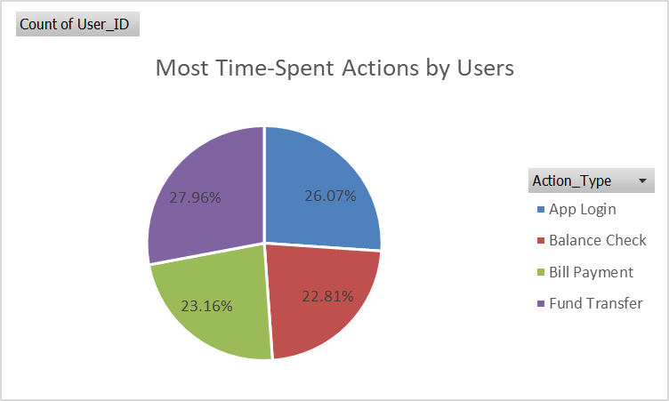

🔹 1. Key Insights
- Fund Transfer (27.96%) is the most commonly performed action, showing it's the most frequently used feature by users. This suggests it’s a core transactional feature with high demand.
- App Login (26.07%) is nearly as frequent, indicating users are regularly accessing the app, which reflects healthy engagement levels.

🔹 2. Recommendations
- Since Fund Transfers lead in frequency, this feature should remain a top priority for performance, security, and UX optimization.
- High login frequency implies users check the app regularly — a great opportunity for personalized in-app promotions or nudges.

(Data source: See sheet ‘ Engagement_Logs (Raw)' ,'Pivot _Action type')

