Sheet1
发表时间 | 网络 | 方法 | 速度(test) | 精度 | 其他 | 作者 | 论文链接
2014 | RCNN | region proposal （2000个）+ SVM | 47s/images(L ) | mAP 53.7% on PASCAL VOC 2010 |  | Ross Girshick | https://arxiv.org/pdf/1311.2524.pdf
2015 | Fast RCNN | 不直接在图像上提region proposal， 而是在CNN抛出的feature上do region proposal | 0.32s/images(L) | 在VOC一系列MAP在不到70%的样子 | 主要解决RCNN region proposal很慢的问题 | Ross Girshick | https://arxiv.org/pdf/1504.08083.pdf
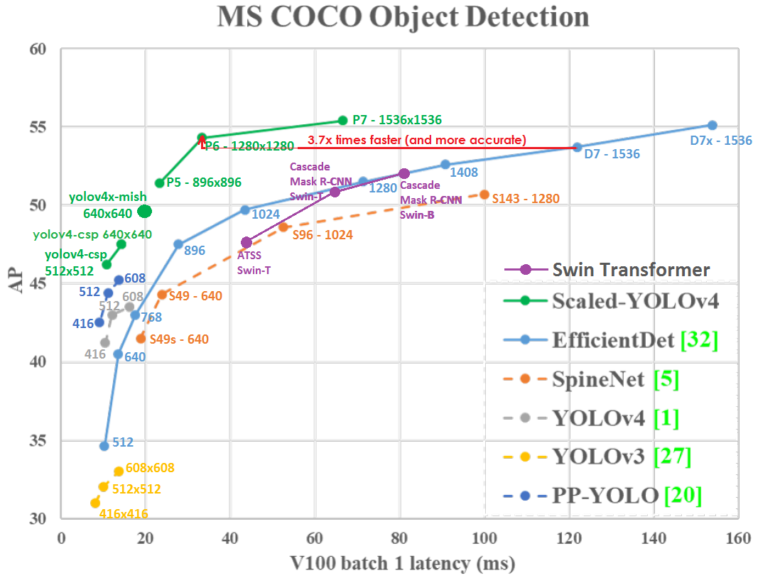
2016 | Faster R-CNN | 有一个单独的region proposal network(RPNS)去做region proposal的工作，改进了selective research | 198ms(region proposal +detection) 17 fps with the ZF net. | map < 80% (on VOC) |  | Shaoqing Ren | https://arxiv.org/pdf/1506.01497.pdf
2016(CVPR) | YOLO |  | 47fps |  |  | Joseph Redmon | https://arxiv.org/pdf/1506.02640.pdf
2017(CVPR) | Yolo9000 |  |  |  |  | Joseph Redmon | https://arxiv.org/pdf/1612.08242.pdf
2018 | YOLOv3 |  |  |  |  | Joseph Redmon | https://arxiv.org/pdf/1804.02767.pdf
2020 | YOLOV4 |  |  |  |  | Alexey Bochkovskiy | https://arxiv.org/pdf/2004.10934.pdf
2020 | ultralytics/yolov5 |  |  |  |  | Ultralytics LLC | https://github.com/ultralytics/yolov5
2021(CVPR) | scaled yolov4 |  |  |  |  | Chien-Yao Wang1 , Alexey Bochkovskiy | https://openaccess.thecvf.com/content/CVPR2021/papers/Wang_Scaled-YOLOv4_Scaling_Cross_Stage_Partial_Network_CVPR_2021_paper.pdf
2019 | YOLACT |  |  |  | 实例分割
2020 | Poly-Yolo |  |  |  | 实例分割
2021 | TPH-YOLOv5 |  |  |  | Transformer Prediction | Xingkui Zhu | https://arxiv.org/pdf/2108.11539.pdf

