Open
 |  | Mean | -0.0625 |  |  |  | Mean | 3.3571428571 |  |  |  | Mean | 33.169811321
 |  | Median | -1 |  |  |  | Median | 3.5 |  |  |  | Median | 33.5

 | Lockdown 1 |  |  |  |  | Lockdown 2 |  |  |  |  | Lockdown 3
 | mob_index | r_index | difference | Equal? |  | mob_index | r_index | difference | Equal? |  | mob_index | r_index | diff | Equal?
1 | 1 | 7 | 6 | 0 | 1 | 1 | 6 | 5 | 0 | 1 | 1 | 62 | 61 | 0 | Lockdown 1
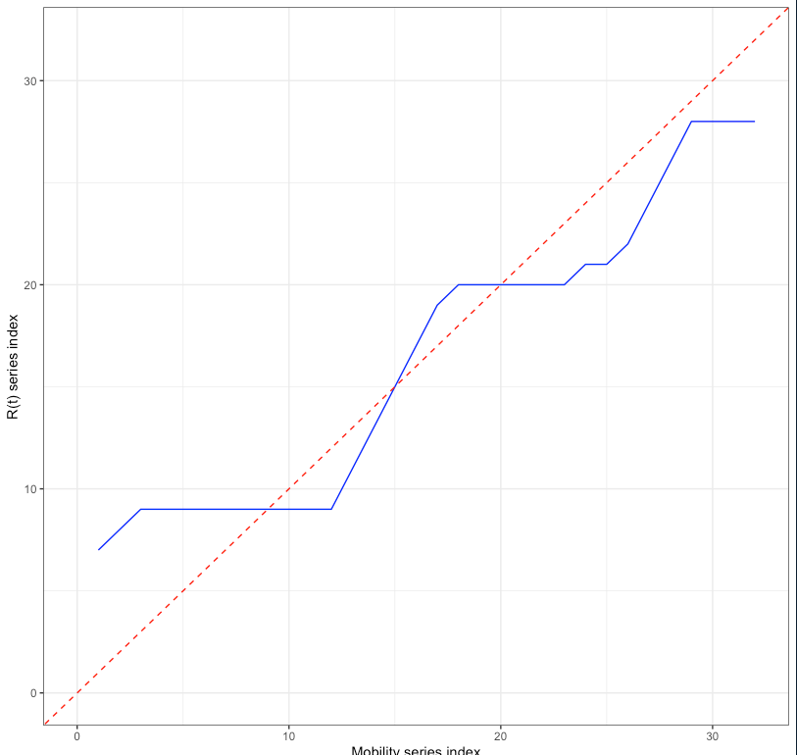
2 | 2 | 8 | 6 | 0 | 2 | 2 | 8 | 6 | 0 | 2 | 2 | 63 | 61 | 0
3 | 3 | 9 | 6 | 0 | 3 | 3 | 10 | 7 | 0 | 3 | 3 | 65 | 62 | 0
4 | 4 | 9 | 5 | 0 | 4 | 4 | 12 | 8 | 0 | 4 | 4 | 67 | 63 | 0
5 | 5 | 9 | 4 | 0 | 5 | 5 | 13 | 8 | 0 | 5 | 5 | 67 | 62 | 0
6 | 6 | 9 | 3 | 0 | 6 | 6 | 13 | 7 | 0 | 6 | 6 | 67 | 61 | 0
7 | 7 | 9 | 2 | 0 | 7 | 7 | 15 | 8 | 0 | 7 | 7 | 67 | 60 | 0
8 | 8 | 9 | 1 | 0 | 8 | 8 | 15 | 7 | 0 | 8 | 8 | 67 | 59 | 0
9 | 9 | 9 | 0 | 1 | 9 | 9 | 16 | 7 | 0 | 9 | 9 | 67 | 58 | 0
10 | 10 | 9 | -1 | 0 | 10 | 10 | 16 | 6 | 0 | 10 | 10 | 67 | 57 | 0
11 | 11 | 9 | -2 | 0 | 11 | 11 | 16 | 5 | 0 | 11 | 11 | 67 | 56 | 0
12 | 12 | 9 | -3 | 0 | 12 | 12 | 16 | 4 | 0 | 12 | 12 | 67 | 55 | 0
13 | 13 | 11 | -2 | 0 | 13 | 13 | 16 | 3 | 0 | 13 | 13 | 67 | 54 | 0
14 | 14 | 13 | -1 | 0 | 14 | 14 | 18 | 4 | 0 | 14 | 14 | 67 | 53 | 0
15 | 15 | 15 | 0 | 1 | 15 | 15 | 19 | 4 | 0 | 15 | 15 | 67 | 52 | 0
16 | 16 | 17 | 1 | 0 | 16 | 16 | 19 | 3 | 0 | 16 | 16 | 67 | 51 | 0
17 | 17 | 19 | 2 | 0 | 17 | 17 | 20 | 3 | 0 | 17 | 17 | 67 | 50 | 0
18 | 18 | 20 | 2 | 0 | 18 | 18 | 20 | 2 | 0 | 18 | 18 | 67 | 49 | 0
19 | 19 | 20 | 1 | 0 | 19 | 19 | 20 | 1 | 0 | 19 | 19 | 67 | 48 | 0
20 | 20 | 20 | 0 | 1 | 20 | 20 | 21 | 1 | 0 | 20 | 20 | 67 | 47 | 0
21 | 21 | 20 | -1 | 0 | 21 | 21 | 21 | 0 | 1 | 21 | 21 | 67 | 46 | 0
22 | 22 | 20 | -2 | 0 | 22 | 22 | 22 | 0 | 1 | 22 | 22 | 67 | 45 | 0
23 | 23 | 20 | -3 | 0 | 23 | 23 | 22 | -1 | 0 | 23 | 23 | 67 | 44 | 0
24 | 24 | 21 | -3 | 0 | 24 | 24 | 23 | -1 | 0 | 24 | 24 | 67 | 43 | 0
25 | 25 | 21 | -4 | 0 | 25 | 25 | 24 | -1 | 0 | 25 | 25 | 68 | 43 | 0
26 | 26 | 22 | -4 | 0 | 26 | 26 | 25 | -1 | 0 | 26 | 26 | 69 | 43 | 0
27 | 27 | 24 | -3 | 0 | 27 | 27 | 26 | -1 | 0 | 27 | 27 | 69 | 42 | 0
28 | 28 | 26 | -2 | 0 | 28 | 28 | 28 | 0 | 1 | 28 | 28 | 69 | 41 | 0 | Lockdown 2
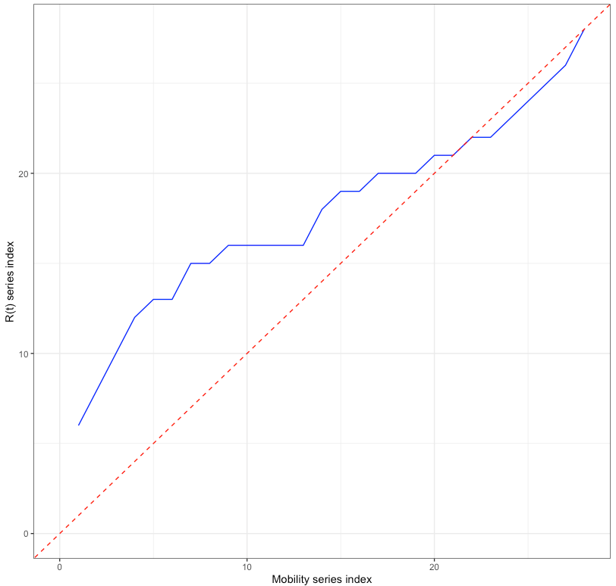
29 | 29 | 28 | -1 | 0 |  |  |  |  |  | 29 | 29 | 69 | 40 | 0
30 | 30 | 28 | -2 | 0 |  |  |  |  |  | 30 | 30 | 69 | 39 | 0
31 | 31 | 28 | -3 | 0 |  |  |  |  |  | 31 | 31 | 69 | 38 | 0
32 | 32 | 28 | -4 | 0 |  |  |  |  |  | 32 | 32 | 69 | 37 | 0
 |  |  |  |  |  |  |  |  |  | 33 | 33 | 69 | 36 | 0
 |  |  |  |  |  |  |  |  |  | 34 | 34 | 69 | 35 | 0
 |  |  |  |  |  |  |  |  |  | 35 | 35 | 69 | 34 | 0
 |  |  |  |  |  |  |  |  |  | 36 | 36 | 69 | 33 | 0
 |  |  |  |  |  |  |  |  |  | 37 | 37 | 69 | 32 | 0
 |  |  |  |  |  |  |  |  |  | 38 | 38 | 69 | 31 | 0
 |  |  |  |  |  |  |  |  |  | 39 | 39 | 69 | 30 | 0
 |  |  |  |  |  |  |  |  |  | 40 | 40 | 69 | 29 | 0
 |  |  |  |  |  |  |  |  |  | 41 | 41 | 69 | 28 | 0
 |  |  |  |  |  |  |  |  |  | 42 | 42 | 69 | 27 | 0
 |  |  |  |  |  |  |  |  |  | 43 | 43 | 69 | 26 | 0
 |  |  |  |  |  |  |  |  |  | 44 | 44 | 69 | 25 | 0
 |  |  |  |  |  |  |  |  |  | 45 | 45 | 69 | 24 | 0
 |  |  |  |  |  |  |  |  |  | 46 | 46 | 71 | 25 | 0
 |  |  |  |  |  |  |  |  |  | 47 | 47 | 73 | 26 | 0
 |  |  |  |  |  |  |  |  |  | 48 | 48 | 75 | 27 | 0
 |  |  |  |  |  |  |  |  |  | 49 | 49 | 77 | 28 | 0
 |  |  |  |  |  |  |  |  |  | 50 | 50 | 79 | 29 | 0
 |  |  |  |  |  |  |  |  |  | 51 | 51 | 81 | 30 | 0
 |  |  |  |  |  |  |  |  |  | 52 | 52 | 83 | 31 | 0
 |  |  |  |  |  |  |  |  |  | 53 | 53 | 85 | 32 | 0
 |  |  |  |  |  |  |  |  |  | 54 | 54 | 87 | 33 | 0
 |  |  |  |  |  |  |  |  |  | 55 | 55 | 89 | 34 | 0
 |  |  |  |  |  |  |  |  |  | 56 | 56 | 91 | 35 | 0 | Lockdown 3
 |  |  |  |  |  |  |  |  |  | 57 | 57 | 93 | 36 | 0
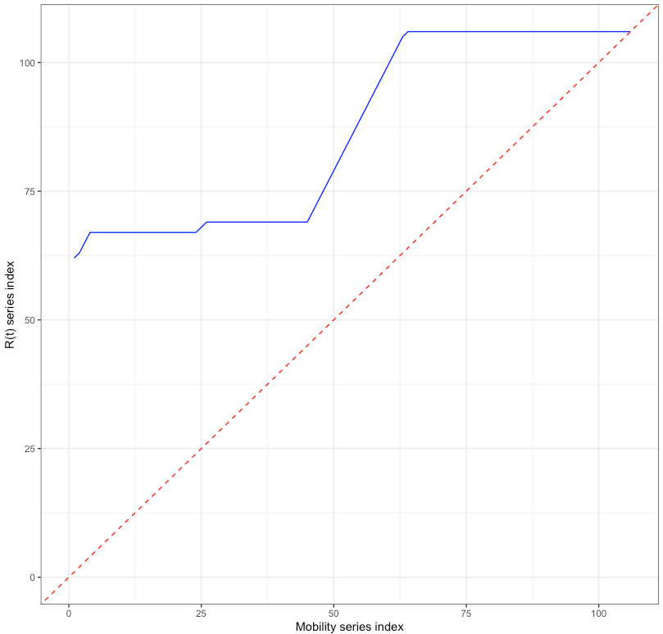
 |  |  |  |  |  |  |  |  |  | 58 | 58 | 95 | 37 | 0
 |  |  |  |  |  |  |  |  |  | 59 | 59 | 97 | 38 | 0
 |  |  |  |  |  |  |  |  |  | 60 | 60 | 99 | 39 | 0
 |  |  |  |  |  |  |  |  |  | 61 | 61 | 101 | 40 | 0
 |  |  |  |  |  |  |  |  |  | 62 | 62 | 103 | 41 | 0
 |  |  |  |  |  |  |  |  |  | 63 | 63 | 105 | 42 | 0
 |  |  |  |  |  |  |  |  |  | 64 | 64 | 106 | 42 | 0
 |  |  |  |  |  |  |  |  |  | 65 | 65 | 106 | 41 | 0
 |  |  |  |  |  |  |  |  |  | 66 | 66 | 106 | 40 | 0
 |  |  |  |  |  |  |  |  |  | 67 | 67 | 106 | 39 | 0
 |  |  |  |  |  |  |  |  |  | 68 | 68 | 106 | 38 | 0
 |  |  |  |  |  |  |  |  |  | 69 | 69 | 106 | 37 | 0
 |  |  |  |  |  |  |  |  |  | 70 | 70 | 106 | 36 | 0
 |  |  |  |  |  |  |  |  |  | 71 | 71 | 106 | 35 | 0
 |  |  |  |  |  |  |  |  |  | 72 | 72 | 106 | 34 | 0
 |  |  |  |  |  |  |  |  |  | 73 | 73 | 106 | 33 | 0
 |  |  |  |  |  |  |  |  |  | 74 | 74 | 106 | 32 | 0
 |  |  |  |  |  |  |  |  |  | 75 | 75 | 106 | 31 | 0
 |  |  |  |  |  |  |  |  |  | 76 | 76 | 106 | 30 | 0
 |  |  |  |  |  |  |  |  |  | 77 | 77 | 106 | 29 | 0
 |  |  |  |  |  |  |  |  |  | 78 | 78 | 106 | 28 | 0
 |  |  |  |  |  |  |  |  |  | 79 | 79 | 106 | 27 | 0
 |  |  |  |  |  |  |  |  |  | 80 | 80 | 106 | 26 | 0
 |  |  |  |  |  |  |  |  |  | 81 | 81 | 106 | 25 | 0
 |  |  |  |  |  |  |  |  |  | 82 | 82 | 106 | 24 | 0
 |  |  |  |  |  |  |  |  |  | 83 | 83 | 106 | 23 | 0
 |  |  |  |  |  |  |  |  |  | 84 | 84 | 106 | 22 | 0
 |  |  |  |  |  |  |  |  |  | 85 | 85 | 106 | 21 | 0
 |  |  |  |  |  |  |  |  |  | 86 | 86 | 106 | 20 | 0
 |  |  |  |  |  |  |  |  |  | 87 | 87 | 106 | 19 | 0
 |  |  |  |  |  |  |  |  |  | 88 | 88 | 106 | 18 | 0
 |  |  |  |  |  |  |  |  |  | 89 | 89 | 106 | 17 | 0
 |  |  |  |  |  |  |  |  |  | 90 | 90 | 106 | 16 | 0
 |  |  |  |  |  |  |  |  |  | 91 | 91 | 106 | 15 | 0
 |  |  |  |  |  |  |  |  |  | 92 | 92 | 106 | 14 | 0
 |  |  |  |  |  |  |  |  |  | 93 | 93 | 106 | 13 | 0
 |  |  |  |  |  |  |  |  |  | 94 | 94 | 106 | 12 | 0
 |  |  |  |  |  |  |  |  |  | 95 | 95 | 106 | 11 | 0
 |  |  |  |  |  |  |  |  |  | 96 | 96 | 106 | 10 | 0
 |  |  |  |  |  |  |  |  |  | 97 | 97 | 106 | 9 | 0
 |  |  |  |  |  |  |  |  |  | 98 | 98 | 106 | 8 | 0
 |  |  |  |  |  |  |  |  |  | 99 | 99 | 106 | 7 | 0
 |  |  |  |  |  |  |  |  |  | 100 | 100 | 106 | 6 | 0
 |  |  |  |  |  |  |  |  |  | 101 | 101 | 106 | 5 | 0
 |  |  |  |  |  |  |  |  |  | 102 | 102 | 106 | 4 | 0
 |  |  |  |  |  |  |  |  |  | 103 | 103 | 106 | 3 | 0
 |  |  |  |  |  |  |  |  |  | 104 | 104 | 106 | 2 | 0
 |  |  |  |  |  |  |  |  |  | 105 | 105 | 106 | 1 | 0
 |  |  |  |  |  |  |  |  |  | 106 | 106 | 106 | 0 | 1

