Sheet2
Ratio of Profitable Films by Buget
Count of profitable | Column Labels
Row Labels | No | Yes | Grand Total
$10-25MM | 457 | 710 | 1167
$25-50MM | 243 | 575 | 818
$50-75MM | 90 | 257 | 347
$75-100MM | 45 | 172 | 217
< $10MM | 850 | 640 | 1490
> $100MM | 24 | 324 | 348
Grand Total | 1709 | 2678 | 4387

Sheet3
Ratio of Profitable Films by Budget
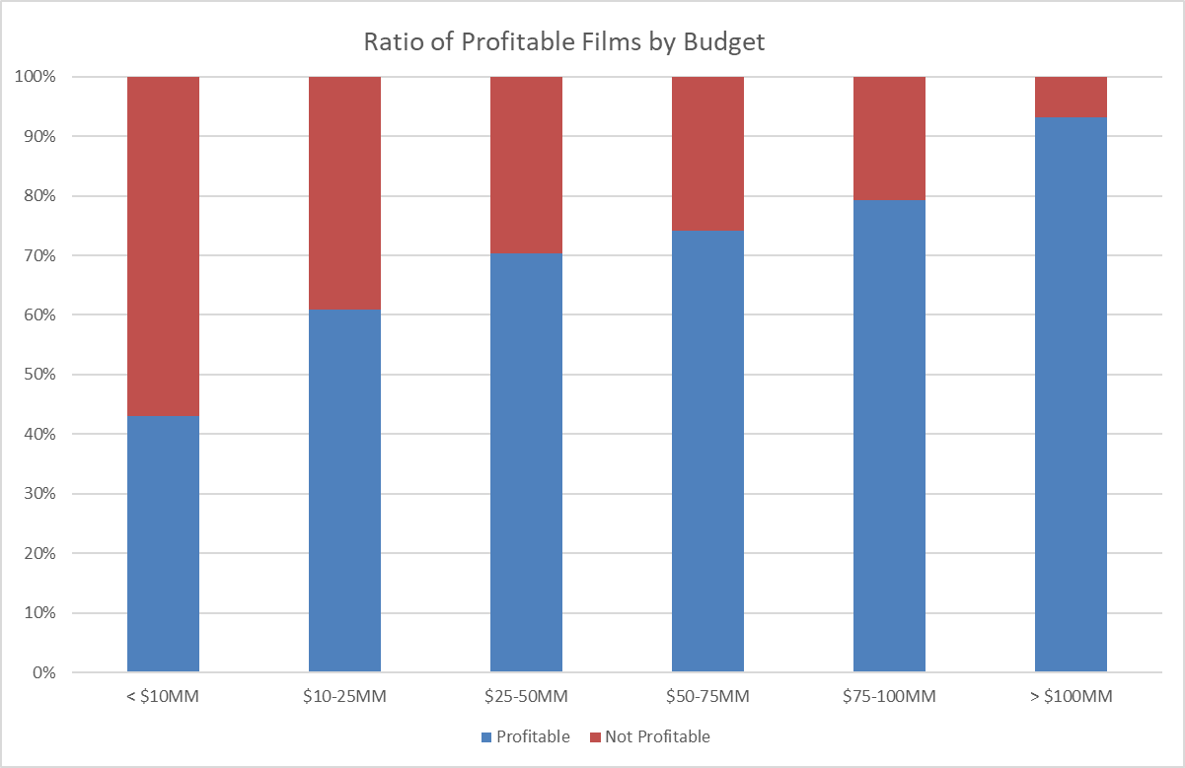
Row Labels | Yes | No | Grand Total
< $10MM | 640 | 850 | 1490
$10-25MM | 710 | 457 | 1167
$25-50MM | 575 | 243 | 818
$50-75MM | 257 | 90 | 347
$75-100MM | 172 | 45 | 217
> $100MM | 324 | 24 | 348

