Foglio1
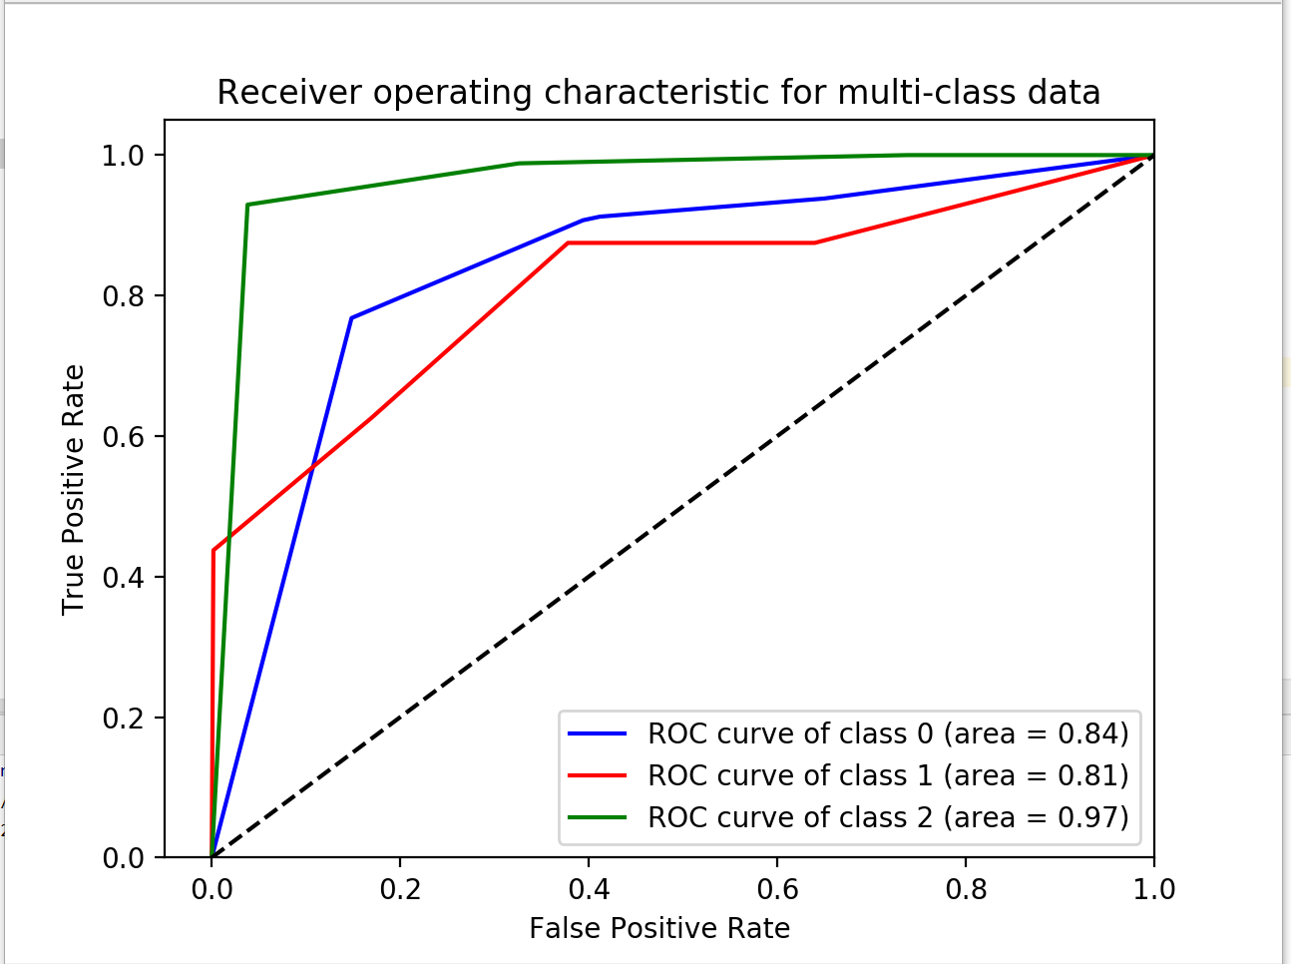
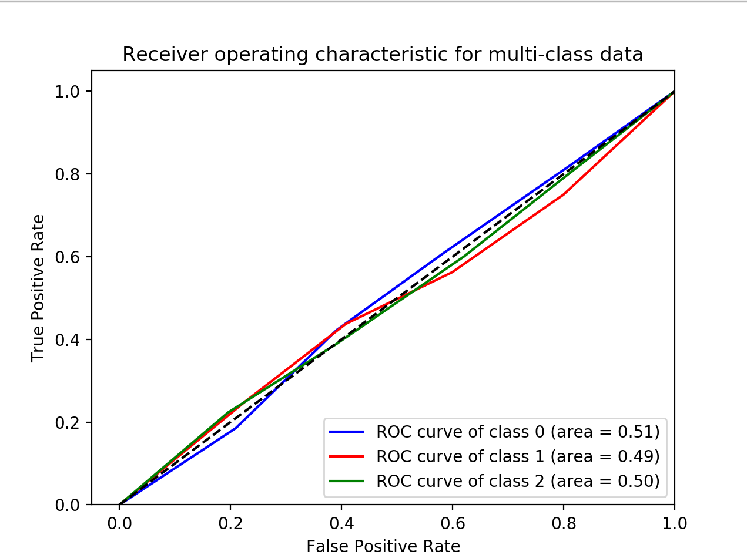
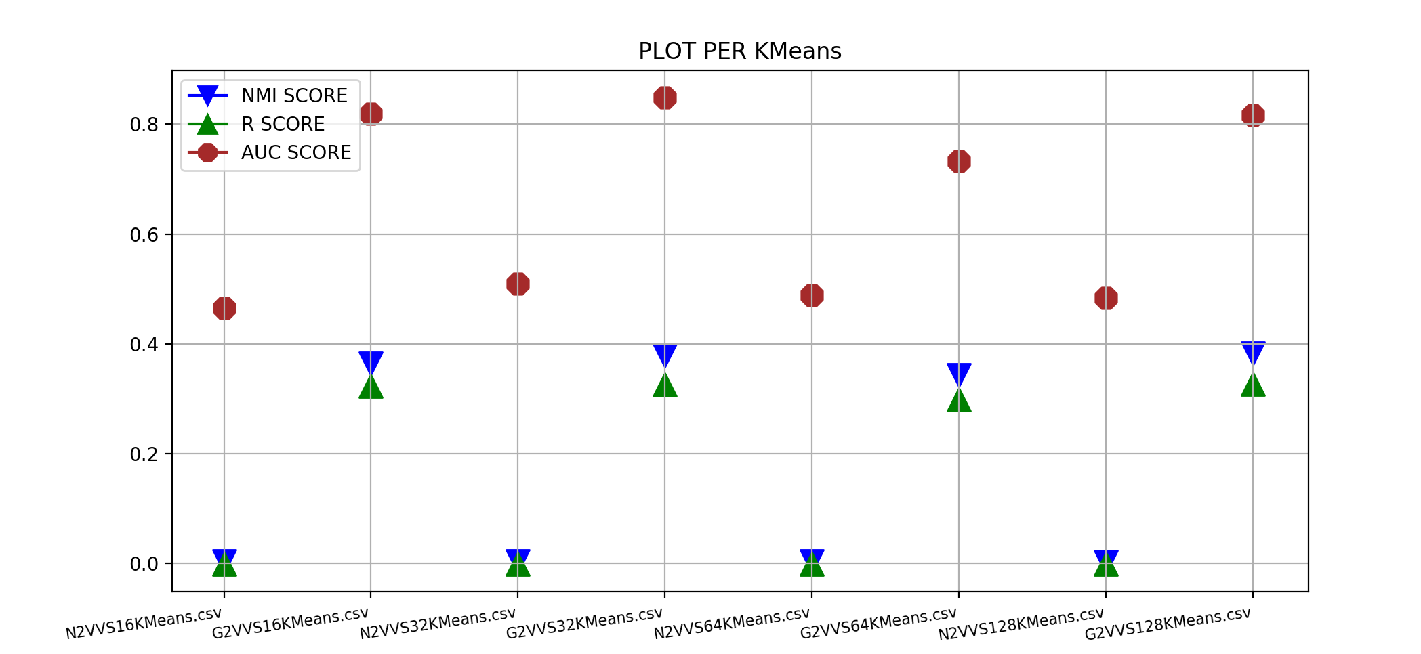
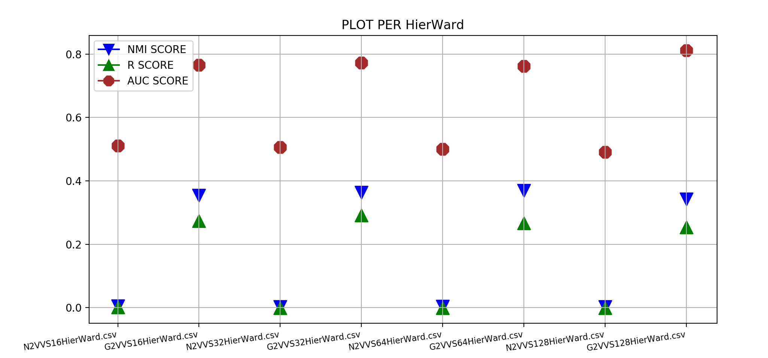
Tabella N2VVSKMeans |  |  |  | Tabella N2VVSTKMeans
 | NMI | RI | AUC |  | NMI | RI | AUC
N16 | 0.004 | -0.0007 | 0.49 | N16 | 0.001 | 0,000087‬ | 0.51
N32 | 0.0003 | -0.0009 | 0.5 | N32 | 0.001 | 0.0001 | 0.46
N64 | 0.003 | -0.0007 | 0.507 | N64 | 0.0009 | 0.00008 | 0.49
N128 | 0.003 | -0.0006 | 0.5 | N128 | 0.0011 | 0.0002 | 0.5

Tabella G2VVSKMeans |  |  |  | Tabella G2VVSTKMeans
 | NMI | RI | AUC |  | NMI | RI | AUC
G16 | 0.36 | 0.32 | 0.85 | G16 | 0.12 | 0.08 | 0.67
G32 | 0.38 | 0.33 | 0.87 | G32 | 0.12 | 0.09 | 0.69
G64 | 0.35 | 0.3 | 0.78 | G64 | 0.12 | 0.08 | 0.67
G128 | 0.38 | 0.32 | 0.82 | G128 | 0.11 | 0.08 | 0.67

Tabella N2VVSHW |  |  |  | Tabella N2VVSTHW
 | NMI | RI | AUC |  | NMI | RI | AUC
N16 | 0.005 | 0.001 | 0.6 | N16 | 0.001 | 0.001 | 0.51
N32 | 0.003 | -0.003 | 0.49 | N32 | 0.0009 | 0.001 | 0.49
N64 | 0.003 | -0.001 | 0.5 | N64 | 0.0008 | 0.0004 | 0.49
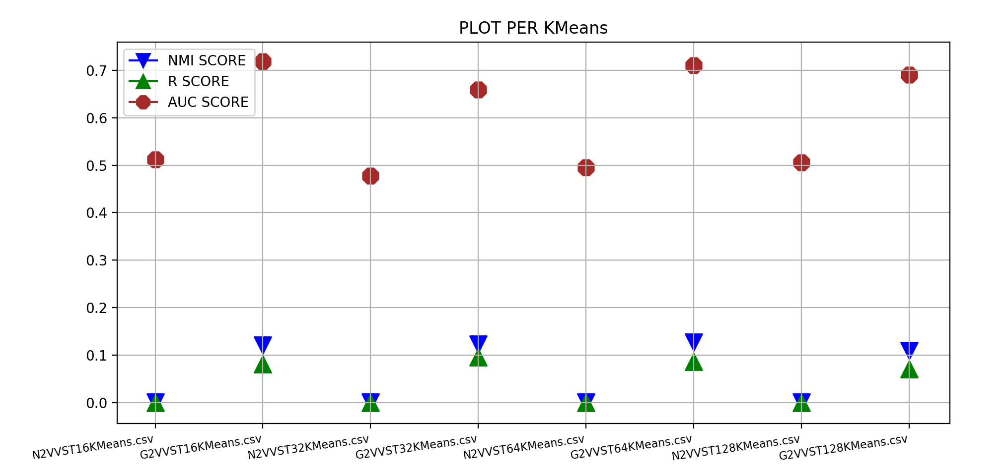
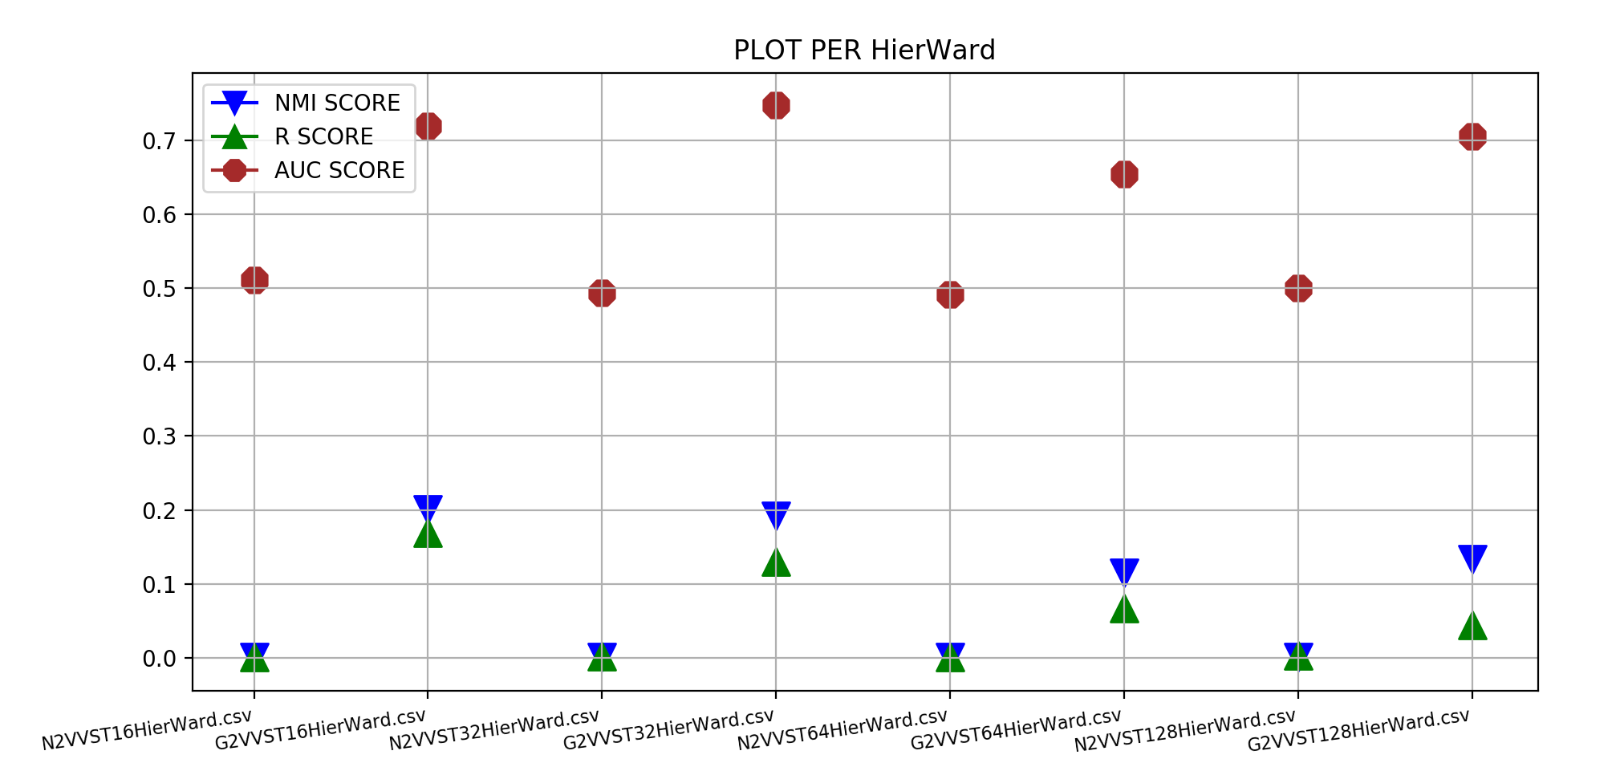
N128 | 0.002 | -0.005 | 0.48 | N128 | 0.001 | 0.003 | 0.51

Tabella G2VVSHW |  |  |  | Tabella G2VVSTKHW
 | NMI | RI | AUC |  | NMI | RI | AUC
G16 | 0.35 | 0.27 | 0.85 | G16 | 0.2 | 0.17 | 0.73
G32 | 0.36 | 0.29 | 0.82 | G32 | 0.19 | 0.13 | 0.73
G64 | 0.37 | 0.28 | 0.83 | G64 | 0.11 | 0.07 | 0.67
G128 | 0.34 | 0.25 | 0.84 | G128 | 0.13 | 0.04 | 0.73

