TwoInputFields
 |  |  |  |  |  |  |  |  |  |  |  |  | Teszt szkript |  |  |  | Teszt futtatása
Azonosító (ID/Key) | Név (Name) | Leírás (Description/objective) | Előfeltétel (Precondition) | Folder | Status | Assumptions | Prioritás (Priority) | Felelős (Owner) | Estimated | Labels | Coverage (Issues) | Coverage (Pages) | Tesztlépések (Test Steps) | Tesztadat (Test Data) | Elvárt eredmény (Expected Result) | Plain text | Tényleges eredmény (Actual Result) | Siker/Hiba (Pass/Fail) | Megjegyzés (Comment)
TIF0 | TAB keyboard button | Jump forward with TAB between fields and buttons. Verify if it works. | Left-mouse click in the first input field and press TAB on your keyboard. |  |  | Keyboard is connected and the website is navigable with keyboard buttons. | Normál | Alex Ermilov | 1:00:00 |  |  |  | 1. Navigate to the URL 2. Left-mouse click in the first input field 3. Press TAB on keyboard 4. Repeat step 3 until you reach the bottom of the website. | URL: http://demo.seleniumeasy.com/basic-first-form-demo.html | By pressing TAB on the keyboard, the active input field or button should jump/change to the next one in order (towards the bottom of the website). When the bottom is reached, it should start over on the top. |  | By pressing TAB on the keyboard, the active input field or button jumps/changes to the next one in order (towards the bottom of the website). When the bottom is reached, it starts over on the top. | Siker
TIF1 | Supporting links | Verify if the supporting links on the bottom of the website (in black; Tutorials Menu or Popular Posts) are working. | Left-mouse click on any of the links (e.g., Selenium Tutorials). |  |  | The supporting links are active and their websites are filled with content. | Normál | Alex Ermilov | 1:00:00 |  |  |  | 1. Navigate to the URL 2. Left-mouse click on any of the supporting links on the website bottom 3. Verify if the right content is shown in the new window | URL: http://demo.seleniumeasy.com/basic-first-form-demo.html | By clicking on any of the supporting links, the promised content is shown in the new window (e.g., clicking on Selenium Tutorials result in opening a site, where tutorial material can be found) |  | Internal Server Error message is received with any of the supporting links. | Hiba | bug001
TIF2 | Enter message: plain text | Verify if entering a simple message (into Enter message input field) and clicking the "Show Message" button, results in the message correctly printed next to "Your Message:" | Type your message into the "Enter message" input field and click Show Message. |  |  | It is possible to type in the Enter message input field. | Magas | Alex Ermilov | 1:00:00 |  |  |  | 1. Enter the MESSAGE in the Enter Message field. 2. Left-mouse click on the Show Message button 3. Verify if the message is printed correctly. | MESSAGE: Let's see if it is printed correctly. This is a second sentence. This is a third sentence. | After typing in the message and clicking the button, the message is shown without any lossess and the body of the text is organized within the frame of the textbox. |  | After typing in the message and clicking the button, the message is shown without any lossess and the body of the text is organized within the frame of the textbox. | Siker
TIF3 | Enter message: testing character limit | Verify if entering an extremely long string (into Enter message input field), without SPACE, will be automatically separated to fit the textbox and shown inside the frames of the textbox. | Type your message into the "Enter message" input field and click Show Message. |  |  | It is possible to type in the Enter message input field. | Magas | Alex Ermilov | 1:00:00 |  |  |  | 1. Enter the MESSAGE in the Enter Message field. 2. Left-mouse click on the Show Message button 3. Verify if the message is printed correctly. | MESSAGE: aaaaaaaaaaaaaaaaaaaaaaaaaaaaaaaaaaaaaaaaaaaaaaaaaaaaaaaaaaaabbbbbbbbbbbbbbbbb | After typing in the message and clicking the button, the message is shown without any lossess and the body of the text is organized within the frame of the textbox. |  | The entered message is not respecting the boundaries of the textbox and not automatically separated. The message is kept in one line and running out of the textbox. | Hiba | Max length is 65 charachter, which still fits the textbox. Bug002
TIF4 | ENTER keyboard button | Verify if pressing ENTER on keyboard after typing in your input is equal to clicking on the given button. | An input is typed in (any of the input fields). |  |  | Keyboard is connected and the website is navigable with keyboard buttons. | Normál | Alex Ermilov | 1:00:00 |  |  |  | 1. Type in your input in any of the input fields (e.g., Enter message). 2. Press ENTER on keyboard 3. Verify if the input was correctly received by the website. | INPUT INTO THE ENTER MESSAGE FIELD: Let's write this and press Enter. | After typing in the message and pressing ENTER on keyboard, the website receives the input and executes the command linked to the given input field. |  | By pressing ENTER the website refreshes and the input data is lost, the input fields are emptied. | Hiba | Pressing ENTER does not send the input to the website anywhere, it generally refreshes the site and empties the input fields. bug003
TIF5 | Javascript commands | Verify if entering Javascript codes into the Enter message input field prints the entered code as text, instead of being executed as code. | A Javascript code is copied into the Enter message input field. |  |  | The website was developped with Javascript. | Magas | Alex Ermilov | 1:00:00 |  |  |  | 1. Type in your input in any of the input fields (e.g., Enter message). 2. Click on the Show Message button. 3. Verify if the input was printed as text or executed as a code. | INPUT INTO THE ENTER MESSAGE FIELD: <button type="button" onclick='document.getElementById("demo").innerHTML = "Hello JavaScript!"'>Click Me!</button> | The input is printed as text. |  | Instead of printing the input as text, the Javascript code is rather incorporated into the code of the website and is executed. A clickable Click Me! button is added next to Your Message: . | Hiba | 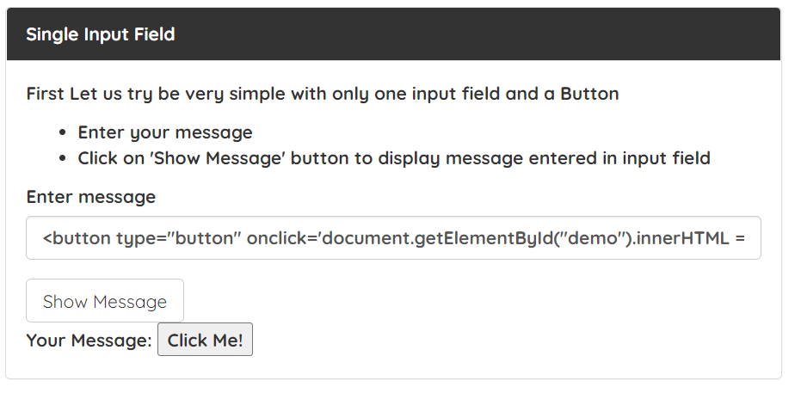 bug004
TIF6 | Adding decimals | Verify if entering decimals as inputs into Two Input Fields will correctly calculate the result. | The URL is open. |  |  | It is possible to type in the Enter a and Enter b input fields. | Magas | Alex Ermilov | 1:00:00 |  |  |  | 1. Type in your input into Enter a. 2. Type in your input into Enter b. 3. Click on the Get Total button. | INPUT INTO ENTER A: 2.3 INPUT INTO ENTER B: 1.7 | "Total a + b = 4" is printed. |  | "Total a + b = 3" is printed. | Hiba | bug005

BootstrapDate
Azonosító (ID/Key) | Név (Name) | Leírás (Description/objective) | Előfeltétel (Precondition) | Folder | Status | Assumptions | Prioritás (Priority) | Felelős (Owner) | Estimated | Labels | Coverage (Issues) | Coverage (Pages) | Tesztlépések (Test Steps) | Tesztadat (Test Data) | Elvárt eredmény (Expected Result) | Plain text | Tényleges eredmény (Actual Result) | Siker/Hiba (Pass/Fail) | Megjegyzés (Comment)
BSD0 | Future dates disabled | Checking if selecting future dates is indeed disabled. | The URL is open. |  |  |  | Magas | Alex Ermilov | 2:00:00 |  |  |  | 1. Set the date on your device to any future date. 2. In Date Example, left-mouse click on the Select Date window 3. Select the Today option | URL: http://demo.seleniumeasy.com/bootstrap-date-picker-demo.html | The selection will pick the real date of today and not the one the user set on the device. |  | The selection picked the date the user defined and not the real date of today. | Hiba | The inquiry is linked to the user's device to retrieve the date and not to a server. Hence, selecting a future date is possible this way. Bug009 | 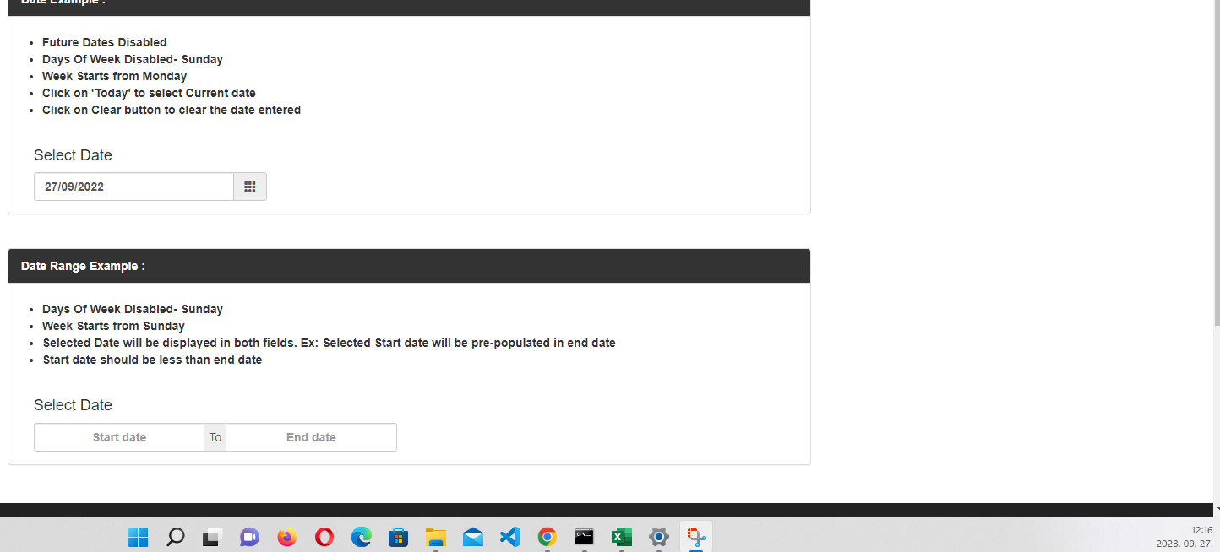
BSD1 | Days of week disabled - Sunday | Checking if selecting Sunday dates is indeed disabled. | The URL is open. |  |  |  | Magas | Alex Ermilov | 2:00:00 |  |  |  | 1. Set the date on your device to any Sunday date (e.g., 25/09/2022). Neglect this step if the day you are testing on happens to be Sunday. 2. In Date Example, left-mouse click on the Select Date window 3. Select the Today option | URL: http://demo.seleniumeasy.com/bootstrap-date-picker-demo.html | The selection will not pick Today, as it is a Sunday. |  | The selection picked today's date eventhough it is Sunday. | Hiba | The function works well if the user tries to pick the Sunday date in the calendar-view. Only the Today button happens to be a bug. Bug010
BSD2 | Week starts from Monday | Checking if the weeks are indeed starting with Mondays. | The URL is open. |  |  |  | Normál | Alex Ermilov | 2:00:00 |  |  |  | 1. In Date Example, left-mouse click on the Select Date window 2. Verify, if the weeks are starting with Monday (Mo). | URL: http://demo.seleniumeasy.com/bootstrap-date-picker-demo.html | In the calendar-view, Mondays are in the first coloumn. |  | In the calendar-view, Mondays are in the first coloumn. | Siker
BSD3 | Clear button | Checking if the Clear button works as intended. | The URL is open. |  |  |  | Magas | Alex Ermilov | 2:00:00 |  |  |  | 1. In Date Example, left-mouse click on the Select Date window 2. Choose any date 3. In Date Example, left-mouse click on the Select Date window again 4. Click on Clear | URL: http://demo.seleniumeasy.com/bootstrap-date-picker-demo.html | Using the Clear function, the previously selected date is deleted, the selection window is empty again. |  | Using the Clear function, the previously selected date is deleted, the selection window is empty again. | Siker
BSD4 | Negative dates | Checking if negative dates cannot be entered. | The URL is open. The user refreshed the website. |  |  |  | Magas | Alex Ermilov | 2:00:00 |  |  |  | 1. In Date Example, left-mouse click on the Select Date window 2. Click on 'September 2022' on the top of the calendar-view. 3. Click on '2022' on the top of the calendar-view. 3. Click on the double-left arrow symbol multiple times until you reach negative values OR a limit value. | URL: http://demo.seleniumeasy.com/bootstrap-date-picker-demo.html | Negative dates/values cannot be selected. |  | Negative values can be selected. | Hiba | The user can select negative years. Also, seamingly there is no bottom limit to this. E.g., the year of "- 99 999" can also be selected. Bug011. Directly typing in negative dates however, is not possible.

