Use Cases
Middleweight Watching TV (Netflix) Use Case
Use case: | Watching TV (Netflix)
Actor: | User/customer

Basic Flow
Description | The user wishes to turn on the TV, select a show on Netflix and watch it. When the show is finished, the user turns off the TV. The user uses the remote for the whole process.
1 | The user grabs the remote and presses the power button on it.
2 | The TV turns on
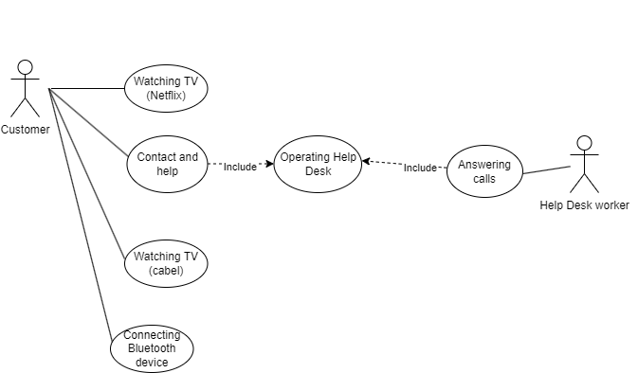
3 | Access the Netflix online service
4 | Netflix accessed
5 | Listing available products of interest
6 | Choosing a show to watch
7 | The show starts
8 | The show is finished succesfully
9 | The user presses the power button on the remote.
10 | The TV turns off

Alternative flow 1
2A | The TV does not turn on
2B | The user presses the power button on the TV
2C | The TV still does not turn on
2A | The user waits about 1 minute
2B | The user presses the power button on the TV again
2C | The TV still does not turn on
2A | The user calls the Help Desk
2B | Help Desk receives the call
2C | The user is able to solve the problem with help | Use case diagram (4 példa use case csak)
3 | The TV turns on
4 | Call is terminated
5 | Access the Netflix online service
6 | Netflix accessed
7 | Listing available products of interest
8 | Choosing a show to watch
9 | The show starts
10 | The show is finished succesfully
11 | The user presses the power button on the remote.
12 | The TV turns off

Alternative flow 2
2A | The TV does not turn on
2B | The user replaces the batteries in the remote.
2C | The user presses the power button on the remote
3 | The TV turns on
4 | Access the Netflix online service
5 | Netflix accessed
6 | Listing available products of interest
7 | Choosing a show to watch
8 | The show starts
9 | The show is finished succesfully
10 | The user presses the power button on the remote.
11 | The TV turns off

State Transitions
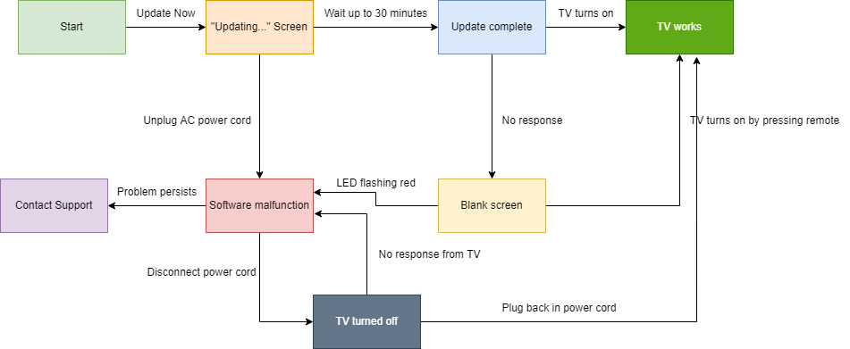
Software update

