Motopp Declaration Form
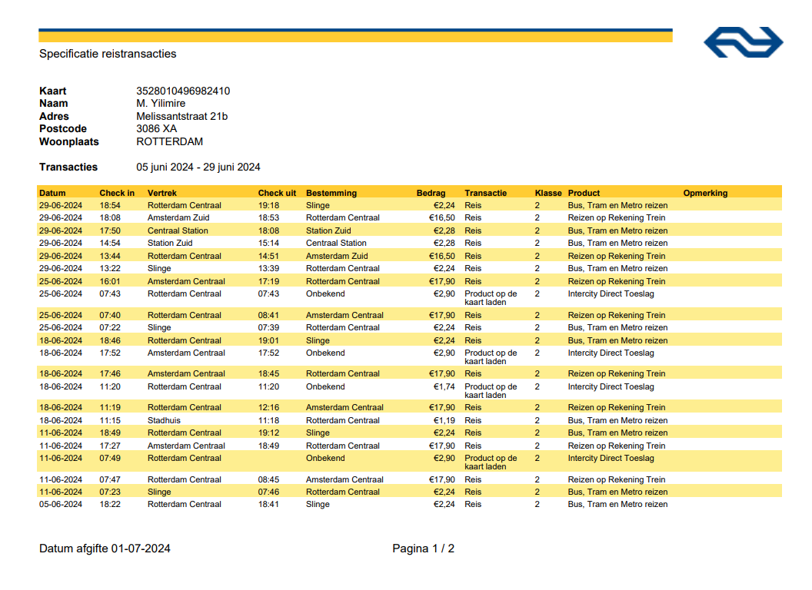
#VALUE!

Declaratieformulier (Declarations Form) Motopp B.V.

Het formulier kan worden gebruikt voor: / The form can be used for:
1. Reiskostenvergoeding/Reizen met de Auto [Totaal KM, heen en terug] X € 0,19= Totaalbedrag |  |  |  |  | Kilometre reimbursement: • For journeys within 15 kilometres from your home to the Motopp office, only public transport (OV) costs will be reimbursed. • If you use your personal vehicle for commuting, please provide this information on the expense claim form. Clearly indicate the starting and ending points of your journey, along with the distance traveled. Multiply the total distance by €0.19 per kilometre. No attachments are necessary. • Kilometres will not be reimbursed if you are a passenger in someone else's car. • Motopp does not reimburse parking expenses. • When claiming travel expenses, report costs for the shortest route in terms of kilometres. Public transport (OV) reimbursement: • Please note that screenshots of bank statements will not be accepted as proof of OV costs. It is essential to include a valid OV receipt with your claim. When filling out the expense claim form, please attach a screenshot of your public transport expenses. This overview is a summary of a public transportation chip card (OV chip card). • OV costs for commuting between home and work are fully reimbursed. However, this applies only to commuting costs (traveling regularly between work and home). If you travel elsewhere after work instead of going directly home, only the amount equivalent to your commute home will be reimbursed. Only the costs equivalent to your regular home-work commute will be covered. Any additional costs will be considered personal expenses and will not be reimbursed.
1. Travel allowance/Travelling by car [The total kilometres, home and back X € 0,19 = Total amount
2. Onkostenvergoeding zoals bijvoorbeeld: Reizen Openbaar vervoer, studieboek, cursus enzovoort.
[Originele treinkaart of bonnen)/factuur toevoegen in het formulier]
2. Expense allowance such as: Travelling by public transport, study book, course, etc.
[Add the original train ticket(s) or receipt(s)/invoice at the bottom of the form]

 | Naam Motopper: | [Elmira
 | Name Motopper:
 | Bankrekeningnummer: | [1123]
 | Bank account number:
 | Maand: | [3]
 | Month:
 | Jaar: | [2024]
 | Year:
 | Declaratie/Project(s): | [test]
 | Declaration/Project(s):
 | DATUM BON/FACTUUR | WOONADRES NAAR LOCATIE OF OMSCHRIJVING VAN DE BON/FACTUUR | BEDRAG | TOTAAL KM’S (Auto/Heen-Terug)
 | DATE OF INVOICE | ADDRESS TO LOCATION OR DESCRIPTION RECEIPT / INVOICE | AMOUNT | TOTAL KM’S (by Car/Round Trip)
1 |  | www | 22.00
2
3
4
5
6
7
8
9
10
11
12
13
14
15
16
17
18 |  |  |  |  | Please attach all receipts and invoices below
19
20
 |  | TOTAAL: | 22 | 0
 |  | TOTAL:
 |  | Uitbetaling door Motopp: | € 22.00 | 0.19€/KM
 |  | Payment by Motopp:
Medewerker/Datum/Handtekening: |  | 28/08/2024
Employee/Date/Signature:
Motopp/Akkoord/Datum:
Approved/Date/Signature:

Receipts / Invoices:

 | Attach all receipts and invoices in the blank field below

