Revenue_Analysis
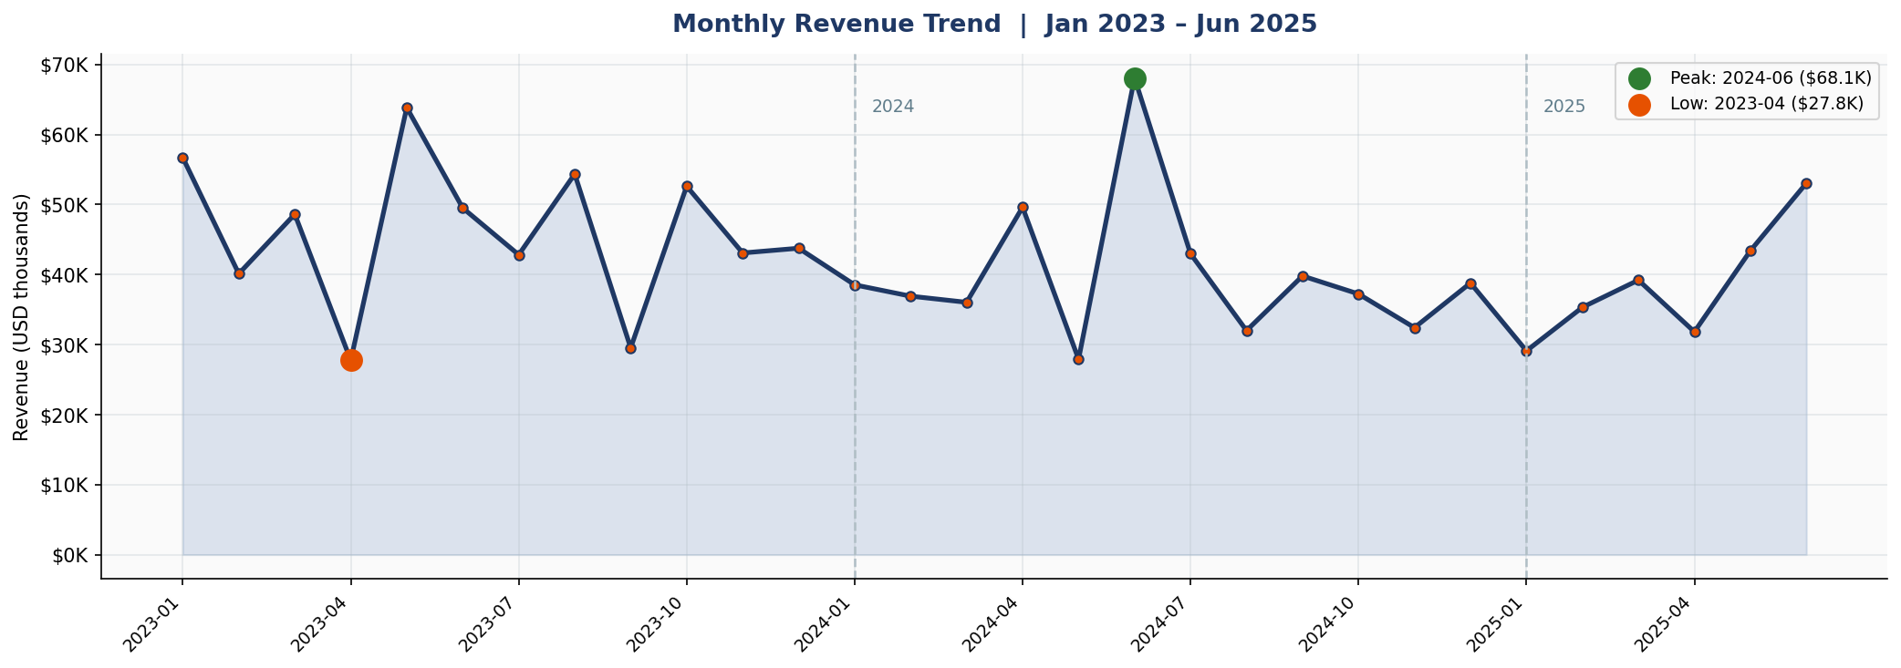
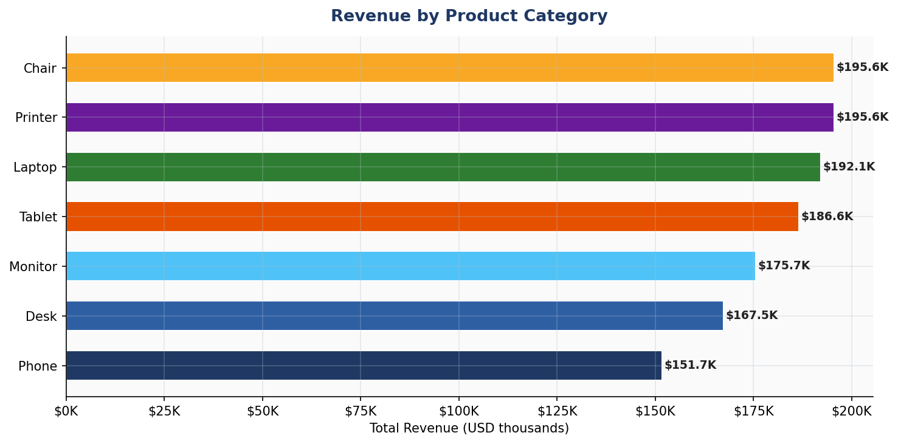
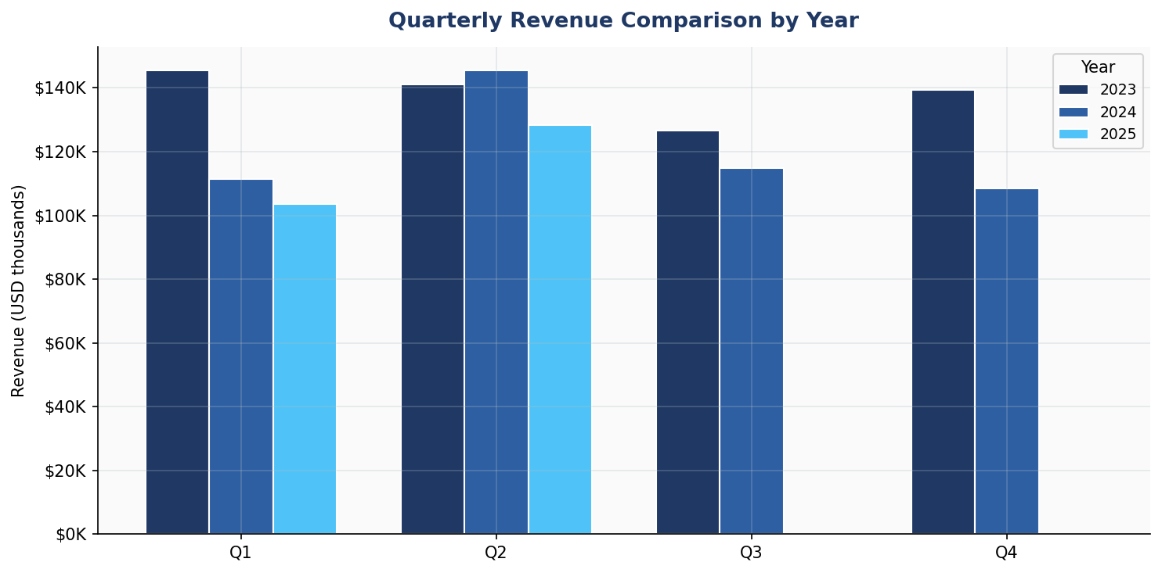
REVENUE ANALYSIS — TRENDS & PATTERNS
Monthly Revenue |  |  |  | Product Revenue Breakdown
Month | Revenue ($) | MoM Change % | Cumulative Revenue ($) | Product | Revenue ($) | Orders | Avg Order ($) | Revenue Share %
2023-01 | 56,685.75 | — | 56,685.75 | Chair | 195,620.11 | 178 | 1,098.99 | 15.5%
2023-02 | 40,117.66 | -29.2% | 96,803.41 | Printer | 195,612.61 | 181 | 1,080.73 | 15.5%
2023-03 | 48,609.37 | 21.2% | 145,412.78 | Laptop | 192,126.56 | 173 | 1,110.56 | 15.2%
2023-04 | 27,751.71 | -42.9% | 173,164.49 | Tablet | 186,568.95 | 179 | 1,042.28 | 14.8%
2023-05 | 63,836.84 | 130.0% | 237,001.33 | Monitor | 175,651.41 | 163 | 1,077.62 | 13.9%
2023-06 | 49,500.19 | -22.5% | 286,501.52 | Desk | 167,459.93 | 170 | 985.06 | 13.2%
2023-07 | 42,820.66 | -13.5% | 329,322.18 | Phone | 151,722.39 | 156 | 972.58 | 12.0%
2023-08 | 54,352.14 | 26.9% | 383,674.32
2023-09 | 29,526.67 | -45.7% | 413,200.99
2023-10 | 52,607.85 | 78.2% | 465,808.84
2023-11 | 43,079.67 | -18.1% | 508,888.51
2023-12 | 43,754.73 | 1.6% | 552,643.24
2024-01 | 38,528.08 | -11.9% | 591,171.32
2024-02 | 36,909.57 | -4.2% | 628,080.89
2024-03 | 36,030.90 | -2.4% | 664,111.79
2024-04 | 49,613.14 | 37.7% | 713,724.93
2024-05 | 27,909.11 | -43.7% | 741,634.04
2024-06 | 68,068.54 | 143.9% | 809,702.58
2024-07 | 42,963.98 | -36.9% | 852,666.56
2024-08 | 31,991.07 | -25.5% | 884,657.63
2024-09 | 39,794.98 | 24.4% | 924,452.61
2024-10 | 37,226.97 | -6.5% | 961,679.58
2024-11 | 32,413.76 | -12.9% | 994,093.34
2024-12 | 38,785.77 | 19.7% | 1,032,879.11
2025-01 | 29,099.40 | -25.0% | 1,061,978.51
2025-02 | 35,317.55 | 21.4% | 1,097,296.06
2025-03 | 39,200.66 | 11.0% | 1,136,496.72
2025-04 | 31,821.20 | -18.8% | 1,168,317.92
2025-05 | 43,396.64 | 36.4% | 1,211,714.56
2025-06 | 53,047.40 | 22.2% | 1,264,761.96

Customer_Order_Behaviour
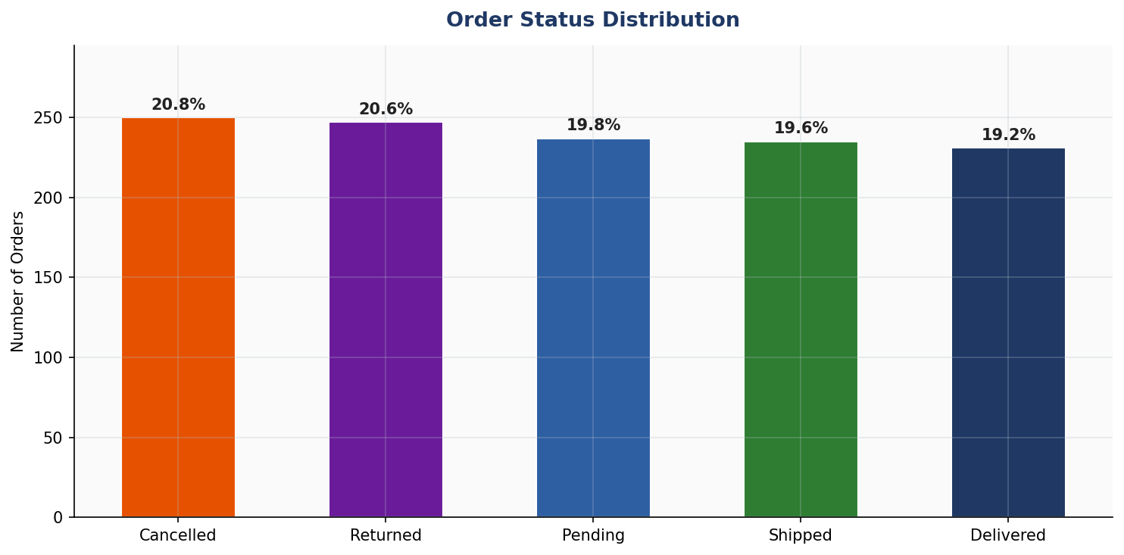
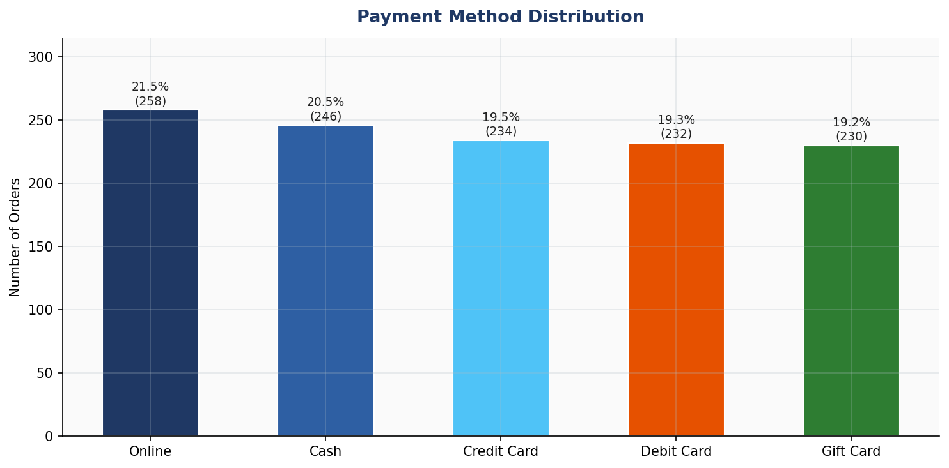
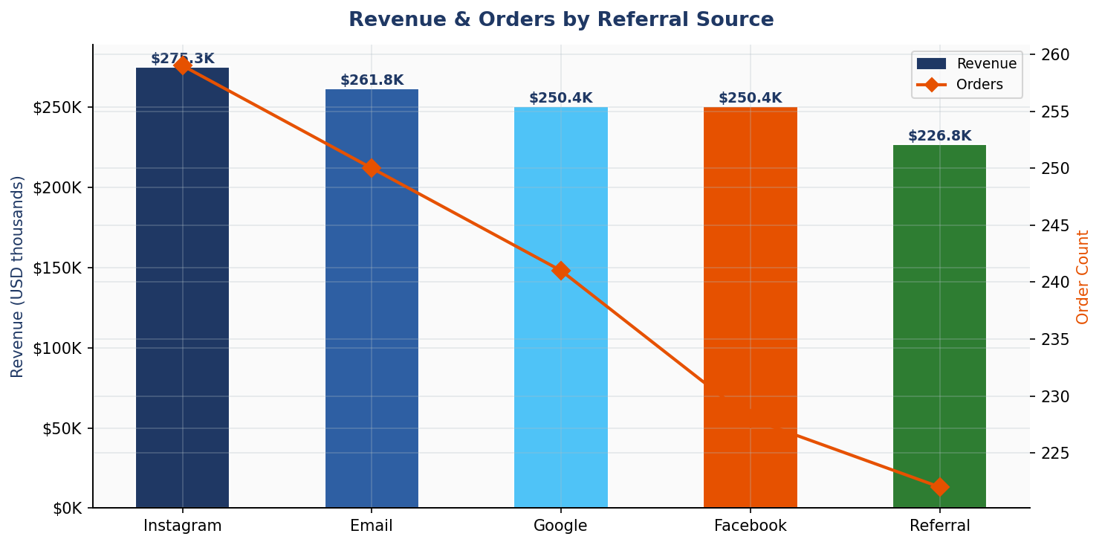
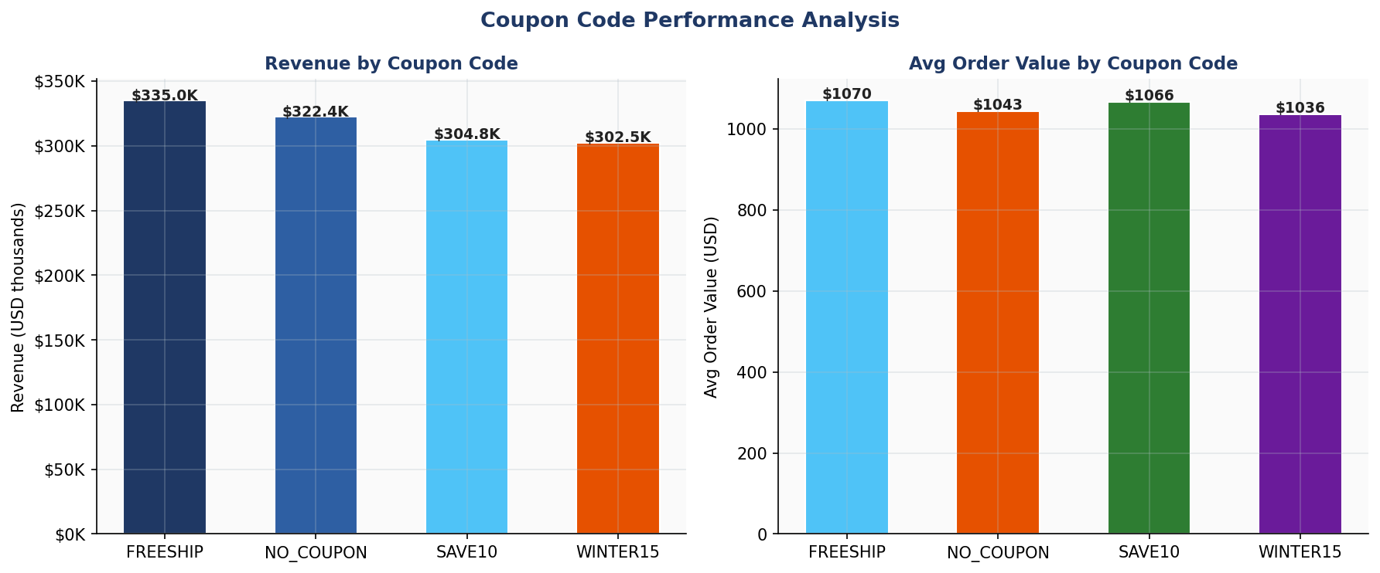
CUSTOMER & ORDER BEHAVIOUR ANALYSIS
Order Status |  |  |  | Payment Methods |  |  | Referral Sources
Status | Count | Pct % |  | Method | Count | Pct % | Source | Revenue ($) | Orders | Avg Order ($)
Cancelled | 250 | 20.8% |  | Online | 258 | 21.5% | Instagram | 275,285.45 | 259 | 1,062.88
Returned | 247 | 20.6% |  | Cash | 246 | 20.5% | Email | 261,808.55 | 250 | 1,047.23
Pending | 237 | 19.8% |  | Credit Card | 234 | 19.5% | Google | 250,441.48 | 241 | 1,039.18
Shipped | 235 | 19.6% |  | Debit Card | 232 | 19.3% | Facebook | 250,410.90 | 228 | 1,098.29
Delivered | 231 | 19.2% |  | Gift Card | 230 | 19.2% | Referral | 226,815.58 | 222 | 1,021.69

Coupon Code Performance
Coupon Code | Revenue ($) | Orders | Avg Order ($) | Rev Share %
FREESHIP | 335,036.99 | 313 | 1,070.41 | 26.5%
NO_COUPON | 322,401.41 | 309 | 1,043.37 | 25.5%
SAVE10 | 304,840.02 | 286 | 1,065.87 | 24.1%
WINTER15 | 302,483.54 | 292 | 1,035.90 | 23.9%

Outlier_Distribution
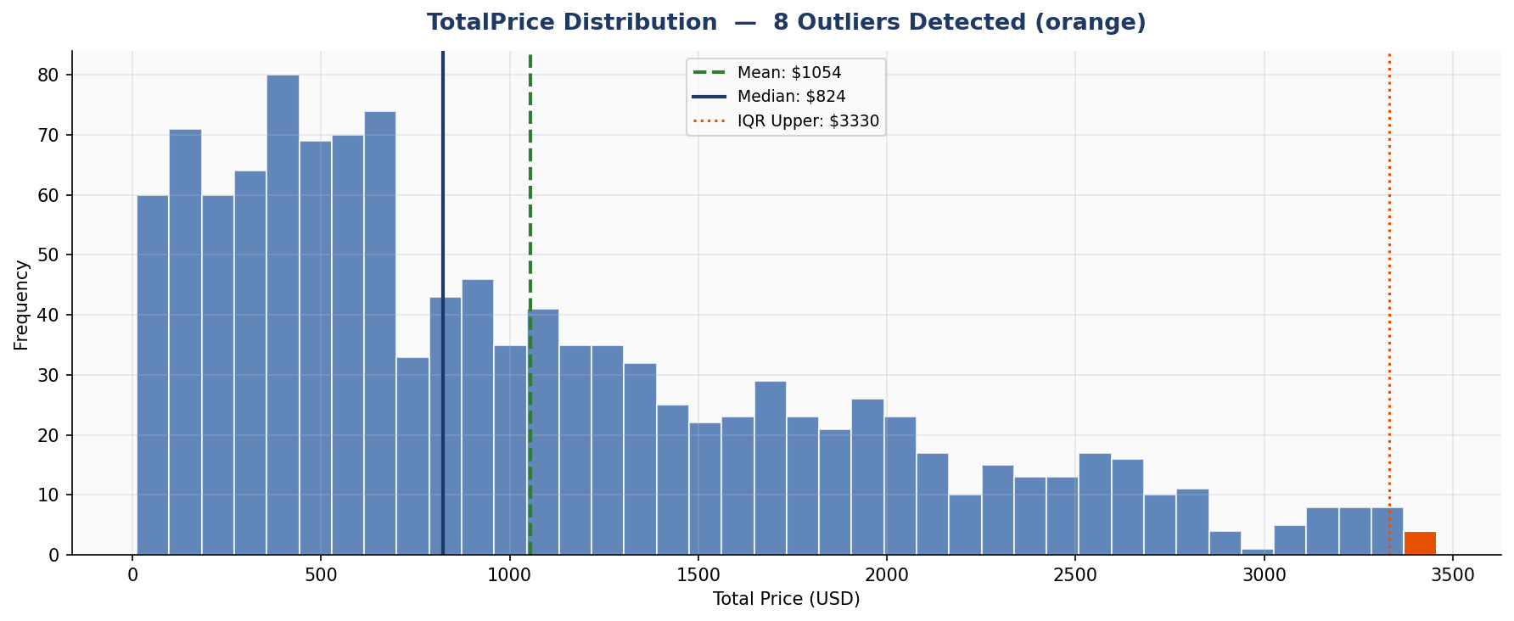
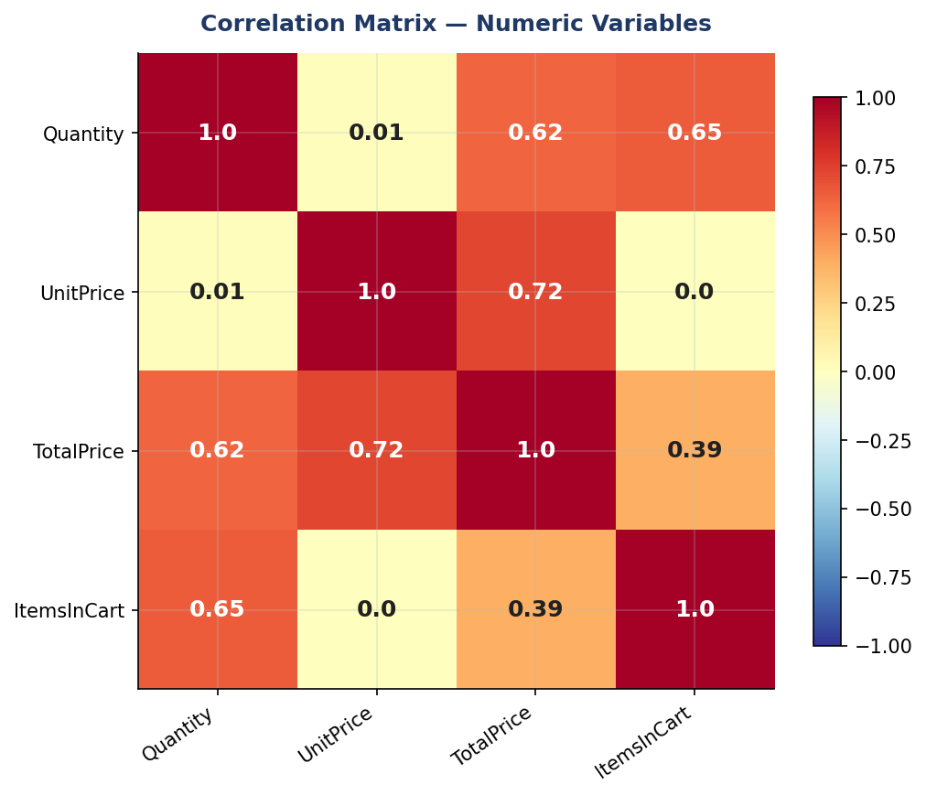
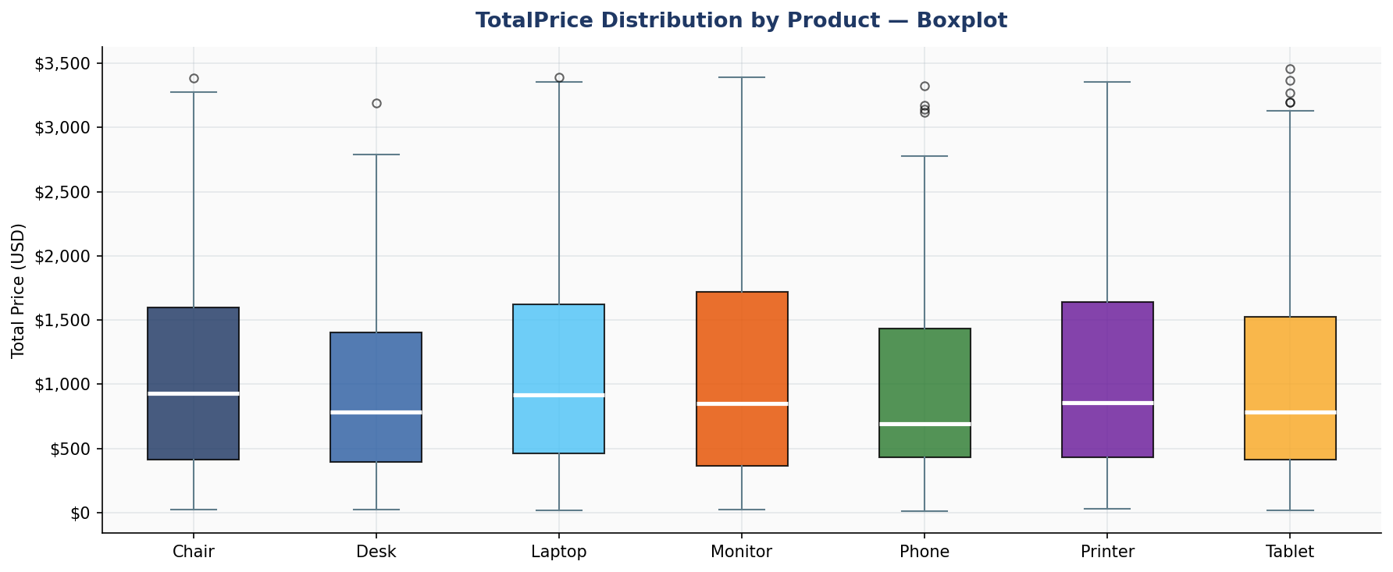
OUTLIER & DISTRIBUTION ANALYSIS
High-Value TotalPrice Outliers | IQR Upper Bound = $3330.41 | 8 records |  |  |  |  |  | Z-Score Outliers | |Z| > 3 | 0 records
OrderID | Product | Quantity | UnitPrice ($) | TotalPrice ($) | OrderStatus | OrderID | TotalPrice ($) | Z-Score
ORD200789 | Tablet | 5 | 691.28 | 3,456.40 | Delivered
ORD201122 | Monitor | 5 | 678.19 | 3,390.95 | Returned
ORD200632 | Laptop | 5 | 678.16 | 3,390.80 | Delivered
ORD200469 | Chair | 5 | 676.98 | 3,384.90 | Cancelled
ORD200328 | Tablet | 5 | 674.04 | 3,370.20 | Cancelled
ORD200107 | Printer | 5 | 670.75 | 3,353.75 | Shipped
ORD200326 | Laptop | 5 | 670.48 | 3,352.40 | Returned
ORD201065 | Printer | 5 | 666.80 | 3,334.00 | Delivered

