pcb
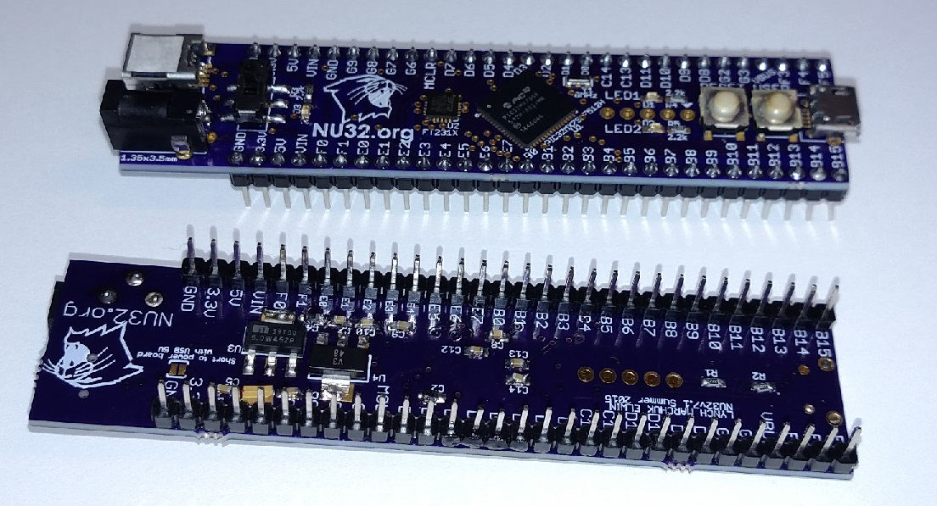
Manufacturer | Component | Use | Specs | Ref | Comment | Units | Digikey / Link
Microchip | PIC32MX795F512H | MCU | 64QFN | U1 |  | 1 | http://www.digikey.com/product-detail/en/PIC32MX795F512H-80I%2FMR/PIC32MX795F512H-80I%2FMR-ND/2184447
FTDI | FT231X | USB to serial | 20QFN | U2 |  | 1 | http://www.digikey.com/product-detail/en/FT231XQ-R/768-1128-1-ND/3029153
Micrel | MIC39100-5.0WS | 5V regulator | SOT223 | U3 |  | 1 | http://www.digikey.com/product-detail/en/MIC39100-5.0WS/576-1173-ND/771642
Hirose | UX60A-MB-5ST | Mini B usb connector | SMD | X1 |  | 1 | http://www.digikey.com/product-detail/en/UX60A-MB-5ST/H2961CT-ND/597540
CUI | PJ-031D | Power jack | Thru hole | J1 |  | 1 | http://www.digikey.com/product-detail/en/PJ-031D/CP-031D-ND/1644522
TI | TLV1117-33CDCYR | 3.3V regulator | SOT223 | U4 |  | 1 | http://www.digikey.com/product-detail/en/TLV1117-33CDCYR/296-21112-1-ND/1217055
AVX | F981A106MMA | 10uF 0603 tantalum capacitor 10V | . 0603 | C1,C2,C3,C4 |  | 4 | http://www.digikey.com/product-detail/en/F981A106MMA/478-8646-1-ND/4005585
Murata | CSTCE8M00G55-R0 | 8MHz resonator | SMD | Y1 |  | 1 | http://www.digikey.com/product-detail/en/CSTCE8M00G55-R0/490-1195-1-ND/584632
C&K | JS202011SCQN | slide switch | SMD | S1 |  | 1 | http://www.digikey.com/product-detail/en/JS202011SCQN/401-2002-1-ND/1640098
FCI | 10118194-0001LF | Micro B usb | SMD and thru | X2 |  | 1 | http://www.digikey.com/product-detail/en/10118194-0001LF/609-4618-1-ND/2785382
Panasonic | EVQ-Q2H03W | push button | SMD | PB1,PB2 |  | 2 | http://www.digikey.com/product-detail/en/EVQ-Q2H03W/P12940SCT-ND/762930
Kingbright | APT1608CGCK | green led | . 0603 | D1,D2 |  | 2 | http://www.digikey.com/product-detail/en/APT1608CGCK/754-1116-1-ND/1747833
Kingbright | APT1608SRCPRV | red led | . 0603 | D3 |  | 1 | http://www.digikey.com/product-detail/en/APT1608SRCPRV/754-1122-1-ND/1747839
Yageo | CC0603ZRY5V9BB104 | 0.1uF 0603 ceramic capacitor 50V Y5V | . 0603 | C5,C6,C7,C8,C9,C10,C12,C13,C14 |  | 9 | http://www.digikey.com/product-detail/en/CC0603ZRY5V9BB104/311-1343-1-ND/2103127
Panasonic | ERJ-3GEYJ222V | 2.2k 0603 resistor | . 0603 | R1,R2,R3,R4,R5 |  | 5 | http://www.digikey.com/product-search/en?x=0&y=0&lang=en&site=us&keywords=P2.2KGCT-ND
Sullins | PRPC030SAAN-RC | 30 pin male header | Thru hole | JP1,JP2 |  | 2 | http://www.digikey.com/product-detail/en/PRPC030SAAN-RC/S1011EC-30-ND/2775224

