SAREC results
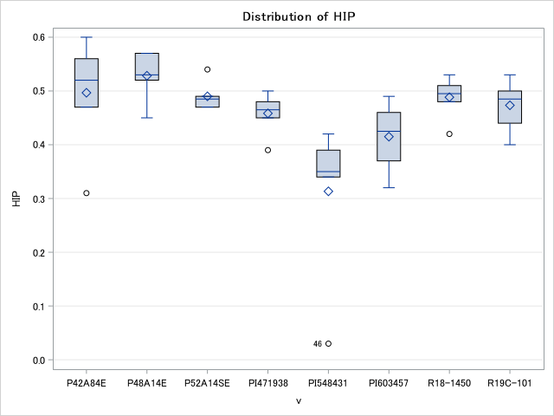
 | Source | HIP | HIF |  | HIP
 | r | 0.6415 | 0.2053 |  | Irrigated | HIF | SAREC RESULTS
irrigation | t | 0.5921 | 0.0213 |  | 0.45 | 0.45
 | r*t | 0.9807 | 0.9735
variety | v | 0.0011 | <.0001 |  | Rainfed
 | v*t | 0.3335 | 0.1159 |  | 0.46 | 0.43
 | cv | 16.28467 | 8.587698
 | Mean | 0.457917 | 0.442639
 | LSD | 0.0129 | 0.0063
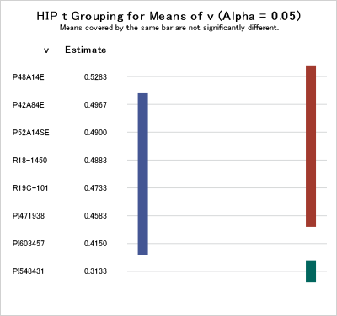
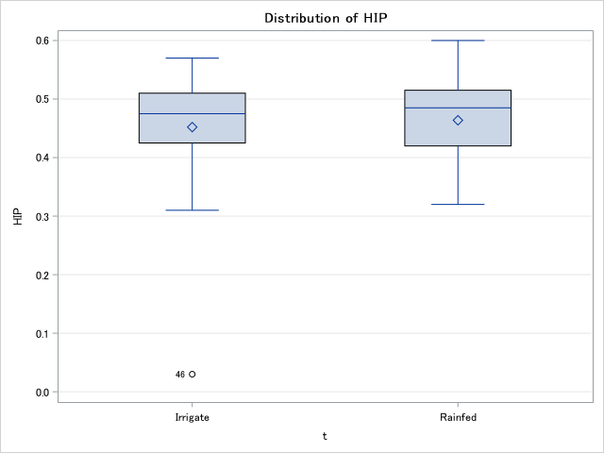
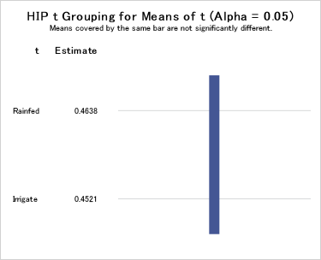

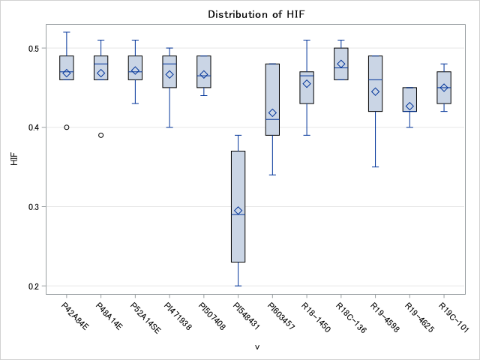

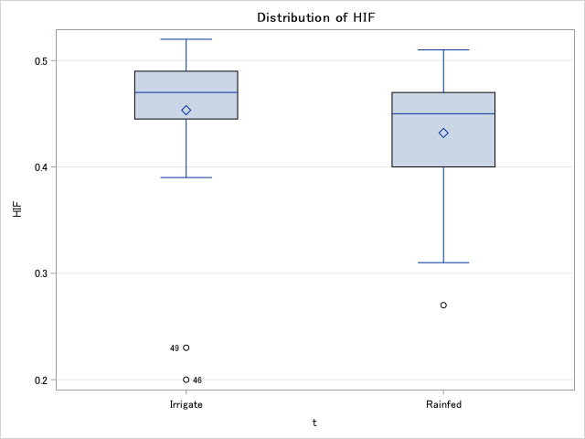
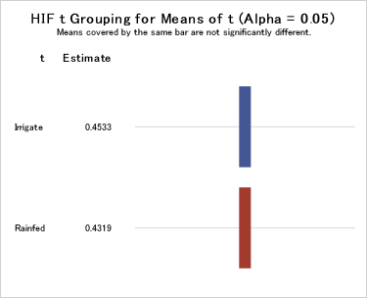
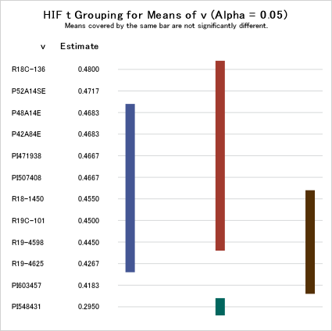

 |  |  |  |  |  |  | Level of | Level of | N | HIF
 | Level of | Level of | N | HIP |  |  | v | t |  | Mean | Std Dev
 | v | t |  | Mean | Std Dev |  | P42A84E | Irrigate | 3 | 0.49 | 0.03
 | P42A84E | Irrigate | 3 | 0.46 | 0.13 |  | P42A84E | Rainfed | 3 | 0.45 | 0.04
 | P42A84E | Rainfed | 3 | 0.53 | 0.07 |  | P48A14E | Irrigate | 3 | 0.49 | 0.02
 | P48A14E | Irrigate | 3 | 0.56 | 0.02 |  | P48A14E | Rainfed | 3 | 0.44 | 0.05
 | P48A14E | Rainfed | 3 | 0.50 | 0.04 |  | P52A14SE | Irrigate | 3 | 0.49 | 0.03
 | P52A14SE | Irrigate | 3 | 0.50 | 0.04 |  | P52A14SE | Rainfed | 3 | 0.46 | 0.02
 | P52A14SE | Rainfed | 3 | 0.48 | 0.01 |  | PI471938 | Irrigate | 3 | 0.49 | 0.01
 | PI471938 | Irrigate | 3 | 0.47 | 0.02 |  | PI471938 | Rainfed | 3 | 0.45 | 0.05
 | PI471938 | Rainfed | 3 | 0.45 | 0.06 |  | PI507408 | Irrigate | 3 | 0.47 | 0.03
 | PI548431 | Irrigate | 3 | 0.26 | 0.20 |  | PI507408 | Rainfed | 3 | 0.47 | 0.02
 | PI548431 | Rainfed | 3 | 0.37 | 0.05 |  | PI548431 | Irrigate | 3 | 0.27 | 0.10
 | PI603457 | Irrigate | 3 | 0.46 | 0.03 |  | PI548431 | Rainfed | 3 | 0.32 | 0.05
 | PI603457 | Rainfed | 3 | 0.37 | 0.05 |  | PI603457 | Irrigate | 3 | 0.46 | 0.03
 | R18-1450 | Irrigate | 3 | 0.47 | 0.04 |  | PI603457 | Rainfed | 3 | 0.37 | 0.03
 | R18-1450 | Rainfed | 3 | 0.51 | 0.02 |  | R18-1450 | Irrigate | 3 | 0.44 | 0.04
 | R19C-101 | Irrigate | 3 | 0.45 | 0.05 |  | R18-1450 | Rainfed | 3 | 0.47 | 0.04
 | R19C-101 | Rainfed | 3 | 0.50 | 0.03 |  | R18C-136 | Irrigate | 3 | 0.47 | 0.02
 |  |  |  |  |  |  | R18C-136 | Rainfed | 3 | 0.49 | 0.02
 |  |  |  |  |  |  | R19-4598 | Irrigate | 3 | 0.48 | 0.02
 |  |  |  |  |  |  | R19-4598 | Rainfed | 3 | 0.41 | 0.06
 |  |  |  |  |  |  | R19-4625 | Irrigate | 3 | 0.43 | 0.02
 |  |  |  |  |  |  | R19-4625 | Rainfed | 3 | 0.42 | 0.03
 |  |  |  |  |  |  | R19C-101 | Irrigate | 3 | 0.46 | 0.02
 |  |  |  |  |  |  | R19C-101 | Rainfed | 3 | 0.44 | 0.03

Pintree&Rohwer results
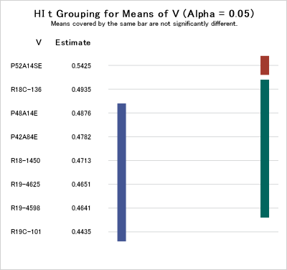
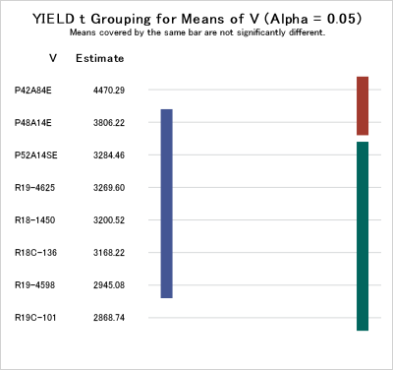
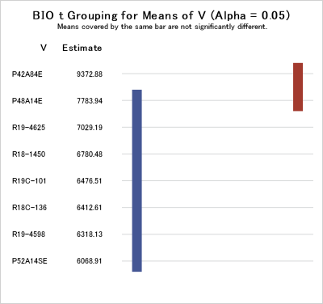
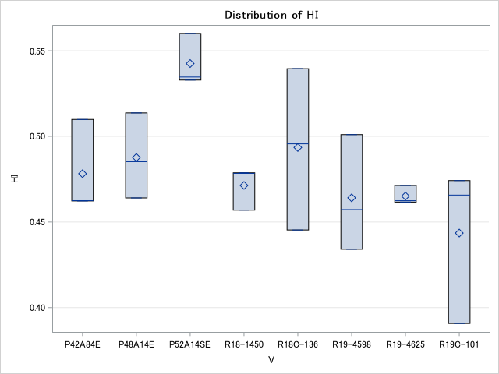
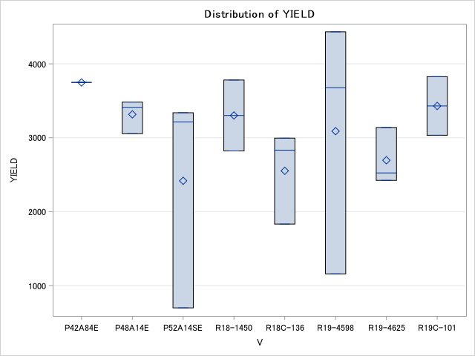
FINAL HARVEST |  | RAINFED
 |  |  |  | yield | HI | biomass |  |  |  |  | yield | HI | biomass
P42A84E | Rainfed | 1 | pinetree | 5226.9430052 | 0.46226458324 | 11307.253886 | P42A84E | Rainfed | 1 | rohwer | . | . | . | Source | YIELD | HI | BIO
P48A14E | Rainfed | 1 | pinetree | 4578.7564767 | 0.51368947277 | 8913.4715026 | P48A14E | Rainfed | 1 | rohwer | 3054.92 | 0.46 | 6696.89 | R | 0.0197 | 0.0038 | 0.9568
P52A14SE | Rainfed | 1 | pinetree | 3843.0051813 | 0.53463562315 | 7188.0829016 | P52A14SE | Rainfed | 1 | rohwer | 3214.51 | 0.46 | 7064.77 | V | 0.8599 | 0.5191 | 0.0994
R19C-1012 | Rainfed | 1 | pinetree | 2782.9015544 | 0.46570710136 | 5975.6476684 | R19C-1012 | Rainfed | 1 | rohwer | 3826.42 | 0.45 | 8437.82 | MEAN | 2971.114 | 0.419709 | 7119.43
R18-14502 | Rainfed | 1 | pinetree | 4458.0310881 | 0.47871807712 | 9312.4352332 | R18-14502 | Rainfed | 1 | rohwer | 2821.76 | 0.43 | 6572.54 | CV | 26.612 | 18.99054 | 12.53535
R18C-13665 | Rainfed | 1 | pinetree | 3308.2901554 | 0.49561437553 | 6675.1295337 | R18C-13665 | Rainfed | 1 | rohwer | 2994.30 | 0.48 | 6240.93 | LSD
R19-46252 | Rainfed | 1 | pinetree | 3337.3056995 | 0.46162115674 | 7229.5336788 | R19-46252 | Rainfed | 1 | rohwer | 3138.86 | 0.45 | 7033.68
R19-45980 | Rainfed | 1 | pinetree | 2368.9119171 | 0.43406436913 | 5457.5129534 | R19-45980 | Rainfed | 1 | rohwer | 3676.17 | 0.49 | 7567.36 | Pearson Correlation Coefficients, N = 20
P48A14E | Rainfed | 2 | pinetree | 3633.6787565 | 0.46403758354 | 7830.5699482 | P48A14E | Rainfed | 2 | rohwer | 3482.90 | 0.47 | 7380.83 | Prob > |r| under H0: Rho=0
R19-45980 | Rainfed | 2 | pinetree | 3378.7564767 | 0.50099877074 | 6744.0414508 | R19-45980 | Rainfed | 2 | rohwer | 1158.03 | 0.13 | 8930.05 |  | YIELD | HI | BIO
R19-46252 | Rainfed | 2 | pinetree | 3351.2953368 | 0.47132551191 | 7110.3626943 | R19-46252 | Rainfed | 2 | rohwer | 2423.32 | 0.35 | 6880.83 | YIELD | 1 | 0.87539 | 0.39209
P52A14SE | Rainfed | 2 | pinetree | 2862.1761658 | 0.5600730001 | 5110.3626943 | P52A14SE | Rainfed | 2 | rohwer | 698.45 | 0.11 | 6406.74 |  |  | <.0001 | 0.0873
R18C-13665 | Rainfed | 2 | pinetree | 3447.6683938 | 0.53952809535 | 6390.1554404 | R18C-13665 | Rainfed | 2 | rohwer | 1831.61 | 0.33 | 5608.81 | HI | 0.87539 | 1 | -0.07607
P42A84E | Rainfed | 2 | pinetree | 4404.6632124 | 0.50986625082 | 8638.8601036 | P42A84E | Rainfed | 2 | rohwer | . | . | . |  | <.0001 |  | 0.7499
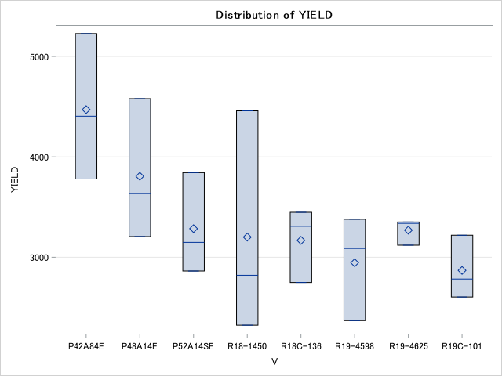
R18-14502 | Rainfed | 2 | pinetree | 2820.2072539 | 0.45689582809 | 6172.5388601 | R18-14502 | Rainfed | 2 | rohwer | . | . | . | BIO | 0.39209 | -0.07607 | 1
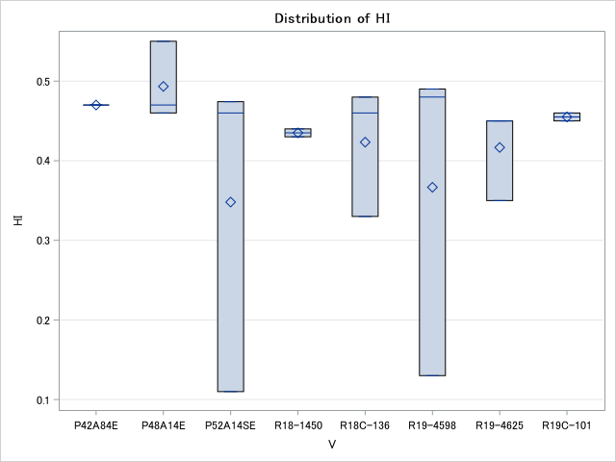
R19C-1012 | Rainfed | 2 | pinetree | 3219.1709845 | 0.47416622148 | 6789.119171 | R19C-1012 | Rainfed | 2 | rohwer | . | . | . |  | 0.0873 | 0.7499
R19-45980 | Rainfed | 3 | pinetree | 3087.5647668 | 0.45722396992 | 6752.8497409 | R19-45980 | Rainfed | 3 | rohwer | 4432.64 | 0.48 | 9308.29
P48A14E | Rainfed | 3 | pinetree | 3206.2176166 | 0.48521916412 | 6607.7720207 | P48A14E | Rainfed | 3 | rohwer | 3411.40 | 0.55 | 6170.98
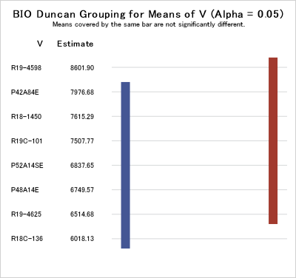
R19C-1012 | Rainfed | 3 | pinetree | 2604.1450777 | 0.39073311047 | 6664.7668394 | R19C-1012 | Rainfed | 3 | rohwer | 3033.16 | 0.46 | 6577.72
R18C-13665 | Rainfed | 3 | pinetree | 2748.7046632 | 0.4453118442 | 6172.5388601 | R18C-13665 | Rainfed | 3 | rohwer | 2832.12 | 0.46 | 6204.66
R18-14502 | Rainfed | 3 | pinetree | 2323.3160622 | 0.47839539102 | 4856.4766839 | R18-14502 | Rainfed | 3 | rohwer | 3780.83 | 0.44 | 8658.03
R19-46252 | Rainfed | 3 | pinetree | 3120.2072539 | 0.46241265453 | 6747.6683938 | R19-46252 | Rainfed | 3 | rohwer | 2523.83 | 0.45 | 5629.53
P42A84E | Rainfed | 3 | pinetree | 3779.2746114 | 0.46243580803 | 8172.5388601 | P42A84E | Rainfed | 3 | rohwer | 3748.19 | 0.47 | 7976.68
P52A14SE | Rainfed | 3 | pinetree | 3148.1865285 | 0.5328422345 | 5908.2901554 | P52A14SE | Rainfed | 3 | rohwer | 3338.8601036 | 0.47417218543 | 7041.4507772

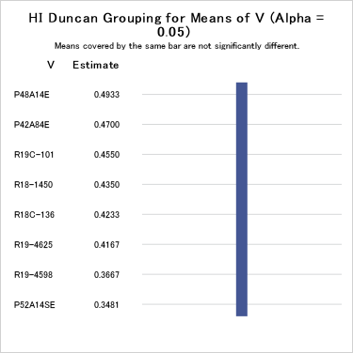
Source | YIELD | HI | BIO
R | 0.0461 | 0.0862 | 0.0814
V | 0.0411 | 0.0214 | 0.034
MEAN | 3376.641 | 0.480741 | 7030.332
CV | 15.68151 | 5.629771 | 15.17776
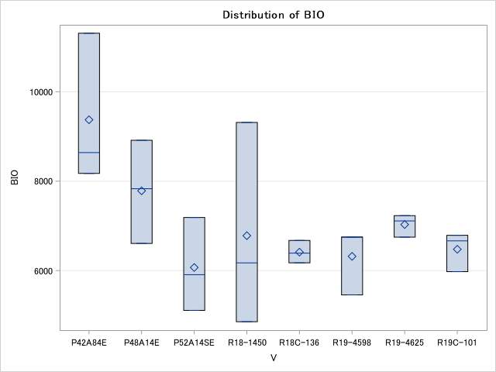
LSD | 927.28 | 0.0474 | 1668.6

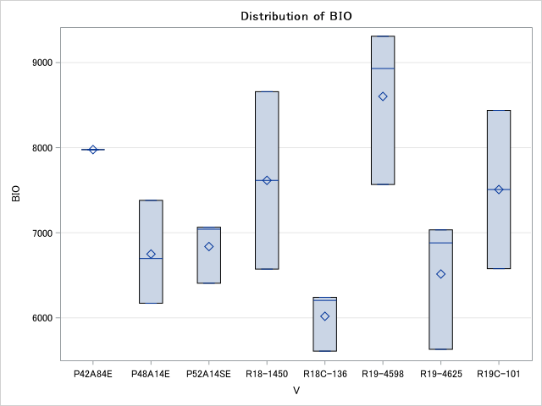
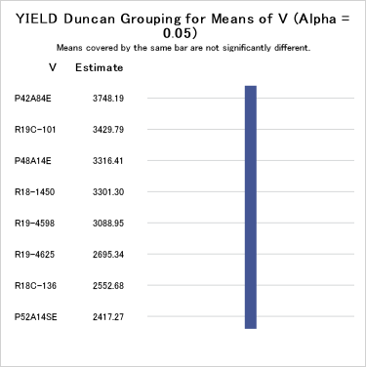
The GLM Procedure
Pearson Correlation Coefficients, N = 24
Prob > |r| under H0: Rho=0
 | YIELD | HI | BIO
YIELD | 1 | 0.27878 | 0.9402
 |  | 0.1871 | <.0001
HI | 0.27878 | 1 | -0.06026
 | 0.1871 |  | 0.7797
BIO | 0.9402 | -0.06026 | 1
 | <.0001 | 0.7797

