Sheet1
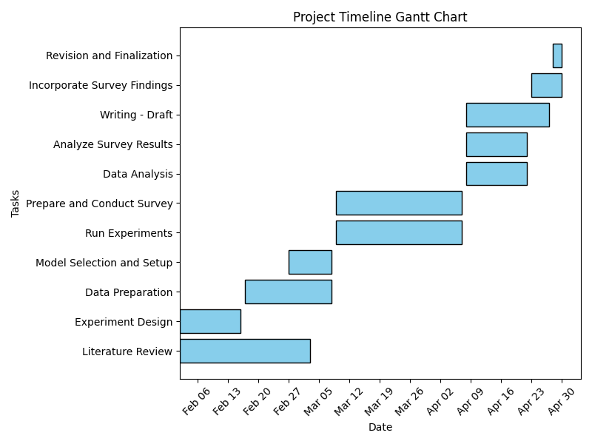
Task | Start | End | Duration
Literature Review | 2024-02-02 | 2024-03-03 | 30
Experiment Design | 2024-02-02 | 2024-02-16 | 14
Data Preparation | 2024-02-17 | 2024-03-08 | 20
Model Selection and Setup | 2024-02-27 | 2024-03-08 | 10
Run Experiments | 2024-03-09 | 2024-04-07 | 29
Prepare and Conduct Survey | 2024-03-09 | 2024-04-07 | 29
Data Analysis | 2024-04-08 | 2024-04-22 | 14
Analyze Survey Results | 2024-04-08 | 2024-04-22 | 14
Writing - Draft | 2024-04-08 | 2024-04-27 | 19
Incorporate Survey Findings | 2024-04-23 | 2024-04-30 | 7
Revision and Finalization | 2024-04-28 | 2024-04-30 | 2

