Bug report
Reporte de BUG

ID | BUG title | context | Acceptance requirements | Steps to produce it. | Obtained result | Expected result | Platform
BUG 1 | Show some initial credentials | When you enter the platform, it shows a username and an initial password | The initial screen cannot show the user and password fields | 1. Enter the portal http://thedemosite.co.uk/addauser.php | 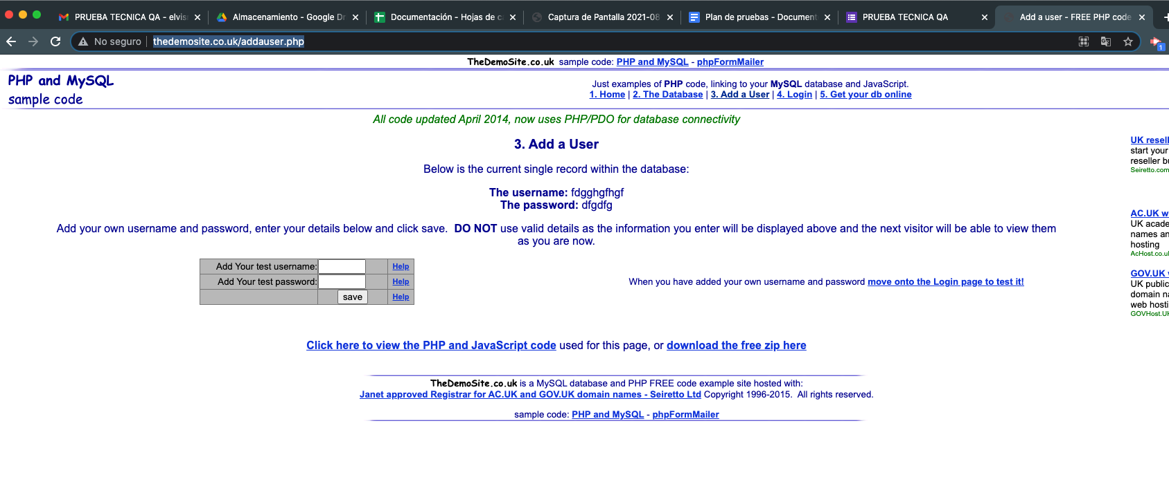 | The Users and password fields must be Clean. | Chrome (92.0.4515.159)
BUG 2 | The password is displayed on the main page | When you enter the username and password, you can see the password | The initial screen cannot show the user and password fields | 1. Enter the portal http://thedemosite.co.uk/addauser.php. 2. Enter username and password |  | The password field cannot be displayed on the main screen. | Chrome (92.0.4515.159)

