barra_output
0 | all_ind | value | speed | top10MeanReturn
2019-06-01 | 1 | 1 | 108 | 0.020997776577
2019-07-01 | 0.98768955921 | 0.98833177476 | 105.66666667 | -0.0094190678915
2019-08-01 | 0.9914334749 | 1.0150978666 | 94 | 0.0095621994532
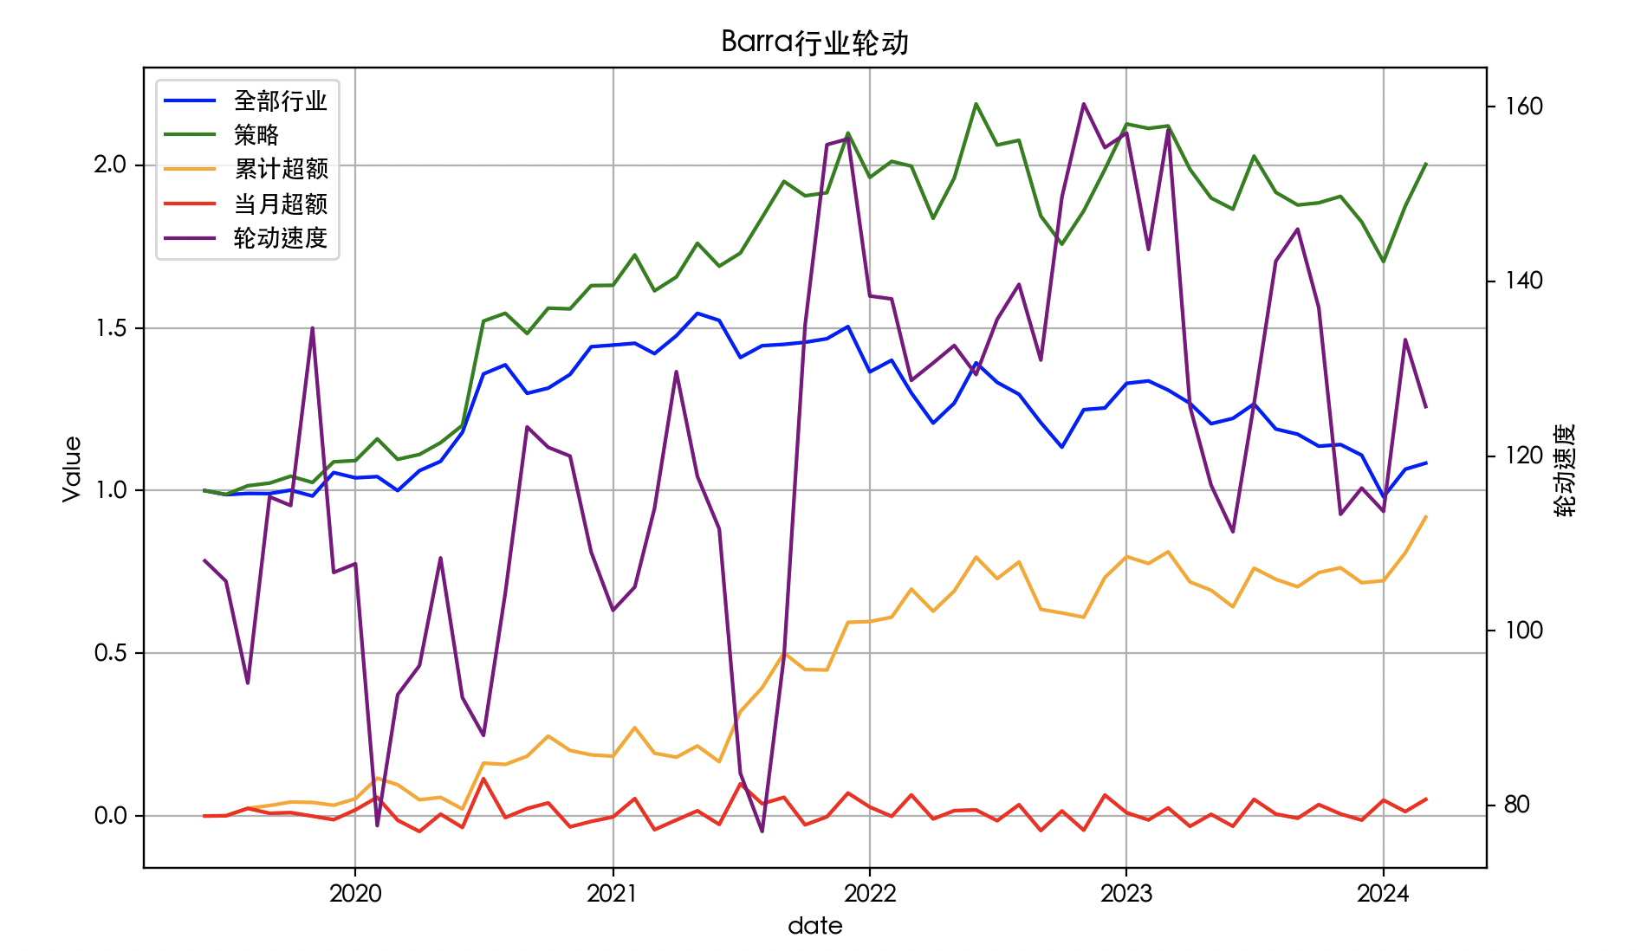
2019-09-01 | 0.99101626189 | 1.0231061216 | 115.33333333 | -0.010982506974
2019-10-01 | 1.0014181513 | 1.0444064121 | 114.33333333 | 0.0024675905232
2019-11-01 | 0.9834034997 | 1.025031726 | 134.66666667 | -0.021980834004
2019-12-01 | 1.0556243297 | 1.0886116239 | 106.66666667 | 0.098575791
2020-01-01 | 1.0394054188 | 1.0923570735 | 107.66666667 | -0.0039696537187
2020-02-01 | 1.0431388925 | 1.1592612257 | 77.666666667 | 0.040671077584
2020-03-01 | 1.0001446028 | 1.0962357957 | 92.666666667 | -0.048085634906
2020-04-01 | 1.0614516999 | 1.1112355841 | 96 | 0.041512076011
2020-05-01 | 1.0901043974 | 1.1474353169 | 108.33333333 | 0.03568788755
2020-06-01 | 1.1792502771 | 1.2008905251 | 92.333333333 | 0.10735982138
2020-07-01 | 1.358816424 | 1.5212925697 | 88 | 0.153882484
2020-08-01 | 1.3867712804 | 1.5453098707 | 104.33333333 | 0.020981372723
2020-09-01 | 1.2991227992 | 1.4829100254 | 123.33333333 | -0.070190180197
2020-10-01 | 1.3152124905 | 1.5608995492 | 121 | 0.017420725823
2020-11-01 | 1.357236795 | 1.5586330665 | 120 | 0.031198611351
2020-12-01 | 1.4423704374 | 1.6302917023 | 109 | 0.017138656723
2021-01-01 | 1.4474040308 | 1.6311587454 | 102.33333333 | 0.0067348576874
2021-02-01 | 1.4530078307 | 1.7244782635 | 105 | 0.0052107772471
2021-03-01 | 1.4210930403 | 1.6141181344 | 114 | -0.0063039355738
2021-04-01 | 1.4760440487 | 1.6566443446 | 129.66666667 | -0.0014263738519
2021-05-01 | 1.545010524 | 1.7604503007 | 117.66666667 | 0.04644582608
2021-06-01 | 1.5232182068 | 1.6898668115 | 111.66666667 | 0.0052581284616
2021-07-01 | 1.4092110003 | 1.7302339949 | 83.666666667 | 0.02104938606
2021-08-01 | 1.4455508592 | 1.8397350837 | 77 | 0.10210672392
2021-09-01 | 1.4496627614 | 1.9506270902 | 97 | -0.04277527585
2021-10-01 | 1.4561042505 | 1.9062153712 | 135 | -0.048333911756
2021-11-01 | 1.4669871235 | 1.9157323268 | 155.66666667 | 0.0028939966663
2021-12-01 | 1.5042254587 | 2.099379554 | 156.33333333 | 0.0061876830409
2022-01-01 | 1.3650923332 | 1.9627445601 | 138.33333333 | -0.069118589124
2022-02-01 | 1.4008746649 | 2.012007958 | 138 | 0.036061804032
2022-03-01 | 1.3002284369 | 1.9975747737 | 128.66666667 | -0.069598545837
2022-04-01 | 1.2076030474 | 1.8369823383 | 130.66666667 | -0.080845063372
2022-05-01 | 1.2691361388 | 1.9608829962 | 132.66666667 | 0.049352694345
2022-06-01 | 1.3929443547 | 2.1886256115 | 129.33333333 | 0.071577900191
2022-07-01 | 1.3327927744 | 2.0623209896 | 135.66666667 | -0.029849390258
2022-08-01 | 1.2961054401 | 2.0769521029 | 139.66666667 | -0.042447805736
2022-09-01 | 1.2089941614 | 1.8442108644 | 131 | -0.064505219412
2022-10-01 | 1.1335127303 | 1.757513494 | 149.66666667 | -0.078757934597
2022-11-01 | 1.2489528187 | 1.8599919982 | 160.33333333 | 0.044557886816
2022-12-01 | 1.2540748891 | 1.987238479 | 155.33333333 | 0.0051093249873
2023-01-01 | 1.329749124 | 2.1269785796 | 157 | 0.029208193772
2023-02-01 | 1.3373166687 | 2.1133663909 | 143.66666667 | 0.0047453503854
2023-03-01 | 1.3091198754 | 2.1211241042 | 157.33333333 | 0.011542830671
2023-04-01 | 1.26837173 | 1.9876626687 | 125.66666667 | 0.01151199087
2023-05-01 | 1.2058008737 | 1.8995930853 | 116.66666667 | -0.039821900834
2023-06-01 | 1.2220508308 | 1.8650378545 | 111.33333333 | 0.024696140275
2023-07-01 | 1.2665492317 | 2.0282536158 | 126 | 0.0092865079965
2023-08-01 | 1.1893291178 | 1.916806697 | 142.33333333 | -0.072812421625
2023-09-01 | 1.1734814565 | 1.8779550248 | 146 | -0.0049062711492
2023-10-01 | 1.1366004794 | 1.8846399702 | 137 | -0.026992805421
2023-11-01 | 1.1416090866 | 1.9046030823 | 113.33333333 | 0.0056364888404
2023-12-01 | 1.1089356677 | 1.8259294964 | 116.33333333 | -0.028765503931
2024-01-01 | 0.98100324298 | 1.7040844233 | 113.66666667 | -0.068037831603
2024-02-01 | 1.0659535914 | 1.8748108582 | 133.33333333 | 0.052817235279
2024-03-01 | 1.0845772341 | 2.0031451639 | 125.66666667 | 0.019189089518

