Portada
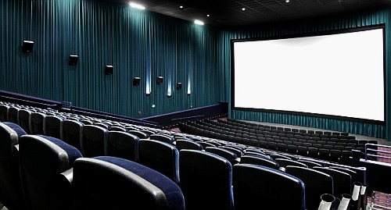



Esta foto de Autor desconocido está bajo licencia CC BY-NC-ND

Hoja4
Escala de tiempo | Valores | Previsión | Límite de confianza inferior | Límite de confianza superior
2021-09-19 | 2013
2021-09-20 | 2010
2021-09-21 | 2006.6
2021-09-22 | 2020.4444444
2021-09-23 | 2021
2021-09-24 | 2021 | 2021 | 2021.00 | 2021.00
2021-09-25 |  | 2026.1102295 | 2015.77 | 2036.45
2021-09-26 |  | 2028.988557 | 2018.33 | 2039.65

 | Valores | Previsión | Límite de confianza inferior | Límite de confianza superior
 | 2013
 | 2010
 | 2006.6
 | 2020.4444444
 | 2021
 | 2021 | 2021 | 2021 | 2021
 |  | 2026.1102295 | 2015.7717764 | 2036.4486826
 |  | 2028.988557 | 2018.3294113 | 2039.6477026

Gráficas
Ventas totales
Ventas por tienda
Forma de Pago
Tarjeta
Row Labels | Sum of Ventas totales |  |  |  | Values
1 | 123191.02 | Sum of Tienda 1 | Sum of Tienda 2 | Sum of Tienda 3 | Sum of Ventas tarjeta | 81618.02
2 | 110688.44 | 218048.1054 | 178626.979 | 202891.3856 | Sum of Ventas efectivo | 517995.07
3 | 121427.19
4 | 118557.21
5 | 133205.92
Grand Total | 607069.78

Efectivo

Tienda 1
Tienda 2
Tienda 3

