problem-statement
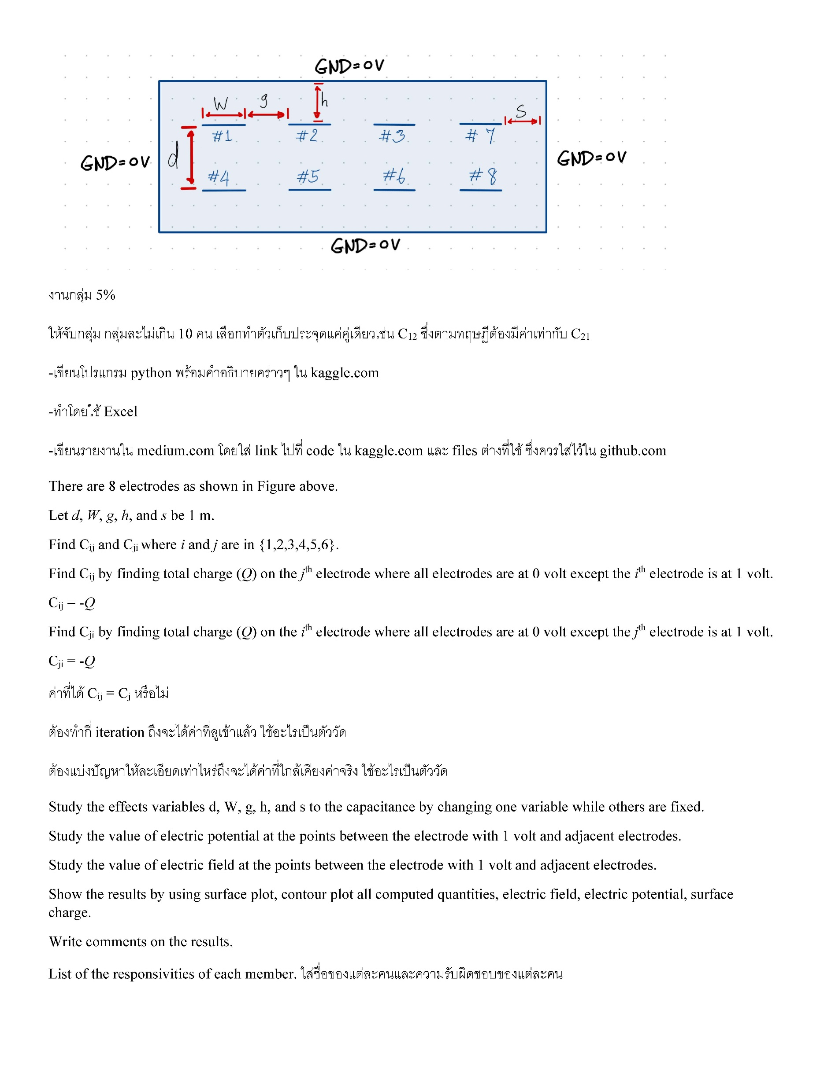

Result
ความละเอียด | C15 (fF/m) | C51 (fF/m)
0.5 | 463.56 | 463.56
0.25 | 691.87 | 691.87
0.125 | 855.13 | 855.13

Study the value of electric potential at the points between the electrode with 1 volt and adjacent electrodes.
C15_0.125
ความละเอียด | ระยะห่าง
 | 0.125 | 0.25 | 0.375 | 0.5 | 0.625 | 0.75 | 0.875
0.125 | 0.6780662114 | 0.50351831148 | 0.38604499053 | 0.29655713083 | 0.22263382963 | 0.15648921447 | 0.089201043552
กราฟโพลิโนเมียล ลำดับที่3
ศักย์ไฟฟ้าระหว่างอิเล็กโทรด 1 โวลต์และอิเล็กโทรดที่อยู่ติดกัน (ความละเอียด 0.125)

C15_0.25
ความละเอียด | ระยะห่าง
 | 0.25 | 0.5 | 0.75
0.25 | 0.549103 | 0.316721 | 0.157563

ศักย์ไฟฟ้าระหว่างอิเล็กโทรด 1 โวลต์และอิเล็กโทรดที่อยู่ติดกัน (ความละเอียด 0.25)

Study the value of electric field at the points between the electrode with 1 volt and adjacent electrodes.
C15_0.125
ความละเอียด | ระยะห่าง |  |  |  |  |  |  |  | 0.60780108239 | 0.24868537051 | 0.1335437158 | 0.083909954644 | 0.051638547667 | 0.01384499613 | -0.07196420089
 | 0.125 | 0.25 | 0.375 | 0.5 | 0.625 | 0.75 | 0.875 |  | 0.57128602705 | 0.20791126123 | 0.090339974269 | 0.040606513221 | 0.010590940674 | -0.022993442177 | -0.1033387802
0.125 | 1.1790871302 | 0.4565966375 | 0.22388369148 | 0.1245164683 | 0.062229489724 | -0.0091484407049 | -0.17530296275 | delta E | 1.1790871094 | 0.45659663174 | 0.22388369006 | 0.12451646787 | 0.062229488341 | -0.0091484460463 | -0.17530298109
กราฟโพลิโนเมียล ลำดับที่3
สนามไฟฟ้าระหว่างอิเล็กโทรด 1 โวลต์และอิเล็กโทรดที่อยู่ติดกัน (ความละเอียด 0.125)

C15_0.25 |  |  |  |  |  |  |  |  | 0.455136 | 0.166226 | 0.019520
ความละเอียด | ระยะห่าง |  |  |  |  |  |  |  | 0.418923 | 0.126670 | -0.013139
 | 0.25 | 0.5 | 0.75 |  |  |  |  | delta E | 0.874059 | 0.292896 | 0.006380
0.25 | 0.87405883032 | 0.29289614306 | 0.006380226828

สนามไฟฟ้าระหว่างอิเล็กโทรด 1 โวลต์และอิเล็กโทรดที่อยู่ติดกัน (ความละเอียด 0.25)

