Confusion Matrixes
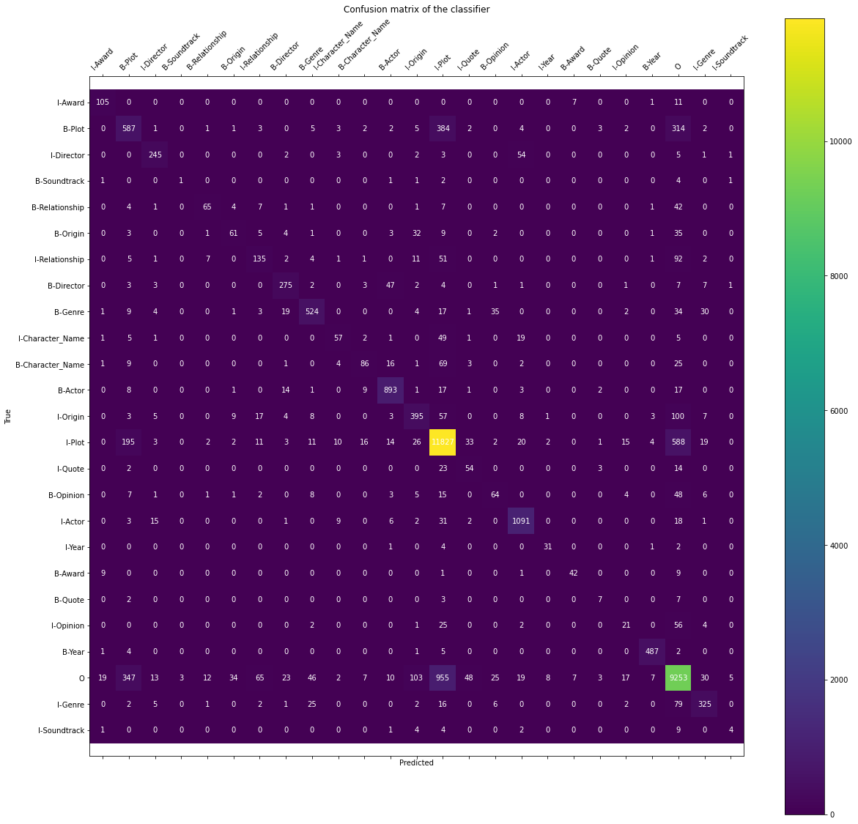
ConMat 1(Split) | ConMat 2(POS tagger)

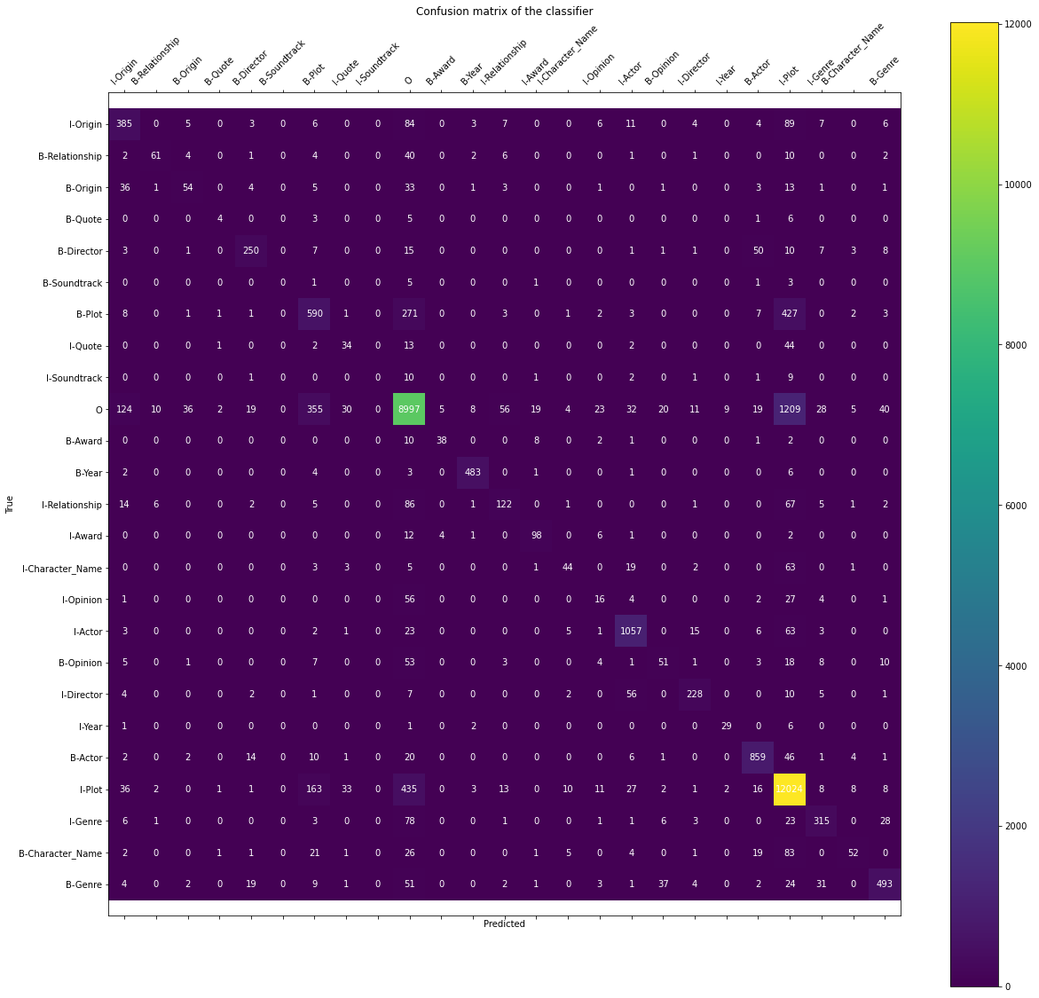
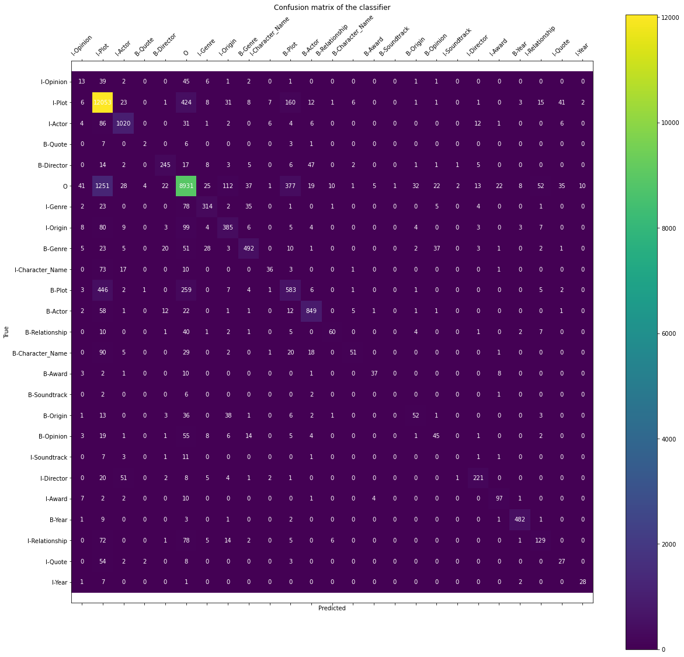

ConMat 3(suffixes) | ConMat 4(prefixes)
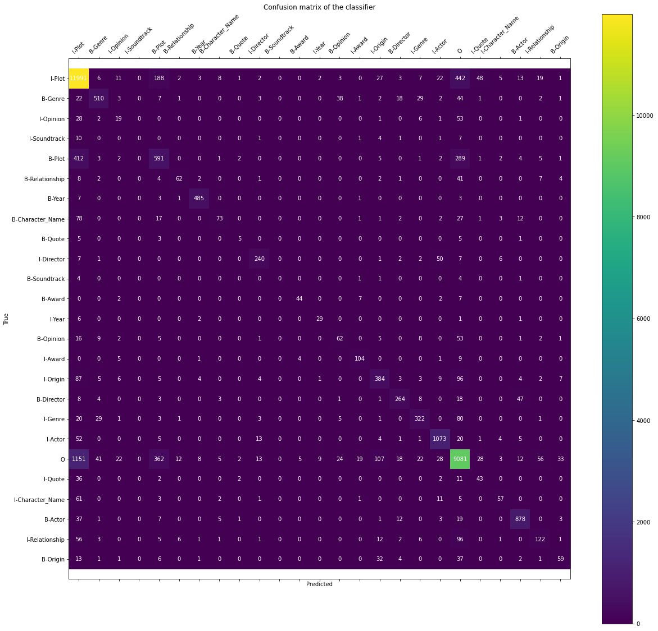


Best ConMat after regression

