Histograma e Assimetria Precos
Frequencia de Valores
Intervalo de Preço (BRL) | Frequência | Pontos | Valor | FDM | Classe | Corte | Frequencia
R$ 0 - R$ 10.000 | 1757 | 1 | -12348.01 | 2.2704181416E-06 | 1 | -163368.1 | 1757
R$ 10.001 - R$ 20.000 | 2452 | 2 | -26912.02 | 2.0904878238E-06 | 2 | -328952.2 | 2452
R$ 20.001 - R$ 30.000 | 1933 | 3 | -41476.03 | 1.9028369377E-06 | 3 | -494536.3 | 1933
R$ 30.001 - R$ 40.000 | 1612 | 4 | -56040.04 | 1.7122518391E-06 | 4 | -660120.4 | 1612
R$ 40.001 - R$ 50.000 | 1084 | 5 | -70604.05 | 1.5231611232E-06 | 5 | -825704.5 | 1084
R$ 50.001 - R$ 60.000 | 758 | 6 | -85168.06 | 1.339479861E-06 | 6 | -991288.6 | 758
R$ 60.001 - R$ 70.000 | 589 | 7 | -99732.07 | 1.1644977867E-06 | 7 | -1156872.7 | 589
R$ 70.001 - R$ 80.000 | 502 | 8 | -114296.08 | 1.0008137963E-06 | 8 | -1322456.8 | 502
R$ 80.001 - R$ 90.000 | 426 | 9 | -128860.09 | 8.5031538422E-07 | 9 | -1488040.9 | 426
R$ 90.001 - R$ 100.000 | 353 | 10 | -143424.1 | 7.1419848834E-07 | 10 | -1653625 | 353
R$ 100.001 - R$ 110.000 | 240 | 11 | -157988.11 | 5.9302083736E-07
R$ 110.001 - R$ 120.000 | 196 | 12 | -172552.12 | 4.8678043876E-07 | Incremento | -165584.1
R$ 120.001 - R$ 130.000 | 208 | 13 | -187116.13 | 3.9501029891E-07 | Incremento 2 | -14564.01
R$ 130.001 - R$ 140.000 | 201 | 14 | -201680.14 | 3.1688074981E-07
R$ 140.001 - R$ 150.000 | 176 | 15 | -216244.15 | 2.5130170327E-07
R$ 150.001 - R$ 160.000 | 143 | 16 | -230808.16 | 1.9701856172E-07
R$ 160.001 - R$ 170.000 | 109 | 17 | -245372.17 | 1.5269717185E-07
R$ 170.001 - R$ 180.000 | 106 | 18 | -259936.18 | 1.1699491321E-07
R$ 180.001 - R$ 190.000 | 104 | 19 | -274500.19 | 8.8616603987E-08
R$ 190.001 - R$ 200.000 | 90 | 20 | -289064.2 | 6.6355261178E-08
R$ 200.001 - R$ 210.000 | 83 | 21 | -303628.21 | 4.9118801346E-08
R$ 210.001 - R$ 220.000 | 54 | 22 | -318192.22 | 3.5944487377E-08
R$ 220.001 - R$ 230.000 | 59 | 23 | -332756.23 | 2.6003329879E-08
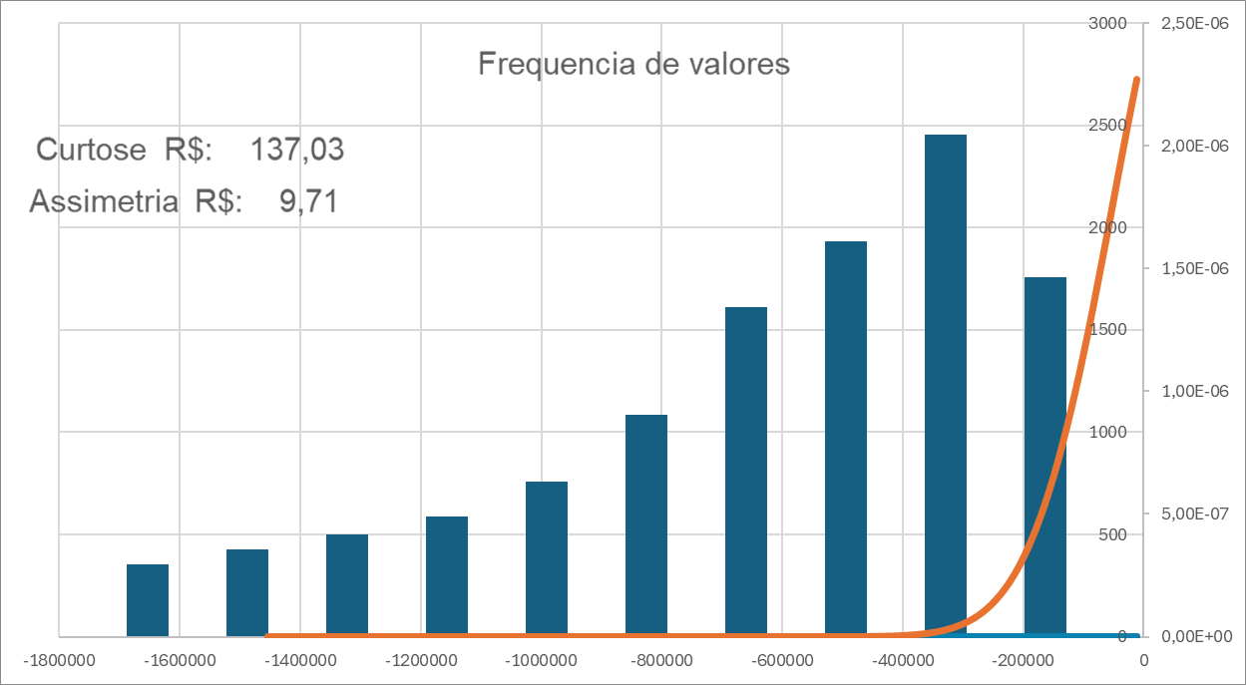
R$ 230.001 - R$ 240.000 | 61 | 24 | -347320.24 | 1.859678087E-08
R$ 240.001 - R$ 250.000 | 54 | 25 | -361884.25 | 1.3147970438E-08
R$ 250.001 - R$ 260.000 | 47 | 26 | -376448.26 | 9.1894982874E-09
R$ 260.001 - R$ 270.000 | 50 | 27 | -391012.27 | 6.3494633452E-09
R$ 270.001 - R$ 280.000 | 50 | 28 | -405576.28 | 4.3370494775E-09
R$ 280.001 - R$ 290.000 | 52 | 29 | -420140.29 | 2.9286257049E-09
R$ 290.001 - R$ 300.000 | 52 | 30 | -434704.3 | 1.9549943211E-09
R$ 300.001 - R$ 310.000 | 37 | 31 | -449268.31 | 1.2901472098E-09
R$ 310.001 - R$ 320.000 | 34 | 32 | -463832.32 | 8.4167644208E-10
R$ 320.001 - R$ 330.000 | 30 | 33 | -478396.33 | 5.4282921471E-10
R$ 330.001 - R$ 340.000 | 34 | 34 | -492960.34 | 3.4609345896E-10
R$ 340.001 - R$ 350.000 | 45 | 35 | -507524.35 | 2.1814019985E-10
R$ 350.001 - R$ 360.000 | 38 | 36 | -522088.36 | 1.3592212605E-10
R$ 360.001 - R$ 370.000 | 31 | 37 | -536652.37 | 8.372530694E-11
R$ 370.001 - R$ 380.000 | 28 | 38 | -551216.38 | 5.098418422E-11
R$ 380.001 - R$ 390.000 | 17 | 39 | -565780.39 | 3.0692081168E-11
R$ 390.001 - R$ 400.000 | 22 | 40 | -580344.4 | 1.8265406352E-11
Mais de R$ 400.000 | 537 | 41 | -594908.41 | 1.0745941595E-11
 |  | 42 | -609472.42 | 6.2498810273E-12
 |  | 43 | -624036.43 | 3.5934463198E-12
 |  | 44 | -638600.44 | 2.0425030325E-12
 |  | 45 | -653164.45 | 1.1476947511E-12
 |  | 46 | -667728.46 | 6.3753233677E-13
 |  | 47 | -682292.47 | 3.5009844136E-13
 |  | 48 | -696856.48 | 1.9005980254E-13
 |  | 49 | -711420.49 | 1.0200054851E-13
 |  | 50 | -725984.5 | 5.4116148226E-14
 |  | 51 | -740548.51 | 2.838333252E-14
 |  | 52 | -755112.52 | 1.4716753973E-14
 |  | 53 | -769676.53 | 7.5434985486E-15
 |  | 54 | -784240.54 | 3.8224844699E-15
 |  | 55 | -798804.55 | 1.9148324784E-15
 |  | 56 | -813368.56 | 9.4826119295E-16
 |  | 57 | -827932.57 | 4.6423438766E-16
 |  | 58 | -842496.58 | 2.2467708144E-16
 |  | 59 | -857060.59 | 1.0749601811E-16
 |  | 60 | -871624.6 | 5.08438136E-17
 |  | 61 | -886188.61 | 2.377365716E-17
 |  | 62 | -900752.62 | 1.0989198293E-17
 |  | 63 | -915316.63 | 5.0216699081E-18
 |  | 64 | -929880.64 | 2.2685191524E-18
 |  | 65 | -944444.65 | 1.0130919765E-18
 |  | 66 | -959008.66 | 4.4726759936E-19
 |  | 67 | -973572.67 | 1.9520823651E-19
 |  | 68 | -988136.68 | 8.422499129E-20
 |  | 69 | -1002700.69 | 3.5924931474E-20
 |  | 70 | -1017264.7 | 1.5148270759E-20
 |  | 71 | -1031828.71 | 6.3145485503E-21
 |  | 72 | -1046392.72 | 2.602158171E-21
 |  | 73 | -1060956.73 | 1.0600765147E-21
 |  | 74 | -1075520.74 | 4.2692626292E-22
 |  | 75 | -1090084.75 | 1.6997328485E-22
 |  | 76 | -1104648.76 | 6.689915007E-23
 |  | 77 | -1119212.77 | 2.6029910208E-23
 |  | 78 | -1133776.78 | 1.0012369687E-23
 |  | 79 | -1148340.79 | 3.807266E-24
 |  | 80 | -1162904.8 | 1.4312045269E-24
 |  | 81 | -1177468.81 | 5.3186611077E-25
 |  | 82 | -1192032.82 | 1.9539573224E-25
 |  | 83 | -1206596.83 | 7.0964306925E-26
 |  | 84 | -1221160.84 | 2.5478684111E-26
 |  | 85 | -1235724.85 | 9.0432837985E-27
 |  | 86 | -1250288.86 | 3.1731270623E-27
 |  | 87 | -1264852.87 | 1.1006795633E-27
 |  | 88 | -1279416.88 | 3.7743874516E-28
 |  | 89 | -1293980.89 | 1.2795114998E-28
 |  | 90 | -1308544.9 | 4.2879927697E-29
 |  | 91 | -1323108.91 | 1.4206138102E-29
 |  | 92 | -1337672.92 | 4.6527547068E-30
 |  | 93 | -1352236.93 | 1.5064558874E-30
 |  | 94 | -1366800.94 | 4.8218624559E-31
 |  | 95 | -1381364.95 | 1.5257569392E-31
 |  | 96 | -1395928.96 | 4.7727427517E-32
 |  | 97 | -1410492.97 | 1.475920064E-32
 |  | 98 | -1425056.98 | 4.5120071961E-33
 |  | 99 | -1439620.99 | 1.3636058872E-33
 |  | 100 | -1454185 | 4.0739912183E-34

Histograma e assimetria Motor
Frequencia de Motores
classe | corte | frequencia | Intervalos | Frequência
1 | 1.33 | 1 | 0.5 - 1.0 | 1
2 | 1.66 | 2050 | 1.0 - 1.5 | 2050
3 | 1.99 | 3935 | 1.5 - 2.0 | 3935
4 | 2.32 | 3456 | 2.0 - 2.5 | 3456
5 | 2.65 | 1271 | 2.5 - 3.0 | 1271
6 | 2.98 | 1194 | 3.0 - 3.5 | 1194
7 | 3.31 | 709 | 3.5 - 4.0 | 709
8 | 3.64 | 948 | 4.0 - 4.5 | 948
9 | 3.97 | 184 | 4.5 - 5.0 | 184
10 | 4.3 | 284 | 5.0 - 5.5 | 284
11 | 4.63 | 207 | 5.5 - 6.0 | 207
12 | 4.96 | 200 | 6.0 - 6.5 | 200
13 | 5.29 | 15 | 6.5 - 6.7 | 15

Pontos | Valor | FDM | incremento | 0.33
1 | 1.933 | 7.9014567288E-06 | incremento 2 | 0.933
2 | 2.866 | 7.8859259747E-06
3 | 3.799 | 7.8845561909E-06
4 | 4.732 | 7.8836430538E-06
5 | 5.665 | 7.8772522608E-06
6 | 6.598 | 7.8740576307E-06
7 | 7.531 | 7.8608281893E-06
8 | 8.464 | 7.8631084997E-06
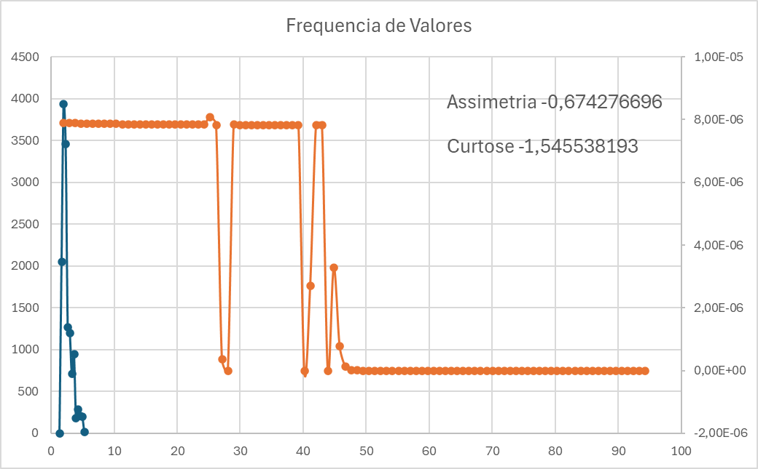
9 | 9.397 | 7.8640206972E-06
10 | 10.33 | 7.8608281893E-06
11 | 11.263 | 7.8576361946E-06
12 | 12.196 | 7.8590041294E-06
13 | 13.129 | 7.8590041294E-06
14 | 14.062 | 7.8599161384E-06
15 | 14.995 | 7.8599161384E-06
16 | 15.928 | 7.8530770936E-06
17 | 16.861 | 7.8517095679E-06
18 | 17.794 | 7.8498863474E-06
19 | 18.727 | 7.8517095679E-06
20 | 19.66 | 7.8567242905E-06
21 | 20.593 | 7.8535329565E-06
22 | 21.526 | 7.8503421368E-06
23 | 22.459 | 7.8489748001E-06
24 | 23.392 | 7.8439620419E-06
25 | 24.325 | 7.8462404107E-06
26 | 25.258 | 8.0822917905E-06
27 | 26.191 | 7.8362175568E-06
28 | 27.124 | 7.8362175568E-06
29 | 28.057 | 7.8362175568E-06
30 | 28.99 | 7.8362175568E-06
31 | 29.923 | 7.8362175568E-06
32 | 30.856 | 7.8362175568E-06
33 | 31.789 | 7.8362175568E-06
34 | 32.722 | 7.8362175568E-06
35 | 33.655 | 7.8362175568E-06
36 | 34.588 | 7.8362175568E-06
37 | 35.521 | 7.8362175568E-06
38 | 36.454 | 7.8362175568E-06
39 | 37.387 | 7.8362175568E-06
40 | 38.32 | 7.8362175568E-06
41 | 39.253 | 7.8362175568E-06
42 | 40.186 | 7.8362175568E-06
43 | 41.119 | 7.8362175568E-06
44 | 42.052 | 7.8362175568E-06
45 | 42.985 | 7.8362175568E-06
46 | 43.918 | 7.8362175568E-06
47 | 44.851 | 7.8362175568E-06
48 | 45.784 | 7.8362175568E-06
49 | 46.717 | 7.8362175568E-06
50 | 47.65 | 7.8362175568E-06
51 | 48.583 | 7.8362175568E-06
52 | 49.516 | 7.8362175568E-06
53 | 50.449 | 7.8362175568E-06
54 | 51.382 | 7.8362175568E-06
55 | 52.315 | 7.8362175568E-06
56 | 53.248 | 7.8362175568E-06
57 | 54.181 | 7.8362175568E-06
58 | 55.114 | 7.8362175568E-06
59 | 56.047 | 7.8362175568E-06
60 | 56.98 | 7.8362175568E-06
61 | 57.913 | 7.8362175568E-06
62 | 58.846 | 7.8362175568E-06
63 | 59.779 | 7.8362175568E-06
64 | 60.712 | 7.8362175568E-06
65 | 61.645 | 7.8362175568E-06
66 | 62.578 | 7.8362175568E-06
67 | 63.511 | 7.8362175568E-06
68 | 64.444 | 7.8362175568E-06
69 | 65.377 | 7.8362175568E-06
70 | 66.31 | 7.8362175568E-06
71 | 67.243 | 7.8362175568E-06
72 | 68.176 | 7.8362175568E-06
73 | 69.109 | 7.8362175568E-06
74 | 70.042 | 7.8362175568E-06
75 | 70.975 | 7.8362175568E-06
76 | 71.908 | 7.8362175568E-06
77 | 72.841 | 7.8362175568E-06
78 | 73.774 | 7.8362175568E-06
79 | 74.707 | 7.8362175568E-06
80 | 75.64 | 7.8362175568E-06
81 | 76.573 | 7.8362175568E-06
82 | 77.506 | 7.8362175568E-06
83 | 78.439 | 7.8362175568E-06
84 | 79.372 | 7.8362175568E-06
85 | 80.305 | 7.8362175568E-06
86 | 81.238 | 7.8362175568E-06
87 | 82.171 | 7.8362175568E-06
88 | 83.104 | 7.8362175568E-06
89 | 84.037 | 7.8362175568E-06
90 | 84.97 | 7.8362175568E-06
91 | 85.903 | 7.8362175568E-06
92 | 86.836 | 7.8362175568E-06
93 | 87.769 | 7.8362175568E-06
94 | 88.702 | 7.8362175568E-06
95 | 89.635 | 7.8362175568E-06
96 | 90.568 | 7.8362175568E-06
97 | 91.501 | 7.8362175568E-06
98 | 92.434 | 7.8362175568E-06
99 | 93.367 | 7.8362175568E-06
100 | 94.3 | 7.8362175568E-06

Historgrama e Assimetria Ano
Frequencia de Ano
Pontos | Valor | FDM | Classe | Corte | Frequencia
1 | 3949.79 | 0.0410 | 1 | 3767.9 | 369
2 | 5914.58 | 0.0410 | 2 | 5550.8 | 2783
3 | 7879.37 | 0.0410 | 3 | 7333.7 | 3908
4 | 9844.16 | 0.0410 | 4 | 9116.6 | 5967
5 | 11808.95 | 0.0410 | 5 | 10899.5 | 1427
6 | 13773.74 | 0.0410
7 | 15738.53 | 0.0410 | Intervalos | Frequencia
8 | 17703.32 | 0.0410 | 1980 - 1989 | 369
9 | 19668.11 | 0.0410 | 1990 - 1999 | 2783
10 | 21632.9 | 0.0410 | 2000 - 2009 | 3908
11 | 23597.69 | 0.0410 | 2010 - 2019 | 5967
12 | 25562.48 | 0.0410 | 2020 - 2021 | 1427
13 | 27527.27 | 0.0410
14 | 29492.06 | 0.0410 | incremento ANO 1 | 2187.1
15 | 31456.85 | 0.0410 | incremento ANO 2 | 1964.79
16 | 33421.64 | 0.0410
17 | 35386.43 | 0.0410 |  |  |  | 1782.9
18 | 37351.22 | 0.0410 |  |  |  | 1964.79
19 | 39316.01 | 0.0410
20 | 41280.8 | 0.0410
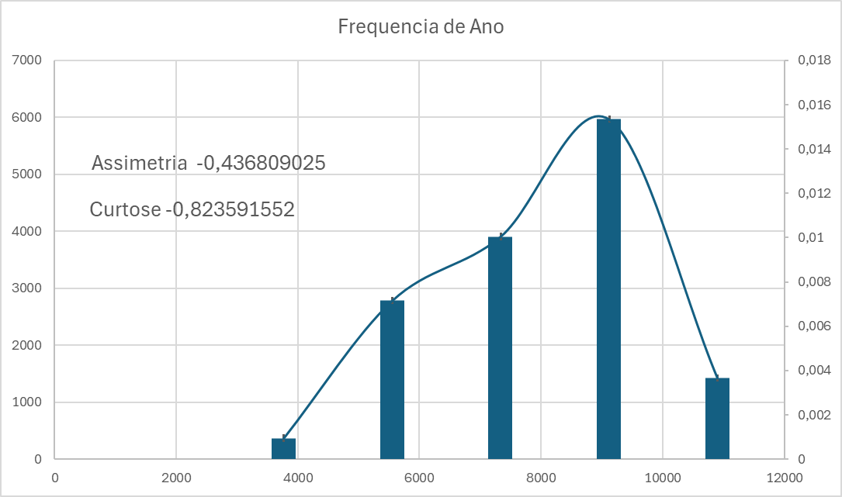
21 | 43245.59 | 0.0394
22 | 45210.38 | 0.0394
23 | 47175.17 | 0.0394
24 | 49139.96 | 0.0394
25 | 51104.75 | 0.0394
26 | 53069.54 | 0.0394
27 | 55034.33 | 0.0394
28 | 56999.12 | 0.0394
29 | 58963.91 | 0.0394
30 | 60928.7 | 0.0394
31 | 62893.49 | 0.0394
32 | 64858.28 | 0.0394
33 | 66823.07 | 0.0394
34 | 68787.86 | 0.0394
35 | 70752.65 | 0.0394
36 | 72717.44 | 0.0394
37 | 74682.23 | 0.0394
38 | 76647.02 | 0.0394
39 | 78611.81 | 0.0394
40 | 80576.6 | 0.0394
41 | 82541.39 | 0.0394
42 | 84506.18 | 0.0394
43 | 86470.97 | 0.0394
44 | 88435.76 | 0.0394
45 | 90400.55 | 0.0394
46 | 92365.34 | 0.0394
47 | 94330.13 | 0.0394
48 | 96294.92 | 0.0394
49 | 98259.71 | 0.0394
50 | 100224.5 | 0.0394
51 | 102189.29 | 0.0394
52 | 104154.08 | 0.0394
53 | 106118.87 | 0.0394
54 | 108083.66 | 0.0394
55 | 110048.45 | 0.0394
56 | 112013.24 | 0.0394
57 | 113978.03 | 0.0394
58 | 115942.82 | 0.0394
59 | 117907.61 | 0.0394
60 | 119872.4 | 0.0394
61 | 121837.19 | 0.0287
62 | 123801.98 | 0.0287
63 | 125766.77 | 0.0287
64 | 127731.56 | 0.0287
65 | 129696.35 | 0.0287
66 | 131661.14 | 0.0287
67 | 133625.93 | 0.0287
68 | 135590.72 | 0.0287
69 | 137555.51 | 0.0287
70 | 139520.3 | 0.0287
71 | 141485.09 | 0.0287
72 | 143449.88 | 0.0287
73 | 145414.67 | 0.0287
74 | 147379.46 | 0.0287
75 | 149344.25 | 0.0287
76 | 151309.04 | 0.0287
77 | 153273.83 | 0.0287
78 | 155238.62 | 0.0287
79 | 157203.41 | 0.0287
80 | 159168.2 | 0.0287
81 | 161132.99 | 0.0287
82 | 163097.78 | 0.0287
83 | 165062.57 | 0.0287
84 | 167027.36 | 0.0287
85 | 168992.15 | 0.0287
86 | 170956.94 | 0.0287
87 | 172921.73 | 0.0287
88 | 174886.52 | 0.0287
89 | 176851.31 | 0.0287
90 | 178816.1 | 0.0287
91 | 180780.89 | 0.0160
92 | 182745.68 | 0.0160
93 | 184710.47 | 0.0160
94 | 186675.26 | 0.0160
95 | 188640.05 | 0.0160
96 | 190604.84 | 0.0160
97 | 192569.63 | 0.0160
98 | 194534.42 | 0.0160
99 | 196499.21 | 0.0160
100 | 198464 | 0.0160

Percentis
Percentil Preco Medio

 | Percentil | Valores Percentil
 | 25.00% | 17487
 | 50.00% | 36316
 | 75.00% | 83227.5

Valores Percentil Preco Medio

Percentil Ano

 | Percentil | Valores Percentil
 | 25.00% | 2001
 | 50.00% | 2010
 | 75.00% | 2016

Valores Percentil Ano

Percentil Motorizacao

 | Percentil | Valores Percentil
 | 25.00% | 3
 | 50.00% | 4.5748
 | 75.00% | 4.5809

