Answers
1 | Return the total amount of salaries paid to each department. Sort the amounts in descending order.

 |  | Row Labels | Sum of Salary $ (Yearly)
 |  | Research & Development | 14070721
 |  | HR | 13608218
 |  | Legal | 12331403
 |  | Manufacturing | 11084787
 |  | IT | 10975608
 |  | QA | 10901416
 |  | Finance | 10562794
 |  | Sales & Marketing | 10341596
 |  | CEO | 350000
 |  | Grand Total | 94226543

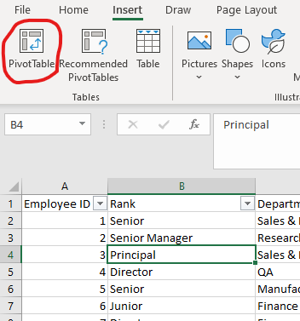

 | In the next window, you'll notice that the entire range of the table is already selected.
 | The only decision we need to make is whether we create the Pivot Table in a new worksheet, or place it in an existing one. Our suggestion - Create new worksheet.
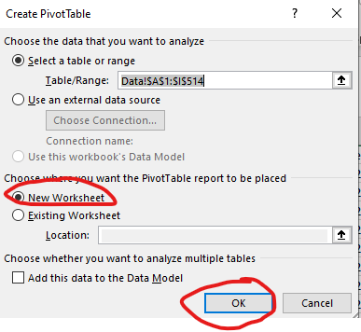

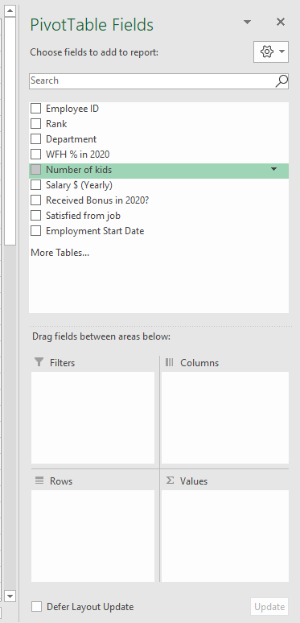
 | After creating the Pivot Table, it will look like this:

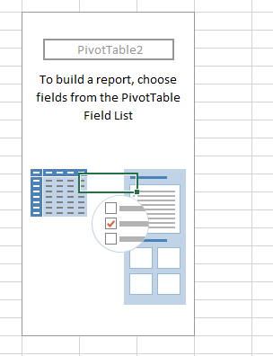
 |  |  |  |  |  |  |  |  |  | Here we can select the fields which will be used in our Pivot Table.
 |  |  | This is the basic Pivot Table when |  |  |  |  |  |  | Each of the fields can be dragged to the following areas:
 |  |  | it doesn't have any fields in it. |  |  |  |  |  |  | Rows | By which field we would like to present the summary in the rows?
 |  |  |  |  |  |  |  |  |  | Columns | By which field we would like to present the summary in the columns?
 |  |  |  |  |  |  |  |  |  | Values | What are the fields we wish to summarize?
 |  |  |  |  |  |  |  |  |  | Filters | What field should be used for filtering the table?

 | Now, drag the "Department" field into the Rows section, as we wish to summarize our data by Department.
 | Then, drag the "Salary" field into the Values section - This is the field we wish to calculate:

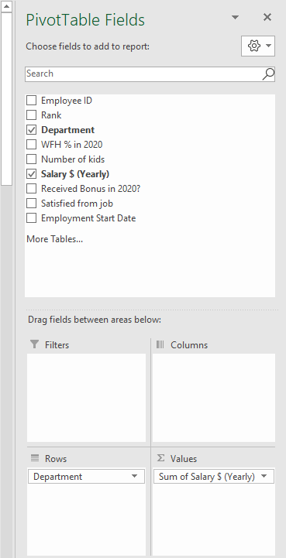

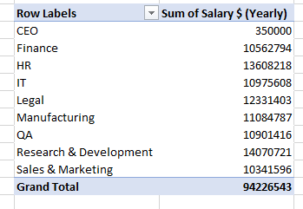

 |  |  | We can see that Excel decided to perform a Sum operation on the Salary field.
 |  |  | Sum is usually the default operation Excel will try to perform on a field, in case it's a numerical field.

 | To sort the data in descending order, right-click the numbers column, then select "Sort" - "Largest to Smallest":

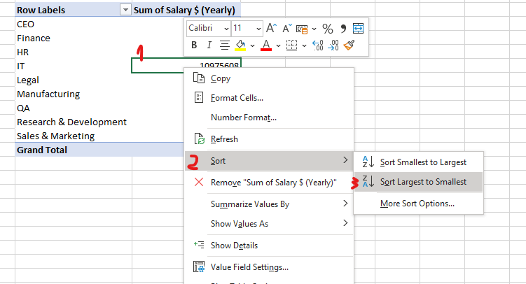

2 | What is the average salary for each rank in the company?

 | Row Labels | Average of Salary $ (Yearly)
 | CEO | 350,000.00
 | Director | 289,757.14
 | Junior | 80,359.65
 | Manager | 195,022.61
 | Principal | 263,604.10
 | Senior | 125,519.68
 | Senior Manager | 236,288.77
 | VP | 322,286.25
 | Grand Total | 183,677.47

 | To calculate this, let's first replace the "Department" with the "Rank" field. We can do so by dragging the "Department" field outside, and dragging the "Rank" field inside the Rows:

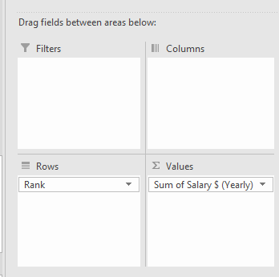
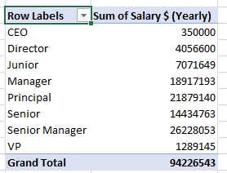

 | Now, we want to change the calculation method - instead of summing the Salary, we want to find the average!
 | To do so, click on "Sum of Salary", then select "Value Field Settings":

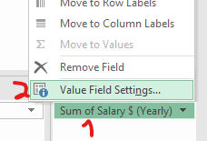

 | Next, let's select "Average" instead of "Sum":

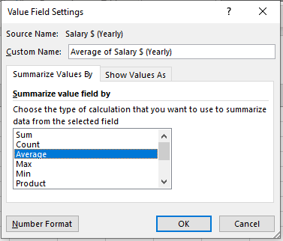

 | As we can see, other than Average & Sum, we can also perform other calculations in the Values field.
 | To design the numbers, click the comma sign.

3 | Return the the average salary for each department (Rows) and for each rank (Columns)

 | Average of Salary $ (Yearly) | Column Labels
 | Row Labels | CEO | Director | Junior | Manager | Principal | Senior | Senior Manager | VP | Grand Total
 | CEO | 350,000.00 |  |  |  |  |  |  |  | 350000
 | Finance |  | 290,949.00 | 83,510.17 | 195,693.27 | 263,958.42 | 123,004.19 | 241,511.43 |  | 176046.56667
 | HR |  | 290,212.75 | 82,433.79 | 192,241.55 | 262,550.08 | 125,963.00 | 237,768.20 | 320,142.00 | 183894.83784
 | IT |  | 293,469.00 | 77,905.46 | 198,769.18 | 262,674.00 | 121,982.45 | 237,629.88 |  | 179928
 | Legal |  |  | 78,781.33 | 197,656.27 | 262,668.18 | 128,894.31 | 235,339.24 | 328,128.00 | 195736.55556
 | Manufacturing |  | 292,891.00 | 84,278.00 | 195,433.80 | 261,352.00 | 123,560.72 | 237,551.50 |  | 181717.81967
 | QA |  | 290,377.00 | 82,273.10 | 191,081.07 | 259,439.20 | 121,194.71 | 233,565.67 | 325,389.00 | 178711.7377
 | Research & Development |  | 286,684.25 | 74,729.55 | 194,867.57 | 265,638.31 | 127,973.21 | 232,037.62 | 315,486.00 | 192749.60274
 | Sales & Marketing |  |  | 79,358.21 | 194,635.09 | 267,707.44 | 132,954.00 | 237,290.77 |  | 175281.28814
 | Grand Total | 350,000.00 | 289,757.14 | 80,359.65 | 195,022.61 | 263,604.10 | 125,519.68 | 236,288.77 | 322,286.25 | 183677.47173

 | We can also use the columns section in order to present the table by rows and by columns:

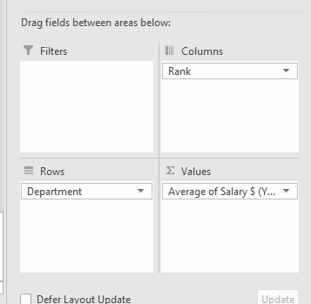

4 | Add an external filter that shows only employees who work in the company for at least 3 years

 | Number of kids | (Multiple Items)

 | Average of Salary $ (Yearly) | Column Labels
 | Row Labels | CEO | Director | Junior | Manager | Principal | Senior | Senior Manager | VP | Grand Total
 | CEO | 350,000.00 |  |  |  |  |  |  |  | 350000
 | Finance |  | 295,104.00 | 83,655.80 | 199,053.50 | 271,102.00 | 127,612.20 | 241,792.67 |  | 161531.23529
 | HR |  | 281,422.00 | 86,075.00 | 188,832.00 | 262,084.17 | 131,190.71 | 240,815.86 | 320,142.00 | 195924.76667
 | IT |  |  | 78,504.86 | 192,081.20 | 264,086.75 | 122,444.50 | 236,572.00 |  | 160426.8
 | Legal |  |  | 72,423.33 | 202,574.00 | 264,681.83 | 125,749.80 | 236,612.71 | 328,128.00 | 201108.57692
 | Manufacturing |  |  | 78,017.50 | 186,151.50 | 259,679.50 | 119,162.75 | 240,123.75 |  | 175568.72222
 | QA |  | 292,961.00 | 79,562.00 | 188,608.25 | 255,261.00 | 124,986.33 | 232,298.29 |  | 183688.72
 | Research & Development |  | 282,873.00 | 79,429.00 | 192,846.43 | 263,879.90 | 122,723.14 | 233,929.38 | 315,486.00 | 213330.05556
 | Sales & Marketing |  |  | 85,670.75 | 192,824.25 | 262,951.40 | 122,490.67 | 243,860.00 |  | 195792.56522
 | Grand Total | 350,000.00 | 287,046.60 | 80,756.30 | 192,403.56 | 263,123.78 | 124,951.51 | 237,872.43 | 321,252.00 | 189795.18905

 | We can add an external filter by dragging the "Number of Kids" field to the Filters section:

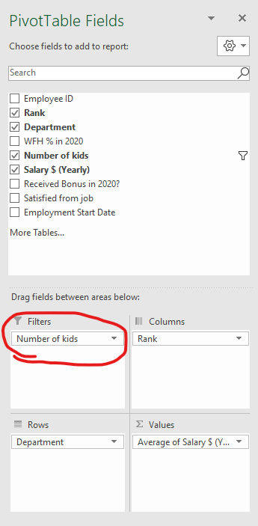

 | Then we can apply the filter:

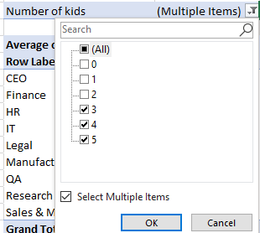

5 | Return the raw data of all Principals in the IT field which work for at least 3 years

 | Double click the cell in the Pivot Table which represents the average salary for Principals in IT field. Note that the filter of at least 3 number of kids is enabled.
 | The result can be found here: |  | Question 5 - Answer

