Full Estimate
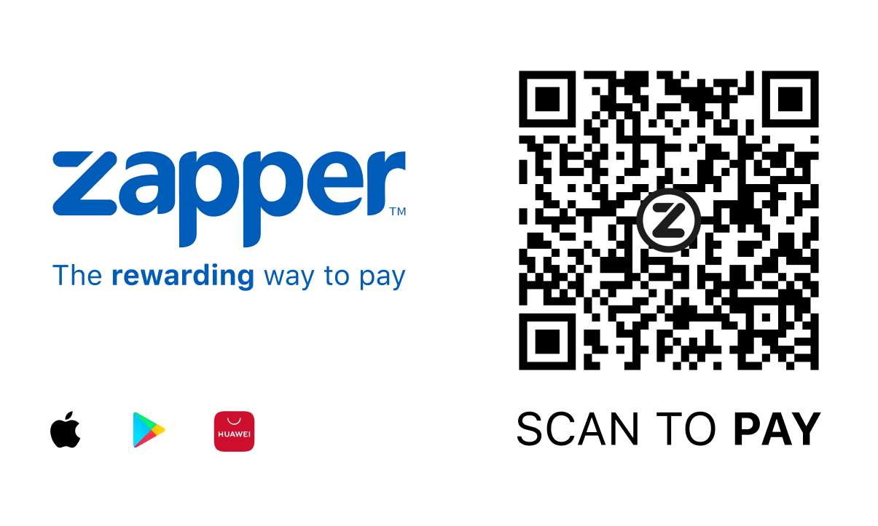
 | 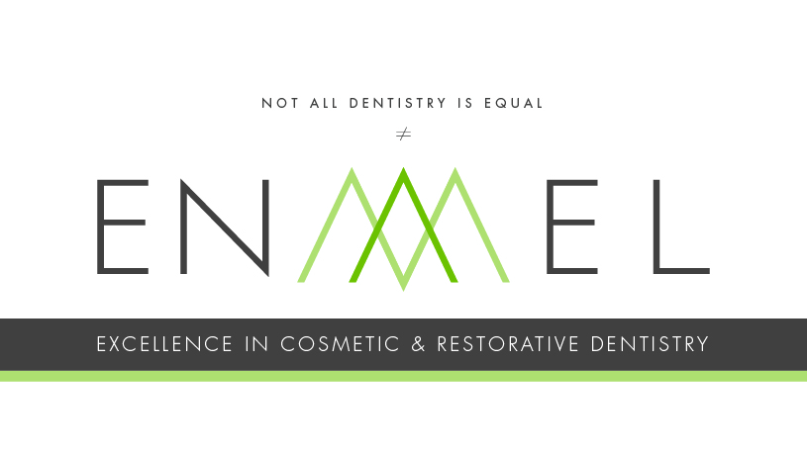

 | Dr Sheryl Smithies BChD (PRET)
 | T: +27 (0) 21 418 2048
 | Practice Number: 0640867. VAT 4250276690
 | t: +27 (0) 21 418 2048
 | e: nikita@enamel.clinic

Dear |  |  |  |  |  |  |  |  | Date:

I hope this letter finds you well. Following your recent appointment and review of the available information, my advice for treatment is as per the following estimate. This estimate details the necessary appointments and sequence of treatment.

NB: This estimate is valid for 6 months. Fees increase at the beginning of each calendar year, therefore, fees will be adjusted accordingly should your treatment plan extend into a new year. 3rd party provider fees are subject to change depending on the provider.

Proposed Treatment Plan:

Appointment Breakdown: |  |  |  | Treatments |  |  |  |  |  | Appointment Length
 | Appointment 1
 | Appointment 2
 | Appointment 3
 | Appointment 4
 | Appointment 5
 | Appointment 6
 | Appointment 7

The expected costs or the proposed dental treatment are as follows:

Grand Total For This Estimate (including lab fee approximation) |  |  |  |  |  |  |  |  |  | #N/A

 |  | Item Code | Description |  |  | ICD-10 Codes | Provider | Tooth Numbers | Per Unit Price | Units | Total
 |  |  | #N/A |  |  | #N/A |  |  | #N/A |  | #N/A
 |  |  | #N/A |  |  | #N/A |  |  | #N/A |  | #N/A
 |  |  | #N/A |  |  | #N/A |  |  | #N/A |  | #N/A
 |  |  | #N/A |  |  | #N/A |  |  | #N/A |  | #N/A
 |  |  | #N/A |  |  | #N/A |  |  | #N/A |  | #N/A
 |  |  | #N/A |  |  | #N/A |  |  | #N/A |  | #N/A
 |  |  | #N/A |  |  | #N/A |  |  | #N/A |  | #N/A
 |  |  | #N/A |  |  | #N/A |  |  | #N/A |  | #N/A
 |  |  | #N/A |  |  | #N/A |  |  | #N/A |  | #N/A
 |  |  | #N/A |  |  | #N/A |  |  | #N/A |  | #N/A
 |  |  | #N/A |  |  | #N/A |  |  | #N/A |  | #N/A
 |  |  | #N/A |  |  | #N/A |  |  | #N/A |  | #N/A
 |  |  | #N/A |  |  | #N/A |  |  | #N/A |  | #N/A
 |  |  | #N/A |  |  | #N/A |  |  | #N/A |  | #N/A
 |  |  | #N/A |  |  | #N/A |  |  | #N/A |  | #N/A
 |  |  | #N/A |  |  | #N/A |  |  | #N/A |  | #N/A
 |  |  | #N/A |  |  | #N/A |  |  | #N/A |  | #N/A
 |  |  | #N/A |  |  | #N/A |  |  | #N/A |  | #N/A
 |  |  | #N/A |  |  | #N/A |  |  | #N/A |  | #N/A
 |  |  | #N/A |  |  | #N/A |  |  | #N/A |  | #N/A
 |  |  | #N/A |  |  | #N/A |  |  | #N/A |  | #N/A
 |  |  | #N/A |  |  | #N/A |  |  | #N/A |  | #N/A
 |  |  | #N/A |  |  | #N/A |  |  | #N/A |  | #N/A
 |  |  | #N/A |  |  | #N/A |  |  | #N/A |  | #N/A
 |  |  | #N/A |  |  | #N/A |  |  | #N/A |  | #N/A
 |  |  | #N/A |  |  | #N/A |  |  | #N/A |  | #N/A
 |  |  | #N/A |  |  | #N/A |  |  | #N/A |  | #N/A
 |  |  | #N/A |  |  | #N/A |  |  | #N/A |  | #N/A
 |  |  | #N/A |  |  | #N/A |  |  | #N/A |  | #N/A
 |  |  | #N/A |  |  | #N/A |  |  | #N/A |  | #N/A
 |  |  | #N/A |  |  | #N/A |  |  | #N/A |  | #N/A
 |  |  | #N/A |  |  | #N/A |  |  | #N/A |  | #N/A
 |  |  | #N/A |  |  | #N/A |  |  | #N/A |  | #N/A
 |  |  | DISCOUNT 5% VALID 30 DAYS |  |  |  |  |  |  |  | #N/A
 |  |  | DISCOUNT 10% VALID FOR 30 DAYS |  |  |  |  |  |  |  | #N/A
 |  |  | DISCOUNT 15% VALID FOR 30 DAYS |  |  |  |  |  |  |  | #N/A
 | Discounts above are only valid for deposit/full payment via EFT within 30 days of the date of this estimate. Any payments made later than 30 days will lose the discount above. |  |  |  | TOTAL (incl discount for our fees, excl 3rd party fees) |  |  |  |  |  | #N/A
 | For the discount we will request that you review our treatment of your case on our Google My Business page (link will be supplied) at the end of treatment. For the 15% discount we will request that you agree to allow us to use your clinical photos for social media including intra-oral as well as extra-oral photos.
 | Third Party Fees (PRICES SUBJECT TO VARY FROM SUPPLIERS)
 |  |  | #N/A |  |  | #N/A |  |  | #N/A | 1 | #N/A
 |  |  | #N/A |  |  | #N/A |  |  | #N/A |  | #N/A
 |  |  | #N/A |  |  | #N/A |  |  | #N/A |  | #N/A
 |  |  | #N/A |  |  | #N/A |  |  | #N/A |  | #N/A
 |  |  | #N/A |  |  | #N/A |  |  | #N/A |  | #N/A
 |  |  | TOTAL |  |  |  |  |  |  |  | #N/A
 |  |  |  |  | Total (including lab fee approximation) |  |  |  |  |  | #N/A

 |  | Patient's Right |  |  | Patient's Left
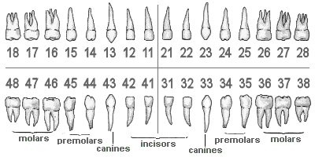

Kindly Read the Terms and Conditions below, sign and send back to us

I, __________________________________________________ hereby accept this estimate from Dr Smithies ("the

dentist") in the amount of R____________________________ for the work described herein and agree to pay this sum as per payment option set out below.

I acknowledge that the dentist may be required to do additional work that is reasonably necessary and related to the procedure described in this estimate. I further acknowledge that the need for any additional treatment may only become evident during the procedure and only once both parties have agreed on the additional work required and fee amount in respect of the additional work, do I accept and acknowledge that I am liable for the estimated amount and the agreed additional fee that maybe applicable. The agreement of the additional work must be in writing and signed separately in a new estimate.

Payment Options

Payment Option 1 = Upfront Payment via EFT only receives 5% discount on clinical fees (excluding third party fees)
 |  | ** this discount does not apply if other discounts have been granted above. |  |  |  |  |  |  |  |  |  | Sign

Payment Option 2 = pay 50% deposit on acceptance of this estimate and 50% on the completion of treatment.
 |  | ** this does not apply to aligner therapy treatments |  |  |  |  |  |  |  |  |  | Sign

Domicilium Citandi Et Executandi
I hereby elect the below mentioned address as the domicilium citandi et executandi at which I will accept service of all notices, processes and documents.

General
No alteration, canelllation, variation of, or addition hereto shall be of any force or effect unless reduced to writing and signed by all parties to this agreement or their duly authorized representatives.
This document contains the entire agreement between the parties and no party shall be bound by any undertaking, representations, warranties, promises or the like not recorded herein.

Any indulgence by any party to another shall not prejudice the rights of such party not be deemed to be a novation of this agreement or a waiver of that party's rights against the other.

Prices include 15% VAT. No refunds will be entertained on treatment provided.
This estimate does not include any fees that other specialists may charge eg maxillofacial surgeons, periodontists, etc.
Please note that any third party fees are just approximate costs. The exchange rate plays a large role in the costs from the laboratory. Please use these costs as a guideline.
Cancellations
Appointments that are cancelled with less than 24 hours notice or missed altogether will be charged for at R550 for each half hour to cover surgery expenses.

Information about your treatment:

Below is some information about what to expect with your treatment and advice on how to care for it.
Any treatment will last better if kept in the most ideal conditions as below. We suggest that the following should be done to ensure best health and longevity of your treatment.
 | 1) | Dental Checkups to be maintained every 6 months unless otherwise specified below. We are able to check on the health of the new treatmnt as well as monitor for any new problem areas arising.
 | 2) | Dental cleans are to be done every 6 months unless otherwise specified below. These keep the environment of your mouth healthy and ensure longevity of your teeth, gums and treatments.
 | 3) | If a bite plate was made for you, this is to be worn every night to ensure the protection of your teeth and new dental treatments.
 | 4) | Any provisional fillings, crowns or bridges are brittle by nature. Please be extra gentle on them. Any breakages or repairs may be charged for over and above the cost of the treatment.
 | 5) | In the event of implant failure (early or late stage), the costs of the replacement of the implant and the remake of the prosthesis will be charged for. Any sundry costs will be charged for. We will endeavour to use any components again however, there is no guarantee that they will fit the area when a new implant is placed.
 | 6) | We will guarantee your treatment for 3 years for porcelain/ zirconia veneers, crowns or bridges and 1 year for any other treatment from date of treatment dependent on the 6 monthly checkups, 6 monthly oral hygiene appointments being maintained. The onus is on the patient to ensure that these appointments are made and kept religiously. Also, if a night guard was supplied to you this must be worn religiously every night. Accidents and habits such as chewing ice, biting nails or skin etc cannot be guaranteed unfortunately. Any provisional treatments of a temporary nature cannot be guaranteed. See point 4 above. |  |  |  |  |  |  |  |  |  | Initial
Treatment Type |  | What to expect and Aftercare
 | PPE and Infection Control | #N/A |  |  |  |  |  |  |  |  |  | Initial
 |  | #N/A |  |  |  |  |  |  |  |  |  | Initial
 |  | #N/A |  |  |  |  |  |  |  |  |  | Initial
 |  | #N/A |  |  |  |  |  |  |  |  |  | Initial
 |  | #N/A |  |  |  |  |  |  |  |  |  | Initial
 |  | #N/A |  |  |  |  |  |  |  |  |  | Initial

 | Signed | _________________________________ |  |  |  | Name:_____________________________________

 | Address: _______________________________________________________________________________

 | Date: | _________________________________

 |  |  |  |  |  |  |  | Banking Details for EFT payments:
 | Kind Regards, |  |  |  |  |  |  | Bank | FNB
 |  |  |  |  |  |  |  | Branch code | 255655
 |  |  |  |  |  |  |  | Acc Name | The Smile Emporium INC
 |  |  |  |  |  |  |  | Acc no | 62695604176
 |  |  |  |  |  |  |  | Ref | Your name and surname.
 | Sheryl Smithies
 | Dr Sheryl Smithies |  |  |  |  |  |  | SWIFT | FIRNZAJJ

