00_INFO
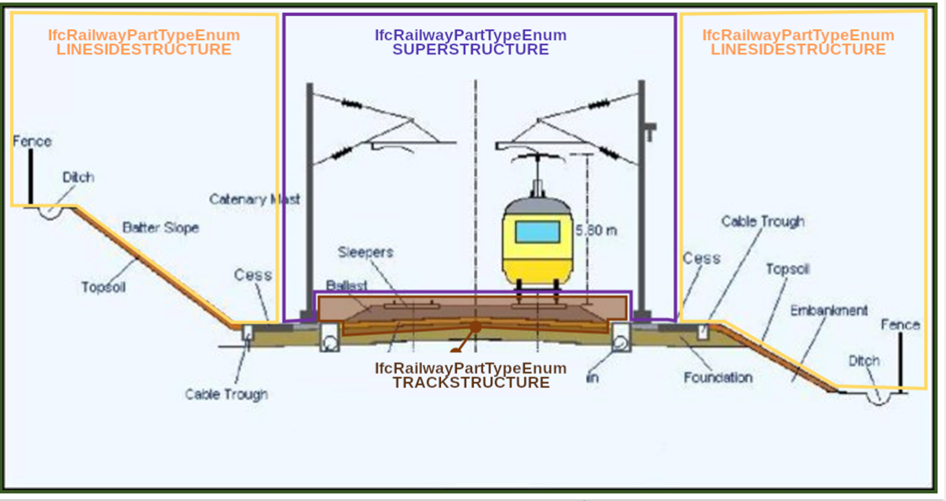
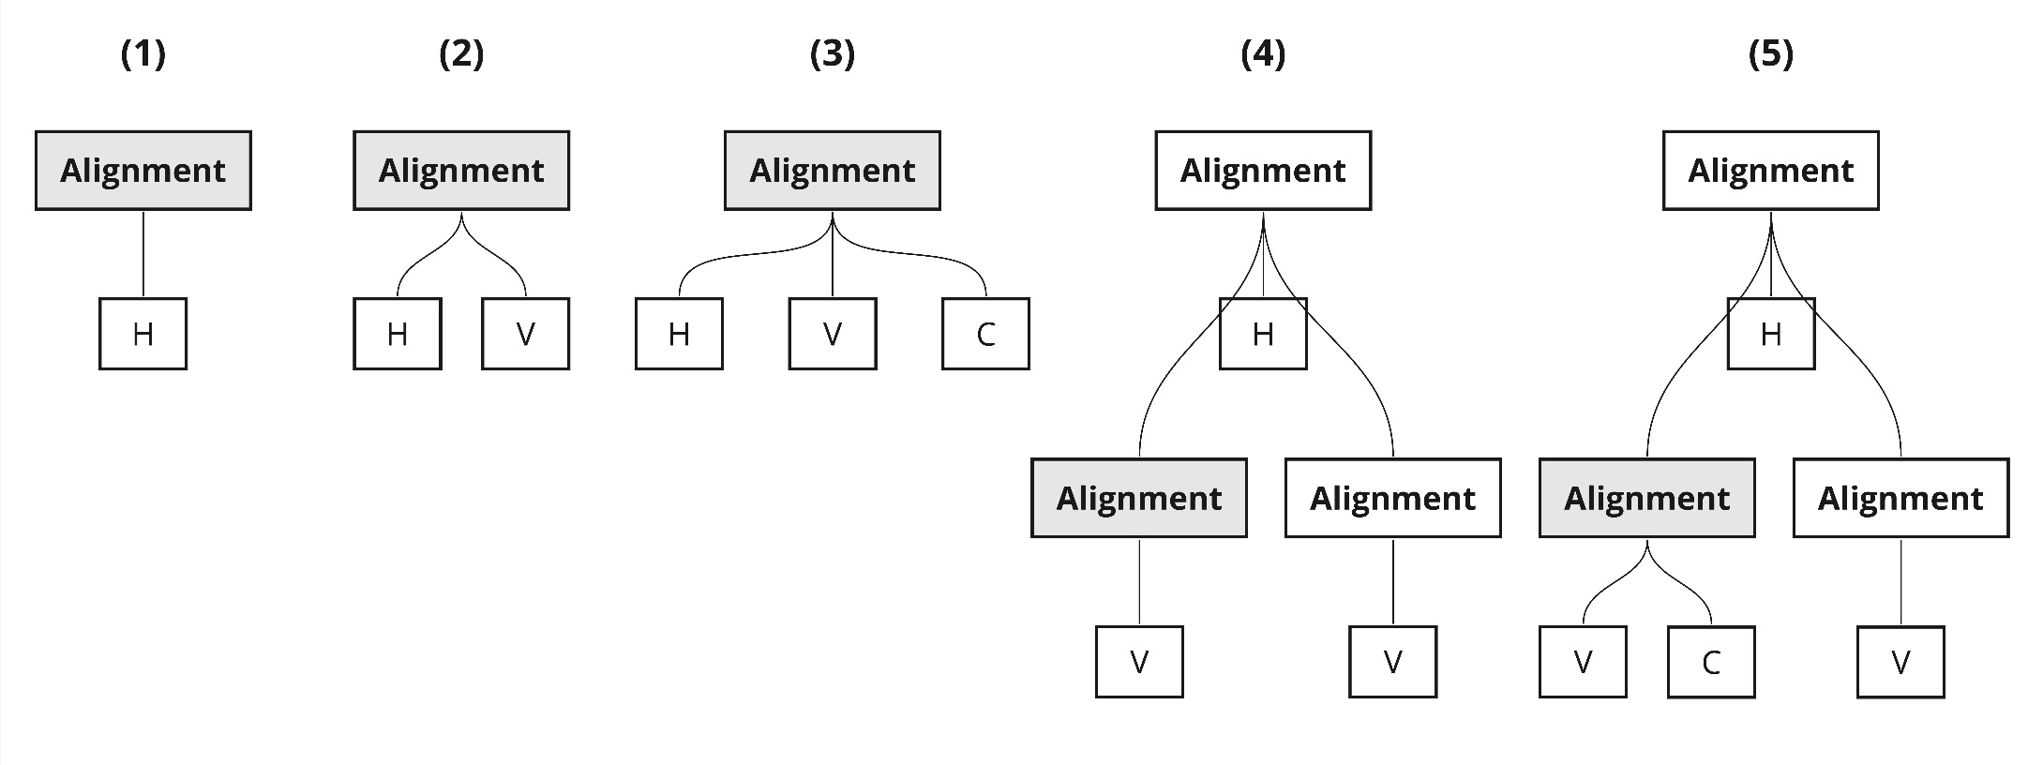
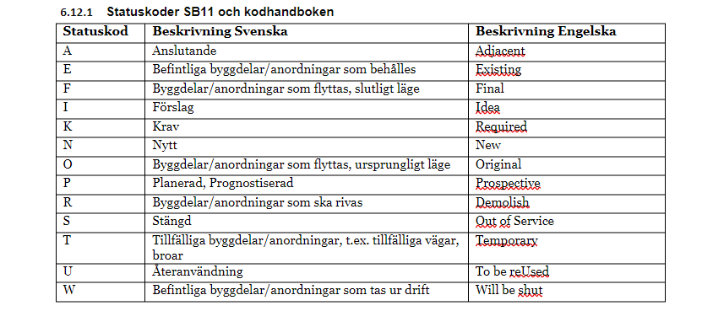

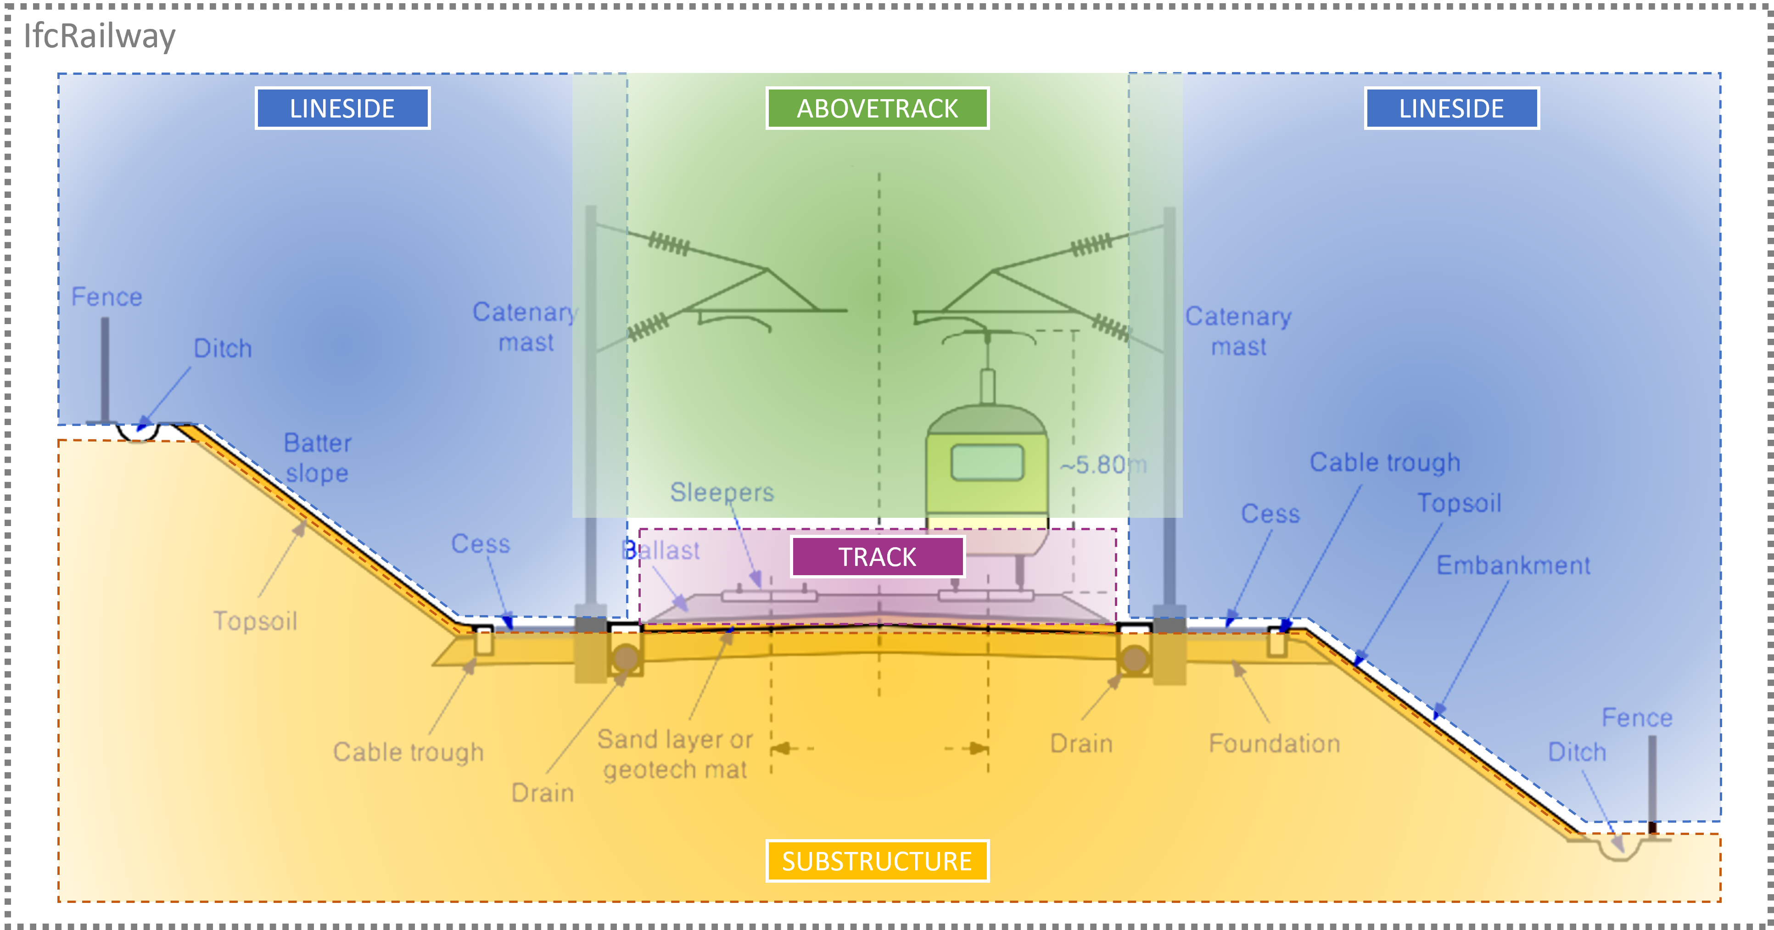

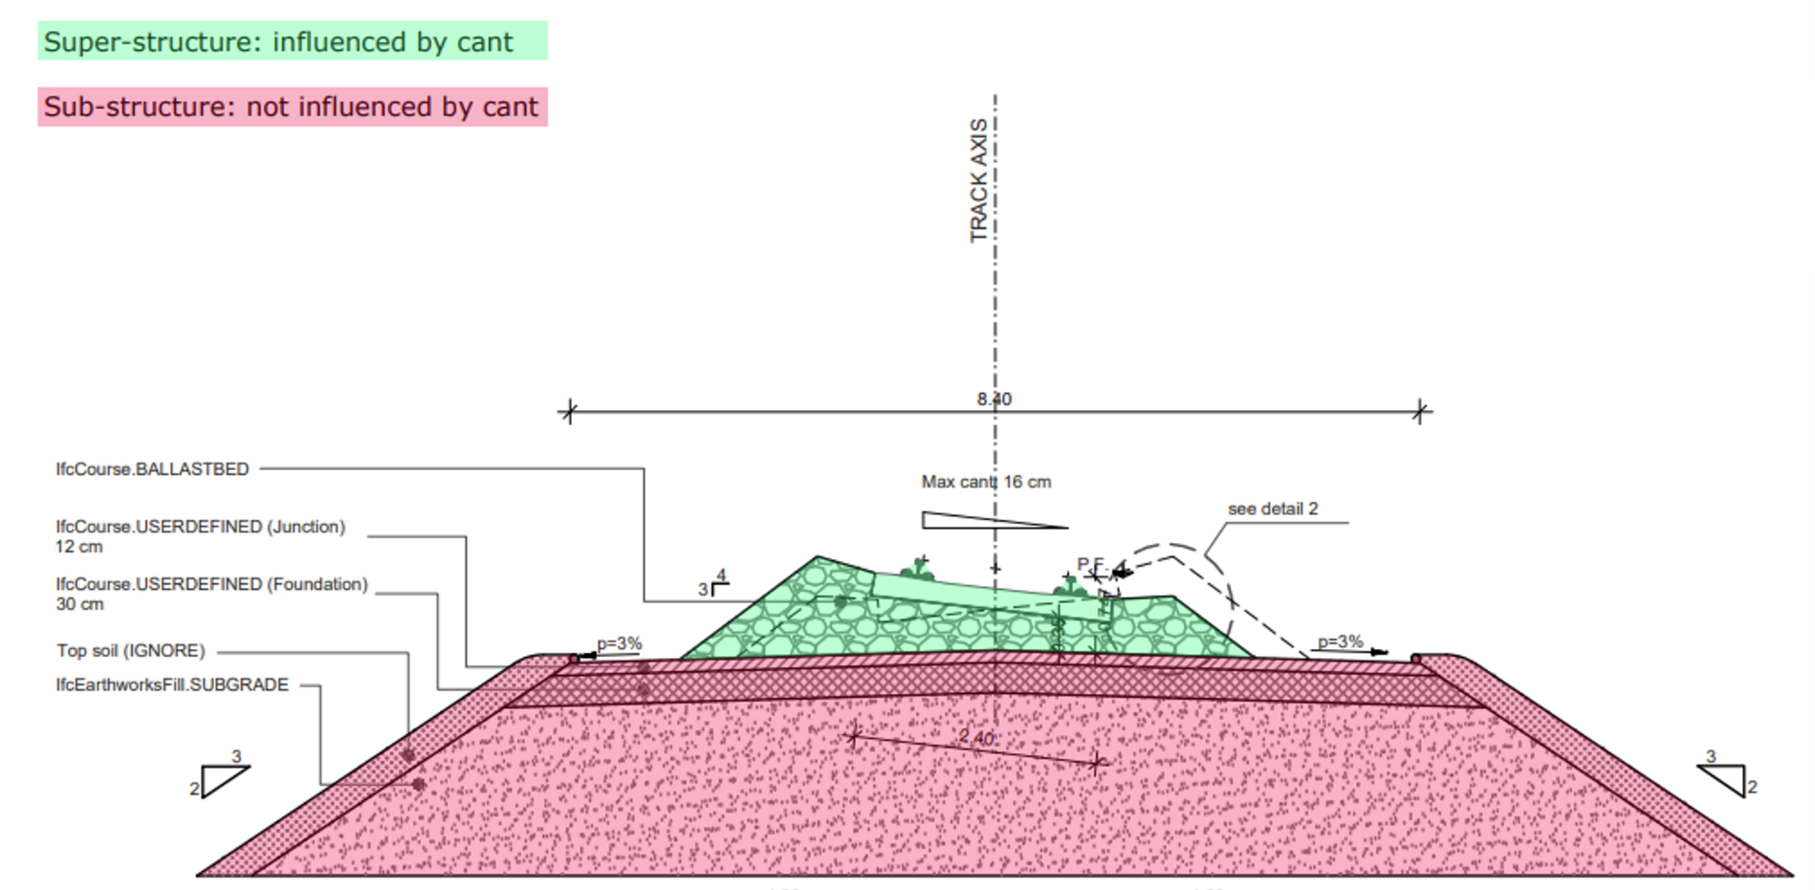

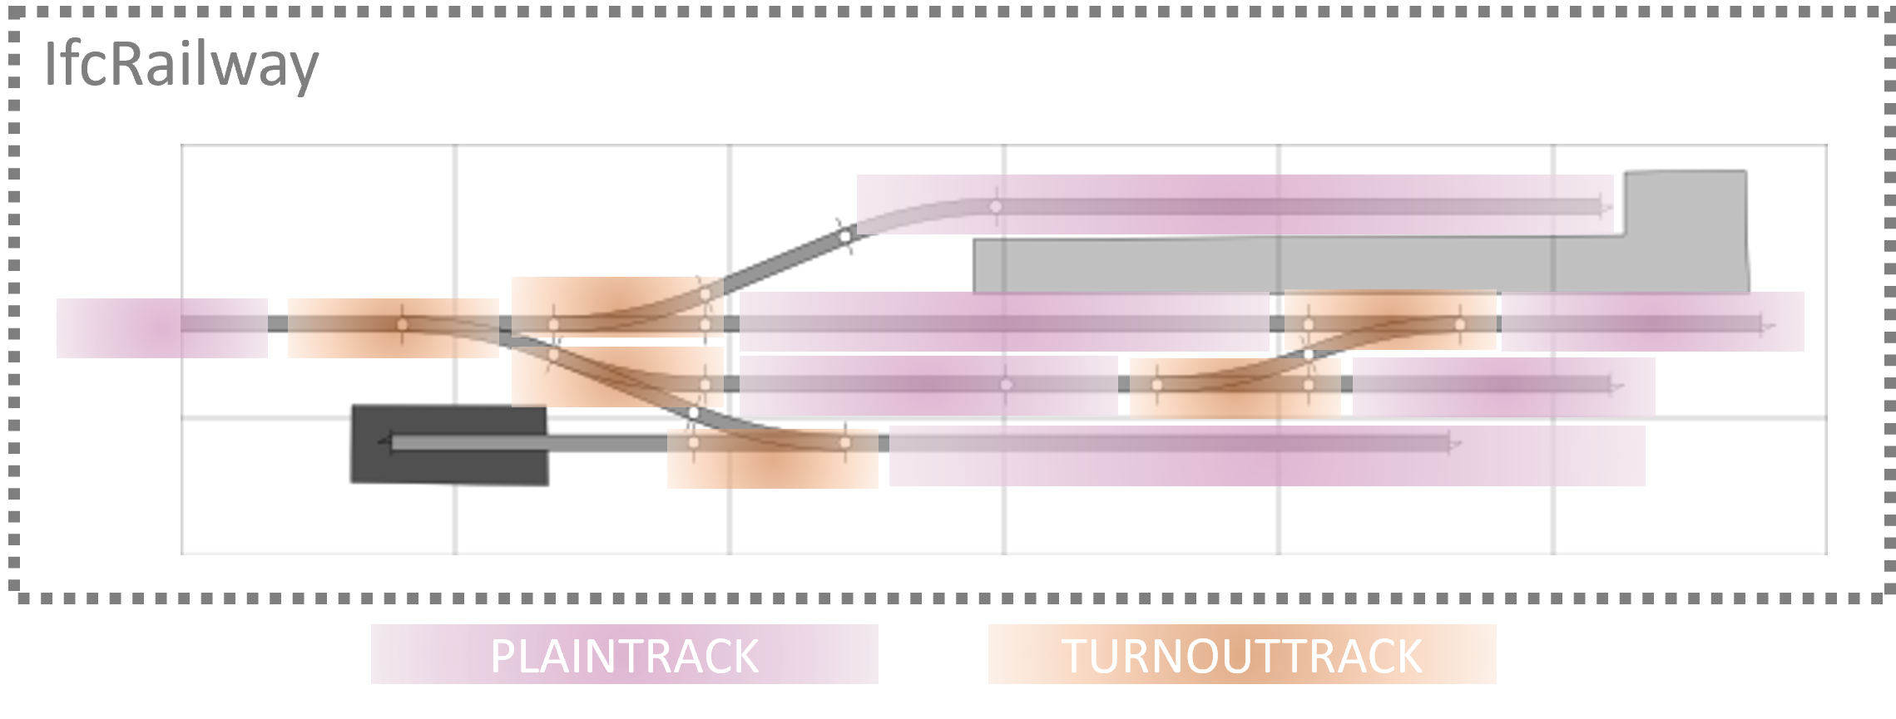

02_IFC-struktur_Spatial
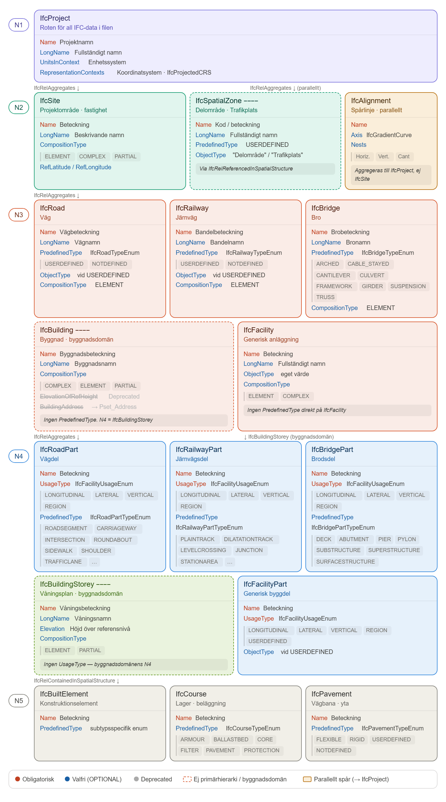
Nivå 1 IfcProject Projektnamn/Koordinatsystem | Nivå 2 IfcSite / IfcSpatialZone / IfcAlignment Projektområde | Nivå 2 ifcAligment IfcAligment - Centrumlinje, Spårlinje | Nivå 3 — IfcRoad / IfcRailway / IfcBridge / IfcBuilding / IfcFacility Anläggningsdel | Nivå 4 IfcRoadPart / IfcRailwayPart / IfcBridgePart / IfcBuildingStorey / IfcFacilityPart Vägnamn/Bandel/Byggdel | Nivå 5 IfcBuiltElement / IfcCourse / IfcPavement Element | 1. GlobalId | OwnerHistory? | Name? | Description? | ObjectType? | LongName? | Phase? | UnitsInContext? | ObjectPlacement ? | Representation ? | RefLatitude? | RefLongitude? | RefElevation? | LandTitleNumber | ObjectPlacement | PredefinedType | ObjectType | UsageType | Pset_ProjectCommon | Pset_SpaceCommon | Pset_RailwayTrackStructurePart .PLAINTRACK | Pset_RailwayTrackStructurePart.TURNOUTTRACK | Pset_BuiltSystemRailwayTrack | Pset_CourseCommon | Pset_TrackElementOccurrenceSleeper.SLEEPER | Qto_CourseBaseQuantities | Qto_SleeperBaseQuantities.SLEEPER | PPset_BuiltSystemRailwayTrackset_BuiltSystemRailwayTrack | Classification | Custom PropertySet
Nivå 1 |  |  |  |  |  | x | x | x | x |  | x | x | x |  |  |  |  |  |  |  |  |  |  | x
 | Nivå 2 |  |  |  |  | x | x | x | x |  | x |  |  |  |  | x | x |  | x
 |  | Nivå 2 |  |  |  | x | x | x | x |  | x |  |  |  |  |  |  |  |  |  | x |  |  |  | x
 |  |  | Nivå 3 |  |  | x | x | x | x |  | x |  |  |  |  |  |  |  |  |  | x | x
 |  |  |  | Nivå 4 |  | x | x | x | x |  | x |  |  |  |  |  |  |  |  |  | x |  | x |  |  | x | x | x
 |  |  |  |  | Nivå 5 | x | x | x | x |  | x |  |  |  |  |  |  |  |  |  | x |  |  |  |  |  |  |  | x | x | x | x |  | x

