Rates
1
Beam intensity calculations based on the gamma-ray activity (use spectrum viewer)

Eff (984 keV) | 0.085 | Eff (1633 keV) | 0.06
BR (984 keV) | 0.7 | BR (1633 keV) | 0.8
 |  |  |  |  |  |  |  | Ratio (I 20Na in beam) /
Beam content vs. Run
Run | Run Time | N(984 keV) | N(1633 keV) | Duty Factor | I (20Mg) | I (20Na) | I (20Na) (In-beam) | (I 20 Mg)
28269 | 1422 | 884353 | 754843 | 0.917 | 11402 | 12064 | 4083 | 0.358
28270 | 736 | 485515 | 403335 | 0.917 | 12095 | 12455 | 3988 | 0.330
28271 | 807 | 539157 | 460254 | 0.917 | 12249 | 12962 | 4387 | 0.358
28272 | 618 | 402546 | 323035 | 0.917 | 11943 | 11880 | 3520 | 0.295
28273 | 674 | 388097 | 332117 | 0.917 | 10557 | 11199 | 3809 | 0.361
28274 | 516 | 292790 | 253846 | 0.917 | 10403 | 11181 | 3898 | 0.375
28275 | 581 | 345672 | 328072 | 0.917 | 10908 | 12833 | 5198 | 0.476
28276 | 900 | 534228 | 473740 | 0.917 | 10883 | 11963 | 4345 | 0.399
28280 | 300 | 2529 | 11874 | 0.917 | 155 | 900 | 791 | 5.120
28281 | 1137 | 334371 | 292386 | 0.917 | 5392 | 5844 | 2070 | 0.384
28282 | 3600 | 1330658 | 1030272 | 0.917 | 6777 | 6504 | 1760 | 0.260
28283 | 3601 | 1421691 | 1126972 | 0.917 | 7239 | 7113 | 2046 | 0.283
28284 | 3600 | 1424592 | 1108675 | 0.917 | 7255 | 6999 | 1920 | 0.265
28285 | 3600 | 1466137 | 1156847 | 0.917 | 7467 | 7303 | 2076 | 0.278
28286 | 3600 | 1445517 | 1235141 | 0.917 | 7362 | 7798 | 2644 | 0.359
28287 | 2100 | 822032.65 | 669884.73 | 0.917 | 7177 | 7250 | 2226 | 0.310
28288 | 660 | 236048.15 | 196911.15 | 0.917 | 6557 | 6781 | 2191 | 0.334
28290 | 480 | 187497.36 | 154456.96 | 0.917 | 7162 | 7313 | 2300 | 0.321
28292 | 840 | 326939.24 | 274685.39 | 0.917 | 7136 | 7432 | 2437 | 0.341
28293 | 840 | 317945.05 | 270833.43 | 0.917 | 6940 | 7328 | 2470 | 0.356
28294 | 840 | 350347.78 | 293760.68 | 0.917 | 7647 | 7948 | 2595 | 0.339
28296 | 3600 | 1334140.59 | 1139869.79 | 0.917 | 6795 | 7196 | 2440 | 0.359
28297 | 3600 | 1327802.06 | 1196818.31 | 0.917 | 6762 | 7556 | 2822 | 0.417
28298 | 3621 | 1308199.23 | 1265746.48 | 0.917 | 6624 | 7944 | 3308 | 0.499
28299 | 3600 | 1225618.51 | 1278667.32 | 0.917 | 6242 | 8072 | 3703 | 0.593 |  | keV |  | 16B00A | 16G00A | 16R00A | 16W00A | 15W00A
28300 | 3600 | 1204722 | 1456080 | 0.917 | 6136 | 9192 | 4898 | 0.798 | E1 | 511 |  | 393 | 409 | 398 | 403 | 411
28301 | 3325 | 1085843.59 | 1405391.94 | 0.917 | 5988 | 9606 | 5415 | 0.904 | E2 | 1633 |  | 1259 | 1309 | 1273 | 1289 | 1317
28302 | 1794 | 542938.92 | 873297.67 | 0.917 | 5549 | 11063 | 7179 | 1.294
28304 | 420 | 139053 | 131856 | 0.917 | 6070 | 7135 | 2886 | 0.475 |  |  | 28326 | 1.295612 | 1.246667 | 1.282286 | 1.266366 | 1.238411
28306 | 361 | 103406.2 | 98448.38 | 0.917 | 5252 | 6198 | 2522 | 0.480 |  |  | offset | 1.824480 | 1.113333 | 0.650286 | 0.654628 | 2.013245
28307 | 2520 | 737674 | 777950 | 0.917 | 5367 | 7016 | 3259 | 0.607
28308 | 2115 | 592436.38 | 751967.41 | 0.917 | 5136 | 8080 | 4485 | 0.873
28309 | 3408 | 937718.35 | 1603410.54 | 0.917 | 5045 | 10693 | 7161 | 1.420
28310 | 1186 | 335649.09 | 646427.72 | 0.917 | 5189 | 12387 | 8755 | 1.687
28311 | 2003 | 506959.64 | 1476601.31 | 0.917 | 4640 | 16754 | 13506 | 2.910
28318 | 2700 | 743950 | 809640 | 0.917 | 5052 | 6815 | 3279 | 0.649
28319 | 720 | 180420.25 | 206200.17 | 0.917 | 4594 | 6509 | 3293 | 0.717
28320 | 2880 | 764779.28 | 1108144.27 | 0.917 | 4869 | 8745 | 5337 | 1.096
28325 | 540 | 128258.35 | 123889.4 | 0.917 | 4355 | 5214 | 2166 | 0.497
28326 | 1710 | 378039.85 | 454819.57 | 0.917 | 4052 | 6043 | 3206 | 0.791
28327 | 755 | 150775.24 | 157012.48 | 0.917 | 3660 | 4725 | 2163 | 0.591
28328 | 747 | 121166.6 | 143155.52 | 0.917 | 2973 | 4354 | 2273 | 0.765
28329 | 814 | 147490.34 | 172771.93 | 0.917 | 3321 | 4822 | 2498 | 0.752
28330 | 744 | 128995.79 | 132673.82 | 0.917 | 3178 | 4051 | 1827 | 0.575
28331 | 1358 | 228899.08 | 299361.26 | 0.917 | 3089 | 5008 | 2846 | 0.921
28332 | 666 | 126210.87 | 142163.85 | 0.917 | 3473 | 4850 | 2418 | 0.696
28333 | 1740 | 389635 | 425624 | 0.917 | 4104 | 5557 | 2684 | 0.654
28334 | 410 | 83090 | 88717 | 0.917 | 3714 | 4916 | 2316 | 0.624

Beam content vs. Run
 | I (21Mg) | I (21Na)
28340 | 115985 | 99766
Eff (332 keV) | 0.17 | Eff (351 keV) | 0.165 | Eff (1633 keV) | 0.06
BR (332 keV) | 0.5 | BR (351 keV) | 0.05 | BR (1633 keV) | 0.21
 |  |  |  |  |  |  |  | Ratio (I 21Na in beam) /
Run | Run Time | N(332 keV) | N(351 keV) | Duty Factor | I (21Mg) | I (21Na) | I (21Na) (In-beam) | (I 21Mg)
28339 | 300 | 2957616 | 246921 | 1 | 115985 | 99766 | 41774 | 0.360
28340

Leakage
 | RCS01 | RCS02 | RCS03 | RCS04 | RCS05 | RCS06 | Array temp. [C]
7/11/2024 | 0.417 | 0.420 | 0.433 | 0.302 | 0.556 | 0.400 | 29.92
7/11/2024 | 0.427 | 0.427 | 0.434 | 0.302 | 0.565 | 0.407 | 30.60
7/11/2024 | 0.439 | 0.438 | 0.445 | 0.309 | 0.577 | 0.417 | 30.64
7/11/2024 | 0.445 | 0.444 | 0.451 | 0.314 | 0.584 | 0.423 | 30.37
7/11/2024 | 0.452 | 0.451 | 0.459 | 0.319 | 0.592 | 0.429 | 29.90
7/11/2024 | 0.456 | 0.454 | 0.463 | 0.322 | 0.595 | 0.432 | 29.51
7/11/2024 | 0.453 | 0.451 | 0.462 | 0.321 | 0.591 | 0.430 | 29.06
7/12/2024 | 0.447 | 0.446 | 0.457 | 0.319 | 0.584 | 0.423 | 28.77
7/12/2024 | 0.442 | 0.440 | 0.452 | 0.315 | 0.577 | 0.419 | 28.63
7/12/2024 | 0.435 | 0.434 | 0.445 | 0.309 | 0.568 | 0.411 | 28.31
7/12/2024 | 0.427 | 0.427 | 0.439 | 0.304 | 0.559 | 0.404 | 28.06
7/12/2024 | 0.420 | 0.420 | 0.431 | 0.299 | 0.549 | 0.396 | 27.85
7/12/2024 | 0.409 | 0.409 | 0.420 | 0.291 | 0.535 | 0.384 | 27.67
7/12/2024 | 0.403 | 0.403 | 0.414 | 0.287 | 0.527 | 0.379 | 27.84
7/12/2024 | 0.383 | 0.383 | 0.392 | 0.272 | 0.502 | 0.360 | 28.38
7/12/2024 | 0.380 | 0.380 | 0.388 | 0.269 | 0.498 | 0.357 | 28.69
7/12/2024 | 0.381 | 0.380 | 0.388 | 0.288 | 0.498 | 0.358 | 29.05
7/12/2024 | 0.384 | 0.383 | 0.391 | 0.271 | 0.503 | 0.360 | 29.33
7/12/2024 | 0.389 | 0.387 | 0.396 | 0.274 | 0.508 | 0.365 | 29.58
7/12/2024 | 0.394 | 0.393 | 0.402 | 0.277 | 0.517 | 0.372 | 29.70
7/12/2024 | 0.399 | 0.398 | 0.407 | 0.281 | 0.523 | 0.376 | 29.81
7/12/2024 | 0.403 | 0.402 | 0.411 | 0.283 | 0.527 | 0.380 | 30.00
7/12/2024 | 0.406 | 0.405 | 0.415 | 0.286 | 0.533 | 0.383 | 30.23
7/12/2024 | 0.415 | 0.414 | 0.424 | 0.292 | 0.545 | 0.392 | 30.38
7/12/2024 | 0.424 | 0.423 | 0.433 | 0.299 | 0.555 | 0.400 | 30.55
7/12/2024 | 0.429 | 0.427 | 0.438 | 0.302 | 0.561 | 0.403 | 30.58
7/12/2024 | 0.440 | 0.438 | 0.448 | 0.310 | 0.573 | 0.414 | 30.54
7/12/2024 | 0.447 | 0.445 | 0.456 | 0.314 | 0.580 | 0.419 | 30.25
7/12/2024 | 0.453 | 0.451 | 0.462 | 0.320 | 0.588 | 0.426 | 29.91
7/12/2024 | 0.457 | 0.454 | 0.466 | 0.322 | 0.590 | 0.429 | 29.59
7/12/2024 | 0.456 | 0.453 | 0.465 | 0.322 | 0.588 | 0.427 | 29.37
7/13/2024 | 0.446 | 0.443 | 0.456 | 0.315 | 0.576 | 0.416 | 29.03
7/13/2024 | 0.442 | 0.439 | 0.452 | 0.313 | 0.570 | 0.412 | 28.77
7/13/2024 | 0.437 | 0.434 | 0.448 | 0.309 | 0.564 | 0.408 | 28.46
7/13/2024 | 0.431 | 0.430 | 0.443 | 0.306 | 0.558 | 0.403 | 28.31
7/13/2024 | 0.425 | 0.424 | 0.437 | 0.382 | 0.550 | 0.396 | 28.33
7/13/2024 | 0.418 | 0.416 | 0.428 | 0.297 | 0.540 | 0.389 | 28.26
7/13/2024 | 0.409 | 0.407 | 0.420 | 0.291 | 0.530 | 0.381 | 28.54
7/13/2024 | 0.401 | 0.401 | 0.411 | 0.295 | 0.520 | 0.374 | 28.96
7/13/2024 | 0.402 | 0.400 | 0.411 | 0.284 | 0.520 | 0.375 | 29.26
7/13/2024 | 0.404 | 0.402 | 0.413 | 0.285 | 0.523 | 0.376 | 29.48
7/13/2024 | 0.409 | 0.406 | 0.417 | 0.288 | 0.528 | 0.380 | 29.71
7/13/2024 | 0.414 | 0.412 | 0.423 | 0.293 | 0.537 | 0.387 | 29.83
7/13/2024 | 0.419 | 0.418 | 0.429 | 0.296 | 0.545 | 0.393 | 30.15
7/13/2024 | 0.422 | 0.421 | 0.432 | 0.298 | 0.549 | 0.396 | 30.38
7/13/2024 | 0.441 | 0.439 | 0.452 | 0.311 | 0.573 | 0.414 | 30.62
7/13/2024 | 0.452 | 0.449 | 0.461 | 0.317 | 0.583 | 0.422 | 30.67
7/13/2024 | 0.452 | 0.449 | 0.461 | 0.317 | 0.583 | 0.422 | 30.55
7/13/2024 | 0.470 | 0.466 | 0.479 | 0.330 | 0.603 | 0.437 | 30.37
7/13/2024 | 0.472 | 0.469 | 0.484 | 0.333 | 0.607 | 0.441 | 30.26
...
Leakage Currents |  |  |  | Graph will auto-fill. No need to change.
Run by run leakage current values

Run | Date/Time | Temperature | Rel. Temp. change | RCS01 | RCS02 | RCS03 | RCS04 | RCS05 | RCS06
 |  | SOH:VAR6

 | 7/9/2024 |  |  | 0.466 | 0.470 | 0.484 | 0.327 | 0.611 | 0.431
Start | 7/11/2024 | 29.92 | 0.00 | 0.417 | 0.420 | 0.433 | 0.302 | 0.556 | 0.400
28263 | 7/11/2024 | 30.60 | 0.68 | 0.427 | 0.427 | 0.434 | 0.302 | 0.565 | 0.407
28264 | 7/11/2024 | 30.64 | 0.72 | 0.439 | 0.438 | 0.445 | 0.309 | 0.577 | 0.417
28266 | 7/11/2024 | 30.37 | 0.45 | 0.445 | 0.444 | 0.451 | 0.314 | 0.584 | 0.423
28267 | 7/11/2024 | 29.90 | -0.02 | 0.452 | 0.451 | 0.459 | 0.319 | 0.592 | 0.429
28268 | 7/11/2024 | 29.51 | -0.41 | 0.456 | 0.454 | 0.463 | 0.322 | 0.595 | 0.432
28269 | 7/11/2024 | 29.06 | -0.86 | 0.453 | 0.451 | 0.462 | 0.321 | 0.591 | 0.430
28270 | 7/12/2024 | 28.77 | -1.15 | 0.447 | 0.446 | 0.457 | 0.319 | 0.584 | 0.423
28271 | 7/12/2024 | 28.63 | -1.29 | 0.442 | 0.440 | 0.452 | 0.315 | 0.577 | 0.419
28272 | 7/12/2024 | 28.31 | -1.62 | 0.435 | 0.434 | 0.445 | 0.309 | 0.568 | 0.411
28273 | 7/12/2024 | 28.06 | -1.86 | 0.427 | 0.427 | 0.439 | 0.304 | 0.559 | 0.404
28274 | 7/12/2024 | 27.85 | -2.07 | 0.420 | 0.420 | 0.431 | 0.299 | 0.549 | 0.396
28275 | 7/12/2024 | 27.67 | -2.25 | 0.409 | 0.409 | 0.420 | 0.291 | 0.535 | 0.384
28276 | 7/12/2024 | 27.84 | -2.08 | 0.403 | 0.403 | 0.414 | 0.287 | 0.527 | 0.379
28277 | 7/12/2024 | 28.38 | -1.54 | 0.383 | 0.383 | 0.392 | 0.272 | 0.502 | 0.360
28278 | 7/12/2024 | 28.69 | -1.23 | 0.380 | 0.380 | 0.388 | 0.269 | 0.498 | 0.357
28278 | 7/12/2024 | 29.05 | -0.87 | 0.381 | 0.380 | 0.388 | 0.288 | 0.498 | 0.358
28278 | 7/12/2024 | 29.33 | -0.59 | 0.384 | 0.383 | 0.391 | 0.271 | 0.503 | 0.360
28280 | 7/12/2024 | 29.58 | -0.34 | 0.389 | 0.387 | 0.396 | 0.274 | 0.508 | 0.365
28282 | 7/12/2024 | 29.70 | -0.22 | 0.394 | 0.393 | 0.402 | 0.277 | 0.517 | 0.372
28283 | 7/12/2024 | 29.81 | -0.12 | 0.399 | 0.398 | 0.407 | 0.281 | 0.523 | 0.376
28284 | 7/12/2024 | 30.00 | 0.08 | 0.403 | 0.402 | 0.411 | 0.283 | 0.527 | 0.380
28284 | 7/12/2024 | 30.23 | 0.31 | 0.406 | 0.405 | 0.415 | 0.286 | 0.533 | 0.383
28286 | 7/12/2024 | 30.38 | 0.46 | 0.415 | 0.414 | 0.424 | 0.292 | 0.545 | 0.392
28287 | 7/12/2024 | 30.55 | 0.63 | 0.424 | 0.423 | 0.433 | 0.299 | 0.555 | 0.400
28287 | 7/12/2024 | 30.58 | 0.66 | 0.429 | 0.427 | 0.438 | 0.302 | 0.561 | 0.403
28289 | 7/12/2024 | 30.54 | 0.62 | 0.440 | 0.438 | 0.448 | 0.310 | 0.573 | 0.414
28290 | 7/12/2024 | 30.25 | 0.33 | 0.447 | 0.445 | 0.456 | 0.314 | 0.580 | 0.419
28292 | 7/12/2024 | 29.91 | -0.01 | 0.453 | 0.451 | 0.462 | 0.320 | 0.588 | 0.426
28293 | 7/12/2024 | 29.59 | -0.33 | 0.457 | 0.454 | 0.466 | 0.322 | 0.590 | 0.429
28294 | 7/12/2024 | 29.37 | -0.55 | 0.456 | 0.453 | 0.465 | 0.322 | 0.588 | 0.427
28296 | 7/13/2024 | 29.03 | -0.89 | 0.446 | 0.443 | 0.456 | 0.315 | 0.576 | 0.416
28297 | 7/13/2024 | 28.77 | -1.15 | 0.442 | 0.439 | 0.452 | 0.313 | 0.570 | 0.412
28298 | 7/13/2024 | 28.46 | -1.46 | 0.437 | 0.434 | 0.448 | 0.309 | 0.564 | 0.408
28299 | 7/13/2024 | 28.31 | -1.61 | 0.431 | 0.430 | 0.443 | 0.306 | 0.558 | 0.403
28300 | 7/13/2024 | 28.33 | -1.59 | 0.425 | 0.424 | 0.437 | 0.382 | 0.550 | 0.396
28301 | 7/13/2024 | 28.26 | -1.66 | 0.418 | 0.416 | 0.428 | 0.297 | 0.540 | 0.389
28302 | 7/13/2024 | 28.54 | -1.38 | 0.409 | 0.407 | 0.420 | 0.291 | 0.530 | 0.381
28304 | 7/13/2024 | 28.96 | -0.96 | 0.401 | 0.401 | 0.411 | 0.295 | 0.520 | 0.374
28306 | 7/13/2024 | 29.26 | -0.67 | 0.402 | 0.400 | 0.411 | 0.284 | 0.520 | 0.375
28307 | 7/13/2024 | 29.48 | -0.44 | 0.404 | 0.402 | 0.413 | 0.285 | 0.523 | 0.376
28308 | 7/13/2024 | 29.71 | -0.21 | 0.409 | 0.406 | 0.417 | 0.288 | 0.528 | 0.380
28309 | 7/13/2024 | 29.83 | -0.09 | 0.414 | 0.412 | 0.423 | 0.293 | 0.537 | 0.387
28310 | 7/13/2024 | 30.15 | 0.23 | 0.419 | 0.418 | 0.429 | 0.296 | 0.545 | 0.393
28311 | 7/13/2024 | 30.38 | 0.46 | 0.422 | 0.421 | 0.432 | 0.298 | 0.549 | 0.396
28318 | 7/13/2024 | 30.62 | 0.70 | 0.441 | 0.439 | 0.452 | 0.311 | 0.573 | 0.414
28319 | 7/13/2024 | 30.67 | 0.75 | 0.452 | 0.449 | 0.461 | 0.317 | 0.583 | 0.422
28320 | 7/13/2024 | 30.55 | 0.63 | 0.452 | 0.449 | 0.461 | 0.317 | 0.583 | 0.422
28323 | 7/13/2024 | 30.37 | 0.45 | 0.470 | 0.466 | 0.479 | 0.330 | 0.603 | 0.437
28323 | 7/13/2024 | 30.26 | 0.34 | 0.472 | 0.469 | 0.484 | 0.333 | 0.607 | 0.441
28324 | 7/13/2024 | 30.13 | 0.21 | 0.472 | 0.469 | 0.484 | 0.334 | 0.607 | 0.442
28326 | 7/14/2024 | 30.07 | 0.14 | 0.471 | 0.468 | 0.482 | 0.334 | 0.606 | 0.441
28327 | 7/14/2024 | 29.67 | -0.26 | 0.470 | 0.467 | 0.482 | 0.333 | 0.604 | 0.438
28328 | 7/14/2024 | 29.34 | -0.58 | 0.469 | 0.465 | 0.480 | 0.332 | 0.599 | 0.435
28329 | 7/14/2024 | 29.17 | -0.75 | 0.465 | 0.462 | 0.476 | 0.329 | 0.596 | 0.433
28330 | 7/14/2024 | 28.83 | -1.09 | 0.460 | 0.457 | 0.472 | 0.325 | 0.589 | 0.428
28331 | 7/14/2024 | 28.51 | -1.41 | 0.455 | 0.452 | 0.467 | 0.322 | 0.582 | 0.423
28332 | 7/14/2024 | 28.20 | -1.72 | 0.447 | 0.446 | 0.461 | 0.319 | 0.574 | 0.415
28333 | 7/14/2024 | 28.12 | -1.80 | 0.439 | 0.437 | 0.452 | 0.312 | 0.563 | 0.406
28334 | 7/14/2024 | 28.48 | -1.44 | 0.425 | 0.423 | 0.437 | 0.302 | 0.546 | 0.393
28335 | 7/14/2024 | 28.63 | -1.29 | 0.415 | 0.414 | 0.427 | 0.295 | 0.534 | 0.385
- | 7/14/2024 | 29.00 | -0.93 | 0.410 | 0.409 | 0.420 | 0.290 | 0.527 | 0.379
28337 | 7/14/2024 | 29.36 | -0.56 | 0.410 | 0.408 | 0.419 | 0.290 | 0.527 | 0.379
28343 | 7/14/2024 | 29.70 | -0.22 | 0.416 | 0.414 | 0.425 | 0.297 | 0.534 | 0.384
28345 | 7/14/2024 | 29.89 | -0.03 | 0.420 | 0.418 | 0.429 | 0.295 | 0.540 | 0.389
28348 | 7/14/2024 | 30.25 | 0.33 | 0.425 | 0.424 | 0.435 | 0.300 | 0.549 | 0.395
28351 | 7/14/2024 | 30.55 | 0.63 | 0.429 | 0.428 | 0.440 | 0.304 | 0.556 | 0.400
End | 7/14/2024 | 30.67 | 0.75 | 0.430 | 0.429 | 0.441 | 0.304 | 0.557 | 0.402

- | 7/16/2024 | 30.23 |  | 0.435 | 0.431 | 0.449 | 0.302 | 0.576 | 0.404

Efficiency
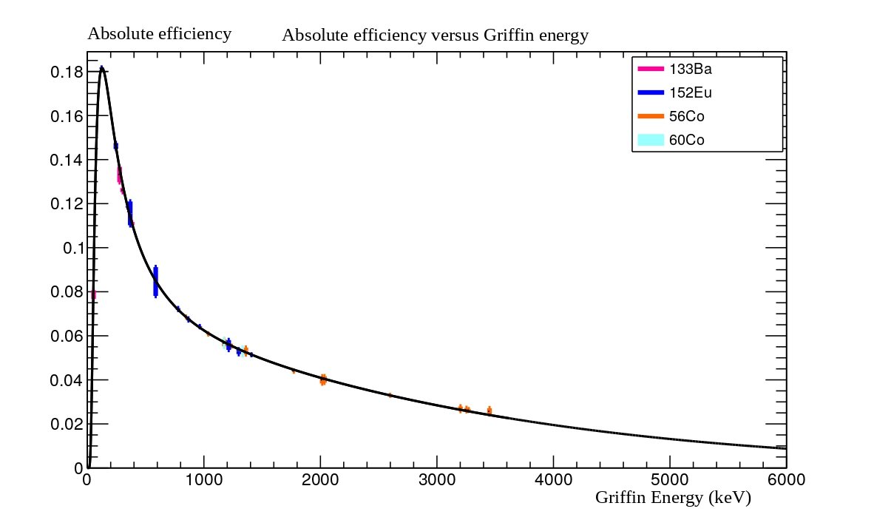
60Co (Run28237) | Activity(38.18kBq+-3%) | RunLength(10800s) | NetEvents | DeadTime(1us) | Deadfraction | Livefraction
Additional Info. 60Co | 38180 | 10800 | 1.22E+08 | 1.00E-06 | 0.011322 | 0.988678 | Checks
 | ID | Activity | Manuf. Date | Expe. Date | Delta t (days) | T_1/2day | T_1/2Uncertainty | Lambda | A[kBq] | A[Bq] | Uncertainty
60Co | R1105 | 38.18 | 2016-05-01 | 2024-07-09 | 2991.000000 | 1925.28 | 14 | 0.00036002409029 | 13.006897117 | 13006.897117 | 0.3818
Energies (keV) | Area | Uncer-Area | Intensity | Uncer-intensity | Efficiency | Uncer-Effiency | with Deadfraction
1173.228 | 7.86E+06 | 3719.46 | 0.99850 | 0.00030 | 0.05666804 | 3.1768915732E-05 | 0.01908672 | 1.0700288697E-05
1332.492 | 7.36E+06 | 5768.14 | 0.99983 | 0.00060 | 0.05297340 | 5.2307641783E-05 | 0.01784231 | 1.7618066442E-05

152Eu (Run28243) - To be Scale with 60Co
Energies (keV) | Area | Uncer-Area | Intensity | Uncer-intensity | Efficiency | Uncer-Effiency
121.782 | 1.61660E+07 | 17180.6 | 1.073000 | 0.000300 | 1.50662E+07 | 1.65566E+04
244.697 | 3.44359E+06 | 29221.7 | 0.283900 | 0.001000 | 1.21296E+07 | 1.11445E+05
295.939 | 1.76268E+05 | 9314.68 | 0.016560 | 0.001500 | 1.06442E+07 | 1.11623E+06
344.279 | 9.83230E+06 | 9868.89 | 1.000000 | 0.000600 | 9.83230E+06 | 1.14977E+04
367.789 | 3.10037E+05 | 1239.1 | 0.032320 | 0.001500 | 9.59273E+06 | 4.46855E+05
411.117 | 7.08569E+05 | 17959 | 0.084130 | 0.002600 | 8.42231E+06 | 3.36627E+05
443.961 | 9.76153E+05 | 5122.45 | 0.106300 | 0.000300 | 9.18300E+06 | 5.47156E+04
488.679 | 1.15319E+05 | 1162.28 | 0.015580 | 0.001000 | 7.40173E+06 | 4.80901E+05
586.265 | 1.20113E+05 | 1595.16 | 0.017100 | 0.001300 | 7.02415E+06 | 5.42087E+05
678.623 | 1.75615E+05 | 1624.52 | 0.017770 | 0.001200 | 9.88267E+06 | 6.73604E+05
688.670 | 2.02009E+05 | 4017.37 | 0.032210 | 0.001900 | 6.27162E+06 | 3.90409E+05
778.905 | 2.91174E+06 | 6272.43 | 0.486200 | 0.002200 | 5.98877E+06 | 3.00127E+04
867.380 | 8.89588E+05 | 1341.56 | 0.159000 | 0.000900 | 5.59489E+06 | 3.27739E+04
964.057 | 2.90546E+06 | 4893.84 | 0.545700 | 0.001300 | 5.32428E+06 | 1.55340E+04
1005.270 | 1.45409E+05 | 1978.24 | 0.024800 | 0.000400 | 5.86327E+06 | 1.23718E+05
1085.837 | 1.79088E+06 | 1481.31 | 0.380400 | 0.001000 | 4.70789E+06 | 1.29743E+04
1112.076 | 2.50224E+06 | 1718.67 | 0.514000 | 0.002300 | 4.86817E+06 | 2.20388E+04
1212.948 | 2.46450E+05 | 759.742 | 0.053200 | 0.002100 | 4.63252E+06 | 1.83419E+05
1299.142 | 2.68892E+05 | 5198.58 | 0.061400 | 0.000300 | 4.37935E+06 | 8.73294E+04
1408.013 | 3.34692E+06 | 1943.38 | 0.784800 | 0.001300 | 4.26468E+06 | 7.48576E+03

56Co (Run28238) -To be Scale with 60Co
Energies (keV) | Area | Uncer-Area | Intensity | Uncer-intensity | Efficiency | Uncer-Effiency
846.770 | 9.38000E+06 | 6766.26 | 1.000000 | 0.000000 | 9.38000E+06 | 6.76626E+03
1037.843 | 1.17000E+06 | 1302.87 | 0.140600 | 0.000400 | 8.32148E+06 | 2.54231E+04
1175.101 | 1.74939E+05 | 1154.59 | 0.022530 | 0.000600 | 7.76471E+06 | 2.13039E+05
1238.288 | 5.03000E+06 | 2386.57 | 0.665000 | 0.001200 | 7.56391E+06 | 1.41131E+04
1360.212 | 3.11166E+05 | 790.991 | 0.042860 | 0.001200 | 7.26006E+06 | 2.04104E+05
1771.357 | 9.27802E+05 | 1133.32 | 0.154200 | 0.000600 | 6.01687E+06 | 2.45385E+04
2015.215 | 1.64902E+05 | 692.442 | 0.030180 | 0.001200 | 5.46395E+06 | 2.18463E+05
2034.791 | 4.26827E+05 | 759.129 | 0.077740 | 0.002800 | 5.49044E+06 | 1.97993E+05
2598.500 | 7.66027E+05 | 927.945 | 0.169800 | 0.000400 | 4.51135E+06 | 1.19502E+04
3009.645 | 4.19000E+04 | 848.574 | 0.010370 | 0.001300 | 4.04050E+06 | 5.13091E+05
3202.029 | 1.18048E+05 | 370.414 | 0.032110 | 0.001200 | 3.67636E+06 | 1.37875E+05
3253.503 | 2.87339E+05 | 583.523 | 0.079280 | 0.002100 | 3.62436E+06 | 9.62851E+04
3273.079 | 6.75136E+04 | 320.321 | 0.018770 | 0.000200 | 3.59689E+06 | 4.19537E+04
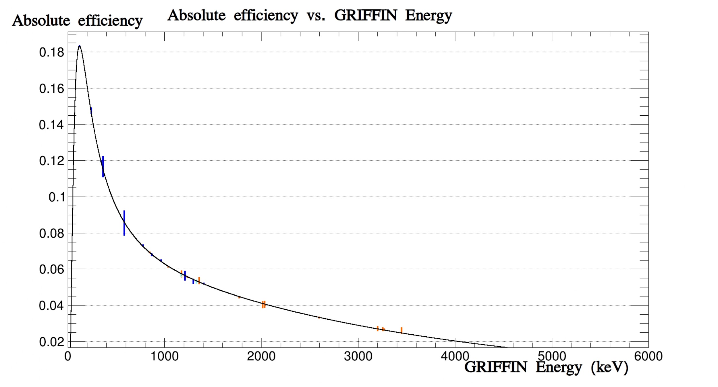
3451.232 | 3.34174E+04 | 197.597 | 0.009500 | 0.000500 | 3.51762E+06 | 1.86303E+05

Adding the lower energies
133Ba (Run28240) -To be Scale with 60Co
Energies (keV) | Area | Uncer-Area | Intensity | Uncer-intensity | Efficiency | Uncer-Effiency
53.1622 | 173867.85133 | 3573.269134 | 0.0345 | 0.0005 | 5039647.8648 | 126735.84472
80.9979 | 6174973.0281 | 33937.972288 | 0.531 | 0.0005 | 11628951.089 | 64844.55162
160.612 | 139284.39219 | 1107.23602 | 0.01028 | 0.0008 | 13549065.388 | 1059888.906
223.2368 | 70627.43534 | 2812.697914 | 0.0073 | 0.0005 | 9674991.1425 | 766543.72624
276.3989 | 984641.47017 | 25253.698075 | 0.1154 | 0.0007 | 8532421.7519 | 224873.33236
302.8508 | 2387632.8142 | 9887.200416 | 0.2955 | 0.0018 | 8079975.6825 | 59514.229673
356.0129 | 7450616.4647 | 3737.838763 | 1 | 0 | 7450616.4647 | 3737.838763
383.8485 | 1023736.7685 | 2292.188857 | 0.1441 | 0.0009 | 7104349.5383 | 47136.493873

Magnet tune
magnets value and 20Na/20Mg
 | 20Na/20Mg
-1245.7 | 1.294
-1245.3
-1250

magnets value | 20Na/20Mg
-1245.7 | 1.294
-1245.3
-1250

