Data Request Email
MAY NEED TO ADAPT SLIGHTLY BASED ON SPECIFIC CONDITIONS OF PAPER
Dear Dr. XXXX (or other appropriate name),
I’m a drinking water researcher working at Eawag in Switzerland working on a Swiss-funded Project (https://www.eawag.ch/en/department/umik/projects/leco/). I'm conducting a large meta analysis of Legionella culture vs qPCR measurements. I would like to incorporate your recent study (XXXdoi linkXXXX), but unfortunately, the data aren’t readily accessible from your publication. Do you have raw data that you would be willing to contribute to such an analysis?
The fields of most interest to me for each sample are:
System Information: Secondary residual type/concentration; Building type; Water system type/sample temperature; Outlet type; Draw (first draw, flushed and for how long).
Sample processing: Sampling volume, How the comparison is made (split samples vs sequential workflow vs separate samples), Culture volume processed; qPCR volume processed
Culture data (#s, LOQ, LOD)
qPCR data (#s, LOQ, LOD)
Some of this I can get from the study details, but actual numbers are not easily extracted from the publication for individual samples.
If you have this information and don’t mind sharing for such a meta analysis, please let me know. If you have further questions about this or how the data will be used, please let me know.
All my best,
XXXXX

Study | Email Sent | Email |  | Reply | 2nd Email | Who | Notes
Donohue et al., 2021 | 2021-10-11 | Donohue.maura@epa.gov | William | no reply, but got necessary data from figures | -
Collins et al., 2015 | 2021-10-11 | Samuel.collins@phe.gov.uk | William | no reply | 2022-01-05 | Nadine
Joly et al., 2006 | 2021-10-26 | sophie.jarraud@univ-lyon1.fr | Nadine | no reply | 2022-01-05 | Nadine
Fittipaldi et al., 2010 | 2021-11-09 | Francesc.codony@aiguesmataro.cat | Nadine | no reply, got data from figure | -
Krøjgaard et al., 2011 | 2021-11-09 | su@ssi.dk | Nadine | Reply | 2022-01-05 | Nadine | said he has to look for raw data
Al-Matawah et al. | 2021-12-15 | qmutawa@kisr.edu.kw | Nadine | no reply | 2022-01-05 | Nadine
Chen and Chang, 2010 | 2022-01-19 | chingwenchang@ntu.edu.tw | Nadine | no reply | 2022-02-02 | Nadine
Collins et al., 2017 | 2022-01-19 | Samuel.collins@phe.gov.uk | Nadine | reply | 2022-02-02 | Nadine | said he has to look for raw data
Ditommaso et al., 2014 | 2022-01-21 | savina.ditommaso@unito.it | Nadine | no reply | 2022-02-02 | Nadine
Proctor et al., 2017 | 2021-01-26 | proctoc@purdue.edu | William | Reply | 2022-02-02 | Nadine
Collins et al., 2017 |  | Samuel.collins@phe.gov.uk | Nadine
Díaz-Flores et al., 2015 |  | jcmontero@jccm.es | Nadine

Data Fields
This tab describes all possible entry fields and responses. As you enter data, if there are entries not listed here, add them to the list of possible responses on this tab.

 |  | SYSTEM INFORMATION |  |  |  |  |  | SAMPLE PROCESSING INFORATION |  |  |  | CULTURE INFORMATION |  |  |  |  |  | qPCR INFORMATION
Study | Data Available | Secondary Residual | Data reporting | Building Type | Water System | Outlet | Draw | Sample Volume (mL) | Sample Comparison | Volume Culture (mL) | Volume qPCR (mL) | Legionella spp (cfu/L) | L. pneumophila (cfu/L) | L. pneumophila SG1 (cfu/L) | L. pneumophila SG2-14 (cfu/L) | Culutre LOQ (cfu/L) | Culture LOD (cfu/L) | Legionella spp (gc/L) | Legionella spp LOD (gc/L) | Legionella spp LOQ (gc/L) | L. pneumophila (gc/L) | L. pneumophila LOD (gc/L) | L. pneumophila LOQ (gc/L) | L. pneumophila SG1 (gc/L) | L. pneumophila SG1 LOD (gc/L) | L. pneumophila SG1 LOQ (gc/L)
Author, year | Yes_manuscript | None | Single building, single point-of-use | Residential | Hot | Faucet | First Draw | #### | Split Sample |  |  | ### | ### | ### | ### | ### | ### | ### | ### | ### | ### | ### | ### | ### | ### | ###
 | Yes_supplementary information | Free Chlorine | Single building, multiple point-of-use | Residential_Multifamily | Cold | Faucet_electronic | Flushed | Not Reported | Sequential Workflow |  |  | (BLANK) | (BLANK) | (BLANK) | (BLANK) | Not Reported | Not Reported | (BLANK) | Not Reported | Not Reported | (BLANK) | Not Reported | Not Reported | (BLANK) | Not Reported | Not Reported
Depending on what type of culture information the paper reports, either enter the number for the correct column (spp, lp, lps1, lps2-14) or leave the field blank if the data is not reported.
If the paper reports <LOQ, <LOD for all non-detect samples, input "<LOQ" or "<LOD" as appropriate. If the paper differentaiates <LOQ or <LOD from ND (not detected) report 0 for ND.
Ideally, the only thing that appears in each cell is nothing (if not reported) or a number. If there are further notes about that number that need to be indiccated, then we should consider adding columns to suit. Such that the culture number can be readily plotted/manipulated.
Always convert to cfu/L, regardless of what they report
Depending on what type of culture information the paper reports, either enter the number for the correct column (spp, lp, lps1, lps2-14) or leave the field blank if the data is not reported.
If the paper reports <LOQ, <LOD for all non-detect samples, input "<LOQ" or "<LOD" as appropriate. If the paper differentaiates <LOQ or <LOD from ND (not detected) report 0 for ND.
Ideally, the only thing that appears in each cell is nothing (if not reported) or a number. If there are further notes about that number that need to be indiccated, then we should consider adding columns to suit. Such that the culture number can be readily plotted/manipulated.
Always convert to gc/L, regardless of what they report
 | Yes_email | Chloramine | Multiple buildings | Residential_Single Family | Mixed | Faucet_low flow rate | Flushed_15s |  | Separate Samples
 | Yes_partial_pending email | Chlorine Dioxide |  | Healthcare | Mixed_Hot/Cold | Faucet_kitchen | Flushed_3m
 |  | Combination |  | Healthcare_Hospital | Mixed_TMV | Facuet_kitchen sprayer | Flushed_5m
 |  | Combination_Free Chlorine_Chlorine Dioxide |  | Healthcare_Nursing | Not Reported | Faucet_bathroom | Not Applicable
 |  | Combination_Chloramine_Chlorine Dioxide |  | Commercial | Reported, but Cannont Determine | Faucet_XXX | Not Reported
 |  | Combintation_Free Chlorine_Copper/Silver |  | Commercial_Laboratory |  | Shower | Flushed_temp_stable
 |  | Not Reported |  | Sports_Facility |  | Shower_hose
 |  | Copper/Silver |  | Not Reported |  | Shower_sprayer
 |  |  |  |  |  | Bath
 |  |  |  |  |  | Boiler
 |  |  |  |  |  | Boiler_outlet
 |  |  |  |  |  | Boiler_drain valve
 |  |  |  |  |  | Not Reported
 |  |  |  |  |  | Cold water tank
 |  |  |  |  |  | Unit water system

Broad categories are listed in Bold. Ideally, each entry should start wtih a bold word; then, if there's easily identifiable information in addition to that, then you can specify with "_XXXX"
For instance, if all you you know if that the sample came from a facuet, the entry is: Faucet
If you know if came from a kitchen faucet: Faucet_Kitchen.
If something is not applicable (e.g., a sample coming from a boiler is niether first draw or flushed), then you report Not Applicable

Meta-analysis_LP
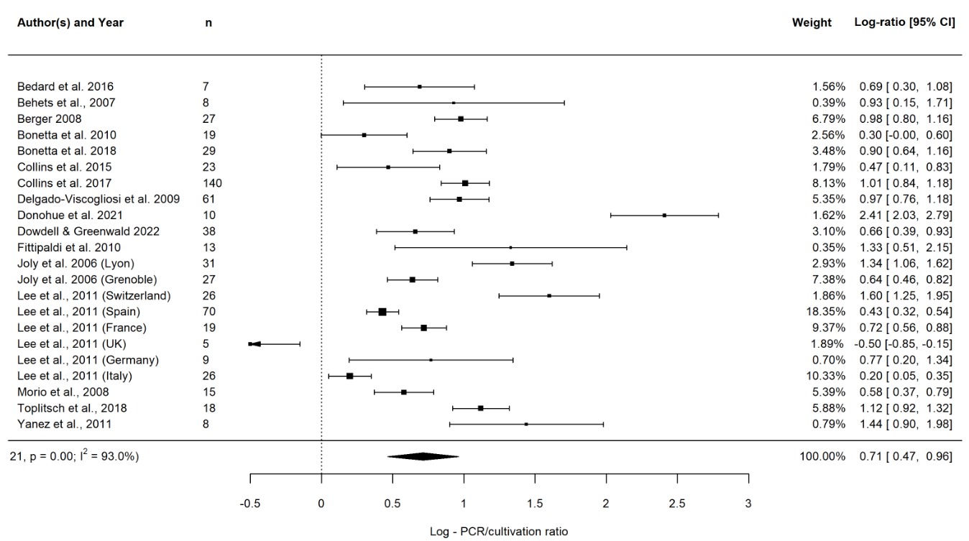
study | author | mi | sdi | ni
1 | Bedard et al. 2016 | 0.69 | 0.52 | 7
2 | Behets et al., 2007 | 0.93 | 1.12 | 8
3 | Berger 2008 | 0.98 | 0.49 | 27
4 | Bonetta et al. 2010 | 0.3 | 0.67 | 19
5 | Bonetta et al. 2018 | 0.9 | 0.71 | 29
6 | Collins et al. 2015 | 0.47 | 0.88 | 23
7 | Collins et al. 2017 | 1.01 | 1.02 | 140
8 | Delgado-Viscogliosi et al. 2009 | 0.97 | 0.83 | 61
9 | Donohue et al. 2021 | 2.41 | 0.61 | 10
10 | Dowdell & Greenwald 2022 | 0.66 | 0.86 | 38
11 | Fittipaldi et al. 2010 | 1.33 | 1.5 | 13
12 | Joly et al. 2006 (Lyon) | 1.34 | 0.8 | 31
13 | Joly et al. 2006 (Grenoble) | 0.64 | 0.47 | 27
14 | Lee et al., 2011 (Switzerland) | 1.6 | 0.92 | 26
15 | Lee et al., 2011 (Spain) | 0.43 | 0.48 | 70
16 | Lee et al., 2011 (France) | 0.72 | 0.35 | 19
17 | Lee et al., 2011 (UK) | -0.5 | 0.4 | 5
18 | Lee et al., 2011 (Germany) | 0.77 | 0.88 | 9
19 | Lee et al., 2011 (Italy) | 0.2 | 0.39 | 26
20 | Morio et al., 2008 | 0.58 | 0.41 | 15
21 | Toplitsch et al., 2018 | 1.12 | 0.43 | 18
22 | Yanez et al., 2011 | 1.44 | 0.78 | 8

Meta-analysis_Lspp
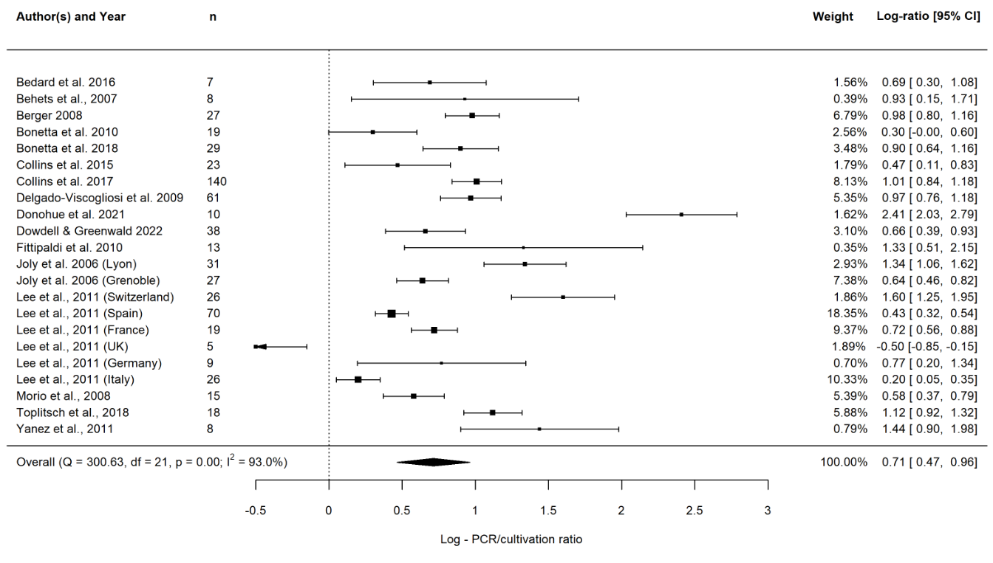
study | author | mi | sdi | ni
1 | Collins et al. 2015 | 0.7 | 0.94 | 32
2 | Collins et al. 2017 | 1.02 | 1.18 | 153
3 | Ditommaso et al. 2014 | 2.24 | 1.04 | 26
4 | Joly et al. 2006 (Lyon) | 1.56 | 0.92 | 35
5 | Joly et al. 2006 (Grenoble) | 0.61 | 0.46 | 30
6 | LeCo_IWB_2022 | 0.56 | 0.99 | 32
7 | Lee et al., 2011 (Switzerland) | 2.14 | 1.02 | 31
8 | Lee et al., 2011 (Spain) | 0.65 | 0.58 | 75
9 | Lee et al., 2011 (France) | 1.24 | 0.54 | 42
10 | Lee et al., 2011 (UK) | 0.39 | 0.43 | 18
11 | Lee et al., 2011 (Germany) | 1.18 | 0.78 | 36
12 | Lee et al., 2011 (Italy) | 0.71 | 0.49 | 51
13 | Qin et al., 2012 | 1.04 | 1.14 | 32
14 | Wellinghausen et al., 2001 | 1.32 | 0.51 | 49

