Data 2018-2020
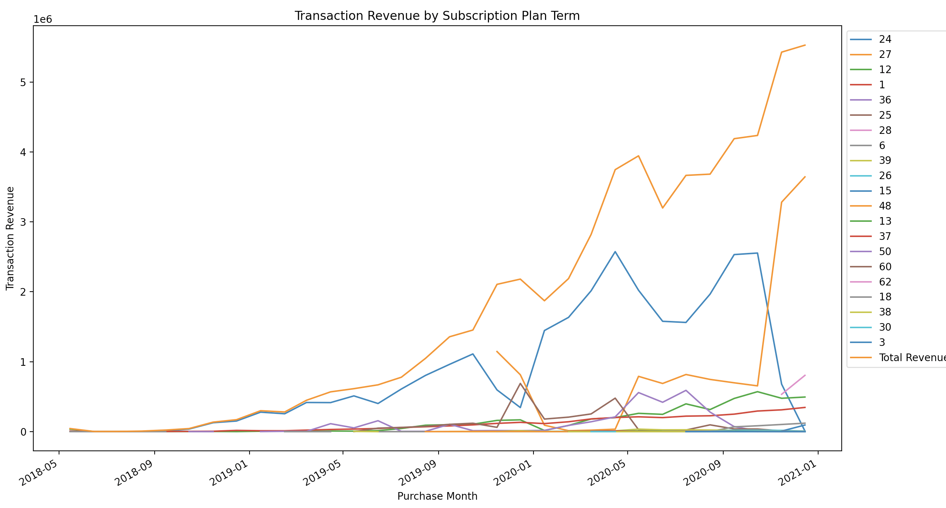
Purchase Month | Subscription Plan Term | Transaction Revenue
2018-05-15 | 1 | $7,920
2018-05-15 | 6 | $917 | Sub plan term | Total revenue:
2018-05-15 | 12 | $35,473 | 1 | $3,470,697.41
2018-06-15 | 1 | $921 | 3 | $0.00
2018-06-15 | 6 | $79 | 6 | $386,909.82
2018-06-15 | 12 | $1,246 | 12 | $4,499,279.35
2018-07-15 | 1 | $920 | 13 | $44,777.02
2018-07-15 | 6 | $40 | 15 | $102,862.74
2018-07-15 | 12 | $1,672 | 18 | $1,107.72
2018-08-15 | 1 | $1,838 | 24 | $27,612,640.43
2018-08-15 | 6 | $271 | 25 | $2,538,328.66
2018-08-15 | 12 | $2,749 | 26 | $123,384.91
2018-08-15 | 24 | $3,148 | 27 | $13,444,608.59
2018-09-15 | 1 | $2,637 | 28 | $1,345,764.21
2018-09-15 | 6 | $110 | 30 | $955.20
2018-09-15 | 12 | $1,502 | 36 | $2,888,773.28
2018-09-15 | 24 | $11,925 | 37 | $25,017.58
2018-09-15 | 28 | $6,614 | 38 | $990.32
2018-10-15 | 1 | $3,893 | 39 | $179,425.24 | Figure 1. Transaction revenue per Sub plan (legend ordered according to the most profitable plan)
2018-10-15 | 12 | $2,297 | 48 | $55,327.24
2018-10-15 | 24 | $37,247 | 50 | $9,335.10
2018-10-15 | 36 | $502 | 60 | $3,220.91
2018-11-15 | 1 | $5,793 | 62 | $1,443.38
2018-11-15 | 12 | $2,611
2018-11-15 | 24 | $127,772
2018-11-15 | 36 | $215
2018-12-15 | 1 | $18,127
2018-12-15 | 12 | $639
2018-12-15 | 24 | $152,107
2019-01-15 | 36 | $1,245
2019-01-15 | 12 | $6,048
2019-01-15 | 24 | $278,804
2019-01-15 | 1 | $13,225
2019-02-15 | 24 | $255,970
2019-02-15 | 36 | $4,623
2019-02-15 | 12 | $6,975
2019-02-15 | 1 | $12,861
2019-02-15 | 30 | $573
2019-02-15 | 6 | $256
2019-03-15 | 36 | $4,074
2019-03-15 | 12 | $5,635
2019-03-15 | 24 | $417,041
2019-03-15 | 6 | $56
2019-03-15 | 1 | $21,901
2019-04-15 | 6 | $40
2019-04-15 | 24 | $415,434
2019-04-15 | 12 | $8,713
2019-04-15 | 1 | $31,053
2019-04-15 | 30 | $48
2019-04-15 | 36 | $113,870
2019-05-15 | 12 | $7,486
2019-05-15 | 25 | $1,376
2019-05-15 | 39 | $3,447
2019-05-15 | 24 | $511,395
2019-05-15 | 1 | $37,223
2019-05-15 | 36 | $53,805
2019-06-15 | 6 | $42
2019-06-15 | 24 | $402,479
2019-06-15 | 36 | $156,260
2019-06-15 | 12 | $14,781
2019-06-15 | 1 | $45,301
2019-06-15 | 25 | $50,412
2019-06-15 | 39 | $283
2019-07-15 | 12 | $44,890
2019-07-15 | 24 | $609,801
2019-07-15 | 25 | $60,593
2019-07-15 | 1 | $59,007
2019-07-15 | 36 | $3,870
2019-07-15 | 6 | $172
2019-08-15 | 6 | $501
2019-08-15 | 48 | $396
2019-08-15 | 25 | $76,126
2019-08-15 | 12 | $91,900
2019-08-15 | 36 | $4,597
2019-08-15 | 1 | $70,086
2019-08-15 | 30 | $48
2019-08-15 | 24 | $803,981
2019-09-15 | 36 | $105,506
2019-09-15 | 1 | $82,150
2019-09-15 | 12 | $99,951
2019-09-15 | 48 | $1,386
2019-09-15 | 39 | $146
2019-09-15 | 25 | $104,478
2019-09-15 | 6 | $667
2019-09-15 | 24 | $962,466
2019-10-15 | 39 | $1,866
2019-10-15 | 6 | $746
2019-10-15 | 12 | $106,085
2019-10-15 | 36 | $14,019
2019-10-15 | 25 | $120,560
2019-10-15 | 1 | $96,999
2019-10-15 | 24 | $1,111,260
2019-10-15 | 48 | $1,782
2019-11-15 | 1 | $118,367
2019-11-15 | 39 | $3,564
2019-11-15 | 26 | $239
2019-11-15 | 24 | $597,063
2019-11-15 | 36 | $16,002
2019-11-15 | 27 | $1,145,557
2019-11-15 | 25 | $61,856
2019-11-15 | 30 | $96
2019-11-15 | 6 | $1,291
2019-11-15 | 48 | $1,386
2019-11-15 | 12 | $161,010
2019-12-15 | 26 | $1,293
2019-12-15 | 12 | $168,930
2019-12-15 | 27 | $813,659
2019-12-15 | 25 | $689,672
2019-12-15 | 24 | $344,576
2019-12-15 | 48 | $1,584
2019-12-15 | 39 | $13,435
2019-12-15 | 1 | $133,095
2019-12-15 | 36 | $14,753
2019-12-15 | 6 | $453
2020-01-15 | 25 | $180,220
2020-01-15 | 6 | $0
2020-01-15 | 26 | $2,380
2020-01-15 | 36 | $17,916
2020-01-15 | 48 | $396
2020-01-15 | 39 | $1,021
2020-01-15 | 27 | $92,063
2020-01-15 | 24 | $1,446,053
2020-01-15 | 1 | $115,218
2020-01-15 | 12 | $16,703
2020-02-15 | 12 | $88,828
2020-02-15 | 38 | $20
2020-02-15 | 36 | $89,055
2020-02-15 | 48 | $1,025
2020-02-15 | 1 | $141,463
2020-02-15 | 6 | $241
2020-02-15 | 24 | $1,634,078
2020-02-15 | 39 | $3,878
2020-02-15 | 27 | $13,779
2020-02-15 | 26 | $4,788
2020-02-15 | 13 | $1,620
2020-02-15 | 37 | $2,363
2020-02-15 | 25 | $207,628
2020-03-15 | 6 | $782
2020-03-15 | 38 | $92
2020-03-15 | 48 | $1,984
2020-03-15 | 36 | $141,271
2020-03-15 | 26 | $6,117
2020-03-15 | 13 | $4,343
2020-03-15 | 30 | $143
2020-03-15 | 39 | $7,614
2020-03-15 | 1 | $182,013
2020-03-15 | 27 | $21,439
2020-03-15 | 12 | $181,010
2020-03-15 | 24 | $2,013,931
2020-03-15 | 25 | $253,320
2020-03-15 | 37 | $5,822
2020-04-15 | 37 | $10,397
2020-04-15 | 24 | $2,574,036
2020-04-15 | 25 | $479,103
2020-04-15 | 39 | $12,253
2020-04-15 | 1 | $202,539
2020-04-15 | 12 | $200,544
2020-04-15 | 48 | $3,784
2020-04-15 | 6 | $607
2020-04-15 | 26 | $10,094
2020-04-15 | 13 | $6,124
2020-04-15 | 30 | $48
2020-04-15 | 27 | $35,448
2020-04-15 | 38 | $200
2020-04-15 | 36 | $211,388
2020-05-15 | 1 | $212,235
2020-05-15 | 37 | $662
2020-05-15 | 6 | $1,245
2020-05-15 | 24 | $2,022,066
2020-05-15 | 12 | $261,894
2020-05-15 | 25 | $28,187
2020-05-15 | 36 | $558,997
2020-05-15 | 13 | $7,044
2020-05-15 | 38 | $112
2020-05-15 | 27 | $790,888
2020-05-15 | 39 | $35,912
2020-05-15 | 48 | $10,167
2020-05-15 | 26 | $12,160
2020-05-15 | 60 | $2,562
2020-06-15 | 38 | $100
2020-06-15 | 37 | $418
2020-06-15 | 48 | $5,981
2020-06-15 | 60 | $159
2020-06-15 | 62 | $176
2020-06-15 | 6 | $439
2020-06-15 | 13 | $5,427
2020-06-15 | 39 | $25,661
2020-06-15 | 24 | $1,578,063
2020-06-15 | 36 | $420,283
2020-06-15 | 25 | $17,009
2020-06-15 | 1 | $200,925
2020-06-15 | 27 | $688,950
2020-06-15 | 26 | $6,838
2020-06-15 | 50 | $823
2020-06-15 | 12 | $247,396
2020-07-15 | 50 | $2,526
2020-07-15 | 3 | $0
2020-07-15 | 1 | $221,973
2020-07-15 | 37 | $680
2020-07-15 | 62 | $462
2020-07-15 | 38 | $100
2020-07-15 | 13 | $6,237
2020-07-15 | 26 | $6,549
2020-07-15 | 12 | $397,567
2020-07-15 | 39 | $26,279
2020-07-15 | 24 | $1,561,683
2020-07-15 | 25 | $23,179
2020-07-15 | 6 | $819
2020-07-15 | 36 | $590,635
2020-07-15 | 60 | $200
2020-07-15 | 48 | $8,708
2020-07-15 | 27 | $817,354
2020-08-15 | 48 | $3,864
2020-08-15 | 3 | $0
2020-08-15 | 26 | $6,869
2020-08-15 | 38 | $132
2020-08-15 | 62 | $805
2020-08-15 | 36 | $279,579
2020-08-15 | 37 | $2,897
2020-08-15 | 6 | $459
2020-08-15 | 12 | $316,015
2020-08-15 | 1 | $227,072
2020-08-15 | 24 | $1,966,555
2020-08-15 | 39 | $22,767
2020-08-15 | 60 | $300
2020-08-15 | 13 | $5,825
2020-08-15 | 50 | $5,005
2020-08-15 | 27 | $746,953
2020-08-15 | 25 | $97,348
2020-09-15 | 3 | $0
2020-09-15 | 39 | $18,085
2020-09-15 | 25 | $38,662
2020-09-15 | 37 | $1,468
2020-09-15 | 24 | $2,532,268
2020-09-15 | 6 | $68,702
2020-09-15 | 38 | $235
2020-09-15 | 36 | $71,876
2020-09-15 | 27 | $698,658
2020-09-15 | 48 | $5,384
2020-09-15 | 12 | $474,878
2020-09-15 | 18 | $896
2020-09-15 | 1 | $250,533
2020-09-15 | 26 | $20,030
2020-09-15 | 50 | $980
2020-09-15 | 13 | $6,907
2020-10-15 | 18 | $212
2020-10-15 | 24 | $2,554,186
2020-10-15 | 39 | $2,968
2020-10-15 | 6 | $83,916
2020-10-15 | 36 | $10,839
2020-10-15 | 26 | $20,169
2020-10-15 | 48 | $3,117
2020-10-15 | 27 | $654,790
2020-10-15 | 1 | $294,953
2020-10-15 | 12 | $571,586
2020-10-15 | 25 | $37,635
2020-10-15 | 13 | $1,243
2020-10-15 | 3 | $0
2020-10-15 | 37 | $261
2020-11-15 | 13 | $6
2020-11-15 | 15 | $8,024
2020-11-15 | 37 | $26
2020-11-15 | 36 | $1,537
2020-11-15 | 6 | $102,673
2020-11-15 | 26 | $17,842
2020-11-15 | 1 | $312,065
2020-11-15 | 27 | $3,281,486
2020-11-15 | 28 | $534,109
2020-11-15 | 12 | $477,316
2020-11-15 | 25 | $10,279
2020-11-15 | 3 | $0
2020-11-15 | 48 | $2,367
2020-11-15 | 39 | $218
2020-11-15 | 24 | $679,080
2020-12-15 | 1 | $346,391
2020-12-15 | 3 | $0
2020-12-15 | 36 | $2,057
2020-12-15 | 25 | $684
2020-12-15 | 28 | $805,041
2020-12-15 | 15 | $94,839
2020-12-15 | 39 | $30
2020-12-15 | 26 | $8,017
2020-12-15 | 24 | $8,171
2020-12-15 | 6 | $121,388
2020-12-15 | 37 | $23
2020-12-15 | 12 | $494,949
2020-12-15 | 48 | $2,016
2020-12-15 | 27 | $3,643,585

